Project_Overview
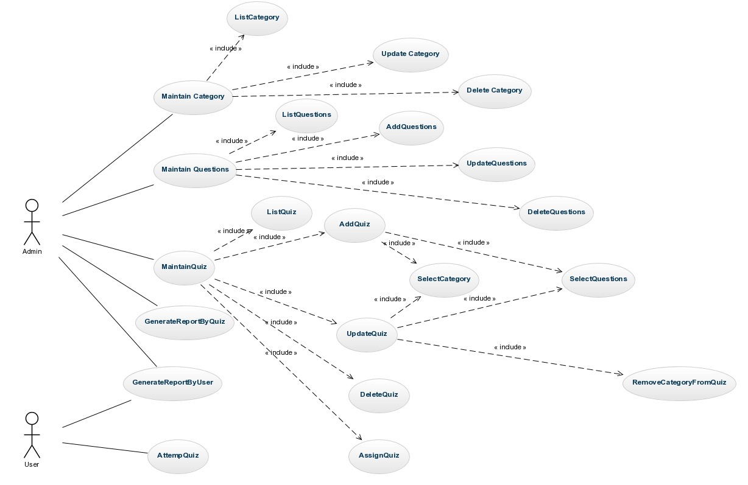
Project | QMe – Quiz/Trivia Application
Project Statement | Quiz to Learn
Project Description | Fun ways to create and share quizzes allowing to test, learn and remember.

Login_UseCases
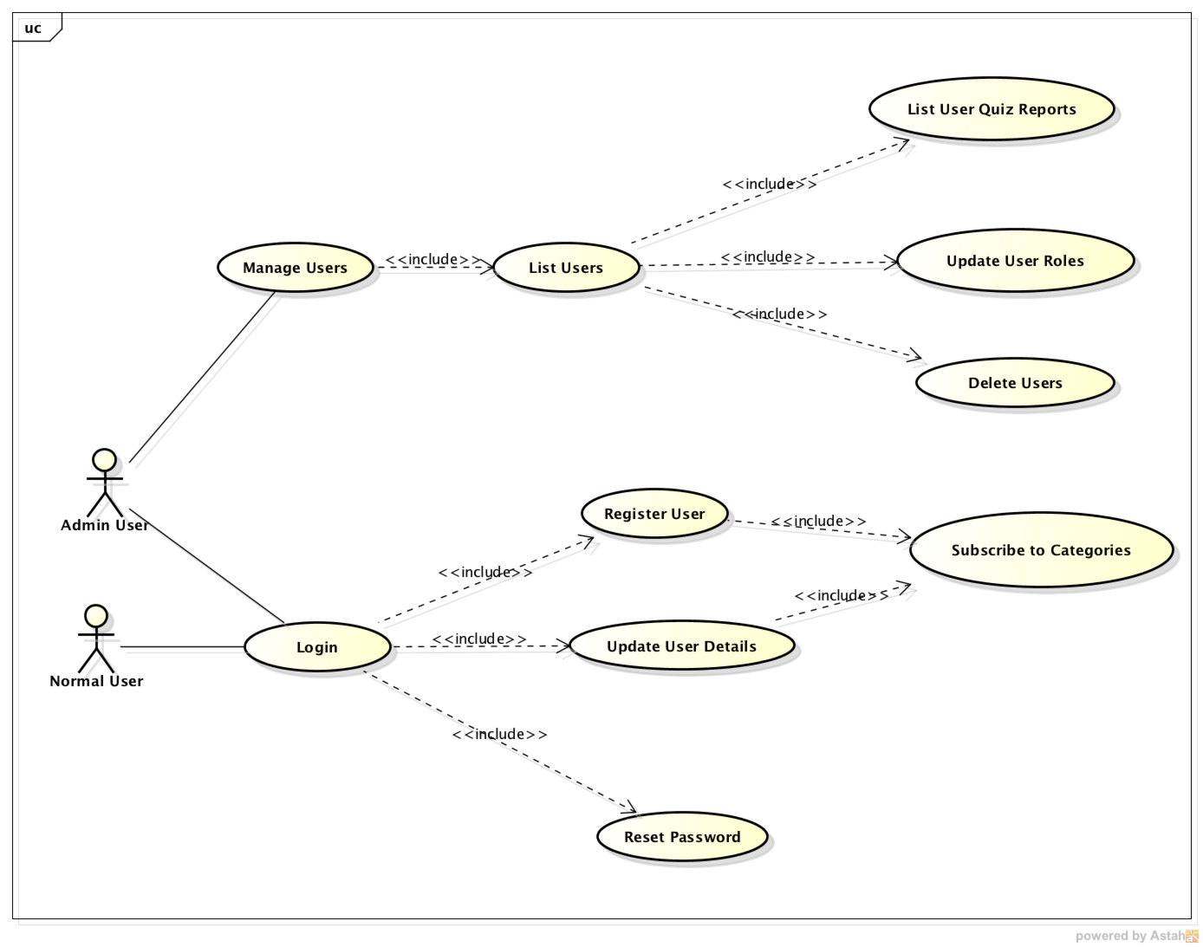

User_UseCases
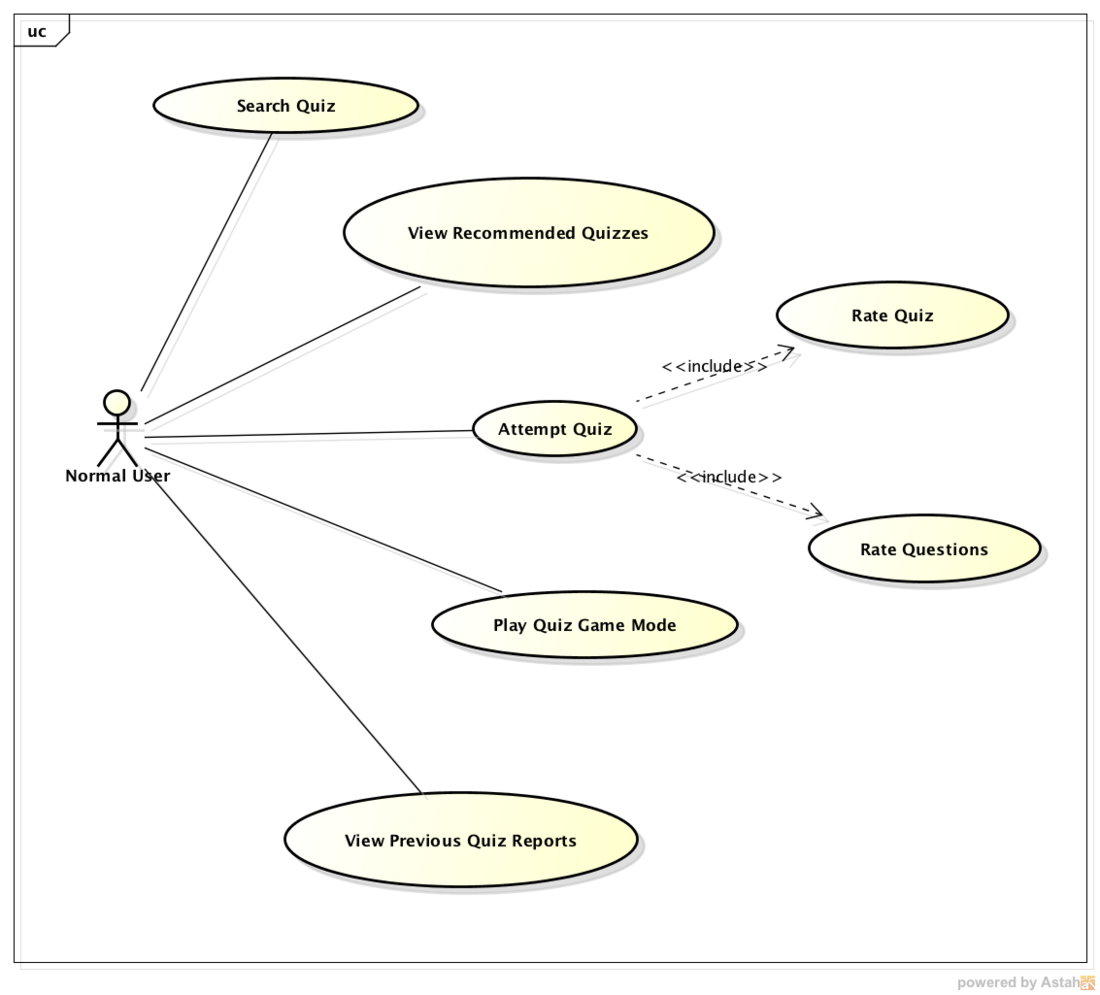

Admin_UseCases
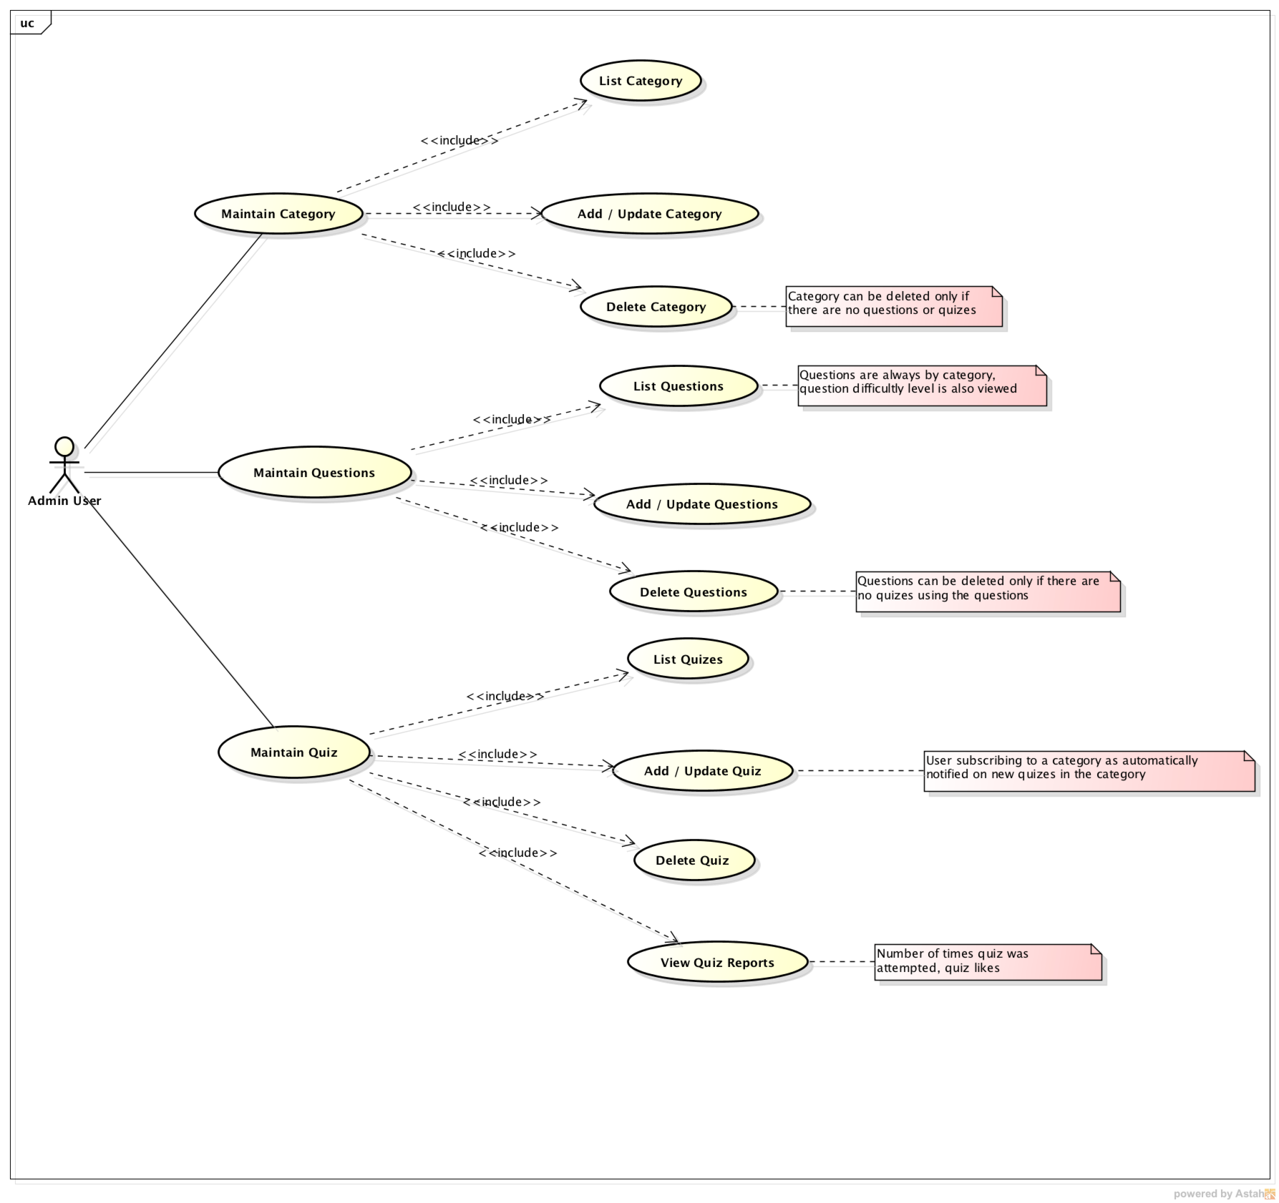

EntityDiagram
