Executive Summary
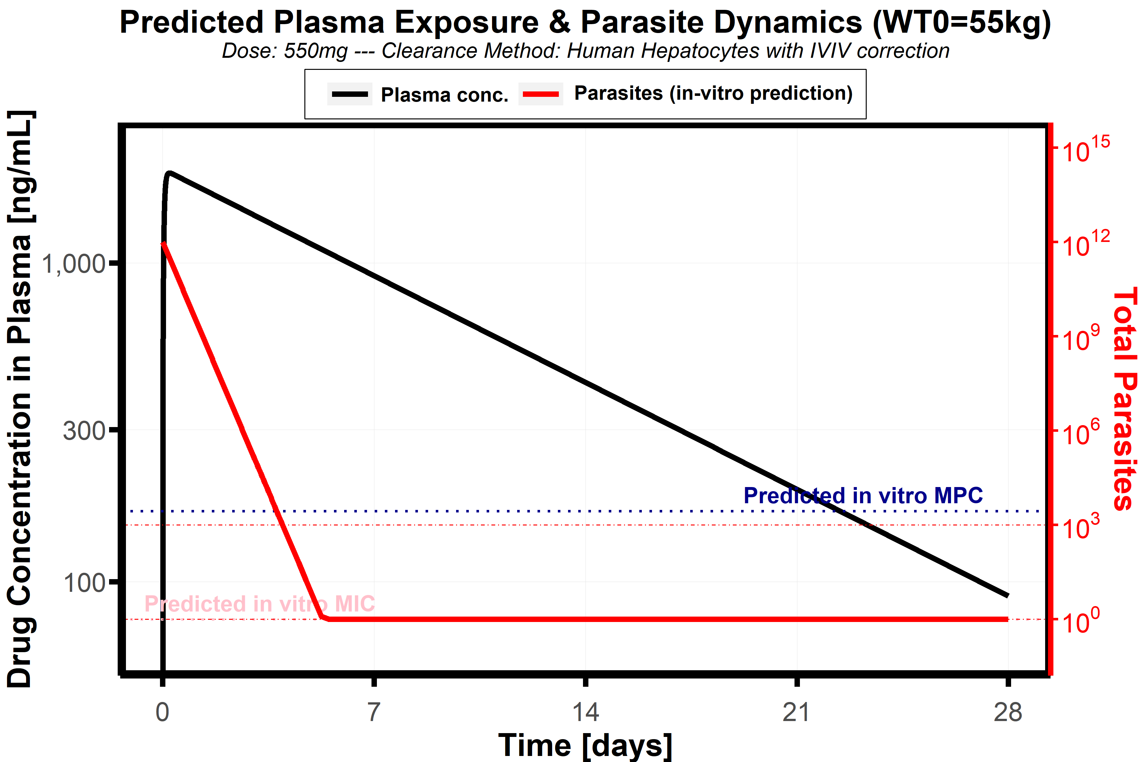
MMVSola: Summary Report
 |  |  | 1
Pharmacokinetic Predictions |  |  | 1
Parameter | Value | Unit | 1
Selected in-vitro assay | Human Hepatocytes with IVIV correction | Selected Assay | 1
Estimated in-vitro under-prediction | No in-vivo data | ratio | 1
Predicted CL in man | 0.382 | mL/min/kg | 1
Predicted Vss in man | 5 | L/kg | 1
Terminal half-life | 151.02 | h | 1
 |  |  | 1
in-vitro Based Efficacy Predictions |  |  | 1
Parameter | Value | Unit | 1
Predicted MPC | 166.6 | ng/mL | 1
Total Time above MPC | 22.43 | days | 1
Predicted MIC | 76.13 | ng/mL | 1
Total Time above MIC | 28.1 | days | 1
9-Log Kill Dose | 55 | mg | 1
12-Log Kill Dose | 62 | mg | 1
7-day prophylactic dose | 46 | mg | 1
28-day prophylactic dose | 521 | mg | 1
 |  |  | 1
SCID Based Efficacy Predictions |  |  | 1
Parameter | Value | Unit | 1
Predicted MPC | SCID EC50 not provided | ng/mL | 1
Total Time above MPC | SCID EC50 not provided | days | 1
9-Log Kill Dose | SCID EC50 not provided | mg | 1
12-Log Kill Dose | SCID EC50 not provided | mg | 1
7-day Prophylactic Dose | SCID EC50 not provided | mg | 1
28-day Prophylactic Dose | SCID EC50 not provided | mg | 1

PK Profile
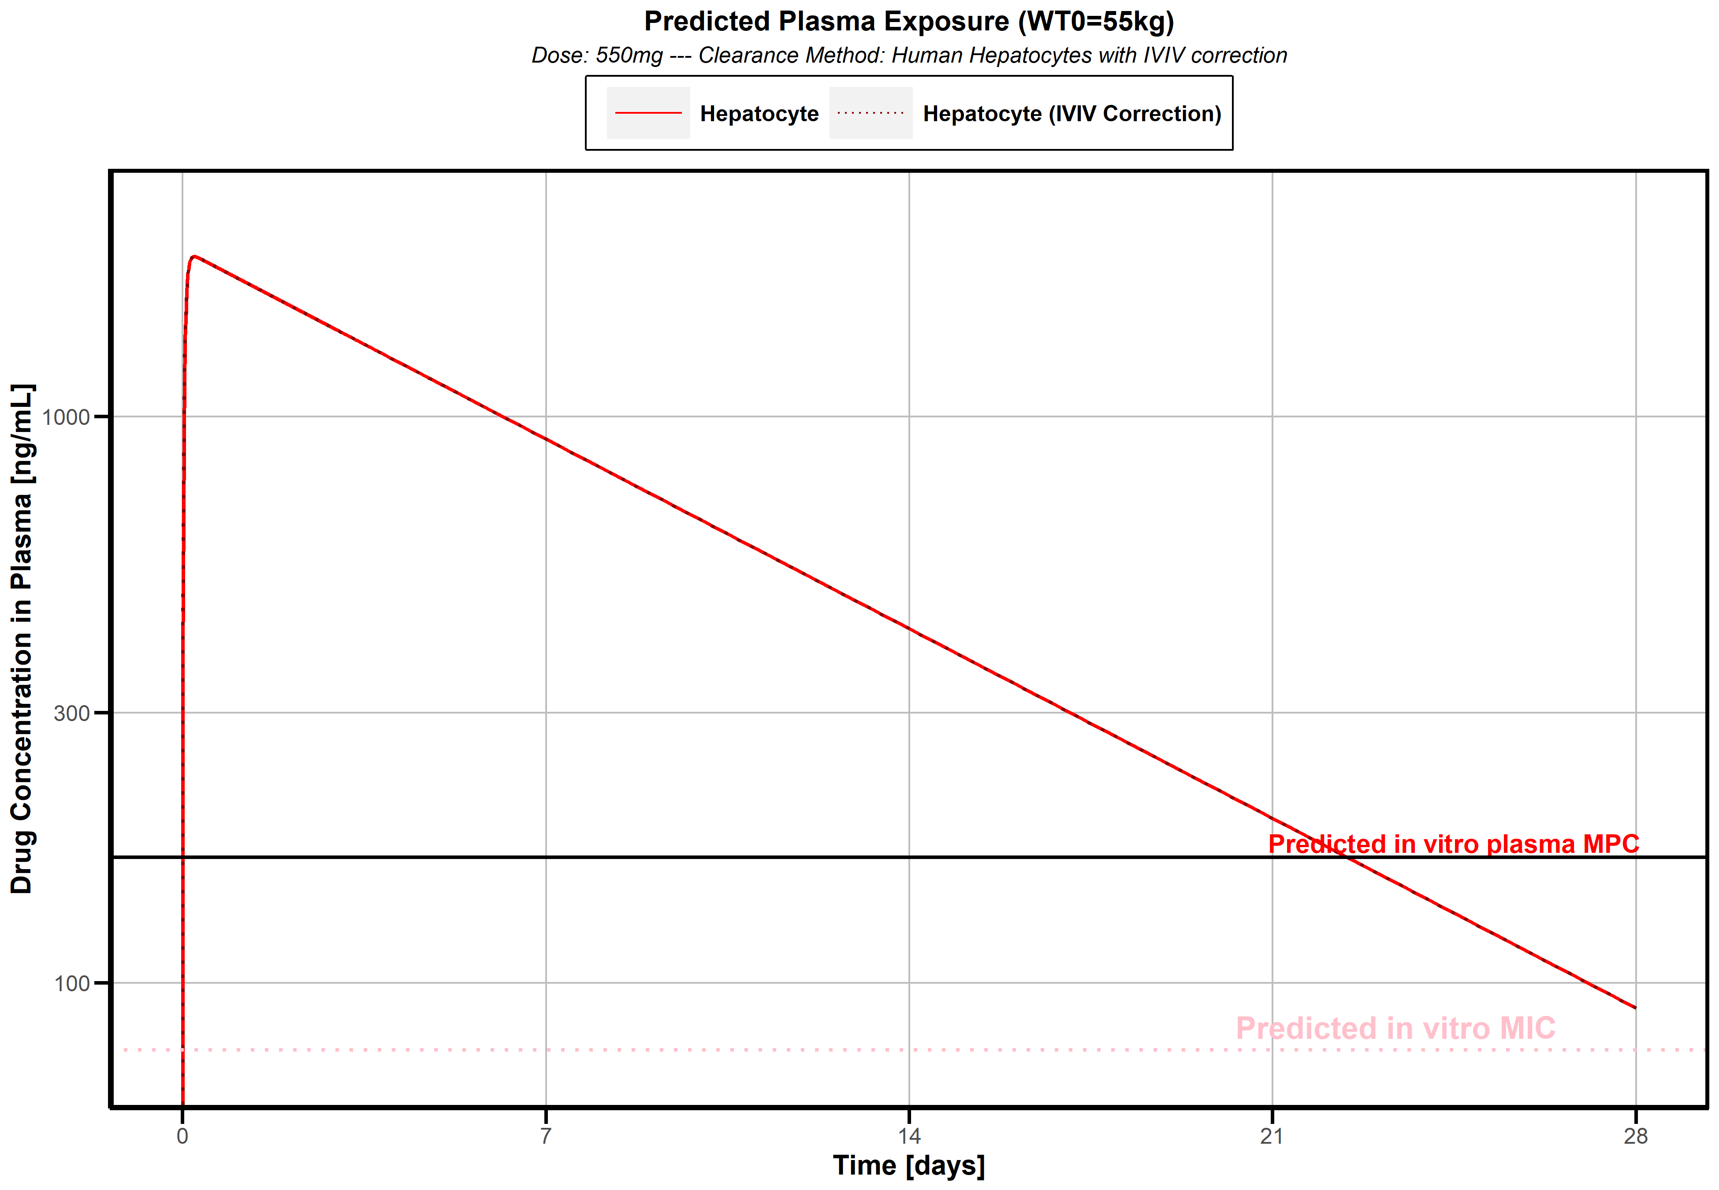
MMVSola: PK profile Report
 |  |  | 1
PK Parameter Summary |  |  | 1
Parameter | Value | Unit | 1
Hepatocyte based clearance w/o IVIV correction | 0.38 | mL/min/kg | 1
Hepatocyte based clearance WITH IVIV correction | 0.38 | mL/min/kg | 1
Fraction unbound in hepatocyte assay | 0.79 | fraction | 1
Microsome based clearance w/o IVIV correction |  | mL/min/kg | 1
Microsome based clearance WITH IVIV correction |  | mL/min/kg | 1
Fraction unbound in microsome assay | 0.83 | fraction | 1
Predicted Volume of distribution in man | 5 | L/kg | 1
Predicted Unbound volume of distribution in man | 50 | L/kg | 1
Mouse Unbound Volume | 50 | L/kg | 1
Rat Unbound Volume |  | L/kg | 1
Dog Unbound Volume |  | L/kg | 1
Unbound volume variability in animals | ONLY ONE SPECIES | % | 1
Fraction Absorbed | 1 | fraction | 1
Hepatic Extraction | 1.8 | % | 1
Bioavailability | 98.2 | % | 1
Mouse hepatocyte clearance |  | mL/min/kg | 1
Mouse microsome clearance |  | mL/min/kg | 1
Rat hepatocyte clearance |  | mL/min/kg | 1
Rat microsome clearance |  | mL/min/kg | 1
Dog hepatocyte clearance |  | mL/min/kg | 1
Dog microsome clearance |  | mL/min/kg | 1
Mouse in-vivo clearance |  | mL/min/kg | 1
Rat in-vivo clearance |  | mL/min/kg | 1
Dog in-vivo clearance |  | mL/min/kg | 1
Mouse hepatocyte under-prediction |  | ratio | 1
Mouse microsome under-prediction |  | ratio | 1
Rat hepatocyte under-prediction |  | ratio | 1
Rat microsome under-prediction |  | ratio | 1
Dog hepatocyte under-prediction |  | ratio | 1
Dog microsome under-prediction |  | ratio | 1
Hep in-vitro under-prediction | Not Available | ratio | 1
Mic in-vitro under-prediction | Not Available | ratio | 1
Species available for hepatocyte IVIV | 0 | Species | 1
Species available for microsome IVIV | 0 | Species | 1

Sensitivity Plots
MMVSola: Sensitivity Analysis Plots

Sensitivty Analysis (in-vitro) | 1 | 1 | Sensitivty Analysis (SCID) | 1

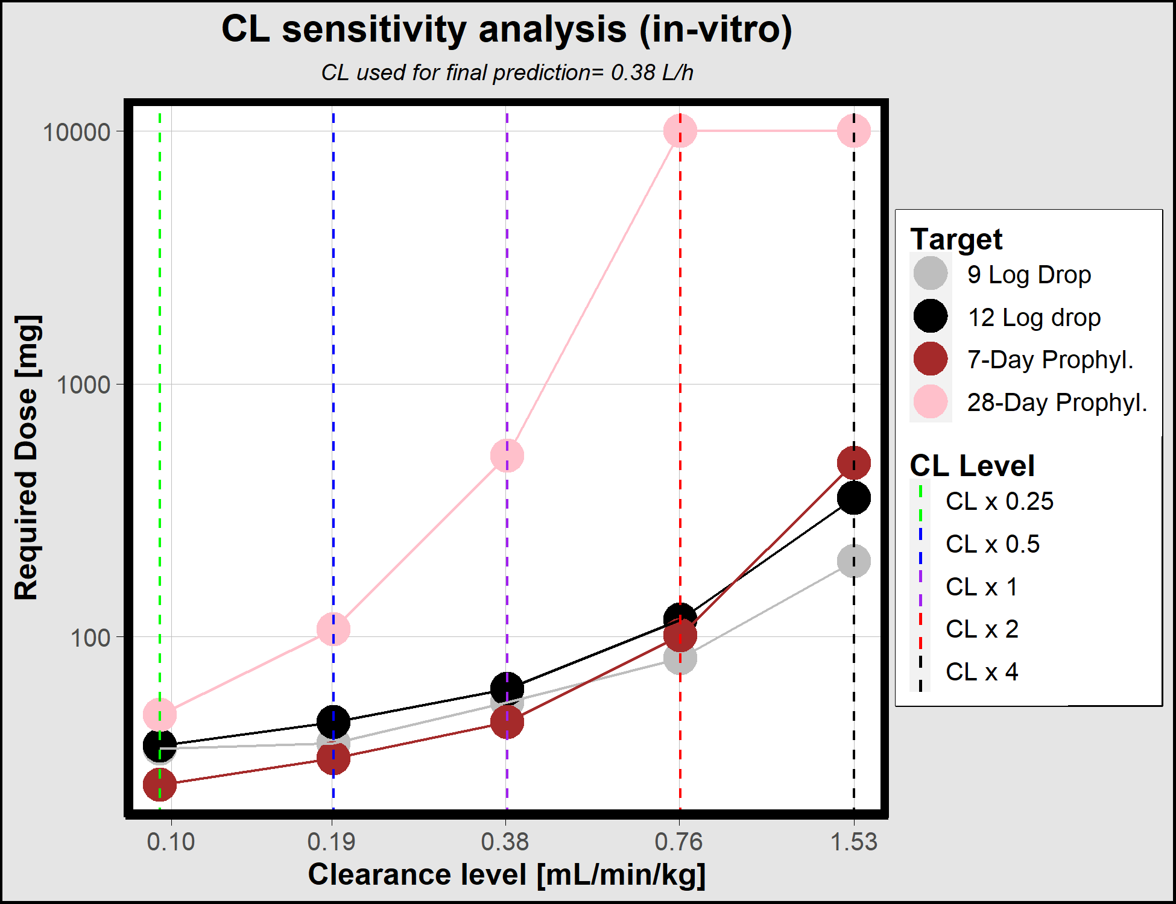
 | 1 | 1 |  | 1
 | 1 | 1 |  | 1
 | 1 | 1 |  | 1
 | 1 | 1 |  | 1
 | 1 | 1 |  | 1
 | 1 | 1 |  | 1
 | 1 | 1 |  | 1
 | 1 | 1 |  | 1
 | 1 | 1 |  | 1
 | 1 | 1 |  | 1
 | 1 | 1 |  | 1
 | 1 | 1 |  | 1
 | 1 | 1 |  | 1
 | 1 | 1 |  | 1
 | 1 | 1 |  | 1
 | 1 | 1 |  | 1
 | 1 | 1 |  | 1
 | 1 | 1 |  | 1
 | 1 | 1 |  | 1
 | 1 | 1 |  | 1
 | 1 | 1 |  | 1
 | 1 | 1 |  | 1
 | 1 | 1 |  | 1
 | 1 | 1 |  | 1
 | 1 | 1 |  | 1
 | 1 | 1 |  | 1
 | 1 | 1 |  | 1
 | 1 | 1 |  | 1
 | 1 | 1 |  | 1
 | 1 | 1 |  | 1
 | 1 | 1 |  | 1
 | 1 | 1 |  | 1
 | 1 | 1 |  | 1
 | 1 | 1 |  | 1
 | 1 | 1 |  | 1
 | 1 | 1 |  | 1
 | 1 | 1 |  | 1
 | 1 | 1 |  | 1
 | 1 | 1 |  | 1
 | 1 | 1 |  | 1
 | 1 | 1 |  | 1
 | 1 | 1 |  | 1
 | 1 | 1 |  | 1
 | 1 | 1 |  | 1
 | 1 | 1 |  | 1
 | 1 | 1 |  | 1
 | 1 | 1 |  | 1
 | 1 | 1 |  | 1
 | 1 | 1 |  | 1

 | 1 | 1 |  | 1
 | 1 | 1 |  | 1
 | 1 | 1 |  | 1
 | 1 | 1 |  | 1
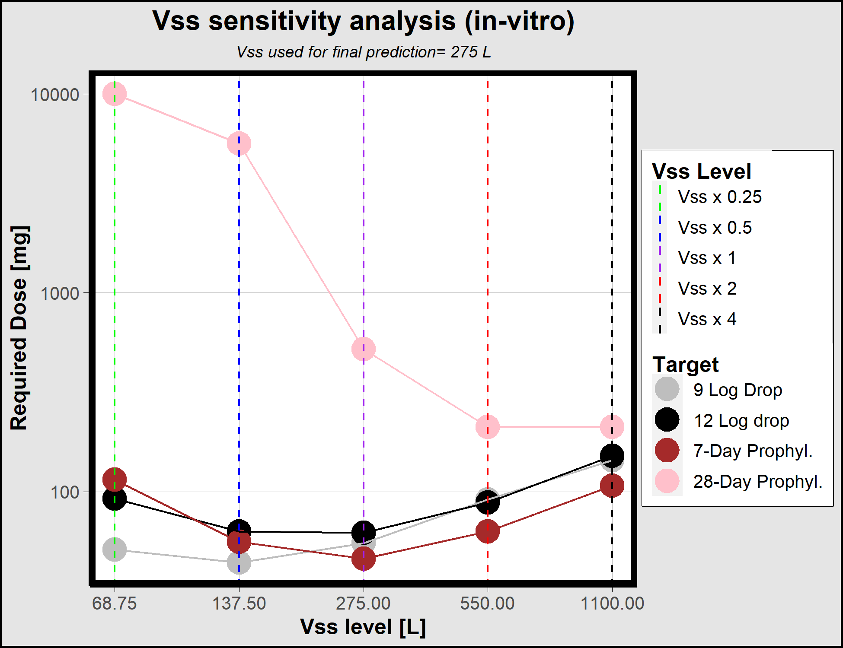
 | 1 | 1 |  | 1
 | 1 | 1 |  | 1
 | 1 | 1 |  | 1
 | 1 | 1 |  | 1
 | 1 | 1 |  | 1
 | 1 | 1 |  | 1
 | 1 | 1 |  | 1
 | 1 | 1 |  | 1
 | 1 | 1 |  | 1
 | 1 | 1 |  | 1
 | 1 | 1 |  | 1
 | 1 | 1 |  | 1
 | 1 | 1 |  | 1
 | 1 | 1 |  | 1
 | 1 | 1 |  | 1
 | 1 | 1 |  | 1
 | 1 | 1 |  | 1
 | 1 | 1 |  | 1
 | 1 | 1 |  | 1
 | 1 | 1 |  | 1
 | 1 | 1 |  | 1
 | 1 | 1 |  | 1
 | 1 | 1 |  | 1
 | 1 | 1 |  | 1
 | 1 | 1 |  | 1
 | 1 | 1 |  | 1
 | 1 | 1 |  | 1
 | 1 | 1 |  | 1
 | 1 | 1 |  | 1
 | 1 | 1 |  | 1
 | 1 | 1 |  | 1
 | 1 | 1 |  | 1
 | 1 | 1 |  | 1
 | 1 | 1 |  | 1
 | 1 | 1 |  | 1
 | 1 | 1 |  | 1
 | 1 | 1 |  | 1
 | 1 | 1 |  | 1
 | 1 | 1 |  | 1
 | 1 | 1 |  | 1
 | 1 | 1 |  | 1
 | 1 | 1 |  | 1
 | 1 | 1 |  | 1
 | 1 | 1 |  | 1
 | 1 | 1 |  | 1
 | 1 | 1 |  | 1
 | 1 | 1 |  | 1
 | 1 | 1 |  | 1

 | 1 | 1 |  | 1
 | 1 | 1 |  | 1
 | 1 | 1 |  | 1
 | 1 | 1 |  | 1
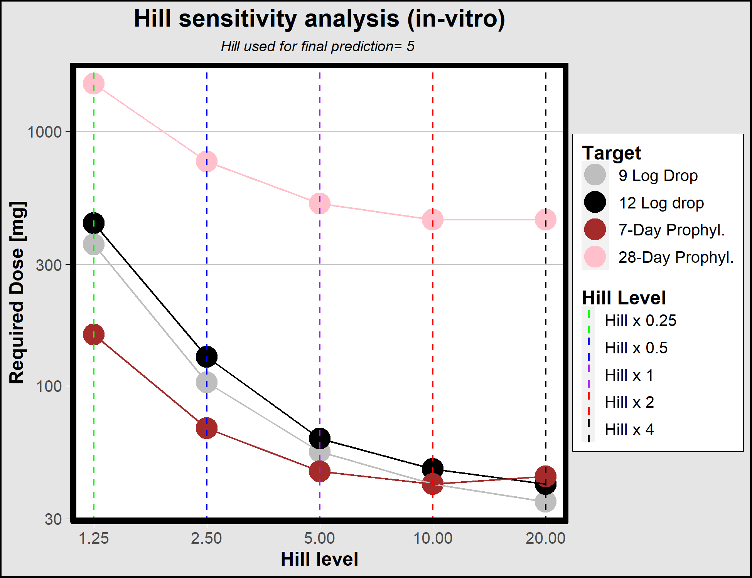
 | 1 | 1 |  | 1
 | 1 | 1 |  | 1
 | 1 | 1 |  | 1
 | 1 | 1 |  | 1
 | 1 | 1 |  | 1
 | 1 | 1 |  | 1
 | 1 | 1 |  | 1
 | 1 | 1 |  | 1
 | 1 | 1 |  | 1
 | 1 | 1 |  | 1
 | 1 | 1 |  | 1
 | 1 | 1 |  | 1
 | 1 | 1 |  | 1
 | 1 | 1 |  | 1
 | 1 | 1 |  | 1
 | 1 | 1 |  | 1
 | 1 | 1 |  | 1
 | 1 | 1 |  | 1
 | 1 | 1 |  | 1
 | 1 | 1 |  | 1
 | 1 | 1 |  | 1
 | 1 | 1 |  | 1
 | 1 | 1 |  | 1
 | 1 | 1 |  | 1
 | 1 | 1 |  | 1
 | 1 | 1 |  | 1
 | 1 | 1 |  | 1
 | 1 | 1 |  | 1
 | 1 | 1 |  | 1
 | 1 | 1 |  | 1
 | 1 | 1 |  | 1
 | 1 | 1 |  | 1
 | 1 | 1 |  | 1
 | 1 | 1 |  | 1
 | 1 | 1 |  | 1
 | 1 | 1 |  | 1
 | 1 | 1 |  | 1
 | 1 | 1 |  | 1
 | 1 | 1 |  | 1
 | 1 | 1 |  | 1
 | 1 | 1 |  | 1
 | 1 | 1 |  | 1
 | 1 | 1 |  | 1
 | 1 | 1 |  | 1
 | 1 | 1 |  | 1
 | 1 | 1 |  | 1

