Лист1
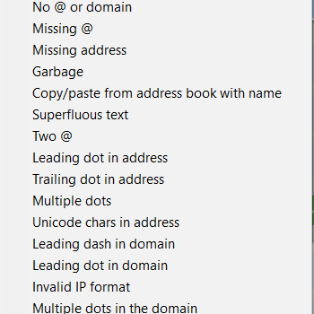
Site | https://sexinforia.com/
Module | https://sexinforia.com/otzyivyi/
Environment | Windows 10 x64, Mozilla Firefox 86.0

# | Name | Status | Comments
Non-functional checks
1 | Check if banner leads to the main paige | Passed
2 | Check that favicon and title is relevant | Passed
3 | Check if language change option changes the text of whole page(except comment blocks) | Failed | BR#A3-1 https://docs.google.com/spreadsheets/d/1QCLFAUQ8mUoHJBRwhOsAactuwtWTjE5M62Kk-QDZf-s/edit?usp=sharing
4 | Check if translation is correct | Passed
5 | Check for spelling errors on page(banner, header, footer and other text bodies, error messages) | Passed
6 | Chech whether font type, size, color of the text corresponds to the designer mock-up | Passed
7 | Check if alignment of the text, comment blocks, button, input blocks is proper | Passed
8 | Check if link in footer leads to the main paige | Passed
9 | Check that position of GUI elements is proper in Google Chrome (Ver. 89.0.4389.82) on different screen formats | Passed
10 | Check that position of GUI elements is proper in Opera (Ver. 74.0.3911.160) on different screen formats | Passed
11 | Check that position of GUI elements is proper on mobile devices (Huawei P20 Android 10) | Passed
12 | Check editing hotkey combinations(Ctrl+C,Ctrl+V etc.) | Passed

Functional checks
13 | Check menu functionality | Passed
14 | Check that navigation "Поиск..." field is functional | Passed
15 | Check that empty field "Имя" turns pink with red message "Это поле необходимо заполнить." under after pressing the button "Добавить отзыв" | Passed
16 | Check that empty field "Email" turns pink with red message "Это поле необходимо заполнить." under after pressing the button "Добавить отзыв" | Passed
17 | Check that empty field "Отзыв" turns pink with red message "Это поле необходимо заполнить." under after pressing the button "Добавить отзыв" | Passed
18 | Check that correct input in field "Email" doesn't turns red with message "Пожалуйста, введите корректный адрес электронной почты." after pressing the button "Добавить отзыв" | Failed | BR#A3-3, BR#A3-4 https://docs.google.com/spreadsheets/d/1QCLFAUQ8mUoHJBRwhOsAactuwtWTjE5M62Kk-QDZf-s/edit?usp=sharing
19 | Check that icorrect input in field "Email" turns red with message "Пожалуйста, введите корректный адрес электронной почты." after pressing the button "Добавить отзыв" | Failed | BR#A3-5,BR#A3-6 https://docs.google.com/spreadsheets/d/1QCLFAUQ8mUoHJBRwhOsAactuwtWTjE5M62Kk-QDZf-s/edit?usp=sharing
20 | Check that if any of the required fields("Имя", "Email","Отзыв") is empty button "Добавить отзыв" is not active | Passed
21 | Check that if all required fields have correct data button "Добавить отзыв" is active | Passed
22 | Check that "Email" field doesn't allow unicode symbols | Passed
23 | Check trimming of spaces in input fields(leading, trailing, multiple) | Failed | BR#A3-2 https://docs.google.com/spreadsheets/d/1QCLFAUQ8mUoHJBRwhOsAactuwtWTjE5M62Kk-QDZf-s/edit?usp=sharing
24 | Check that field "Имя" can't consist of numbers and unicode symbols only | Failed | BR#A3-7,BR#A3-8 https://docs.google.com/spreadsheets/d/1QCLFAUQ8mUoHJBRwhOsAactuwtWTjE5M62Kk-QDZf-s/edit?usp=sharing
 | Icorrect input in field "Email"(Bug Magnet addon)

