Info
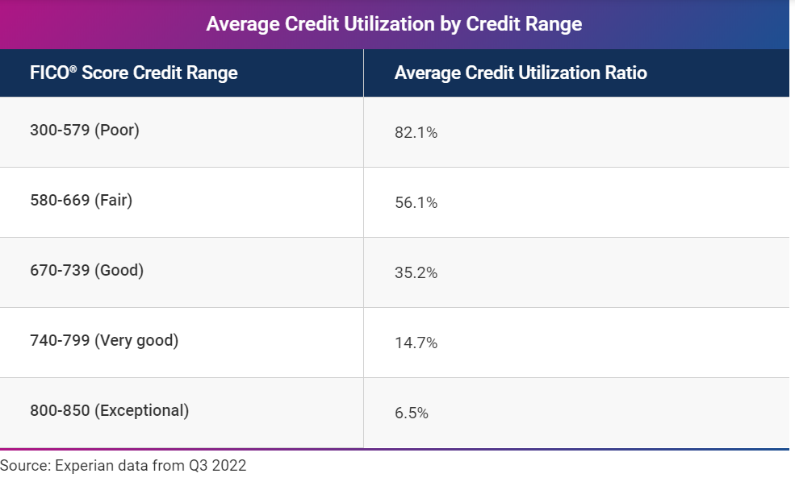
DTI
35% or less is generally viewed as favorable, and your debt is manageable. You likely have money remaining after paying monthly bills.
36% to 49% means your DTI ratio is adequate, but you have room for improvement. Lenders might ask for other eligibility requirements.
50% or higher DTI ratio means you have limited money to save or spend. As a result, you won’t likely have money to handle an unforeseen event and will have limited borrowing options.2

