link for salinity
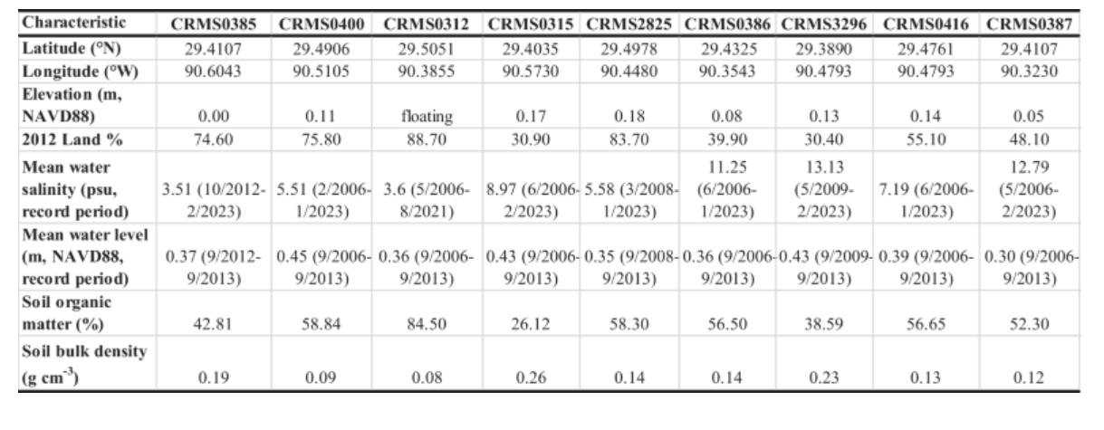
https://cdmo.baruch.sc.edu/dges/

