TIC TAC TOE
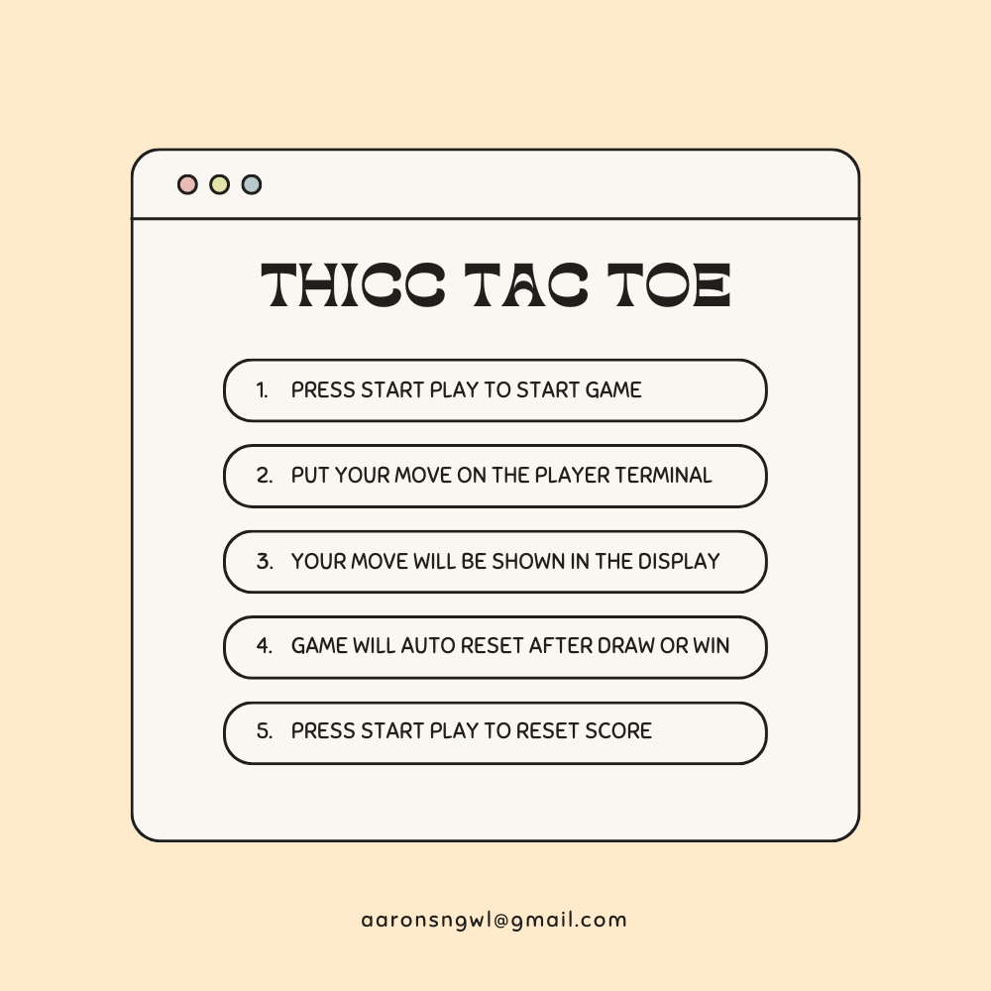
THICC TAC TOE you start first |  |  |  |  |  | HOW TO PLAY

your score | 0
machine score | 0
 |  | PLAYER'S TERMINAL |  | DISPLAY
 |  |  | X

TRY COMPUTER STARTS FIRST

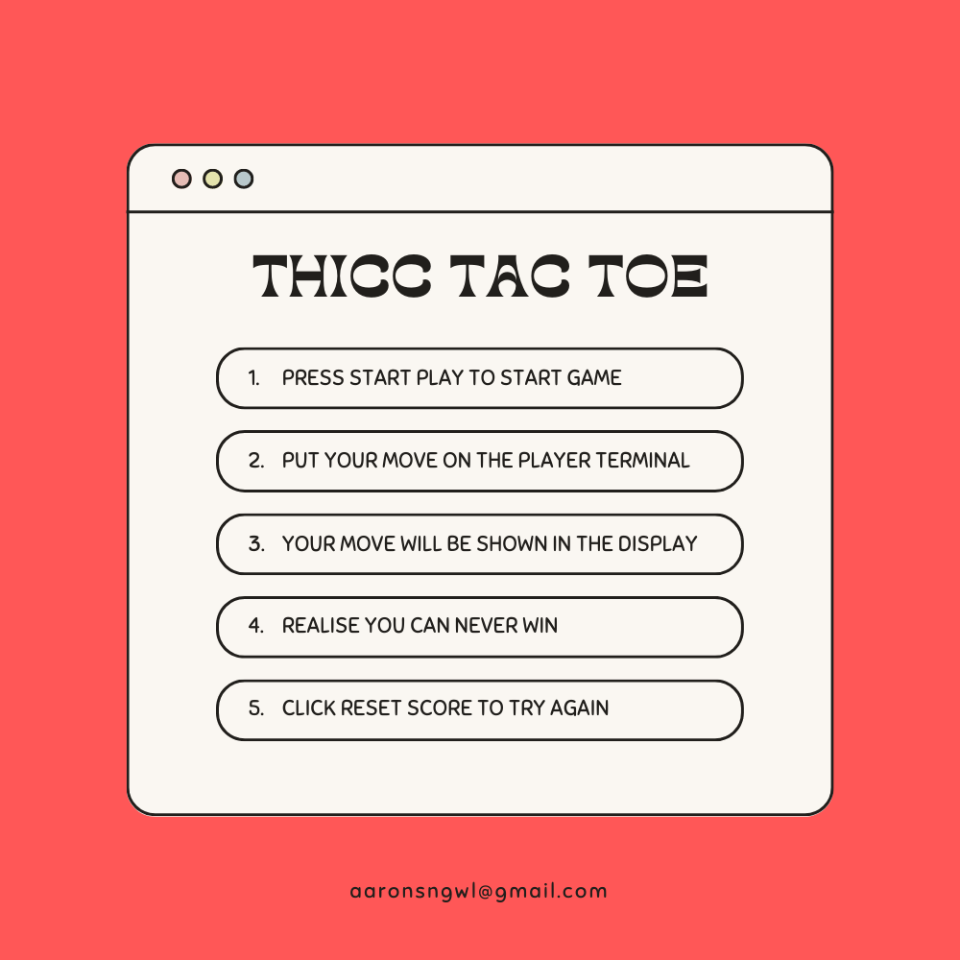
THICC TAC TOE computer starts first edition |  |  |  |  |  | HOW TO PLAY

player score | 0
machine score | 2
 |  | PLAYER'S TERMINAL |  | DISPLAY
 |  |  |  |  | X

