简要介绍
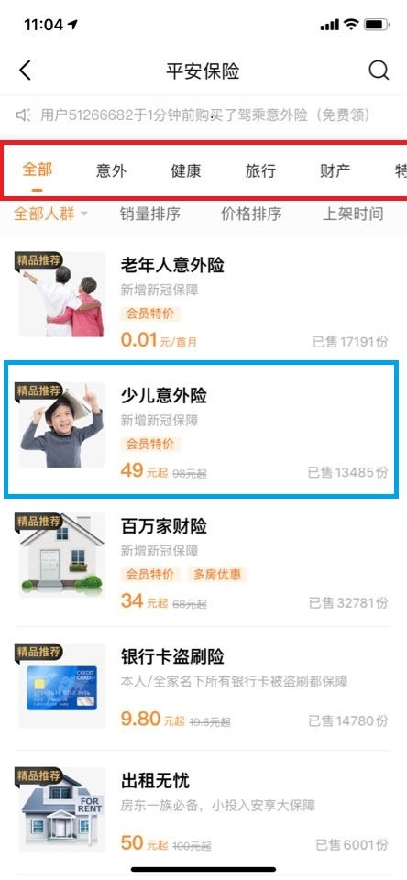
分类 | 注释
主要涉及场景 | 判断客户在使用好车主APP时，进入非车产品货架后会点击哪个非车产品
建模逻辑 | X为4月1-20日客户在APP上的分类点击情况，Y值为4月21-30日客户是否在进入产品货架后点击进入产品详情页
Y=1的判断逻辑（在产品货架点击进入了产品详情页）的逻辑 | 必须进入产品货架页（如右图）再点击右图蓝框部分进入产品详情页，Y才等于1，其余情况Y均等于0；参赛者需要预测的是客户在产品货架页最可能点击的3个产品（eventbody['productId']为产品代码） 在埋点表的具体判断逻辑：eventname='h320057' and eventbody['hzcModule'] in ('hczoi_good_best' --产品货架-全部tab ,'hczoi_good_accident' --产品货架-意外tab ,'hczoi_good_fitness' --产品货架-健康tab ,'hczoi_good_trip' --产品货架-旅行tab ,'hczoi_good_estate' --产品货架-财产tab ,'hczoi_good_company' --产品货架-企业tab ,'hczoi_good_special'))); --产品货架-特色tab
 | 1、上述hczoi_good_xxx指的是，产品货架页内的各种tab（如图红框内的tab键）； 2、上述埋点eventname='h320057'指的是客户点击进入详情页的埋点 3、Y=1的前提是从产品货架页点击产品（右图蓝框，eventbody['productId']为产品代码）

