Stock Analysis
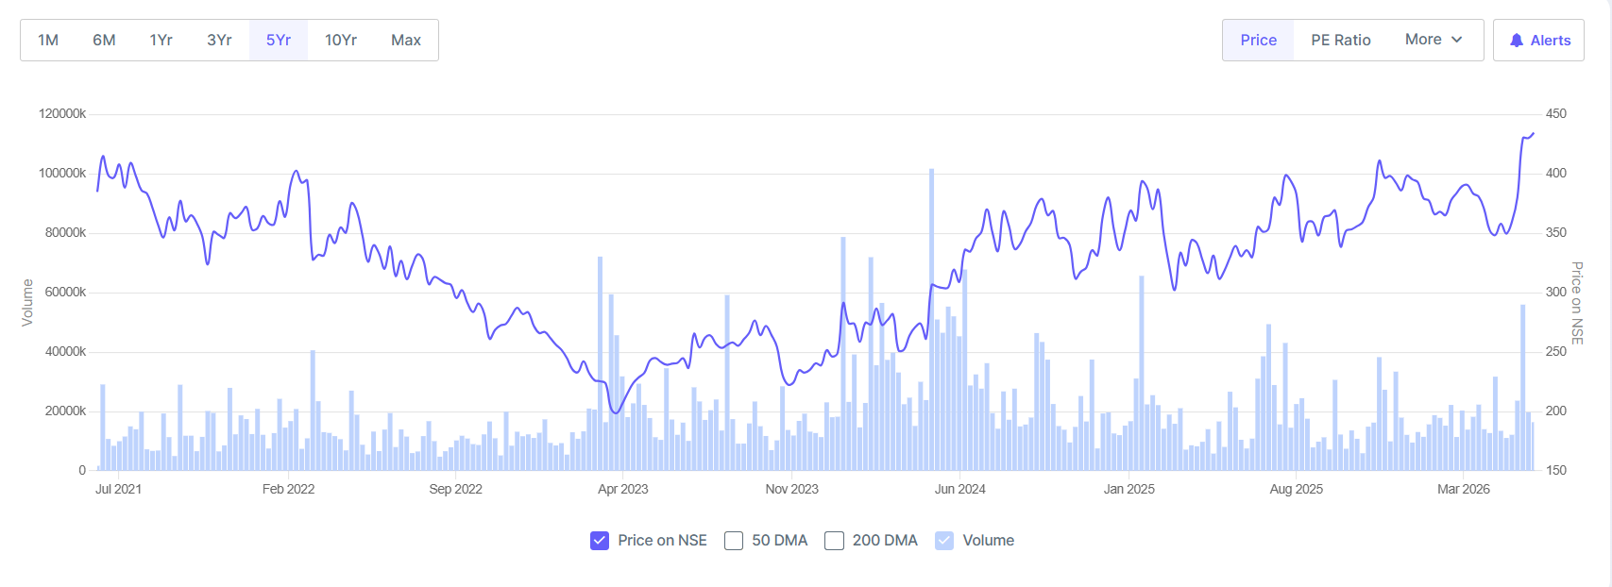
 |  |  |  |  |  |  | Recommendation
 |  |  |  |  |  |  | HOLD — Biocon trades at ₹352, valuing the company at ₹57,088 Cr. With FY25 consolidated revenue of ₹15,262 Cr (+3.4% YoY) and PAT of ₹1,429 Cr (+10.1% YoY), the stock offers a mixed risk-reward profile. Current P/E of 69.5x, ROCE of 6.3%, and dividend yield of 0.14% reflect a revaluation amid biosimilar market challenges. Suitable for long-term investors with patience for turnaround execution.

 |  |  |  |  |  |  | Financial Year | Revenue (₹ Crore) | Profit After Tax (PAT) (₹ Crore) | Revenue Change (%) | PAT Change (%) | ROCE (%)
 |  |  |  |  |  |  | FY 2024-25 | 12,965 | 2,215 | 2.34% | 22.31% | 20.40%
 |  |  |  |  |  |  | FY 2023-24 | 12,668 | 1,811 | 9.22% | 79.84% | 20.40%
 |  |  |  |  |  |  | FY 2022-23 | 11,599 | 1,007 | 9.07% | -40.06% | 20.40%
 |  |  |  |  |  |  | FY 2021-22 | 10,634 | 1,680 | 19.95% | 3.83% | 20.40%
 |  |  |  |  |  |  | FY 2020-21 | 8,865 | 1,618 | - | - | 20.40%

 |  |  |  |  |  |  |  | Biocon posts FY25 revenue of ₹15,262 Cr (+3.4% YoY), PAT of ₹1,429 Cr (+10.1% YoY); stock trades at ₹458

 |  | FY 2024-25 | 15262 | 1429 | 0.034 | 0.101 | 0.0625
Metric | Value | FY 2023-24 | 14756 | 1298 | 0.318 | -0.107 | 0.0625
Market Cap | ₹ 57,088 Cr. | FY 2022-23 | 11174 | 643 | 0.366 | 0.166 | 0.0625
Current Price | 352.00 | FY 2021-22 | 8184 | 772 | 0.145 | -0.088 | 0.0625
High / Low | ₹ 425 / 295 | FY 2020-21 | 7143 | 846 | -0.172 | 0.078 | 0.0625
Stock P/E | 69.50
Book Value | 200.00
Dividend Yield | 0.14%
ROCE | 6.25%
ROE | 4.76%
Face Value | 5.00

WACC
Weighted Average Cost of Capital

Capital Structure
Total Debt | 1,775.6
Total Equity | 3,378.1
Total Mix | 5,153.7
% of Debt | 34.5%
% of Equity | 65.5%
Debt to Equity | 52.6%

Cost of Equity |  |  | Cost of Debt
Risk free rate(Rf) | 6.6% |  | Source | Cost
Beta | 0.90 |  | Cost of debt* | 5.1%
Market risk premium | 7.0% |  | Tax rate | 17.6%
Cost of equity | 12.9% |  | Cost of Debt after tax | 4.2%

WACC
Source | Weight | Cost | Weighted Cost
Debt | 34.5% | 4.2% | 1.4%
Equity | 65.5% | 12.9% | 8.4%
WACC |  |  | 9.9%

