Stock Analysis
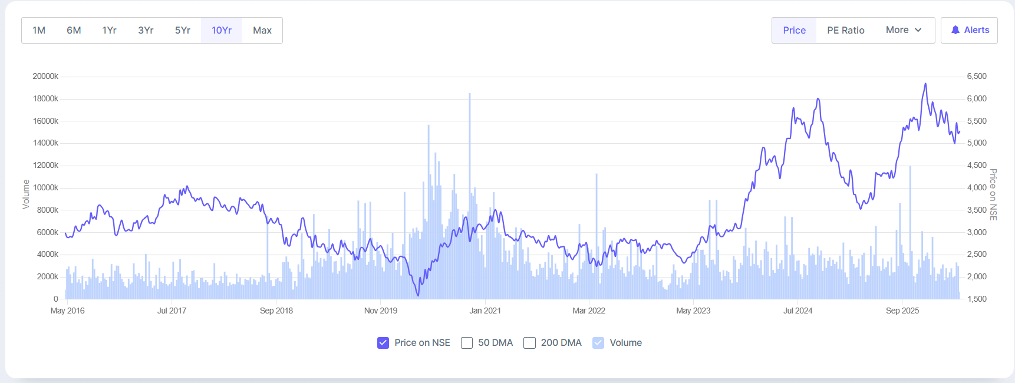
 |  | Recommendation
 |  | BUY — Hero MotoCorp's stock offers an attractive entry point at current levels, trading at ~19x P/E, a steep 50% discount to peers' median of ~38x. With record FY25 consolidated revenue of ₹40,923 Cr (+8.3% YoY) and PAT of ₹4,376 Cr (+16.9% YoY), strong ROCE of 30.3%, a debt-free balance sheet, and a generous dividend yield of 3.14%, the risk-reward is favourable for long-term investors.

 |  | Hero MotoCorp remains the world's largest two-wheeler manufacturer by volume, holding ~29% domestic market share in FY25. The company's stock has corrected ~18% over the last year despite delivering its best-ever revenue and profit, creating a valuation gap vs peers. Key near-term triggers include: (1) rural demand revival driven by a healthy monsoon forecast and income tax relief in the Union Budget 2025; (2) strong scooter momentum — scooter sales grew 53% YoY in March 2026; (3) export acceleration with 34% YoY growth in Feb 2026; (4) VIDA EV scaling up with 12,500+ monthly registrations. Risks to monitor: (1) market share erosion to Honda HMSI, which is within 2 percentage points of Hero's domestic share; (2) EV transition pace — VIDA volumes remain small relative to overall portfolio; (3) rising input costs from commodity price volatility. Motilal Oswal maintains a BUY with a target price of ₹6,205, implying ~18% upside from current levels. The company has guided for 7% volume CAGR and 11% revenue/EBITDA/PAT CAGR over FY25-28.

 |  |  | Financial Year | Revenue (₹ Crore) | Profit After Tax (PAT) (₹ Crore) | Revenue Change (%) | PAT Change (%) | Nifty 50 Change (%)
 |  |  | FY 2024-25 | 40,923 | 437600.0% | 8.3% | 16.9% | 5.3%
 |  |  | FY 2023-24 | 37,789 | 374200.0% | 10.6% | 33.6% | 28.6%
 |  |  | FY 2022-23 | 34,158 | 280000.0% | 15.6% | 20.2% | -0.6%
 |  |  | FY 2021-22 | 29,551 | 232900.0% | -4.5% | -20.7% | 18.9%
Metric | Value |  | FY 2020-21 | 30,959 | 293600.0% | - | - | 70.9%
Market Cap | ₹ 1,04,987 Cr.
Current Price | ₹ 5,247
High / Low | ₹ 6,390 / ₹ 3,664
Stock P/E | 19
Book Value | 105000.00%
Dividend Yield | 3.1%
ROCE | 30.3%
ROE | 23.10%
Face Value | ₹ 2.00

Hero MotoCorp records best-ever annual revenue of ₹40,923 Cr in FY25, PAT up 17% YoY

MOSL maintains BUY on Hero MotoCorp with TP ₹6,205 — Groww | April 2026

WACC
Weighted Average Cost of Capital
 | 85.0%
 | 15.0%

Capital Structure
Total Debt | 456.8
Total Equity | 40.0
Total Mix | 496.8
% of Debt | 91.9%
% of Equity | 8.1%
Debt to Equity | 1141.9%

Cost of Equity |  |  | Cost of Debt |  | Market value weights:
Risk free rate(Rf) | 6.6% |  | Source | Cost | Book value of Debt
Beta | 0.91 |  | Cost of debt* | 14.3% | Share price (as on above date)
Market risk premium | 7.0% |  | Tax rate | 25.0% | No. of shares outstanding
Cost of equity | 12.9% |  | Cost of Debt after tax | 17.8% | Market value of Equity

WACC
Source | Weight | Cost | Weighted Cost
Debt | 91.9% | 17.8% | 16.4%
Equity | 8.1% | 12.9% | 1.0%
WACC |  |  | 17.4%

