Q&A
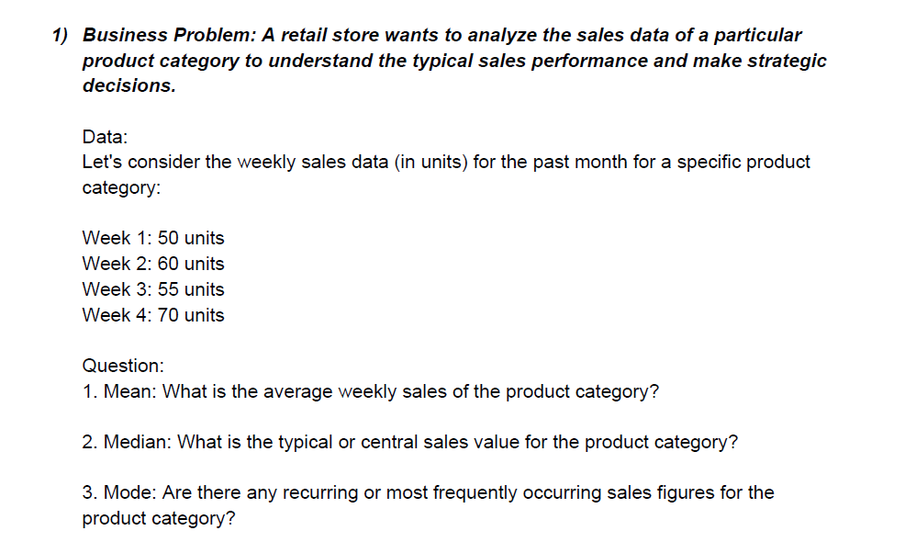
Q-1 | Ans.

 |  | Mean | 58.75
 |  | Median | 57.5
 |  | Mode | No mode

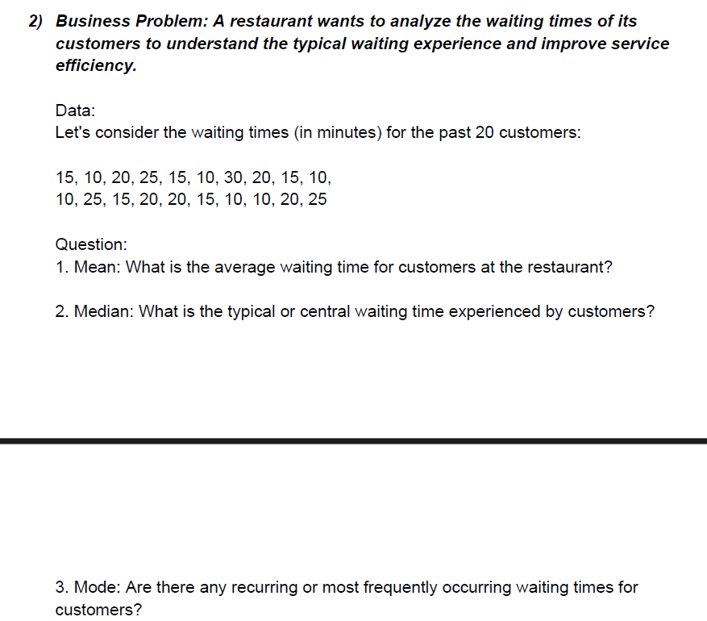
Q-2 | Ans.

 |  | Mean | 17
 |  | Median | 15
 |  | Mode | 10

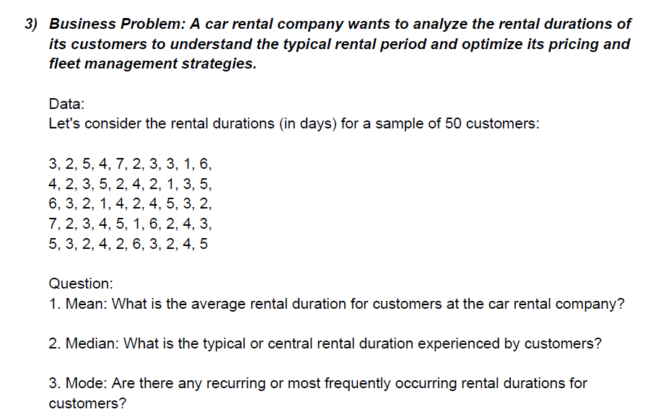
Q-3 | Ans.

 |  | Mean | 3.44
 |  | Median | 3
 |  | Mode | 2

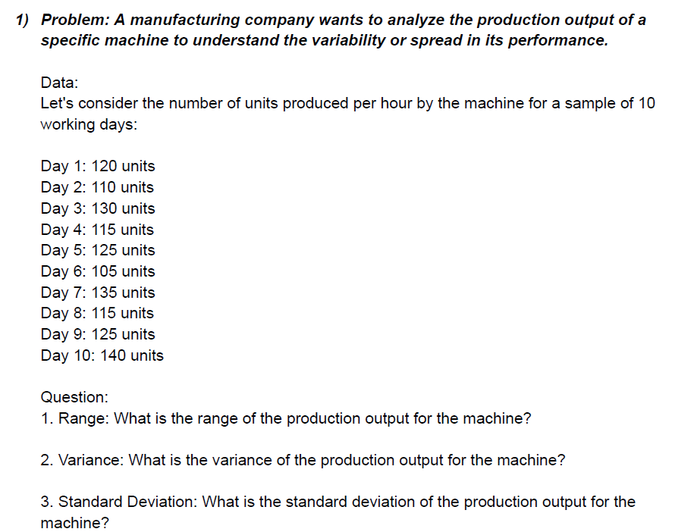
Q-4 | Ans.

 |  | Range | 35
 |  | Variance | 123.33333333
 |  | Standard Deviation | 11.105554166

 |  | Max. Value | 140
 |  | Min. Value | 105

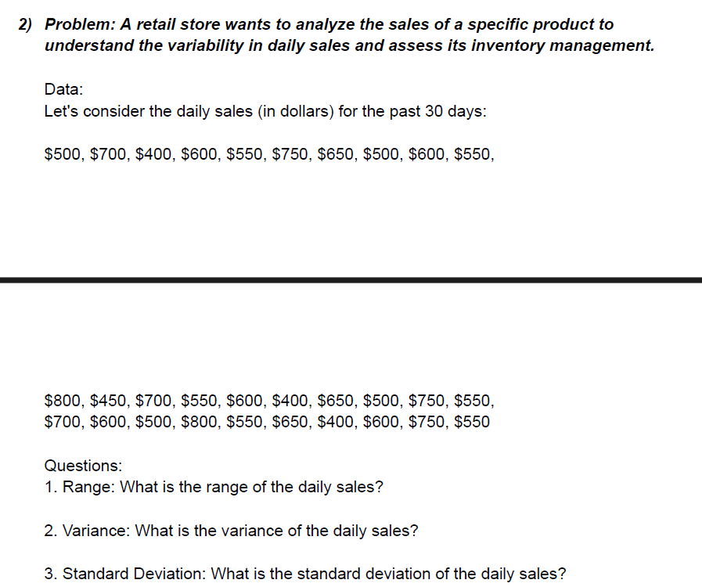
Q-5 | Ans.

 |  | Range | 400
 |  | Variance | 13163.793103
 |  | Standard Deviation | 114.73357444

 |  | Max. Value | 800
 |  | Min. Value | 400

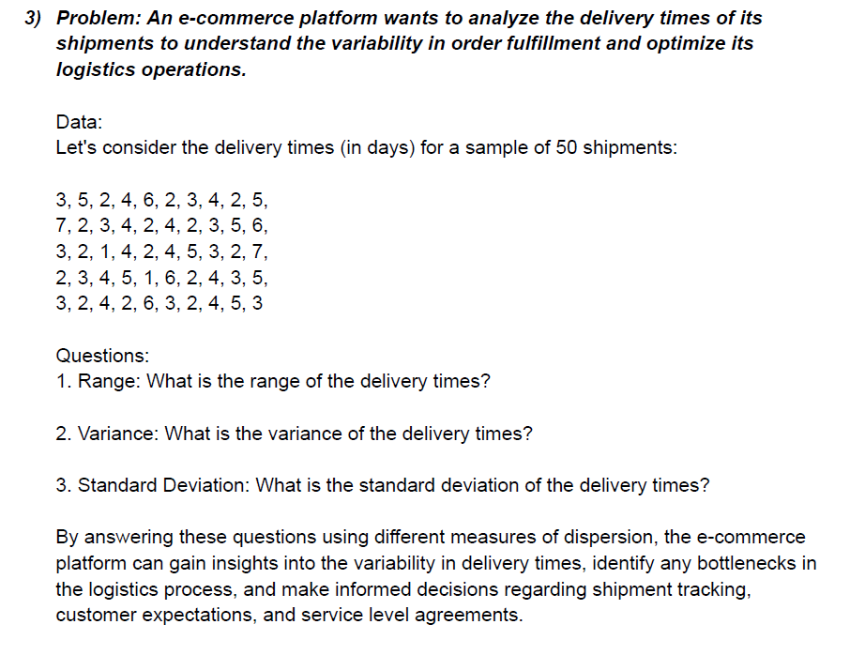
Q-6 | Ans.

 |  | Range | 6
 |  | Variance | 2.3363265306
 |  | Standard Deviation | 1.5285046714

 |  | Max. Value | 7
 |  | Min. Value | 1

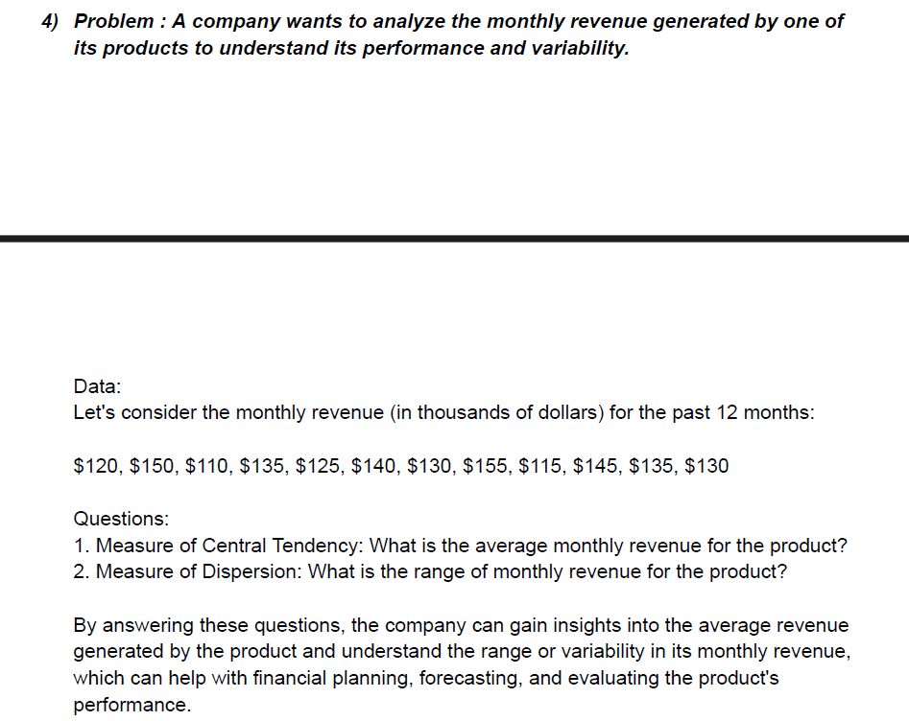
Q-7 | Ans.

 |  | Central Tendency | 132.5
 |  | Dispersion | 45

 |  | Max. Value | 155
 |  | Min. Value | 110

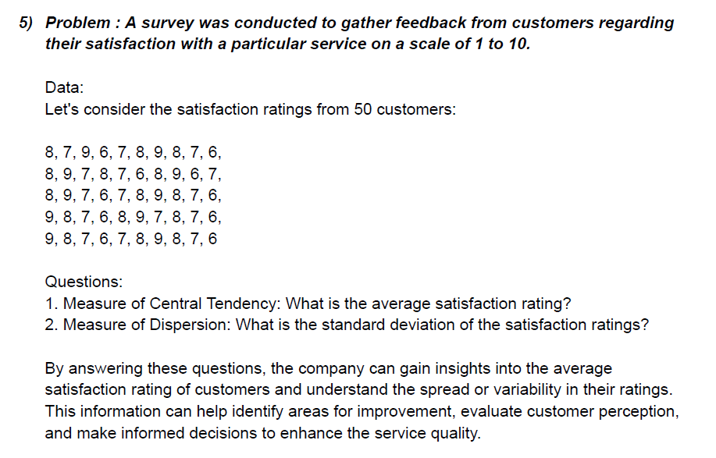
Q-8 | Ans.

 |  | Central Tendency | 7.5
 |  | Dispersion | 1.035098339

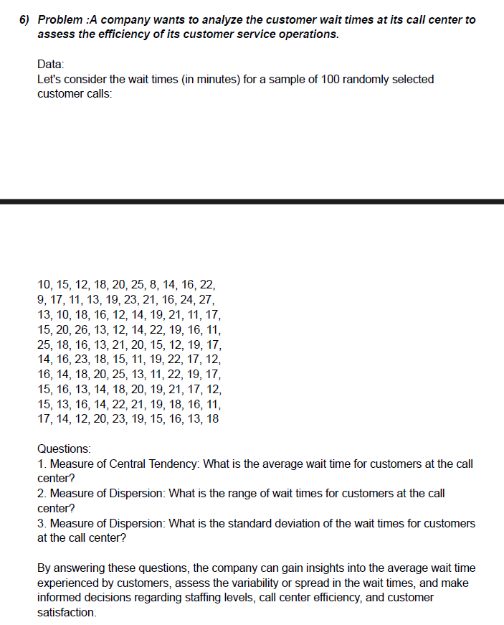
Q-9 | Ans.

 |  | Central Tendency (average) | 16.74
 |  | Dispersion (Range) | 19
 |  | Dispersion (Standard Deviation) | 4.1429506881

 |  | Max. Value | 27
 |  | Min. Value | 8

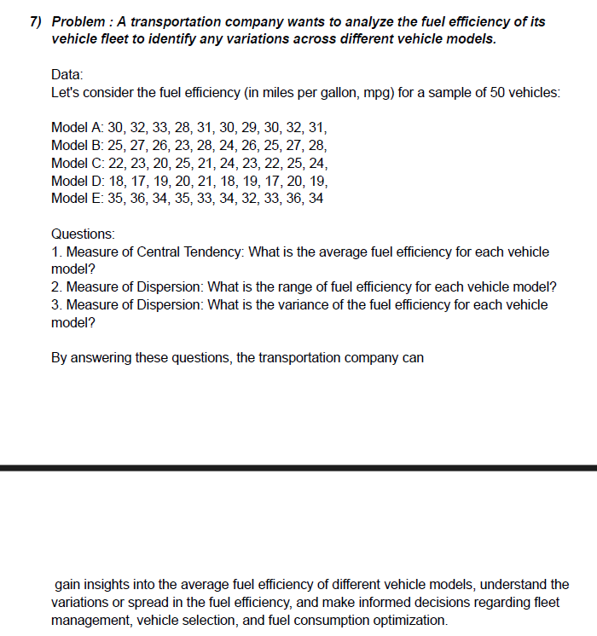
Q-10 | Ans.

 |  | Central Tendency (average) | 26.48
 |  | Dispersion (Range) | 19
 |  | Dispersion (Variance) | 32.417959184

 |  | Max. Value | 36
 |  | Min. Value | 17

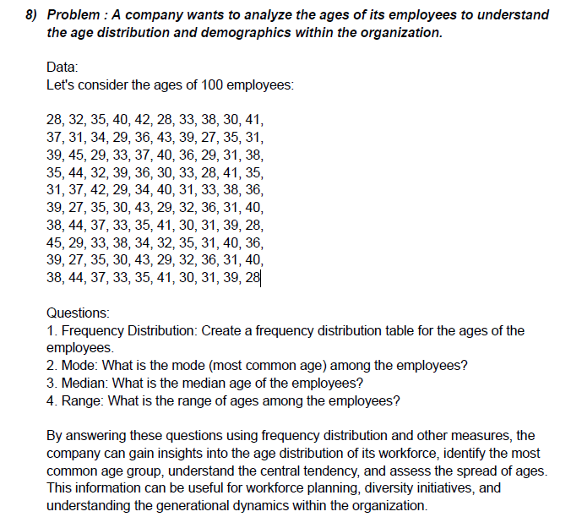
Q-11 | Ans.

 |  |  |  |  |  | Frequency distribution |  |  | bin | Frequency | Cumulative % | bin | Frequency | Cumulative %
 |  | Mode | 31 |  |  |  |  |  | 30 | 21 | 21.00% | 33 | 22 | 22.00%
 |  | Median | 35 |  |  |  |  |  | 33 | 22 | 43.00% | 30 | 21 | 43.00%
 |  | Range | 18 |  |  |  |  |  | 36 | 19 | 62.00% | 36 | 19 | 62.00%
 |  |  |  |  |  |  |  |  | 39 | 18 | 80.00% | 39 | 18 | 80.00%
 |  |  |  |  |  |  |  |  | 42 | 12 | 92.00% | 42 | 12 | 92.00%
 |  | Max. Value | 45 |  |  |  |  |  | 45 | 8 | 100.00% | 45 | 8 | 100.00%
 |  | Min. Value | 27 |  |  |  |  |  | More | 0 | 100.00% | More | 0 | 100.00%

Histogram

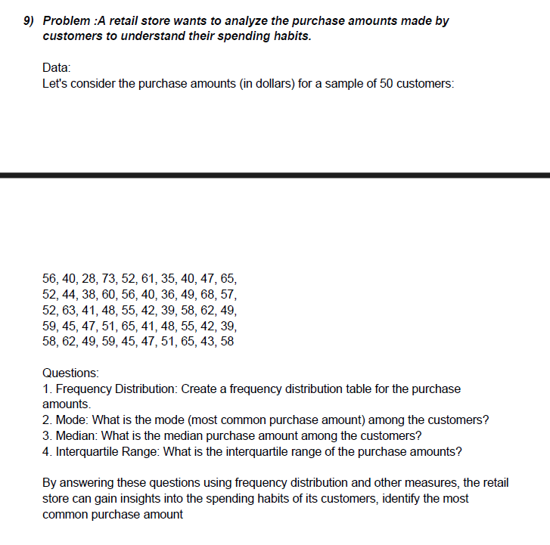
Q-12 | Ans.

 |  |  |  | 3rd quartile | 58 |  | bin | Frequency | Cumulative % | bin | Frequency | Cumulative %
 |  | Mode | 40 | 1st quartile | 42.25 |  | 30 | 1 | 2.00% | 60 | 9 | 18.00%
 |  | Median | 50 |  |  |  | 35 | 1 | 4.00% | 45 | 8 | 34.00%
 |  | Interquartile Range | 15.75 |  |  |  | 40 | 7 | 18.00% | 50 | 8 | 50.00%
 |  |  |  |  |  |  | 45 | 8 | 34.00% | 40 | 7 | 64.00%
 |  |  |  |  |  |  | 50 | 8 | 50.00% | 55 | 7 | 78.00%
 |  | Max. Value | 73 |  | Frequency distribution |  | 55 | 7 | 64.00% | 65 | 7 | 92.00%
 |  | Min. Value | 28 |  |  |  | 60 | 9 | 82.00% | 30 | 1 | 94.00%
 |  | Range | 45 |  |  |  | 65 | 7 | 96.00% | 35 | 1 | 96.00%
 |  |  |  |  |  |  | 70 | 1 | 98.00% | 70 | 1 | 98.00%
 |  |  |  |  |  |  | 75 | 1 | 100.00% | 75 | 1 | 100.00%
Histogram
 |  |  |  |  |  |  | More | 0 | 100.00% | More | 0 | 100.00%

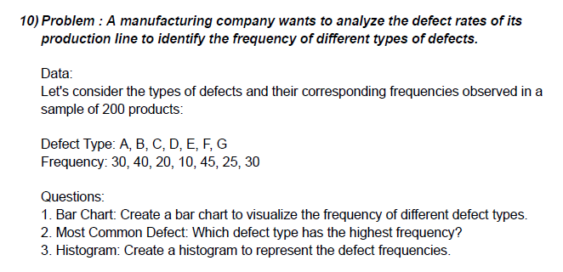
Q-13 | Ans.
Bar chart

 |  | Most common Defect | E=45 | Defect Type | Frequency
 |  |  |  | A | 30
 |  |  |  | B | 40
 |  |  |  | C | 20
 |  |  |  | D | 10
 |  |  |  | E | 45
 |  |  |  | F | 25
 |  |  |  | G | 30

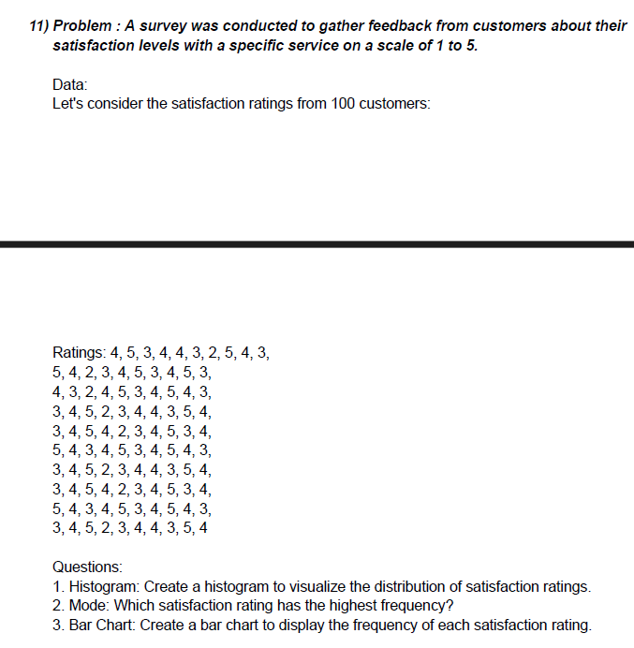
Q-14 | Ans.

Bar chart
 | Ratings
1 | 4
2 | 5
3 | 3
4 | 4
5 | 4
6 | 3
7 | 2
8 | 5
9 | 4
10 | 3
11 | 5
12 | 4
13 | 2
14 | 3
15 | 4
16 | 5
17 | 3
18 | 4
19 | 5
20 | 3
21 | 4
22 | 3
23 | 2
24 | 4
25 | 5
26 | 3
27 | 4
28 | 5
29 | 4
30 | 3
31 | 3
32 | 4
33 | 5
34 | 2
35 | 3
36 | 4
37 | 4
38 | 3
39 | 5
40 | 4
41 | 3
42 | 4
43 | 5
44 | 4
45 | 2
46 | 3
47 | 4
48 | 5
49 | 3
50 | 4
...
 |  | Mode | 4

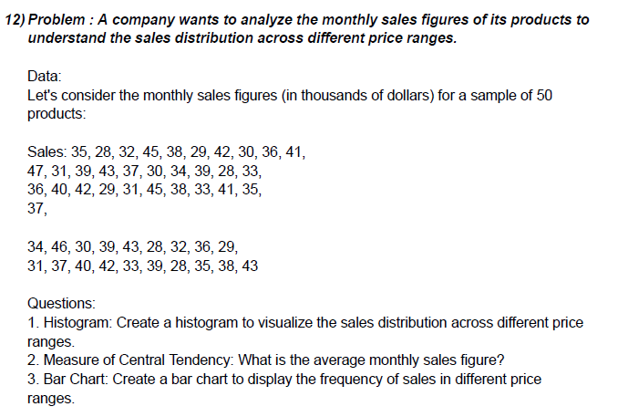
Q-15 | Ans.

Bar chart
 | Sales figures
1 | 35
2 | 28
3 | 32
4 | 45
5 | 38
6 | 29
7 | 42
8 | 30
9 | 36
10 | 41
11 | 47
12 | 31
13 | 39
14 | 43
15 | 37
16 | 30
17 | 34
18 | 39
19 | 28
20 | 33
21 | 36
22 | 40
23 | 42
24 | 29
25 | 31
26 | 45
27 | 38
28 | 33
29 | 41
30 | 35
31 | 37
32 | 34
33 | 46
34 | 30
35 | 39
36 | 43
37 | 28
38 | 32
39 | 36
40 | 29
41 | 31
42 | 37
43 | 40
44 | 42
45 | 33
46 | 39
47 | 28
48 | 35
49 | 38
50 | 43
 |  | Central Tendency (average) | 36.14

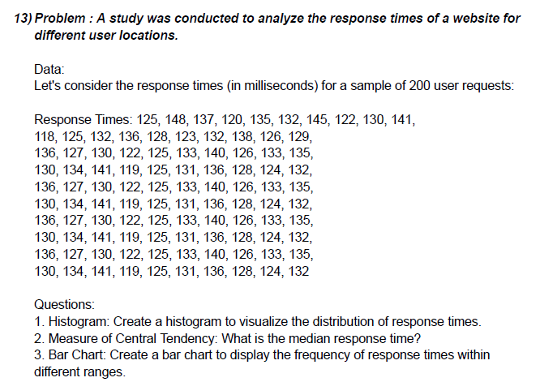
Q-16 | Ans.

Bar chart
 | Time
1 | 125
2 | 148
3 | 137
4 | 120
5 | 135
6 | 132
7 | 145
8 | 122
9 | 130
10 | 141
11 | 118
12 | 125
13 | 132
14 | 136
15 | 128
16 | 123
17 | 132
18 | 138
19 | 126
20 | 129
21 | 136
22 | 127
23 | 130
24 | 122
25 | 125
26 | 133
27 | 140
28 | 126
29 | 133
30 | 135
31 | 130
32 | 134
33 | 141
34 | 119
35 | 125
36 | 131
37 | 136
38 | 128
39 | 124
40 | 132
41 | 136
42 | 127
43 | 130
44 | 122
45 | 125
46 | 133
47 | 140
48 | 126
49 | 133
50 | 135
...
 |  | Central Tendency (median) | 130.5

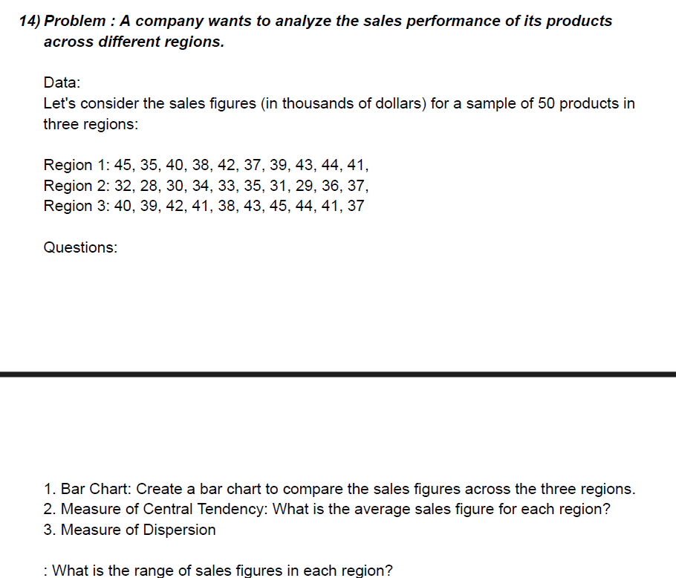
Q-17 | Ans.

Bar chart
 | Sales figures
1 | 45
1 | 35
1 | 40
1 | 38
1 | 42
1 | 37
1 | 39
1 | 43
1 | 44
1 | 41
2 | 32
2 | 28
2 | 30
2 | 34
2 | 33
2 | 35
2 | 31
2 | 29
2 | 36
2 | 37
3 | 40
3 | 39
3 | 42
3 | 41
3 | 38
3 | 43
3 | 45
3 | 44
3 | 41
3 | 37
 |  | Central Tendency (average) | 37.966666667
 |  | Dispersion (range) | 17

 |  | Max. Value | 45
 |  | Min. Value | 28

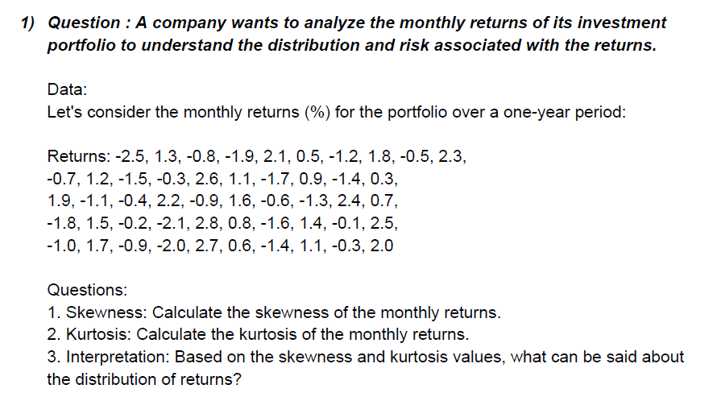
Q-18 | Ans.

 |  | Skewness | 0.054546017084
 |  | Kurtosis | -1.3042496426
 |  | Interpretation | Platykurtic curve

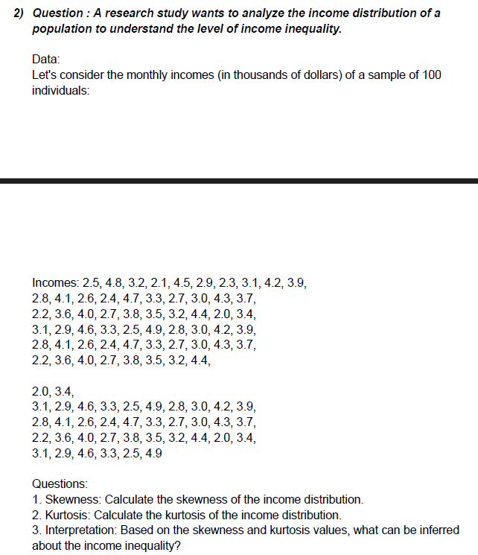
Q-19 | Ans.

 |  | Skewness | 0.22402536455
 |  | Kurtosis | -0.93120912453
 |  | Interpretation | Platykurtic curve

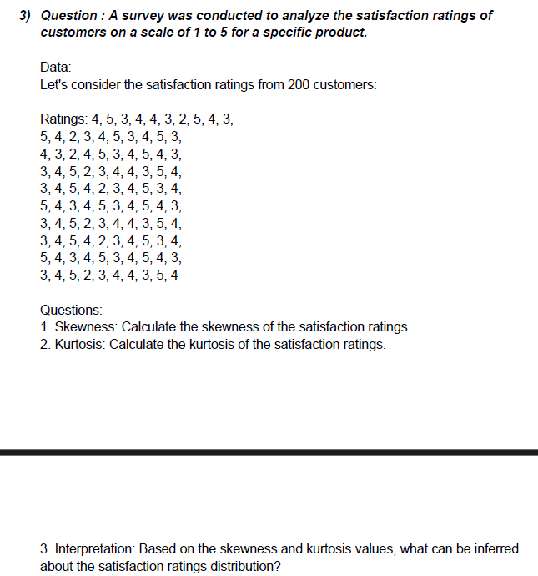
Q-20 | Ans.

 |  | Skewness | -0.21090973977
 |  | Kurtosis | -0.74525627212
 |  | Interpretation | Platykurtic curve

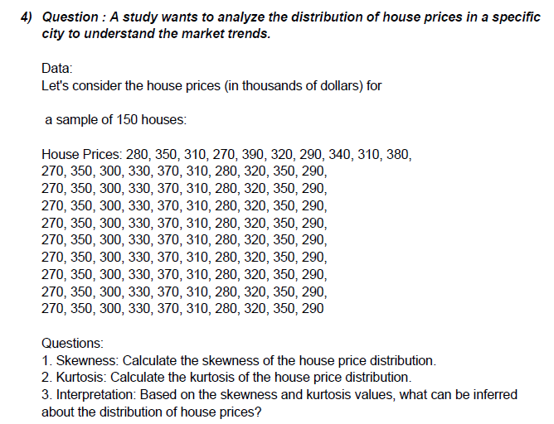
Q-21 | Ans.

 |  | Skewness | 0.2092186248
 |  | Kurtosis | -1.0374244845
 |  | Interpretation | Platykurtic curve

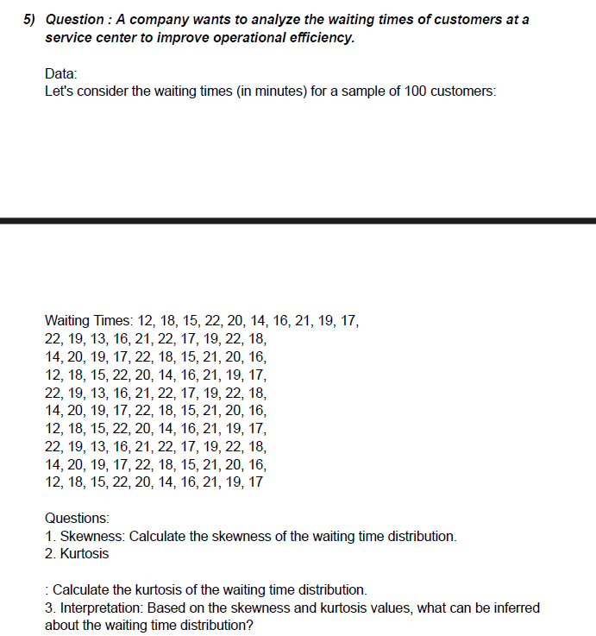
Q-22 | Ans.

 |  | Skewness | -0.33501287222
 |  | Kurtosis | -0.88101144669
 |  | Interpretation | Platykurtic curve

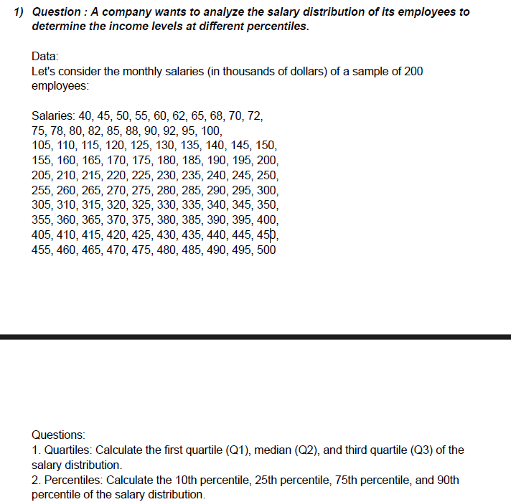
Q-23 | Ans.

 |  | First quartile (Q1) | 128.75
 |  | Median quartile (Q2) | 252.5
 |  | Third quartile (Q3) | 376.25
 |  | 10th Percentile | 74.7
 |  | 25th Percentile | 128.75
 |  | 75th Percentile | 376.25
 |  | 90th Percentile | 450.5

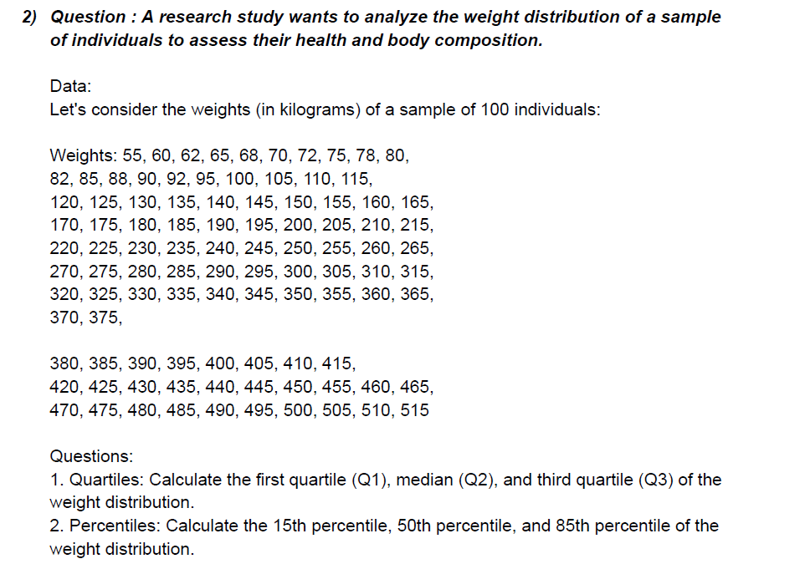
Q-24 | Ans.

 |  | First quartile (Q1) | 143.75
 |  | Median quartile (Q2) | 267.5
 |  | Third quartile (Q3) | 391.25
 |  | 15th Percentile | 94.55
 |  | 50th Percentile | 267.5
 |  | 85th Percentile | 440.75

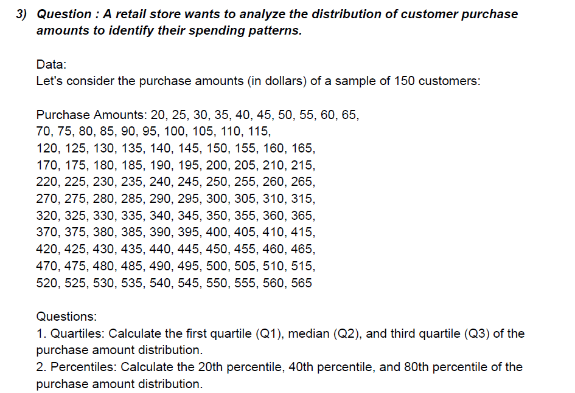
Q-25 | Ans.

 |  | First quartile (Q1) | 156.25
 |  | Median quartile (Q2) | 292.5
 |  | Third quartile (Q3) | 428.75
 |  | 20th Percentile | 129
 |  | 40th Percentile | 238
 |  | 80th Percentile | 456

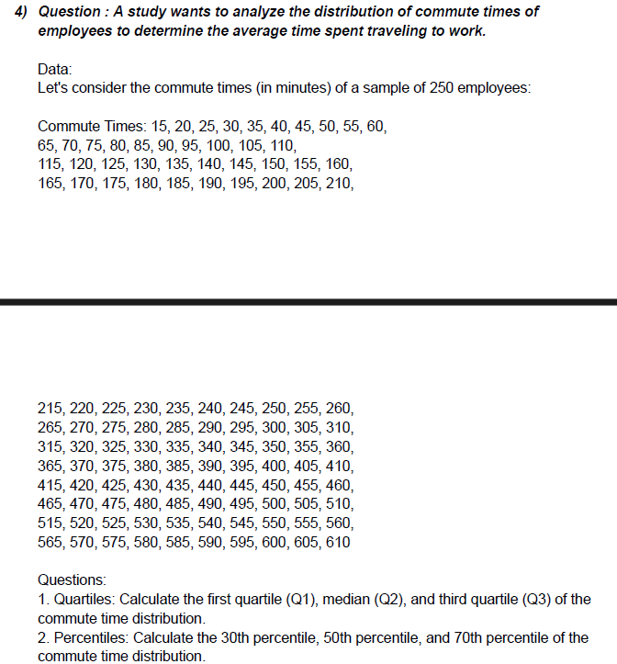
Q-26 | Ans.

 |  | First quartile (Q1) | 163.75
 |  | Median quartile (Q2) | 312.5
 |  | Third quartile (Q3) | 461.25
 |  | 30th Percentile | 193.5
 |  | 50th Percentile | 312.5
 |  | 70th Percentile | 431.5

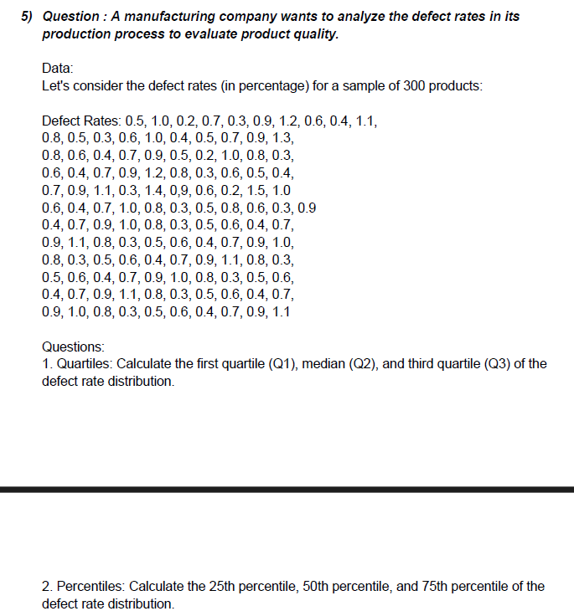
Q-27 | Ans.

 |  | First quartile (Q1) | 0.4
 |  | Median quartile (Q2) | 0.7
 |  | Third quartile (Q3) | 0.9
 |  | 25th Percentile | 0.4
 |  | 50th Percentile | 0.7
 |  | 75th Percentile | 0.9

