01_Financial_Realisation
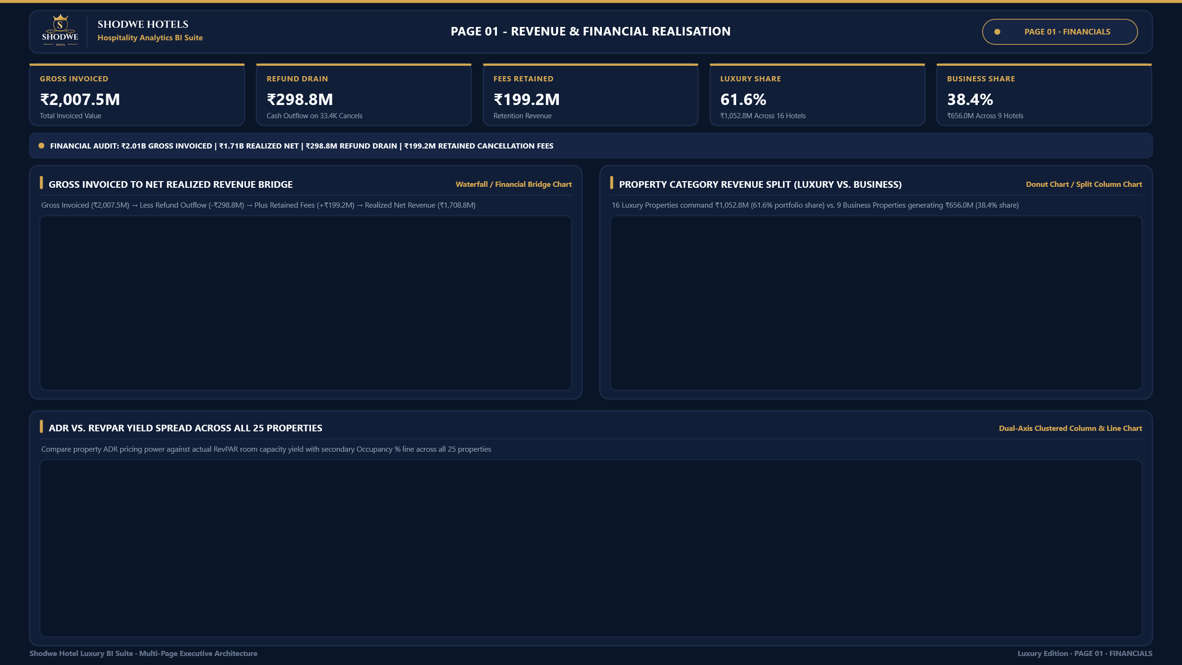

 | Total
Business | ₹ 656,019,297
Luxury | ₹ 1,052,751,932
16
Luxury Properties
₹1,052.8M

9
Business Properties
₹656.0M

 | ADR | RevPAR | Occupancy %
16558 | ₹ 11,437 | ₹ 7,538 | 65.91%
16559 | ₹ 16,142 | ₹ 10,640 | 65.92%
16560 | ₹ 11,705 | ₹ 6,285 | 53.70%
16561 | ₹ 13,113 | ₹ 8,626 | 65.78%
16562 | ₹ 11,709 | ₹ 6,260 | 53.46%
16563 | ₹ 12,472 | ₹ 8,281 | 66.40%
17558 | ₹ 14,839 | ₹ 7,964 | 53.67%
17559 | ₹ 15,304 | ₹ 10,116 | 66.10%
17560 | ₹ 14,634 | ₹ 7,776 | 53.14%
17561 | ₹ 14,262 | ₹ 9,452 | 66.28%
17562 | ₹ 15,162 | ₹ 6,799 | 44.84%
17563 | ₹ 16,019 | ₹ 10,609 | 66.23%
17564 | ₹ 16,606 | ₹ 7,410 | 44.62%
18558 | ₹ 10,334 | ₹ 5,524 | 53.45%
18559 | ₹ 9,103 | ₹ 4,063 | 44.63%
18560 | ₹ 9,191 | ₹ 6,084 | 66.19%
18561 | ₹ 8,678 | ₹ 5,693 | 65.60%
18562 | ₹ 9,444 | ₹ 6,221 | 65.87%
18563 | ₹ 9,484 | ₹ 5,025 | 52.98%
19558 | ₹ 12,467 | ₹ 5,536 | 44.40%
19559 | ₹ 12,757 | ₹ 6,868 | 53.83%
19560 | ₹ 13,694 | ₹ 8,989 | 65.65%
19561 | ₹ 12,720 | ₹ 6,778 | 53.29%
19562 | ₹ 14,185 | ₹ 9,335 | 65.81%
19563 | ₹ 12,672 | ₹ 6,778 | 53.49%

02_Capacity_Pricing
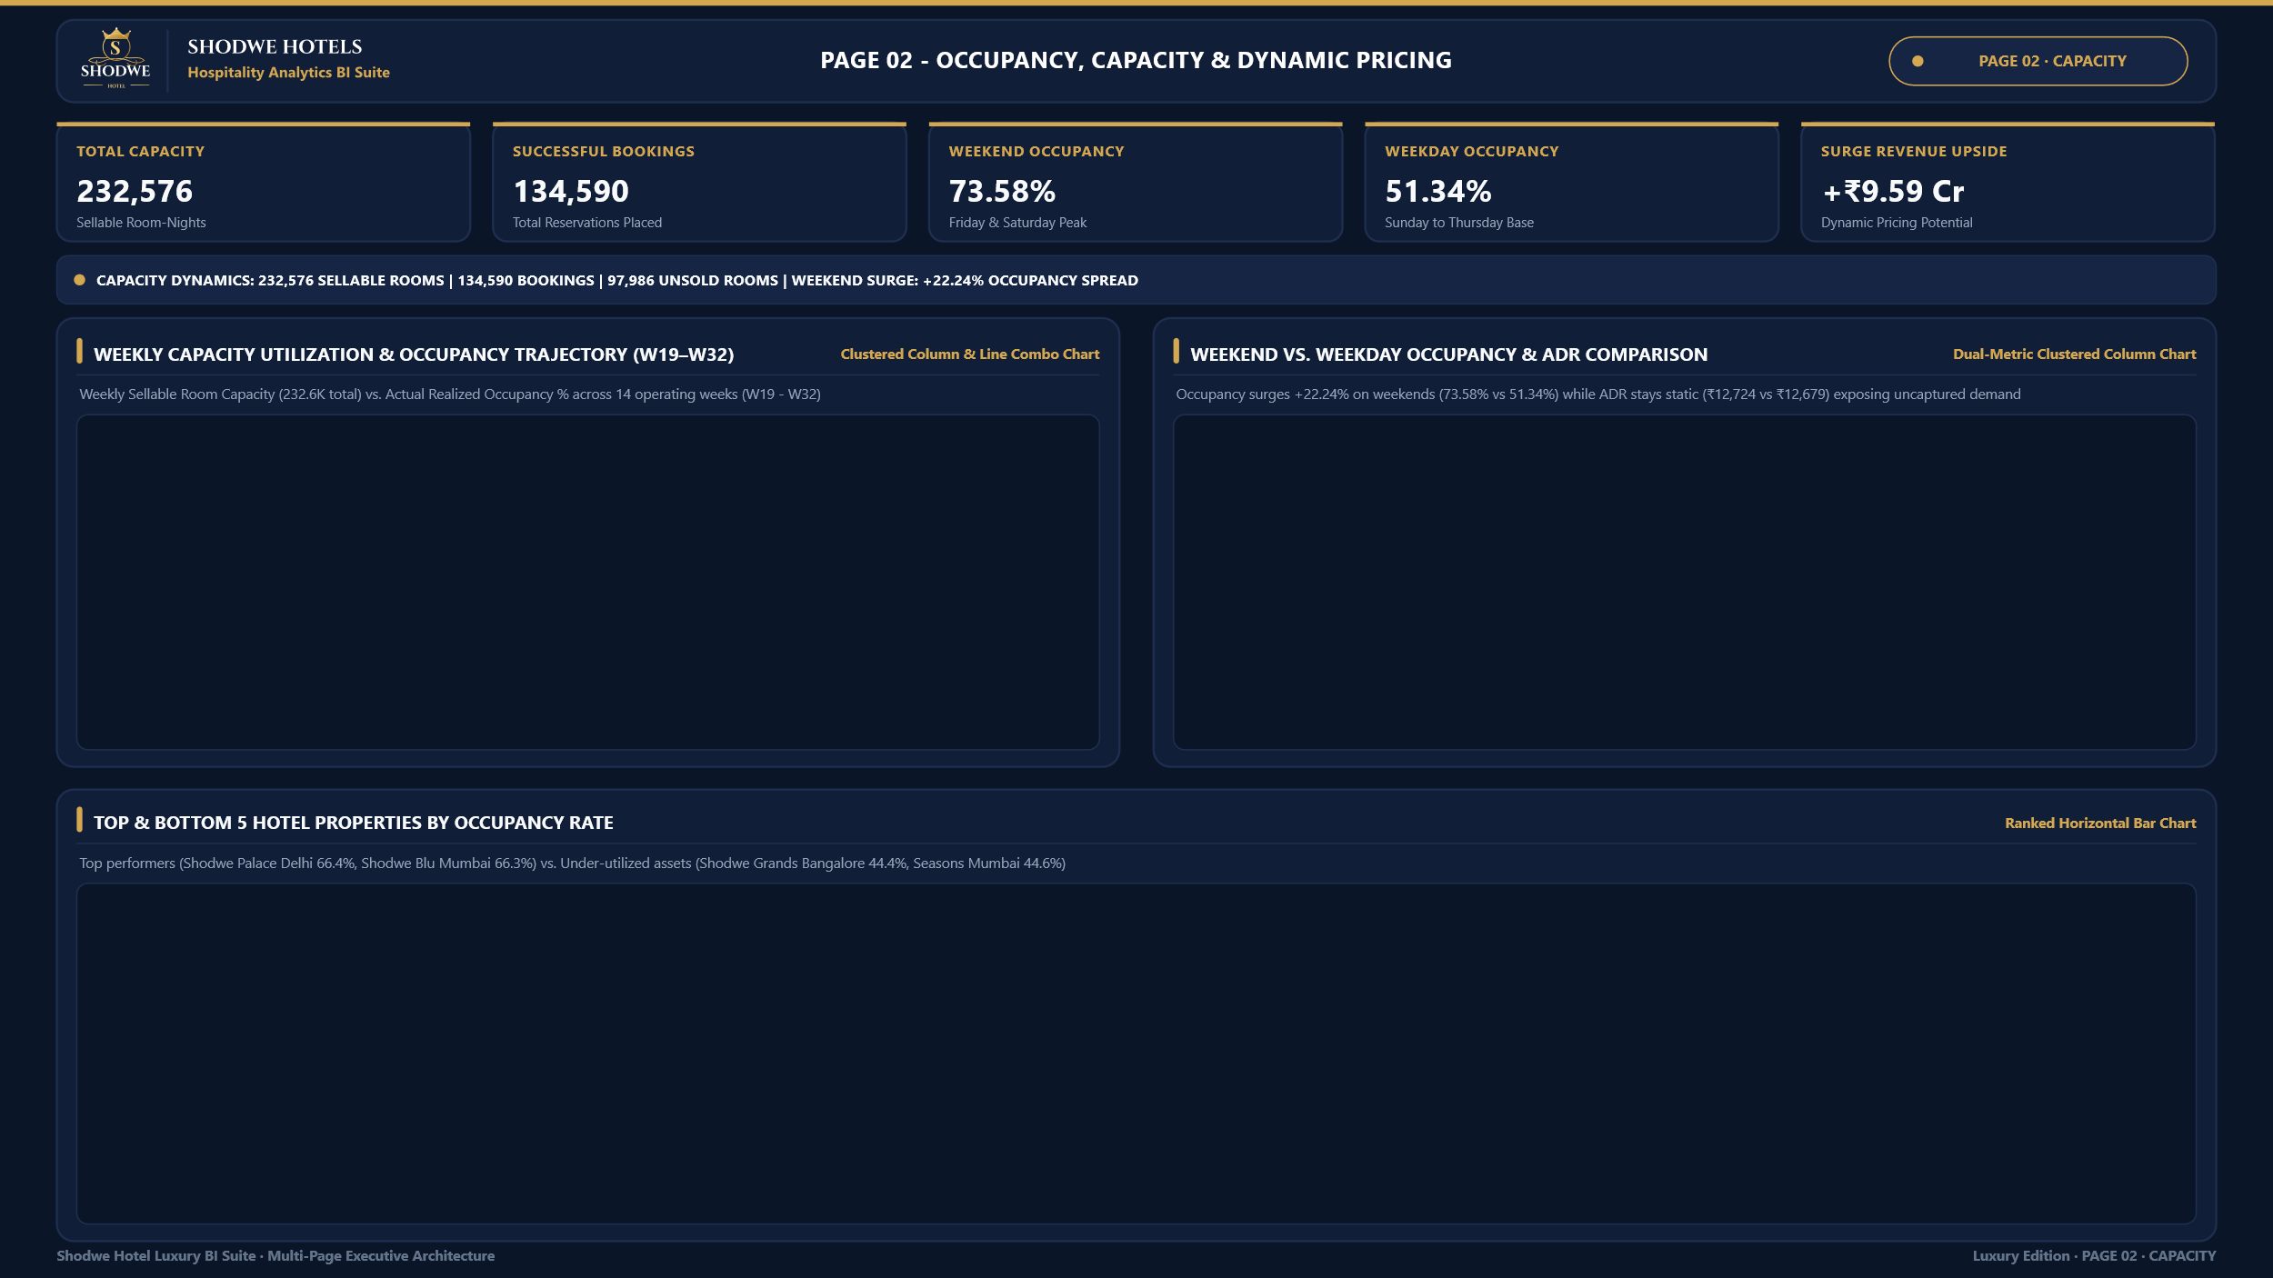

 | Total Capacity | Occupancy %
W 19 | 17,696 | 61.96%
W 20 | 17,696 | 61.92%
W 21 | 17,696 | 51.10%
W 22 | 17,696 | 61.79%
W 23 | 17,696 | 51.36%
W 24 | 17,696 | 62.39%
W 25 | 17,696 | 61.84%
W 26 | 17,696 | 50.96%
W 27 | 17,696 | 61.95%
W 28 | 17,696 | 61.76%
W 29 | 17,696 | 62.26%
W 30 | 17,696 | 50.97%
W 31 | 17,696 | 50.98%
W 32 | 2,528 | 65.31%
 | Occupancy % | ADR (₹)
Weekend (Fri-Sat) | 73.58%
Weekday (Sun-Thu) | 51.34%
Weekend ADR |  | 12724
Weekday ADR |  | 12679

 | Occupancy %
16563 - Shodwe Palace | 66.40%
17561 - Shodwe Blu | 66.28%
17563 - Shodwe Palace | 66.23%
18560 - Shodwe City | 66.19%
17559 - Shodwe Exotica | 66.10%
18563 - Shodwe Palace | 52.98%
17562 - Shodwe Bay | 44.84%
18559 - Shodwe Exotica | 44.63%
17564 - Shodwe Seasons | 44.62%
19558 - Shodwe Grands | 44.40%

03_Channels_Strategy
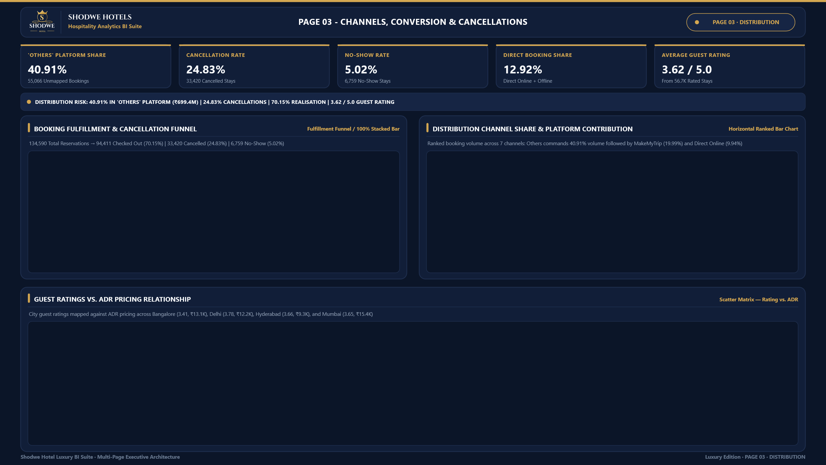

others | 40.91%
makeyourtrip | 19.99%
logtrip | 10.96%
direct online | 9.94%
tripster | 7.16%
journey | 6.02%
direct offline | 5.02%
 | Checked Out | Cancelled | No Show
Total Bookings | 94,411 | 33,420 | 6,759

 | City Performance
₹13,131 | 3.41
₹12,154 | 3.78
₹9,322 | 3.66
₹15,387 | 3.65

Dashboard
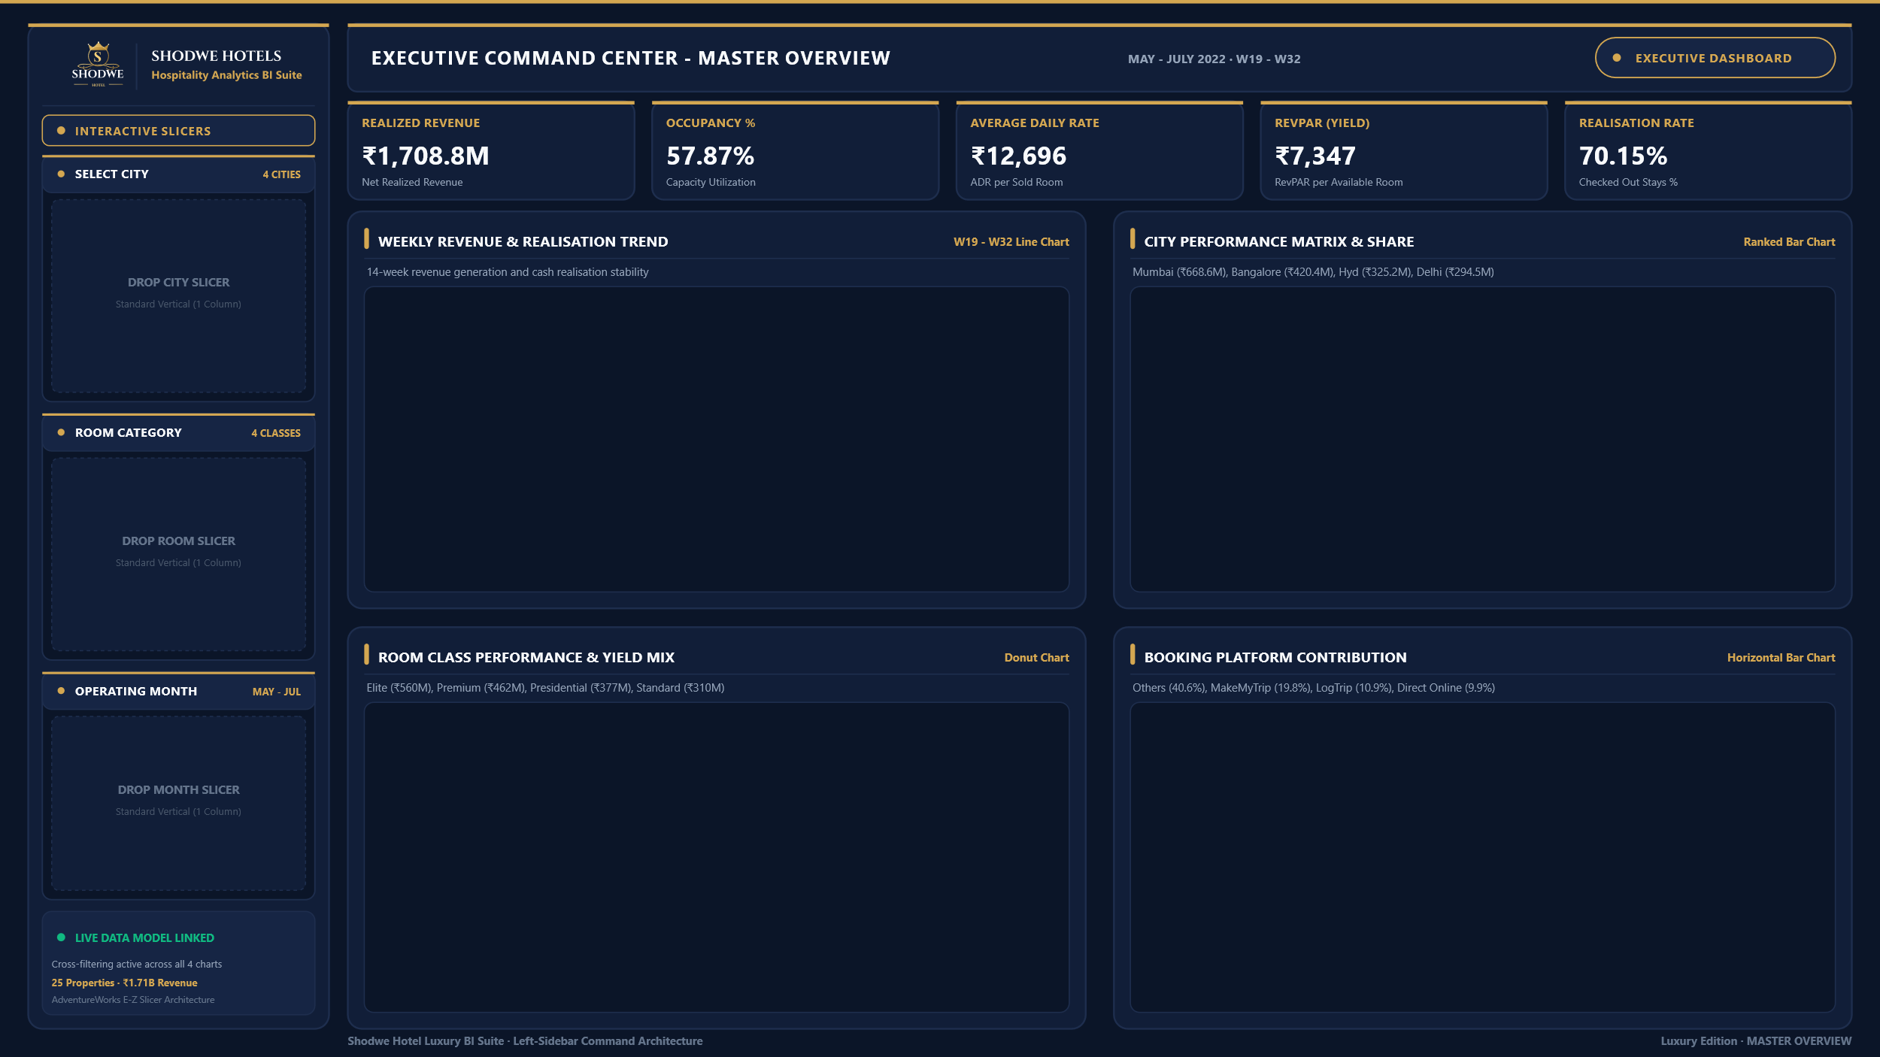

 | Total Revenue Realized | City Revenue Share %
Delhi | ₹ 294,500,318 | 17.23%
Hyderabad | ₹ 325,232,870 | 19.03%
Bangalore | ₹ 420,397,050 | 24.60%
Mumbai | ₹ 668,640,991 | 39.13%
 | Total Revenue Generated | Total Revenue Realized
W 19 | ₹ 163,172,505 | ₹ 138,182,064
W 20 | ₹ 163,281,645 | ₹ 139,435,920
W 21 | ₹ 134,713,445 | ₹ 114,922,175
W 22 | ₹ 163,548,270 | ₹ 138,720,126
W 23 | ₹ 135,292,075 | ₹ 115,568,569
W 24 | ₹ 164,638,555 | ₹ 139,581,703
W 25 | ₹ 163,551,905 | ₹ 138,674,279
W 26 | ₹ 134,528,520 | ₹ 114,152,421
W 27 | ₹ 163,604,250 | ₹ 139,555,632
W 28 | ₹ 163,149,400 | ₹ 139,383,916
W 29 | ₹ 164,451,655 | ₹ 139,730,590
W 30 | ₹ 134,403,455 | ₹ 114,811,148
W 31 | ₹ 134,659,295 | ₹ 115,042,325
W 32 | ₹ 24,551,240 | ₹ 21,010,361

 | Total
direct offline | 6755
journey | 8106
tripster | 9630
direct online | 13379
logtrip | 14756
makeyourtrip | 26898
others | 55066

Total Revenue Realized 1,708.8M
 | Total
Elite | ₹ 560,271,204
Premium | ₹ 462,166,344
Presidential | ₹ 376,752,786
Standard | ₹ 309,580,895

