GODREJVALUATION.NS
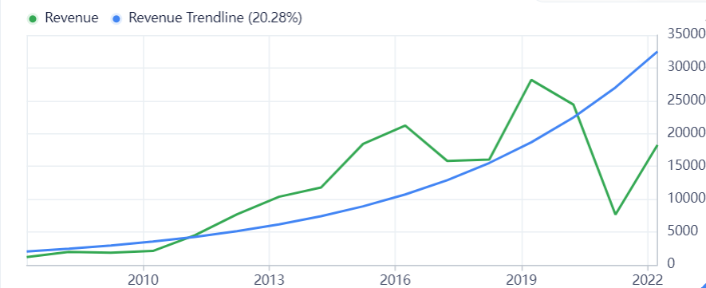
Growth Rates (Per Share) |  |  | Annuals (Year End)
 | Fiscal Period | 10-Year | 5-Year | 1-Year | 2022-03-20 | 2022-03-21 | 2022-03-22
 | Revenue | - | -9.40% | 131.40% | 24,414.20 | 7,649.20 | 18,248.80
 | EPS without NRI | - | - | - | 10.97 | -7.48 | 12.67
 | EBIT | - | - | - | 7,280.20 | 86.2 | 6,061.10
 | EBITDA | -12.30% | -23.10% | 241.30% | 7,485.40 | 281.6 | 6,275.40
 | Free Cash Flow | - | - | - | -2,950.10 | -7,995.30 | -5,980.90
 | Dividends | - | - | -
 | Book Value | 13.50% | 51.70% | 4.80% | 190.77 | 299.33 | 312.08
 | Price (Total Return) | 14.70% | 10.90% | -37.50% | 603.25 | 1,406.75 | 1,672.20

 |  |  |  | Revenue Growth Rate =20.28%
 |  |  |  | EBIT GROWTH RATE=6.07%

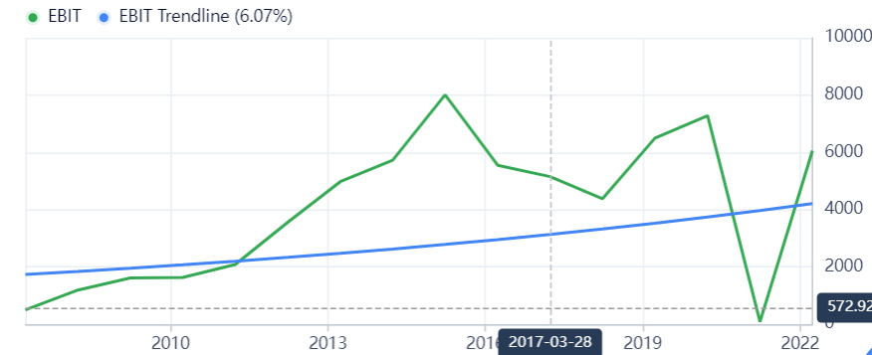
 | TIME | 1 | 2 | 3 | 4 | 5
 | Expected GrowthRate | 6.07% | 6.07% | 6.07% | 6.07% | 6.07%
 | Net Income | 6061.1 | 6429.00877 | 6819.2496023 | 7233.1780532 | 7672.231961
 | Equity Reinvestment Rate | 13.55% | 13.55% | 13.55% | 13.55% | 13.55%
 | FCFE | 5239.578506 | 5557.6209213 | 5894.9685112 | 6252.7930999 | 6632.337641
 | Cost of Equity | 11.34% | 11.34% | 11.34% | 11.34% | 11.34%
 | Cumulative Cost of equity | 1.113352 | 1.2395526759 | 1.3800584508 | 1.5364908363 | 1.7106551456
 | Present Value | 4706.1293338 | 4483.5697823 | 4271.5353888 | 4069.5284033 | 3877.0746155

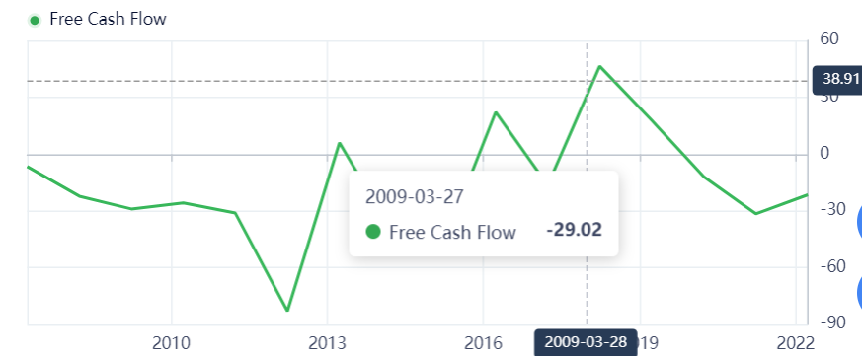
 |  |  | STABLE PHASE
 |  |  | ExpectedGrowth |  | 5%
 |  |  | ROE |  | 7.88%
 |  |  | Reinvestment Rate |  | 63.45%

 |  |  | TERMINAL VALUE
 |  |  | Earning6 | 8055.8435591
 |  |  | FCFE6 | 2944.2676967
 |  |  | Terminal | 102231.51725
 |  |  | PV | 59761.616775

 |  |  | SUM
 |  |  | High Growth |  | 21407.837524
 |  |  | Stable Phase |  | 59761.616775
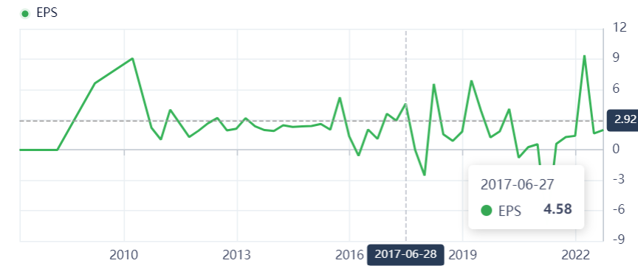
 |  |  | Intrinsic Value |  | 81169.454299
 |  |  | Shares Outstanding |  | 72.15
 |  |  | MARKET PRICE
 |  |  | Price | 1178.9
 |  |  | Value | 1125.0097616

PRESTIGEVALUATION.NS
Growth Rates (Per Share) |  |  | Annuals (Year End)
Fiscal Period | 10-Year | 5-Year | 1-Year | 2022-03-20 | 2022-03-21 | 2022-03-22
Revenue | 16.30% | 6.30% | 4.20% | 80,187 | 71,166 | 62,914
EPS without NRI | 20.90% | 44.20% | -52.10% | 10.63 | 69.4 | 28.69
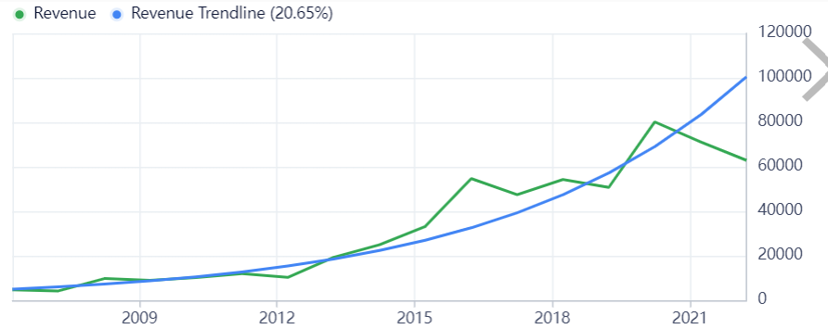
EBIT | 12.60% | 6.60% | -8.80% | 18,053 | 43,494 | 20,236
EBITDA | 20.70% | 27.30% | -37.60% | 24,720 | 49,420 | 24,946
Free Cash Flow | - | - | - | 6,812 | 10,900 | -1,305
Dividends | - | - | - | 3 |  | 1.5
Book Value | 11.20% | 14.80% | 39.00% | 133.72 | 199.61 | 226.88
Price (Total Return) | 9.90% | 8.30% | -6.20% | 168.2 | 305.6 | 493.8

 |  |  |  | Revenue Growth Rate =20.28% |  | 20.65%
 |  |  |  | EBIT GROWTH RATE=6.07% |  | 12.91%

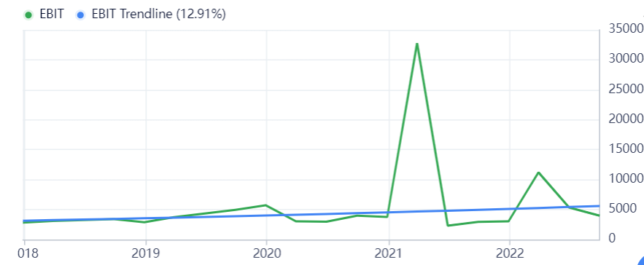
 | TIME | 1 | 2 | 3 | 4 | 5
 | Expected GrowthRate | 12.96% | 12.96% | 12.96% | 12.96% | 12.96%
 | Net Income | 20236 | 22858.5856 | 25821.058294 | 29167.467449 | 32947.57123
 | Equity Reinvestment Rate | 12.65% | 12.65% | 12.65% | 12.65% | 12.65%
 | FCFE | 17676.146 | 19966.974522 | 22554.69442 | 25477.782816 | 28779.703469
 | Cost of Equity | 10.96% | 10.96% | 10.96% | 10.96% | 10.96%
 | Cumulative Cost of equity | 1.109587 | 1.2311833106 | 1.366104996 | 1.5158123442 | 1.6819256716
 | Present Value | 15930.383107 | 16217.710515 | 16510.220287 | 16808.005894 | 17111.162494

 |  |  | STABLE PHASE
 |  |  | ExpectedGrowth |  | 0.05
 |  |  | ROE |  | 8.88%
 |  |  | Reinvestment Rate |  | 0.56306306306

 |  |  | TERMINAL VALUE
 |  |  | Earning6 | 34594.949791
 |  |  | FCFE6 | 15115.811395
 |  |  | Terminal | 389582.76792
 |  |  | PV | 231629.00389

 |  |  | SUM
 |  |  | High Growth |  | 82577.482297
 |  |  | Stable Phase |  | 231629.00389
 |  |  | Intrinsic Value |  | 314206.48618
 |  |  | Shares Outstanding |  | 654.59
 |  |  | MARKET PRICE
 |  |  | Price | 442
 |  |  | Value | 480.00502022

BRIGADEVALUATION.NS
Growth Rates (Per Share) |  |  | Annuals (Year End)
Fiscal Period | 10-Year | 5-Year | 1-Year | 2022-03-20 | 2022-03-21 | 2022-03-22
Revenue | 12.10% | 0.90% | 33.60% | 26,321.60 | 19,320.90 | 29,438.40
EPS without NRI | - | - | - | 6.34 | -2.24 | 3.66
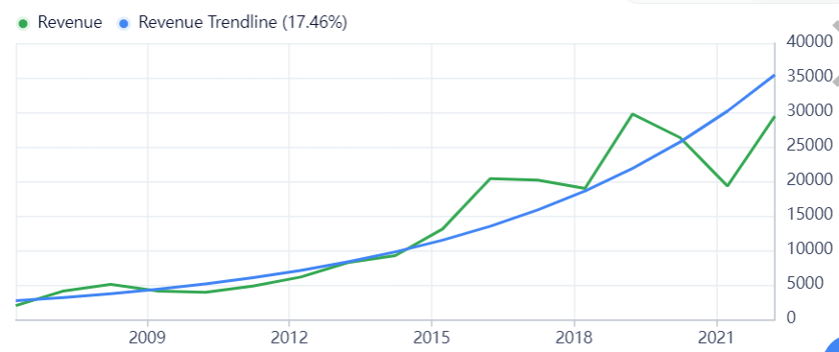
EBIT | 11.50% | -12.20% | 83.10% | 4,793.20 | 2,125.30 | 4,155.10
EBITDA | 10.40% | -3.60% | 60.60% | 6,713.60 | 4,494.60 | 7,660.50
Free Cash Flow | - | - | 207.20% | -2,765.60 | 3,075.20 | 8,236.10
Dividends | - | - | 25.00% | 2.333 |  | 1.2
Book Value | 6.10% | 3.60% | 9.80% | 111.61 | 111.31 | 126.37
Price (Total Return) | 21.70% | 17.50% | -4.60% | 130.15 | 277.85 | 516.85

 |  |  | EBITGrowth |  | 13.97%
 |  |  | Reinvestment Rate |  | 17.82%

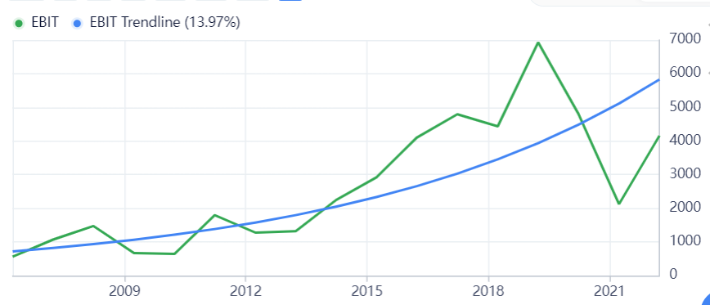
 |  | TIME | 1 | 2 | 3 | 4 | 5
 |  | Expected GrowthRate | 13.97% | 13.97% | 13.97% | 13.97% | 13.97%
 |  | Net Income | 4155.1 | 4735.56747 | 5397.1262456 | 6151.1047821 | 7010.4141201
 |  | Equity Reinvestment Rate | 17.82% | 17.82% | 17.82% | 17.82% | 17.82%
 |  | FCFE | 3414.619629 | 3891.6419912 | 4435.3043773 | 5054.9163989 | 5761.0882198
 |  | Cost of Equity | 0.109587 | 0.109587 | 0.109587 | 0.109587 | 0.109587
 |  | Cumulative Cost of equity | 1.109587 | 1.2311833106 | 1.366104996 | 1.5158123442 | 1.6819256716
 |  | Present Value | 3077.3789067 | 3160.8956666 | 3246.6789817 | 3334.7903638 | 3425.2929943

 |  |  |  | STABLE PHASE
 |  |  |  | ExpectedGrowth |  | 0.05
 |  |  |  | ROE |  | 6.80%
 |  |  |  | Reinvestment Rate |  | 0.73529411765

 |  |  |  | TERMINAL VALUE
 |  |  |  | Earning6 | 7360.9348261
 |  |  |  | FCFE6 | 1948.4827481
 |  |  |  | Terminal | 108249.04156
 |  |  |  | PV | 64360.18154

 |  |  |  | SUM
 |  |  |  | High Growth |  | 16245.036913
 |  |  |  | Stable Phase |  | 64360.18154
 |  |  |  | Intrinsic Value |  | 80605.218453
 |  |  |  | Share Outsanding |  | 167.92
 |  |  |  | MARKET PRICE
 |  |  |  | Price | 469
 |  |  |  | IV | 480.02154867

