Postman_Api_Test_case
 |  |  | Method

Operation | Test Step |  |  | Test Data | Expected Result
1. Create: |  | https://jsonplaceholder.typicode.com/posts
 | A | Test case: Verify successful creation of a new record. | POST |  | New record with "id": 101 added
 | i | Send a POST request to the endpoint with valid data. |  | { "userId": 11, "title": "test nam consequatur ea labore ea harum", "body": "cupiditate quo est a modi nesciunt soluta\nipsa voluptas error itaque dicta in\nautem qui minus magnam et distinctio eum\naccusamus ratione error aut" }
 | ii | Assert that the response status code is 201 (Created).
 | iii | Verify that the response body contains the newly created record's ID or other relevant information.

2. Read: |  | https://api.openbrewerydb.org/v1/breweries?

 | A | Test case: Verify successful retrieval of a specific record.
 | i | Send a GET request to the endpoint, filter by state. | GET | https://api.openbrewerydb.org/v1/breweries?by_state=Arizona | Records with Arizona state only should be visible
 | ii | Assert that the response status code is 200 (OK). |  |  | 200 OK
 | iii | Verify that the response body contains the expected record data. |  |  | PASS

3. Update: |  | https://jsonplaceholder.typicode.com/posts/101 | PUT
 | A | Test case: Verify successful update of a specific record. |  | { "userId": 11, "id": 101, "title": "test mani", "body": "cupiditate quo est a modi nesciunt soluta\nipsa voluptas error itaque dicta in\nautem qui minus magnam et distinctio eum\naccusamus ratione error aut" }
 | i | Send a PUT or PATCH request to the endpoint with a valid record ID and updated data.
 | ii | Assert that the response status code is 200 (OK) or 204 (No Content). |  | 500 Internal server Error
 | iii | Verify that the response body, if present, contains the updated record data.

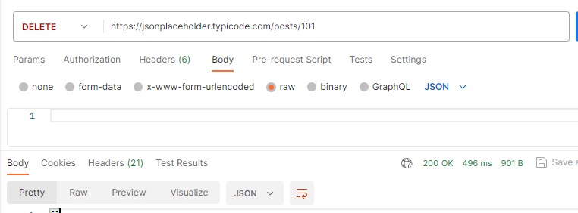
 | B | Test case: Verify validation for updating non-existent records.
 | i | Send a PUT or PATCH request to the endpoint with a non-existent record ID.
 | ii | Assert that the response status code is 404 (Not Found).
 | iii | Verify that the response body contains an appropriate error message indicating the record does not exist.

4.Delete: |  | https://jsonplaceholder.typicode.com/posts/101
 | A | Test case: Verify successful deletion of a specific record.
 | i | Send a DELETE request to the endpoint with a valid record ID.
 | ii | Assert that the response status code is 204 (No Content) or 200 (OK).
 | iii | Verify that the record is no longer retrievable by sending a GET request with the same record ID.

 | B | Test case: Verify deletion of non-existent records.
 | i | Send a DELETE request to the endpoint with a non-existent record ID.
 | ii | Assert that the response status code is 404 (Not Found).
 | iii | Verify that the response body contains an appropriate error message indicating the record does not exist.

