MAIN-RELAXED DENIM HOODIE (2)
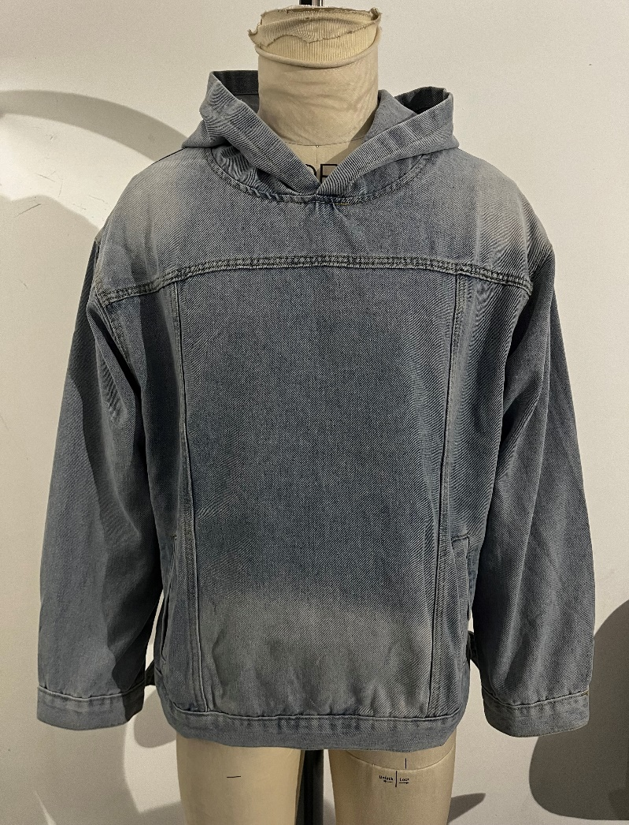
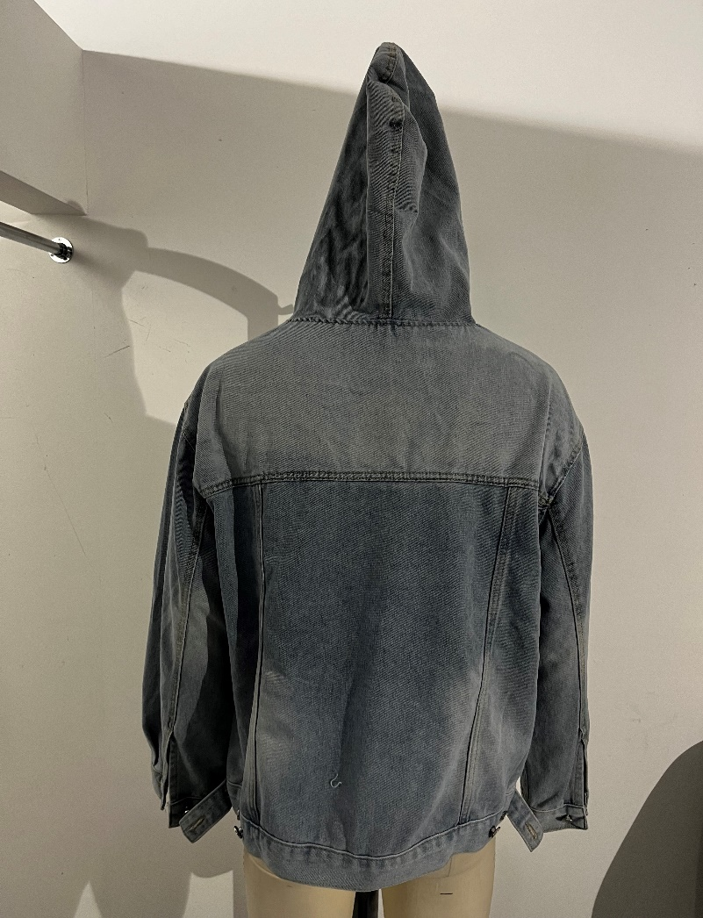
Grade Rule | Tolerance +/- | RELAXED DENIM HOODIE
 |  | XXS | XS | S | M | L | XL | XXL | 3XL | 4XL | 5XL
FRONT LENGTH FROM SNP | 1 | 68.4 | 69.6 | 70.8 | 72 | 73.5 | 75 | 77 | 79 | 81.5 | 84
BACK LENGTH FROM SNP | 1 | 68.4 | 69.6 | 70.8 | 72 | 73.5 | 75 | 77 | 79 | 81.5 | 84
CHEST @ 2.5CM BELOW ARMHOLE | 1 | 56 | 58.5 | 61 | 63.5 | 66.5 | 69.5 | 73.5 | 77.5 | 81.5 | 85.5
WAIST @ 20CM BELOW ARMHOLE | 1 | 54.5 | 57 | 59.5 | 62 | 65 | 68 | 72 | 76 | 80 | 84
HEM WIDTH | 1 | 49.5 | 52 | 54.5 | 57 | 60 | 63 | 67 | 71 | 75 | 79
ACROSS FRONT - 15CM FROM SNP | 1 | 47.8 | 49.2 | 50.6 | 52 | 53.6 | 55.2 | 57 | 58.8 | 60.8 | 62.8
ACROSS BACK - 15CM FROM SNP | 1 | 49.3 | 50.7 | 52.1 | 53.5 | 55.1 | 56.7 | 58.5 | 60.3 | 62.3 | 64.3
SHOULDER | 0.5 | 15.8 | 16.2 | 16.6 | 17 | 17.4 | 17.8 | 18.4 | 19 | 19.8 | 20.6
ARMHOLE PT TO PT | 1 | 26 | 27 | 28 | 29 | 30 | 31 | 32 | 33 | 34 | 35
SLEEVE LENGTH | 1 | 60 | 61 | 62 | 63 | 64 | 65 | 66 | 67 | 68 | 69
BICEP @ 2.5CM BELOW U/ARM | 1 | 21 | 22 | 23 | 24 | 25.2 | 26.4 | 27.8 | 29.2 | 30.8 | 32.4
ELBOW @ 22CM BELOW U/ARM | 0.5 | 18.4 | 19.1 | 19.8 | 20.5 | 21.3 | 22.1 | 23.1 | 24.1 | 25.3 | 26.5
CUFF WIDTH | 0.5 | 13 | 13.5 | 14 | 14.5 | 15 | 15.5 | 16 | 16.5 | 17 | 17.5
BACK NECK WIDTH - SEAM TO SEAM | 0.5 | 22.5 | 23 | 23.5 | 24 | 24.5 | 25 | 25.5 | 26 | 26.5 | 27
BACK NECK DROP - FIL TO SEAM | 0 | 3 | 3 | 3 | 3 | 3 | 3 | 3 | 3 | 3 | 3
FRONT NECK DROP - FIL TO SEAM | 0.5 | 8.3 | 8.7 | 9.1 | 9.5 | 9.9 | 10.3 | 10.7 | 11.1 | 11.5 | 11.9
NECK CIRCUMFERENCE | 1 | 62.5 | 65 | 67.5 | 70 | 72.5 | 75 | 77.5 | 80 | 82.5 | 85
CUFF DEPTH | 0.5 | 4.5 | 4.5 | 4.5 | 4.5 | 4.5 | 4.5 | 4.5 | 4.5 | 4.5 | 4.5
CUFF VENT DEPTH | 0.5 | 14 | 15 | 15 | 16 | 16 | 16 | 16 | 17 | 17 | 17
HEM DEPTH | 0.5 | 4.5 | 4.5 | 4.5 | 4.5 | 4.5 | 4.5 | 4.5 | 4.5 | 4.5 | 4.5
POSITION FROM HEM | 1 | 6 | 7 | 8 | 9 | 10 | 11 | 12 | 13 | 14 | 15
LOWER POCKET WIDTH | 0.5 | 2.5 | 2.5 | 3 | 3.5 | 4.5 | 4.5 | 5 | 5 | 5.5 | 5.5
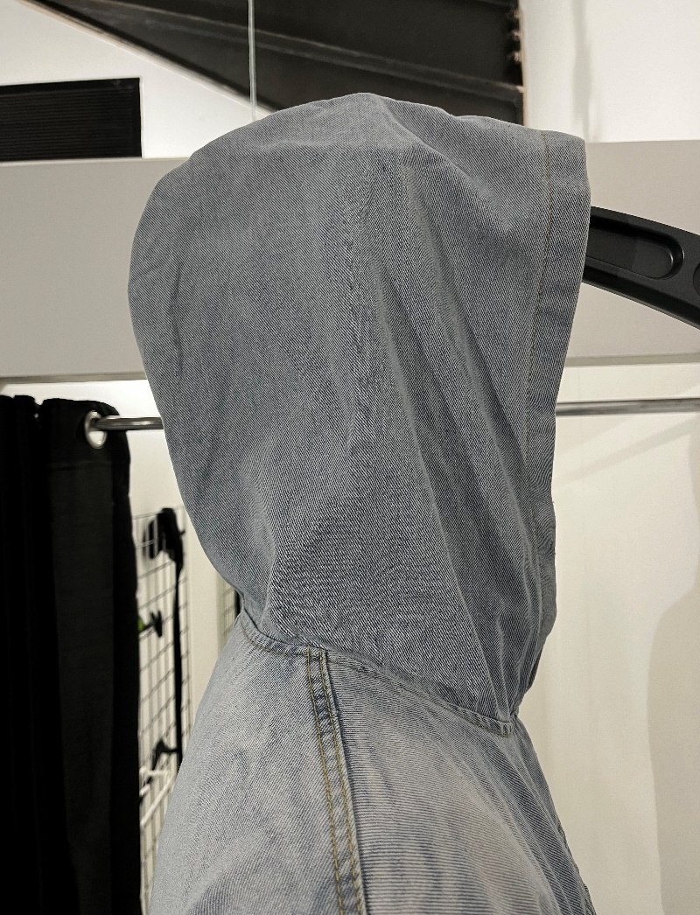
LOWER POCKET LENGTH | 0.5 | 14.5 | 15 | 15.5 | 16 | 16.5 | 17 | 17.5 | 18 | 18.5 | 19
HOOD OPENING @ CF | 1 | 36.2 | 36.8 | 37.4 | 38 | 38.6 | 39.2 | 39.8 | 40.4 | 41 | 41.6
HOOD WIDTH 15CM DOWN CF | 1 | 25.6 | 26.4 | 27.2 | 28 | 28.8 | 29.6 | 30.4 | 31.2 | 32 | 32.8
HOOD OVERHEAD | 1 | 49 | 50 | 51 | 52 | 53 | 54 | 55 | 56 | 57 | 58

