17.05.23
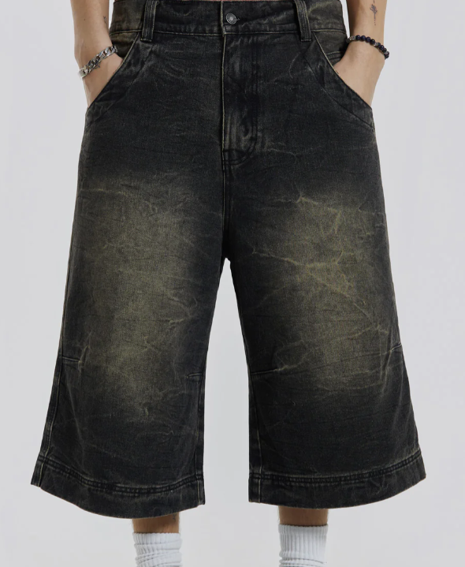
RIGID LONGLINE JORT (J)
MEASUREMENTS | TOL. | 26 | 28 | 30 | 32 | 34 | 36 | 38 | 40 | 42 | 44 | 46
WAIST ALONG TOP EDGE | 1 | 35 | 37.5 | 40 | 42.5 | 45 | 47.5 | 50 | 52.5 | 55 | 57.5 | 60
TOP HIP 10CM DOWN FROM TOP OF WAISTBAND | 1 | 45 | 47.5 | 50 | 52.5 | 55 | 57.5 | 60 | 62.5 | 65 | 67.5 | 70
LOW HIP 20CM DOWN FROM TOP OF WAISTBAND | 1 | 48.5 | 51 | 53.5 | 56 | 58.5 | 61 | 63.5 | 66 | 68.5 | 71 | 73.5
FRONT RISE INCL WAISTBAND | 1 | 29 | 30 | 31 | 32 | 33 | 34 | 35.5 | 37 | 38.5 | 40 | 41.5
BACK RISE INCL WAISTBAND | 1 | 37 | 38 | 39 | 40 | 41 | 42.2 | 44 | 45.8 | 47.6 | 49.4 | 51.2
INSIDE LEG | 1 | 39.5 | 39.5 | 39.5 | 39.5 | 39.5 | 39.5 | 39.5 | 39.5 | 39.5 | 39.5 | 39.5
THIGH @ 2.5CM DOWN | 1 | 34.4 | 35.6 | 36.8 | 38 | 39.5 | 41 | 42.5 | 44 | 45.5 | 47 | 48.5
LEG OPENING | 1 | 31.5 | 32.5 | 33.5 | 34.5 | 35.5 | 36.5 | 37.5 | 38.5 | 39.5 | 40.5 | 41.5
HEM DEPTH | 0.5 | 2 | 2 | 2 | 2 | 2 | 2 | 2 | 2 | 2 | 2 | 2
WAISTBAND DEPTH | 0.5 | 5 | 5 | 5 | 5 | 5 | 5 | 5 | 5 | 5 | 5 | 5
FLY LENGTH | 0.5 | 17.5 | 17.5 | 18 | 18 | 18.5 | 18.5 | 19 | 19 | 20 | 20 | 20
FLY WIDTH | 0.5 | 4 | 4 | 4 | 4 | 4 | 4 | 4 | 4 | 4 | 4 | 4
POCKET OPENING ALONG WAISTBAND | 0.5 | 11.5 | 11.5 | 12 | 10 | 10.5 | 10.5 | 11 | 11 | 11.5 | 11.5 | 11.5
POCKET DEPTH DOWN SIDE SEAM | 0.5 | 6 | 6 | 6.5 | 6.5 | 7 | 7 | 7.5 | 7.5 | 8 | 8 | 8
ZIP LENGTH | 0.5 | 16 | 16.5 | 17 | 17 | 17.5 | 17.5 | 18 | 18 | 18.5 | 19 | 19.5
BELT LOOP WIDTH | 0 | 1.5 | 1.5 | 1.5 | 1.5 | 1.5 | 1.5 | 1.5 | 1.5 | 1.5 | 1.5 | 1.5
BELT LOOP LENGTH | 0 | 7 | 7 | 7 | 7 | 7
YOKE DEPTH @ CB | 0.5 | 7.5 | 7.5 | 8 | 8 | 8 | 8.5 | 8.5 | 9 | 9 | 9.5 | 9.5
YOKE DEPTH @ SIDESEAM | 0.5 | 4.5 | 4.5 | 5 | 5 | 5 | 5.5 | 5.5 | 6 | 6 | 6.5 | 6.5
BACK POCKET WIDTH | 0.5 | 15.5 | 16 | 16.5 | 17 | 17.5 | 18 | 18.5 | 19 | 19.5 | 20 | 20.5
BACK POCKET DEPTH | 0.5 | 16 | 16.5 | 17 | 17.5 | 18 | 18.5 | 19 | 19.5 | 20 | 20.5 | 21
BACK POCKET POSITION FROM YOKE SEAM | 0.5 | 4.5 | 4.5 | 4.5 | 4.5 | 4.5 | 4.5 | 4.5 | 4.5 | 4.5 | 4.5 | 4.5
BACK POCKET POSITION FROM BACK RISE SEAM | 0.5 | 4.5 | 4.5 | 5 | 5 | 5.5 | 5.5 | 6 | 6 | 6.5 | 6.5 | 7
LEG DART POSITION UP FROM HEM | 0.5 | 18 | 18 | 19 | 19 | 19 | 20 | 20 | 21 | 21 | 22 | 22

ENSURE LEG DART IS ADDED FOR DEVELOPMENT AND PRODUCTION
RISE'S / WAIST - UPDATED 03 04 24

