FIXED WAIST
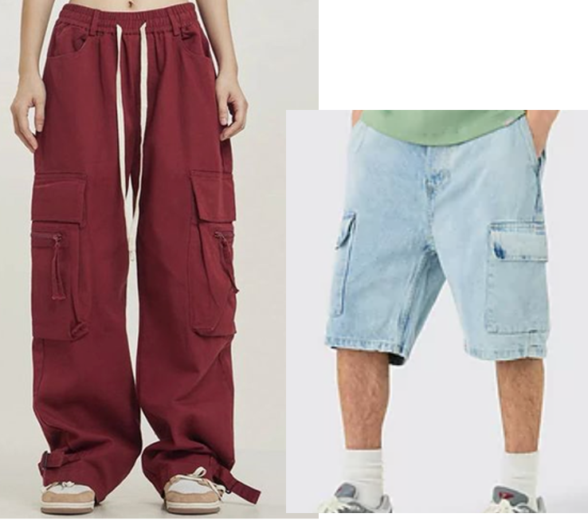
RIGID BAGGY SHORT - FIXED WAIST
MEASUREMENTS | TOL. | 26 | 28 | 30 | 32 | 34 | 36 | 38 | 40 | 42 | 44 | 46
WAIST ALONG TOP EDGE | 1 | 35 | 37.5 | 40 | 42.5 | 45 | 47.5 | 50 | 52.5 | 55 | 57.5 | 60
WAIST EXTENDED | 1 | 46.5 | 49 | 51.5 | 54 | 56.5 | 59 | 61.5 | 64 | 66.5 | 69 | 71.5
LOW HIP 20CM DOWN FROM TOP OF WAISTBAND | 1 | 48 | 50.5 | 53 | 55.5 | 58 | 60.5 | 63 | 65.5 | 68 | 70.5 | 73
FRONT RISE INCL WAISTBAND | 1 | 29 | 30 | 31 | 32 | 33 | 34 | 35.5 | 37 | 38.5 | 40 | 41.5
BACK RISE INCL WAISTBAND | 1 | 37 | 38 | 39 | 40 | 41.2 | 42.4 | 44.2 | 46 | 47.8 | 49.6 | 51.4
THIGH @ 2.5CM DOWN | 1 | 34.4 | 35.6 | 36.8 | 38 | 39.5 | 41 | 42.5 | 44 | 45.5 | 47 | 48.5
LEG OPENING | 0.5 | 31.6 | 32.4 | 33.2 | 34 | 35.2 | 36.4 | 37.6 | 38.8 | 40 | 41.2 | 42.4
HEM DEPTH | 0.5 | 1.5 | 1.5 | 1.5 | 1.5 | 1.5 | 1.5 | 1.5 | 1.5 | 1.5 | 1.5 | 1.5
INSIDE LEG | 1 | 31 | 31 | 31 | 31 | 31 | 31 | 31 | 31 | 31 | 31 | 31
WAISTBAND DEPTH | 0.5 | 4.5 | 4.5 | 4.5 | 4.5 | 4.5 | 4.5 | 4.5 | 4.5 | 4.5 | 4.5 | 4.5
FLY LENGTH | 0.5 | 16 | 16 | 16.5 | 16.5 | 17 | 17 | 17.5 | 17.5 | 18.5 | 18.5 | 18.5
FLY WIDTH | 0.5 | 4 | 4 | 4 | 4 | 4 | 4 | 4 | 4.5 | 4.5 | 4.5 | 4.5
ZIP LENGTH | 0.5 | 15 | 15 | 15.5 | 15.5 | 16 | 16 | 16.5 | 16.5 | 17.5 | 17.5 | 17.5
BELT LOOP WIDTH | 0 | 1.2 | 1.2 | 1.2 | 1.2 | 1.2 | 1.2 | 1.2 | 1.2 | 1.2 | 1.2 | 1.2
BELT LOOP LENGTH | 0 | 6 | 6 | 6 | 6 | 6 | 6 | 6 | 6 | 6 | 6 | 6
YOKE DEPTH @ CB | 0.5 | 6.5 | 6.5 | 7 | 7 | 7.5 | 7.5 | 8 | 8 | 8.5 | 8.5 | 8.5
YOKE DEPTH @ SIDESEAM | 0.5 | 2 | 2 | 2.5 | 2.5 | 3 | 3 | 3.5 | 3.5 | 4 | 4 | 4
POCKET OPENING ALONG WAISTBAND | 0.5 | 11.5 | 11.5 | 11.5 | 12 | 12 | 12.5 | 12.5 | 13 | 13 | 13.5 | 13.5
POCKET DEPTH DOWN SIDE SEAM | 0.5 | 6 | 6 | 6 | 6.5 | 6.5 | 7 | 7 | 7.5 | 7.5 | 8 | 8
BACK POCKET WIDTH | 0.5 | 14.5 | 14.5 | 15 | 15.5 | 16 | 16.5 | 17 | 17.5 | 18 | 18.5 | 19
BACK POCKET DEPTH | 0.5 | 15 | 15 | 15.5 | 16 | 16.5 | 17 | 17.5 | 18 | 18.5 | 19 | 19.5
BACK POCKET POSITION FROM YOKE SEAM | 0.5 | 3.5 | 3.5 | 3.5 | 3.5 | 3.5 | 3.5 | 3.5 | 3.5 | 3.5 | 3.5 | 3.5
BACK POCKET POSITION FROM BACK RISE SEAM | 0.5 | 3 | 3 | 3.5 | 4 | 4.5 | 5 | 5.5 | 6 | 6.5 | 7 | 7.5

OUTSIDE LEG 57

