UpdateProductImage
Product Code | Product Description | Category Code | Catalogue Image | Specification | Virtual Barcode | Remarks
1836 | L SHAPED DESK WITH UNIT 3 DRAWERS | EXDESK | 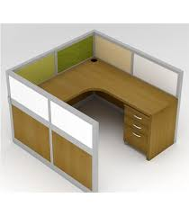
978 | Large square metal table w/wood top | EXTABLES | 