Process
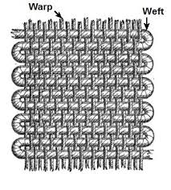
 |  |  | Woven Process
Designing
 | Sample either by pdf thro mail or Original label will be given by customer
 | Designer will decide the quality as per the sample and start designing by giving a design no alloted to that design
 | Weaving by Warp & Weft .In general Warp fixed either by White or Black
 | Weft various color yarns upto 12 colors in a label
 | After designing he gets the total picks consumed for the label .
 | Here Pick/cm varies from 22 to 30 decides the heavines and Quality of label |  |  |  |  | More picks Less production
 | He decides the width of label as per design and in one meter loom it decides how many repeates will come out at a time
 | Also he decides what color weft to put in which needle .
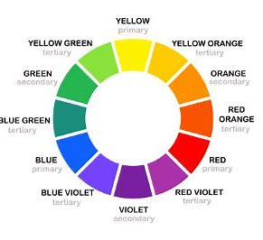
 | So design no /color needle/total pick /Total repeats will get it for a labels after desiging
 | This will be entered in a sample card .Design will be transferred to sample section by USB in machine format

Sample
 | As per the design card ,operator will put the weft yarn accoring to the needles decided by the designer
 | While weaving he adjusts the slitter for the selveddges point and he gets the exact width of label .
 | He tries to match the exact weft color ,if not he will take 2 to 3 options with nearest colors available in stock

Sample Card

 | Sample card will be prepared with the options taken out to |  |  | like A ,B C | will be send for approval to the particular customer

Purchase | Purchase order will be released with confirmation of cost and delivery date either by Mail or person along with the APPROVED OPTION either A or B or C
order

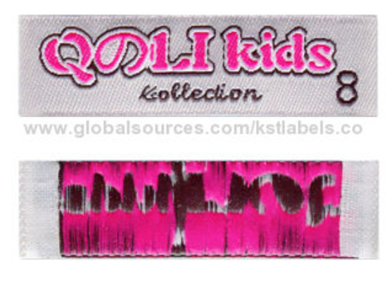
Production card | Based on PO, job card ( Production card ) will be prepared in the designated card with all design details lkie PICKS,REPEATS,COLORS to Weave and Qty with size breakups

From Production to Finishing to QC to Packing to DC to Invoice to Delivery goes step by step

 |  | First Start Woven Master

Printed
Printer | Name | Mobile No | Address | Qualification |  | Blood Group |  | Left on |  | OPTION TO new ADD & EDIT
Designer | Name | Mobile No | Address | Qualification |  | Blood Group |  | Left on |  | OPTION TO new ADD & EDIT
Finisher | Name | Mobile No | Address | Qualification |  | Blood Group |  | Left on |  | OPTION TO new ADD & EDIT

1. Ink Master |  |  |  | 2. Material Master |  | 3. Size Master mm |  | 4. Fold Master |  |  |  | 5 .Machine master |  |  |  |  | 6.Cut fold Machine master
COLOR | Shade No | Make |  | Material Quality |  | 12.5 |  | Roll Form |  |  |  | Name | Colors | Operator designated |  |  | Name | Fold | Operator designated
RED | 965 | Elite |  | Satin Single Side |  | 18.75 |  | Cut seal |  |  |  | Gold fai Flexo | 4 color | Mani |  |  | CK 1 | Loop fold | Karuppusamy
GREEN | 256 | Elite |  | Satin Double Side |  | 20 |  | Loop fold |  |  |  | Goldfai Flexo | 6 color | Andes |  |  | CK 2 | Loop fold | Kailash
BLUE | 124 | Perfectos |  | Woven Edge | Single | 25.4 |  | End fold |  |  |  | Flower Flexo | 3 color | Kanna |  |  | Gold fai | Cut seal | Mani
WHITE | 875 | Ink changer |  | Woven Edge | Double | 31.25 |  | Mitre Fold |  |  |  | CK Flexo | 2 color | Rasaiah |  |  | Flower cut seal 1 | Ccut seal | Prasanth
BLACK | 665 | Perfectos |  | Tafetta |  | 38.5 |  | Book fold |  |  |  | Focus Flexo | 8 color | Bolonath |  |  | Flower Cut seal 2 | Cut loop fold | Rajesh
ORANGE | 222 | Ink changer |  | Cotton Grey |  | 45.5 |  | Tag fold |  |  |  | Norman | 3 color | Kailash
 |  |  |  | Cotton White |  | 50 |  | Ultrasonic Cut |  |  |  |  |  |  |  |  |  | OPTION TO new ADD ,EDIT & cancel
 |  |  |  | Poly cotton Grey |  |  |  | Ultrasonic Cut fold |  |  |  | OPTION TO new ADD ,EDIT & cancel
OPTION TO new ADD ,EDIT & cancel |  |  |  | Poly cottonWhite |  |  |  | Ultrasonic Slitting
 |  |  |  | Twill |  |  |  | Diecut
 |  |  |  | Black Satin |  |  |  | Diecut + Non woven
 |  |  |  | Tyvek |  |  |  | Diecut + Non woven+Iron on
 |  |  |  |  | OPTION TO new ADD ,EDIT & cancel |  |  | Diecut + Non woven+Iron on+ Merrowing |  |  |  | OPTION TO new ADD ,EDIT & cancel

Daily developed designs to be entered
Printed design Card
Date |  | Auto/choice
Designer |  | Drop from designer Master
Sales |  | Drop from Rep Master
Customer |  | Select from customer Master |  |  | Customer Grade | take it from Master
Sampler |  | Drop from Printer master
Label |  | Manual Type |  |  | Catogery | Drop down
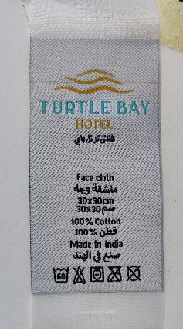
Design No |  | Manual entry |  |  | IMAGE
Material |  | Drop
Width mm | DROP | Length mm | Type
Sq mm | AUTO | Sq Inches | AUTO
Cost | 0.55 | Manual entry | Type
Cut fold | 0.1 | Manual entry
Solid Tint | 0.15
Extras | 0.25
Total | 1.05
Print station | Color | Color Shade | Front | Back
1 |  | Green | RT 583 | Black 5368 | Type ,Mostly black
2 |  | Brown | 2w 27 |  |  |  |  | OPTION TO new ADD ,EDIT & cancel
3 |  | Red | 2W 77

 |  |  |  |  |  |  |  | Design Cards | Report | ( Generated after Printed design card daily entries serially )

Date | Customer | Label | Design No | Designer | Sales Rep | Sample | Colors | Width mm | Length mm | Sq mm | Sq Inches | Sq Inch Cost | Cost | Finishing | Total

20.08.2021 | Muthu Export | Ladelle | 2504 | Panneer | Govind | Mani | 3+1 | 25.4 | 101 | 2565 | 3.98 | 6.79 | 27 | 10 | 37
21.08.2021 | Sarathy | Norman | 2505 | Panneer | Direct | Andes | 2 | 38.5 | 85 | 3273 | 5.07 | 5.52 | 28 | 15 | 43
30.08.2021 | TCH | Disney | 2506 | Panneer | Govind | Kanna | 1 | 12.5 | 90 | 1125 | 1.74 | 8.60 | 15 | 10 | 25 | IF we click it should go into Design card forfull appearance
 |  |  |  |  |  |  |  |  |  |  |  |  |  |  |  |  |  |  | with seach option | customer wise,date wise,width wise

Purchase order Entry |  |  |  |  |  |  |  |  |  | IMAGE
Job card No | Auto
Customer | Drop down
Delivery date | Enter
Party PO No | Enter
Sale Order No | Enter
Our Design No | Drop down | Particular companies - designs only should appear |  |  |  | OR Either manual fill
Label | Drop down | Particular customers label will appear |  |  | If we select design no label name should come OR vice versa
Material | Drop down
Width mm | Drop down
length mm | Enter | SIZES TYPE | XS or 6-8 Yrs | S or 10-12 Yrs | M | L | XL | XXL | XXXL | OPTION TO ADD
Qty | 16100 | QTY | 2500 | 2100 | 3250 | 1750 | 5000 | 1000 | 500
Folding | Drop down
Width mm | Drop down
Length mm | Entry
Total Mts need | AUTO ( length mm x qty )
Balance Stock | AUTO
Particular desin colors in column wise |  |  | ENTER/EDIT/Cancel

 |  |  |  |  | Once order entred daily ,the below Job card may generate automatically in row column wise
 |  |  |  | JOB order | Report |  |  |  |  |  | Image
 | Order Appeares as below: |  |  |  |  |  |  |  |  |  | Notes for each fold
Date | Customer | Delivery Date | PO No | Sale Order | Ref | Material | Material Size | Folding | Ink | Colors | Front | Back | Qty Pcs | Stock Mts | MOVE | MOVE | to | Mani | After moving job card
28.06.2021 | Sarathy | 01.07.2021 | 525 |  |  | Single Side Satin | 12.5 | Roll | RED Green | 2 | 1 | 1 | 16100 | 5580 | Click Drop down from printer master |  |  | Andes | may getting dull or
29.06.2021 | TCH | 03.07.2021 | 568 | 558 | 665 | Cotton | 25.4 | Loop fold | RBG | 4 | 3 | 1 | 15500 | 24000 |  |  |  | Kanna | indicate JOB given
29.06.2021 | Muthu | 03.07.2021 | 895 | 566 | 555 | Tafetta | 38.5 | Roll | Black | 1 | 1 | 0 | 2850 | 65650

 | Separate Report
Once we entered all orders Stock of each material to be appeared separately to know Stock position at any time |  |  |  |  |  |  |  |  |  |  | Options to see Label namewise, Partywise ,Material wise |  |  |  | with seach option

Separate Column for each printer to enter production details after MOVE to prodcution from Job

Mani
Date | Customer | Delivery Date | PO No | Qty pcs | Printed on | Qty part | Qty part | total | Production | Cut fold by | Qty Out | Wastage | Checked by | Qty out | Wastage | Qty | delivered on | DC No | Stock | Shortage | DC No | Date | Inv | Date
28.06.2021 | Sarathy | 01.07.2021 | 525 | 25000 | 29.06.2021 | 15000 | 10200 | 25200 | Closed | Drop down | 25150 | 50 | Eswari drop | 25100 | 50 | 25000 | 01.07.2021 | 11558 | 100 |  | 11458 | 01.08.2021 | 28 | 01.08.2021
29.06.2021 | TCH | 03.07.2021 | 568 | 15500 | 01.07.2021 | 15600 |  | 15600 |  | Drop down | 15500 | 100 | Eswari drop | 15250 | 250 | 15250 | 03.07.2021 | 11559 |  | 250 | 11465 | 01.08.2021 | 29 | 01.08.2021
 |  |  |  | After produced the order qty of 25000 pcs ,order closed and mention CLOSED in the column

Andes
28.08.2021 | Trends Impex | 01.09.2021 | 25 | 12500 | 28.08.2021 |  |  | 12550 | Closed | kanna | 12525 | 25 | Usha | 12500 | 25 | 12500 |  |  |  |  | 11555
29.08.2021 | Melvin | 01.09.2021 | 23 | 2500 | 29.08.2021 |  |  | 2650 | Closed | karuppusamy | 2600 | 50 | Usha | 2475 | 125 | 2475 |  |  |  | 25 | 11585

