Cover


CONTENTS
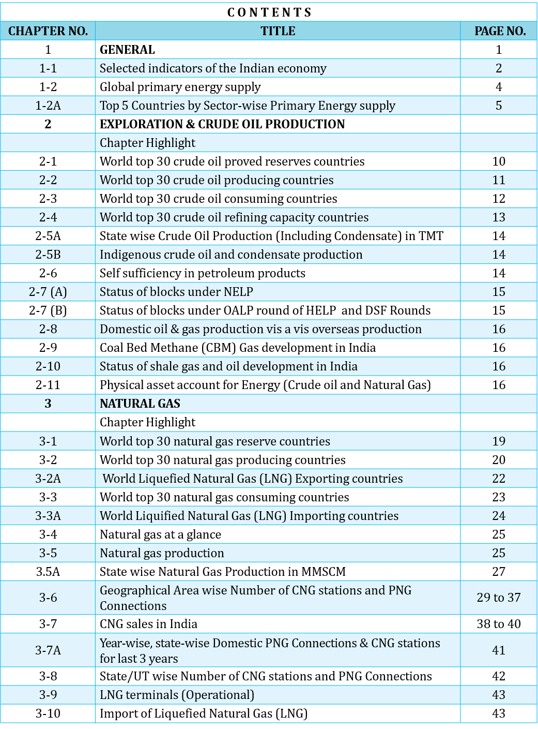

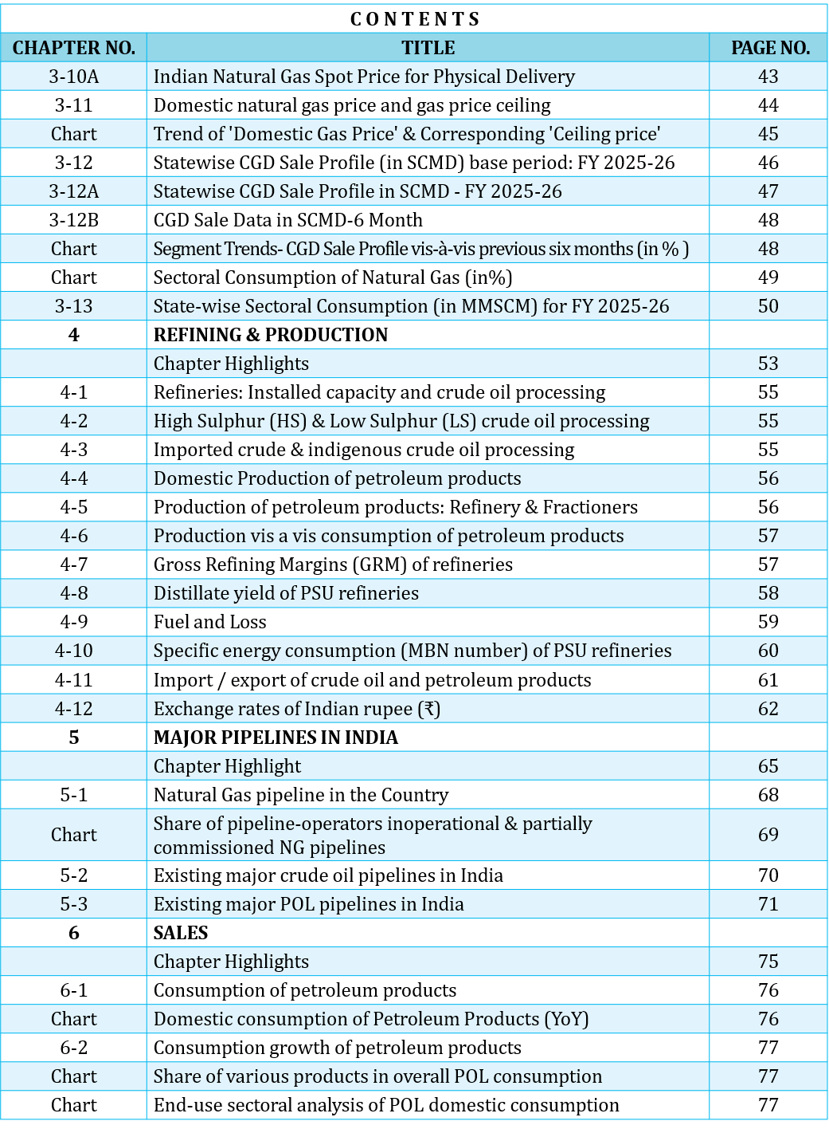

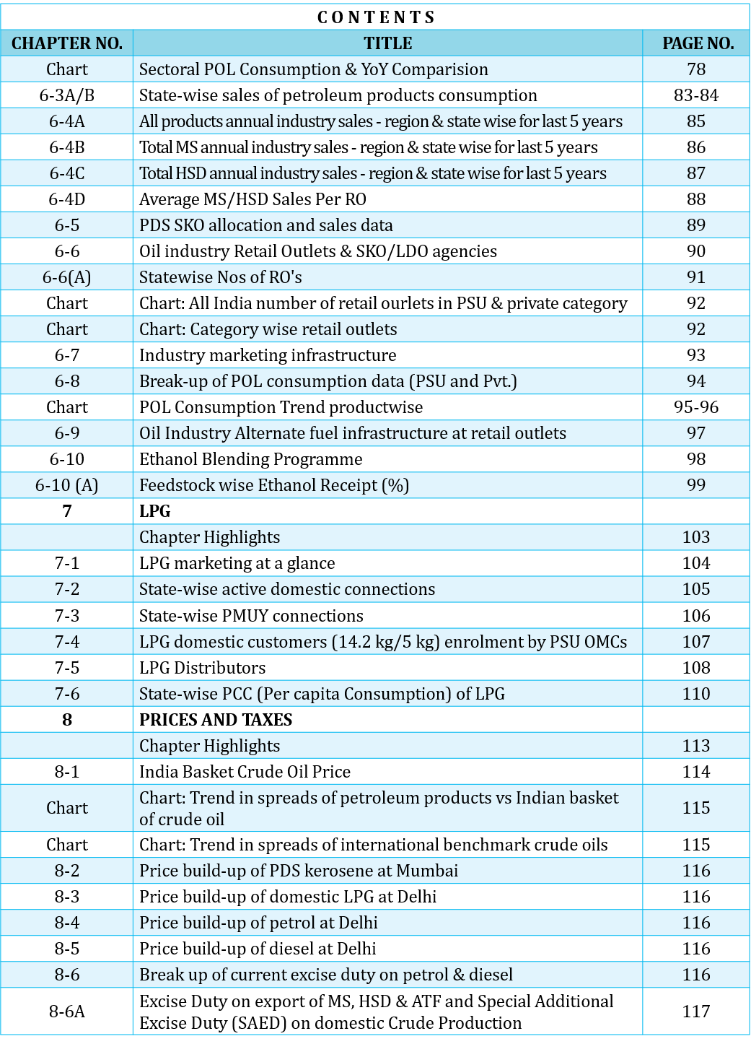

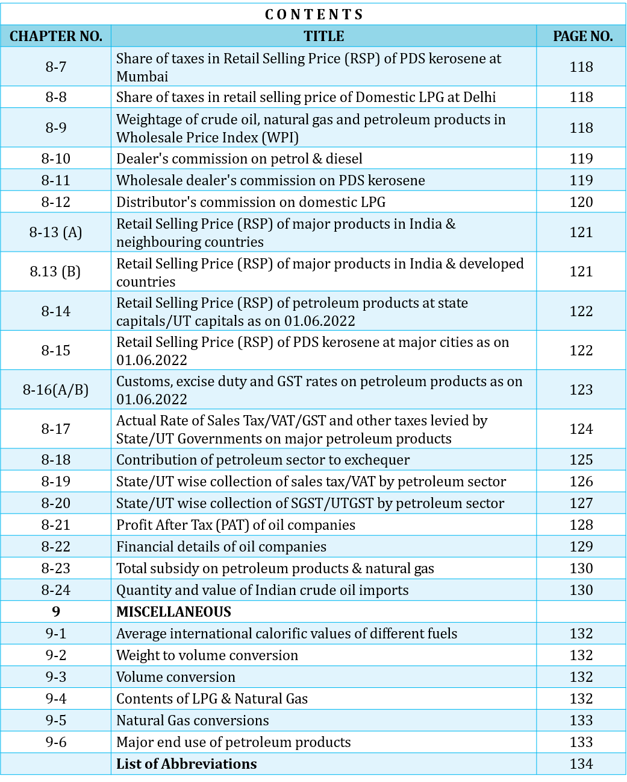

1.12
Petroleum
Sl. no. | Particulars | Source | Unit/ Base | 2019-20 (To be deleted) | 2020-21 | 2021-22 | 2022-23 | 2023-24 | 2024-25 | 2025-26
1 | Crude oil production in India | ONGC/OIL/DGH | MMT | 32.2 | 30.5 | 29.7 | 29.2 | 29.4 | 28.7 | 28.0
2 | Consumption of petroleum products in India | OMCs/PPAC | MMT | 214.1 | 194.3 | 201.7 | 223.0 | 234.3 | 239.2 | 241.6
3 | Petroleum products production in India | Oil Cos | MMT | 262.9 | 233.5 | 254.3 | 266.5 | 276.1 | 283.8 | 284.9
4 | Imports & exports
 | Crude oil imports | Oil Cos | $ Billion | 101.4 | 62.2 | 120.7 | 157.5 | 133.4 | 137.2 | 123.4
 | Petroleum products imports | Oil Cos & DGCIS | $ Billion | 17.7 | 14.8 | 23.7 | 26.9 | 22.9 | 23.7 | 20.8
 | Total petroleum imports (crude oil + petroleum products) | Oil Cos & DGCIS | $ Billion | 119.1 | 77.0 | 144.3 | 184.4 | 156.3 | 160.8 | 144.2
 | Petroleum products exports | Oil Cos | $ Billion | 35.8 | 21.4 | 44.4 | 57.3 | 47.7 | 44.4 | 41.1
5 | Gross petroleum imports as % of India's gross imports in value terms | MOC&I/PPAC | % | #DIV/0! | 19.5 | 23.6 | 25.8 | 23.0 | 22.3 | 18.6
6 | Gross petroleum exports as % of India's gross exports in value terms | MOC&I/PPAC | % | #DIV/0! | 7.3 | 10.6 | 12.8 | 10.9 | 10.2 | 9.3
7 | Import dependency (based on consumption) | PPAC | % | 85.0 | 84.4 | 85.5 | 87.4 | 87.8 | 88.2 | 88.7
Import/Export for FY 2025-26 data is provisional
Natural gas
Sl. no. | Particulars | Source | Unit/ Base | 2019-20 (To be deleted) | 2020-21 | 2021-22 | 2022-23 | 2023-24 | 2024-25 | 2025-26
1 | Gross Production | ONGC/OIL/DGH | MMSCM | 31,184 | 28,672 | 34,024 | 34,450 | 36,438 | 36,113 | 34,776
2 | Net Production (net of flare and loss) | ONGC/OIL/DGH | MMSCM | 30,257 | 27,784 | 33,131 | 33,664 | 35,717 | 35,594 | 34,326
3 | LNG Import | LNG importing Cos, DGCIS | MMSCM | 33,887 | 33,198 | 31,028 | 26,304 | 31,795 | 35,720 | 34,427
4 | Total Consumption including internal use (Net Production+ LNG import) |  | MMSCM | 64,144 | 60,981 | 64,159 | 59,969 | 67,512 | 71,314 | 68,753 | Oil | Natural Gas | Coal | Nuclear Energy | Hydro Electricity | Renewables
5 | Import dependency (based on consumption) {(sl no.3/sl no.4 )*100} | PPAC | % | 52.8 | 54.4 | 48.4 | 43.9 | 47.1 | 50.1 | 50.1 | 260.15 | 57.24 | 551.04 | 14.02 | 15.32 | 36.09

India's Energy basket in 2025

Source-Energy Institute Statistical Review of World Energy, 2026

1.2
China
Table 1.2 : Global primary energy consumption, 2025
Sl. no. | Country | Unit | Oil | Natural Gas | Coal | Nuclear Energy | Hydro Electricity | Renewables | Total Energy
1 | China | Mtoe | 808.4 | 380.0 | 2203.1 | 126.4 | 119.7 | 236.3 | 3873.9
 | Percentage share | % | 20.9% | 9.8% | 56.9% | 3.3% | 3.1% | 6.1% | 100.0%
 | Per capita consumption | Toe | 0.67 | 0.31 | 1.81 | 0.10 | 0.10 | 0.19 | 3.19
2 | USA | Mtoe | 870.0 | 785.4 | 208.5 | 215.2 | 21.0 | 140.9 | 2241.1
 | Percentage share | % | 38.8% | 35.0% | 9.3% | 9.6% | 0.9% | 6.3% | 100.0%
 | Per capita consumption | Toe | 2.51 | 2.26 | 0.60 | 0.62 | 0.06 | 0.41 | 6.45
3 | India | Mtoe | 260.2 | 57.2 | 551.0 | 14.0 | 15.3 | 36.1 | 933.9
 | Percentage share | % | 27.9% | 6.1% | 59.0% | 1.5% | 1.6% | 3.9% | 100.0%
 | Per capita consumption | Toe | 0.18 | 0.04 | 0.38 | 0.01 | 0.01 | 0.02 | 0.6
USA
4 | Russian Federation | Mtoe | 171.4 | 412.8 | 85.0 | 57.0 | 17.2 | 1.7 | 745.0
 | Percentage share | % | 23.0% | 55.4% | 11.4% | 7.6% | 2.3% | 0.2% | 100.0%
 | Per capita consumption | Toe | 1.19 | 2.87 | 0.59 | 0.40 | 0.12 | 0.01 | 5.17
5 | Japan | Mtoe | 155.5 | 77.7 | 104.1 | 24.5 | 6.4 | 25.5 | 393.7
 | Percentage share | % | 39.5% | 19.7% | 26.4% | 6.2% | 1.6% | 6.5% | 100.0%
 | Per capita consumption | Toe | 1.26 | 0.63 | 0.85 | 0.20 | 0.05 | 0.21 | 3.20
6 | Iran | Mtoe | 92.4 | 220.4 | 1.6 | 1.4 | 1.0 | 0.3 | 317.1
 | Percentage share | % | 29.1% | 69.5% | 0.5% | 0.4% | 0.3% | 0.1% | 100.0%
 | Per capita consumption | Toe | 1.00 | 2.38 | 0.02 | 0.02 | 0.01 | 0.00 | 3.43
7 | South Korea | Mtoe | 129.5 | 54.1 | 68.2 | 48.1 | 0.3 | 9.6 | 309.8
 | Percentage share | % | 41.8% | 17.5% | 22.0% | 15.5% | 0.1% | 3.1% | 100.0%
 | Per capita consumption | Toe | 2.51 | 1.05 | 1.32 | 0.93 | 0.01 | 0.19 | 6.00
8 | Canada | Mtoe | 105.1 | 113.8 | 5.9 | 22.1 | 30.0 | 11.1 | 287.9
 | Percentage share | % | 36.5% | 39.5% | 2.0% | 7.7% | 10.4% | 3.9% | 100.0%
World
 | Per capita consumption | Toe | 2.62 | 2.84 | 0.15 | 0.55 | 0.75 | 0.28 | 7.18
9 | Saudi Arabia | Mtoe | 170.4 | 115.0 | 0.1 | 0.0 | 0.0 | 1.7 | 287.2
 | Percentage share | % | 59.3% | 40.0% | 0.1% | 0.0% | 0.0% | 0.6% | 100.0%
 | Per capita consumption | Toe | 4.93 | 3.33 | 0.00 | 0.00 | 0.00 | 0.05 | 8.31
10 | Indonesia | Mtoe | 78.3 | 41.5 | 123.1 | 0.0 | 2.7 | 29.4 | 275.1
 | Percentage share | % | 28.5% | 15.1% | 44.8% | 0.0% | 1.0% | 10.7% | 100.0%
 | Per capita consumption | Toe | 0.27 | 0.15 | 0.43 | 0.00 | 0.01 | 0.10 | 0.96
11 | Brazil | Mtoe | 123.9 | 28.5 | 14.1 | 4.1 | 34.2 | 62.4 | 267.3
 | Percentage share | % | 46.4% | 10.7% | 5.3% | 1.5% | 12.8% | 23.3% | 100.0%
 | Per capita consumption | Toe | 0.58 | 0.13 | 0.07 | 0.02 | 0.16 | 0.29 | 1.26
12 | Germany | Mtoe | 100.3 | 67.5 | 35.7 | 0.0 | 1.5 | 34.9 | 239.9
 | Percentage share | % | 41.8% | 28.1% | 14.9% | 0.0% | 0.6% | 14.6% | 100.0%
 | Per capita consumption | Toe | 1.19 | 0.80 | 0.42 | 0.00 | 0.02 | 0.42 | 2.85
13 | France | Mtoe | 66.1 | 26.3 | 3.8 | 101.6 | 5.0 | 12.8 | 215.6
 | Percentage share | % | 30.7% | 12.2% | 1.8% | 47.1% | 2.3% | 5.9% | 100.0%
 | Per capita consumption | Toe | 0.99 | 0.39 | 0.06 | 1.52 | 0.07 | 0.19 | 3.23
14 | Mexico | Mtoe | 82.8 | 85.7 | 5.2 | 2.6 | 2.5 | 8.1 | 187.0
 | Percentage share | % | 44.3% | 45.8% | 2.8% | 1.4% | 1.3% | 4.3% | 100.0%
 | Per capita consumption | Toe | 0.63 | 0.65 | 0.04 | 0.02 | 0.02 | 0.06 | 1.42
 | Sub total | Mtoe | 3340.3 | 2520.3 | 3421.5 | 617.2 | 271.5 | 618.5 | 10789.3
 | Others | Mtoe | 1459.9 | 1079.0 | 544.1 | 124.2 | 113.6 | 228.1 | 3549.0
 | Total World | Mtoe | 4800.2 | 3599.3 | 3965.6 | 741.4 | 385.1 | 846.6 | 14338.2
 | Percentage share | % | 33.5% | 25.1% | 27.7% | 5.2% | 2.7% | 5.9% | 100.0%
 | Per capita consumption | Toe | 0.58 | 0.44 | 0.48 | 0.09 | 0.05 | 0.10 | 1.74
Source: Energy Institute Statistical Review of World Energy, 2026
Conversion factor used for Oil as per product basket of 1 EJ = 23.884589 MTOE (Approximate conversion factors from BP Statistical Review of World Energy, 2024)
Mtoe: Million tonnes of oil equavalent, Toe: Tonnes of oil equivalent

3.4+3.5 Graph
Net domestic production for sales (MMSCM)

Working for Charts-Not to be used for filling

Net Domestic Production for sales
 | 2019-20 | 2020-21 | 2021-22 | 2022-23 | 2023-24 | 2024-25 | 2025-26
ONGC | 18529 | 16982 | 15875 | 15507 | 14946 | 14485 | 14292
OIL | 2123 | 1930 | 2189 | 2289 | 2368 | 2535 | 2498
PSC/JV's fields | 3552 | 3143 | 9310 | 10365 | 12822 | 13027 | 12246
Total | 24205 | 22055 | 27374 | 28161 | 30135 | 30047 | 29035

Natural Gas Consumption and Import Dependency %

Particulars | 2019-20 | 2020-21 | 2021-22 | 2022-23 | 2023-24 | 2024-25 | 2025-26
Net Production (net of flare and loss) | 30257 | 27784 | 33131 | 33664 | 35717 | 35594 | 34326
LNG import | 33887 | 33198 | 31028 | 26304 | 31795 | 35720 | 34427
Import dependency of NG(%) | 52.8% | 54.4% | 48.4% | 43.9% | 47.1% | 50.1% | 50.1%
Total consumption | 64144 | 60981 | 64159 | 59968 | 67512 | 71314 | 68753

3.11
Table 3.11 : Domestic natural gas price and gas price ceiling

Period | Domestic natural gas price in US$/MMBTU (GCV basis)* |  | Gas price ceiling (HPHT)in US$/MMBTU (GCV basis)**
November 2014 - March 2015 | 5.05
April 2015 - September 2015 | 4.66
October 2015 - March 2016 | 3.82
April 2016 - September 2016 | 3.06 |  | 6.61
October 2016 - March 2017 | 2.5 |  | 5.3
April 2017 - September 2017 | 2.48 |  | 5.56
October 2017 - March 2018 | 2.89 |  | 6.3
April 2018 - September 2018 | 3.06 |  | 6.78
October 2018 - March 2019 | 3.36 |  | 7.67
April 2019 - September 2019 | 3.69 |  | 9.32
October 2019 - March 2020 | 3.23 |  | 8.43
April 2020 - September 2020 | 2.39 |  | 5.61
October 2020 - March 2021 | 1.79 |  | 4.06
April 2021 - September 2021 | 1.79 |  | 3.62
October 2021 - March 2022 | 2.9 |  | 6.13
April 2022 - September 2022 | 6.1 |  | 9.92
October 2022 - March 2023 | 8.57 |  | 12.46
1 April 2023 - 7 April 2023 | 9.16 |  | 12.12

Period | Domestic Gas calculated price in US$/MMBTU # | Domestic Gas ceiling price for ONGC/OIL in US$/MMBTU # | Period | HP-HT Gas price ceiling in US$/MMBTU
8 April 2023 - 30 April 2023 | 7.92 | 6.5 | April 2023 - September 2023 | 12.12
1 May 2023 - 31 May 2023 | 8.27
1 June 2023 - 30 June 2023 | 7.58
1 July 2023 - 31 July 2023 | 7.48
1 August 2023 -31 August 2023 | 7.85
1 September 2023 - 30 September 2023 | 8.60
1 October 2023 -31 October 2023 | 9.20 |  | October 2023 - March 2024 | 9.96
1 Nov 2023 - 30 Nov2023 | 9.12
1 Dec 2023 - 31 Dec 2023 | 8.47
1 Jan 2024 - 31 Jan 2024 | 7.82
1 Feb 2024- 29 Feb 2024 | 7.85
1 Mar 2024- 31 Mar 2024 | 8.17
1 April 2024 - 30 April 2024 | 8.38 |  | April 2024 - September 2024 | 9.87
1 May 2024 - 31 May 2024 | 8.90
1 June 2024 - 30 June 2024 | 8.44
1 July 2024 - 31 July 2024 | 8.24
1 August 2024 -31 August 2024 | 8.51
1 September 2024 - 30 September 2024 | 7.85
1 October 2024 -31 October 2024 | 7.48 |  | October 2024- March 2025 | 10.16
1 Nov 2024 - 30 Nov 2024 | 7.53
1 Dec 2024 - 31 Dec 2024 | 7.29
1 Jan 2025 - 31 Jan 2025 | 7.30
1 Feb 2025 - 28 Feb 2025 | 7.94
1 Mar 2025- 31 Mar 2025 | 7.80
1 April 2025 - 30 April 2025 | 7.26 | 6.75 | April 2025 - September 2025 | 10.04
1 May 2025 - 31 May 2025 | 6.93
1 June 2025 - 30 June 2025 | 6.41 | 6.41
1 July 2025 - 31 July 2025 | 6.89 | 6.75
1 August 2025 -31 August 2025 | 7.02
1 September 2025 - 30 September 2025 | 6.99
1 October 2025 -31 October 2025 | 6.96 |  | October 2025- March 2026 | 9.72
1 Nov 2025 - 30 Nov 2025 | 6.55 | 6.55
1 Dec 2025 - 31 Dec 2025 | 6.48 | 6.48
1 Jan 2026 - 31 Jan 2026 | 6.25 | 6.25
1 Feb 2026 - 28 Feb 2026 | 6.21 | 6.21
1 Mar 2026- 31 Mar 2026 | 6.81 | 6.75
1 April 2026 - 30 April 2026 | 10.76 | 7.00 | April 2026 - September 2026 | 8.90
1 May 2026 - 31 May 2026 | 11.59
1 June 2026 - 30 June 2026 | 10.93
1 July 2026 - 31 July 2026 | 8.73
Note:
* As per the "New Domestic Natural Gas Pricing Guidelines, 2014" issued by Ministry of Petroleum & Natural Gas dated October 25, 2014. # Natural Gas prices are on GCV basis
** As per the notification issed by Ministry of Petroleum and Natural Gas dated 21.03.2016 on marketing including pricing freedom for the gas to be produced from discoveries in Deepwater, Ultra Deepwater and High Pressure-High Temperature areas.
# As per the " Review of New Domestic Gas Pricing Guidelines, 2014 " issued by Ministry of Petroleum & Natural Gas dated April 07,2023
Trend of 'Domestic Natural Gas Price' & 'Natural Gas Price Ceiling'_old regime
 | Domestic natural gas price in US$/MMBTU (GCV basis)* | Gas price ceiling (HPHT)in US$/MMBTU (GCV basis)**
November 2014 - March 2015 | 5.05
April 2015 - September 2015 | 4.66
October 2015 - March 2016 | 3.82
April 2016 - September 2016 | 3.06 | 6.61
October 2016 - March 2017 | 2.5 | 5.3
April 2017 - September 2017 | 2.48 | 5.56
October 2017 - March 2018 | 2.89 | 6.3
April 2018 - September 2018 | 3.06 | 6.78
October 2018 - March 2019 | 3.36 | 7.67
April 2019 - September 2019 | 3.69 | 9.32
October 2019 - March 2020 | 3.23 | 8.43
April 2020 - September 2020 | 2.39 | 5.61
October 2020 - March 2021 | 1.79 | 4.06
April 2021 - September 2021 | 1.79 | 3.62
October 2021 - March 2022 | 2.9 | 6.13
April 2022 - September 2022 | 6.1 | 9.92
October 2022 - March 2023 | 8.57 | 12.46
1 April 2023 - 7 April 2023 | 9.16 | 12.12

3.12BC
Segment wise trend in %
Table 3.12 B: CGD Sales Data (in SCMD ) - Six Months
Period | CNG | Domestic (PNG) | Commercial (PNG) | Industrial (PNG) | Total |  |  | Period |  | CNG | Domestic (PNG) | Commercial (PNG) | Industrial (PNG)
April-2021 to September 2021 | 13238071 | 2456140 | 489067 | 14206677 | 30389956 |  |  | April-2021 to September 2021 | 30.4 | 13.2 | 2.5 | 0.5 | 14.2
October 2021 to March 2022 | 17253563 | 2801726 | 678335 | 13870178 | 34603802 |  |  | October 2021 to March 2022 | 34.6 | 17.3 | 2.8 | 0.7 | 13.9
April-2022 to September 2022 | 18938879 | 2570973 | 671072 | 12112714 | 34293638 |  |  | April-2022 to September 2022 | 34.3 | 18.9 | 2.6 | 0.7 | 12.1 | -1%
October-2022 to March 2023 | 19423450 | 2908893 | 690704 | 10272961 | 33296008 |  |  | October-2022 to March 2023 | 33.3 | 19.4 | 2.9 | 0.7 | 10.3 | -3%
April-2023 to September 2023 | 20653851 | 2652456 | 665809 | 11370755 | 35342871 |  |  | April-2023 to September 2023 | 35.3 | 20.7 | 2.7 | 0.7 | 11.4 | 6%
October-2023 to March 2024 | 22435095 | 3183788 | 823008 | 12117972 | 38559863 |  |  | October-2023 to March 2024 | 38.6 | 22.4 | 3.2 | 0.8 | 12.1 | 9%
April-2024 to September 2024 | 24544228 | 3134150 | 806680 | 13143483 | 41628540 |  |  | April-2024 to September 2024 | 41.6 | 24.5 | 3.1 | 0.8 | 13.1 | 8%
October-2024 to March 2025 | 26512805 | 3571189 | 912945 | 12727191 | 43724131 |  |  | October-2024 to March 2025 | 43.7 | 26.5 | 3.6 | 0.9 | 12.7 | 5%
April-2025 to September 2025 | 28441500 | 3462836 | 828160 | 12767887 | 45500383 |  |  | April-2025 to September 2025 | 45.5 | 28.4 | 3.5 | 0.8 | 12.8
October-2025 to March 2026(P) | 30482085 | 3776726 | 1030075 | 12808241 | 48097127 |  |  | October-2025 to March 2026(P) | 48.1 | 30.5 | 3.8 | 1.0 | 12.8
Note: * Inputs based on the information submitted by CGD entities - subject to revisions, if any. Categorizations of data under Commercial and Industrial sectors- as per the respective policies of individual CGD entities
Sales of SCMD (SCM per day) calculated based on sale period
CGD basket segment-wise Percentage (%)
Segment wise trend Percentage (%)
 |  |  |  |  |  |  |  |  |  | CNG | Domestic (PNG) | Commercial (PNG) | Industrial (PNG)
 |  |  |  |  |  |  |  | April-2021 to September 2021 |  | #REF! | #REF! | #REF! | #REF!
Chart 3.12D: CGD sales segmentwise in %
 |  |  |  |  |  |  |  | October 2021 to March 2022 |  | 30 | 14 | 39 | -2

Table 3.12 C: Basket Trends- CGD Sale Profile (in MMSCM) - Annual
Period (FY) | CNG | Domestic (PNG) | Commercial (PNG) | Industrial (PNG) | Total | Total (in MMSCMD)
2021-22 | 5563 | 959 | 213 | 5124 | 11859 | 32
2022-23 | 7001 | 1000 | 249 | 4086 | 12336 | 34
2023-24 | 7885 | 1068 | 272 | 4298 | 13524 | 37
2024-25 | 9317 | 1224 | 314 | 4722 | 15576 | 43
2025-26 | 10753 | 1305 | 355 | 4668 | 17080 | 47
Note: Inputs based on the information submitted by CGD entities - subject to revisions, if any.
Sectoral Break up of CGD Sales Profile FY 2025-26 vs FY 2024-25
CGD sale profiles fy 2025-26
CGD sale profiles fy 2024-25

Table 3.12 D: Basket Trends- CGD Sale Profile* (in % )
Period | CNG | Domestic (PNG) | Commercial (PNG) | Industrial (PNG) | Total
Apr-2021 to Sep-2021 | 43.6 | 8.1 | 1.6 | 46.7 | 100
Oct-2021 to Mar-2022 | 49.9 | 8.1 | 2.0 | 40.1 | 100
Apr-2022 to Sep-2022 | 55.2 | 7.5 | 2.0 | 35.3 | 100
Oct-2022 to Mar-2023 | 58.3 | 8.7 | 2.1 | 30.9 | 100
Apr-2023 to Sep-2023 | 58.4 | 7.5 | 1.9 | 32.2 | 100
Oct-2023 to Mar-2024 | 58.2 | 8.3 | 2.1 | 31.4 | 100 |  |  |  |  | #REF!
Apr-2024 to Sep-2024 | 59.0 | 7.5 | 1.9 | 31.6 | 100
Oct--2024 to Mar-2025 | 60.6 | 8.2 | 2.1 | 29.1 | 100
Apr-2025 to Sep-2025 | 62.5 | 7.6 | 1.8 | 28.1 | 100
Oct-2025 to Mar-2026(P) | 63.4 | 7.9 | 2.1 | 26.6 | 100
* Inputs based on the information submitted by CGD entities - subject to revisions, if any. Categorizations of data under Commercial and Industrial sectors- as per the respective policies of individual CGD entities
Sales in % calculated based on sale for period

Table 3.12 B: Basket Trends- CGD Sale Profile* (in MMSCM) - Annual
Period | CNG | Domestic (PNG) | Commercial (PNG) | Industrial (PNG) | Total | Total (in MMSCMD) | CGD sale profiles fy 2024-25
CGD sale profiles fy 2024-25 | 9317 | 1224 | 314 | 4722 | 15576 | 43
CGD sale profiles fy 2024-25 | 7885 | 1068 | 272 | 4298 | 13524 | 37

 | CNG | Domestic (PNG) | Commercial (PNG) | Industrial (PNG) | Total
Apr-2022 to Sep-2022 | 10 | -8 | -1 | -13 | -1.0
Oct-2022 to Mar-2023 | 3 | 13 | 3 | -15 | -3.0
Apr-2023 to Sep-2023 | 6 | -9 | -4 | 11 | 6.0
Oct-2023 to Mar-2024 | 9 | 20 | 24 | 7 | 9.0
Apr-2024 to Sep-2024 | 9 | -2 | -2 | 8 | 8.0
Oct--2024 to Mar-2025 | 8 | 14 | 13 | -3 | 8.0
Apr-2025 to Sep-2025 | 7 | -3 | -9 | 0
Oct-2025 to Mar-2026(P) | 7 | 9 | 24 | 0

NG Sectoral
 | Sectoral Consumption of Natural gas (in %) FY 2025-26

 |  |  |  |  | FY 2025-26
 |  |  |  | Sector | Consumption in MMSCM
 |  |  |  | Power | 7960
 |  |  |  | City or local natural gas distribution network | 16516
 |  |  |  | Refinery | 5526
# GRM of North-East refineries are including excise duty benefit * Not available ** BPCL figures for the period 2022-23 onwards includes BORL also after its merger with BPCL ***MRPL has stopped publishing GRM w.e.f. Q2 FY 2025-26 |  |  |  | Internal consumption for Pipeline System | 1831
 |  |  |  | Agriculture (Tea Plantation) | 132
 |  |  |  | Industrial | 781
 |  |  |  | Manufacturing | 1602
 |  |  |  | Miscellaneous | 9716
 |  |  |  | Fertilizer | 19649
 |  |  |  | Petrochemicals | 3899
 |  |  |  | LPG shrinkage | 761
 |  |  |  | Sponge iron | 676
 |  |  |  |  | 69048

 |  |  |  |  | 11.528113979

 |  | Sponge iron | 1177

5.1
Table 5.1: Natural Gas Pipelines in the Country (Operational)
S. No. | Network/Region | Entity | Length (Kms) | Authrozied capacity/ Declared capacity (MMSCMD) as on 01.04.2026 | Pipeline size | Pipeline Status | Average flow FY 2024-25 (mmscmd) | % Capacity utilisation FY 2024-25 | Average flow Oct 2025 - Mar 2026 (mmscmd) | % Capacity utilisation Oct 2025 - Mar 2026 | Average flow FY 2025-26 (mmscmd) | % Capacity utilisation FY 2025-26
1 | Assam Natural Gas Pipeline Network | Assam Gas Company Limited (AGCL) | 107 | 2.43 | 800 mm/500 mm/ 400 mm/ 350 mm | Operational | 1.81 | 74.55% | 1.57 | 64.66% | 1.62 | 66.56%
2 | Cauvery Basin Network | GAIL | 272 | 4.33 | 18"/ 12"/ 8"/ 6"/ 4"/3"/2" | Operational | 1.67 | 38.57% | 1.41 | 32.54% | 1.40 | 32.36%
3 | KG Basin Network | GAIL | 919 | 19.37 | 18"/16"/14"/12"/8"/6"/4"/2" | Operational | 3.90 | 20.11% | 3.14 | 16.19% | 3.27 | 16.90%
4 | Gujarat Regional Network (GRN) (including 540 Km of Varoda Sub network) | GAIL | 604 | 5.0625 | 24"/18"/14"/12"/8"/6"/5"/2"/1" | Operational | 1.17 | 23.10% | 1.06 | 20.95% | 1.09 | 21.62%
5 | Agartala Regional Network | GAIL | 66 | 2 | 12"/10"/8" | Operational | 0.69 | 34.66% | 0.70 | 34.96% | 0.67 | 33.57%
6 | Kochi-Koottanad-Bangalore-Mangalore # | GAIL | 646 | 12 | 30"/ 24"/ 18" / 8"/ 4" | Under Construction / Part Operational | 3.94 | 32.85% | 5.14 | 42.84% | 4.65 | 38.76%
7** | Hazira-Vijaipur-Jagdishpur -GREP (Gas Rehabilitation and Expansion Project)-Dahej-Vijaipur HVJ/VDPL | GAIL | 6744 | 107 | 42"/36"/30"/18"/16"/14"/12"/10"/8"/6"/4"/2" | Operational | 115.87 | 70.74% | 109.41 | 66.79% | 110.09 | 67.21%
 | Dahej-Vijaipur (DVPL)-Vijaipur-Dadri (GREP) Upgradation DVPL 2 & VDPL | GAIL |  |  | 48"/ 16"/12" | Operational
 | Dahej-Uran-Panvel-Dhabhol | GAIL | 943 | 19.9 | 30"/24"/18"/12"/6"/4" | Operational
 | Mumbai Regional Network | GAIL | 125 | 7.04 | 26"/20"18"/12"/4" | Operational
 | Chainsa-Jhajjar-Hissar | GAIL | 440 | 35 | 36"/18"/16"/12"/10"/8"/4" | Operational
 | Dadri-Bawana-Nangal | GAIL | 997 | 31 | 36"/30"/18"/10"/8" | Operational
 | Dabhol-Bangalore | GAIL | 1182 | 16 | 36"/30"/24"/18"/10"/8" | Operational
 | Jagdishpur-Haldia-Bokaro Dhamra-Paradip- Barauni-Guwahati # | GAIL | 3313 | 7.44 | 36'/30”/24"/18"/12”/8”/6"/4" | Under Construction / part operational
8 | Mumbai Nagpur Jharsuguda # | GAIL | 1467 | 14.6 | 24"/18"/12" | Under Construction / part operational | - | - | 0.12 | 0.84% | 0.09 | 0.62%
9 | Srikakulam Angul | GAIL | 469 | 6.65 | 24"/18"/12" | Under Construction / part operational | - | - | 0 | 0% | 0 | 0%
10 | Dedicated pipelines ## | GAIL | 226 | - | - | - | 2.74 |  | 3.18 |  | 2.94 | -
11 | Hazira-Ankleshwar (HAPi)% | GGL | 73.2 | 4.20 | 18" | Operational | 0.62 | 14.8% | 0.77 | 18.4% | 0.76 | 18.0%
12 | Mehsana - Bhatinda | GIGL | 1425 | 48.94 | 36”/24”/18”/12”/8" | Partially Commissioned | 3.60 | 7.8% | 5.03 | 10.3% | 4.70 | 9.6%
13 | Bhatinda - Gurdaspur | GIGL | 261.42 | 33.93 | 24”/18”/16”/12”/8”/6” | Partially Commissioned | 0.08 | 0.2% | 0.11 | 0.3% | 0.10 | 0.3%
14 | Mallavaram - Bhopal - Bhilwara - Vijaipur | GITL | 2042 | 78.25 | 42”/36"/30"/24"/18"/12” | Under Construction^ | 1.96 | 2.5% | 2.05 | 2.6% | 1.49 | 1.9%
15 | High Pressure Gujarat Gas Grid | GSPL | 2748.38 | 36 | 36"/30"/24"/20"/18"/12"/8"/6"/4" | Operational | 24.55 | 68.2% | 21.49 | 59.7% | 22.38 | 62.2%
16 | Low Pressure Gujarat Gas Grid | GSPL | 57.6 | 12 | 36"/30"/24"/12" | Operational | 5.67 | 47.3% | 5.49 | 45.8% | 5.65 | 47.1%
17 | Dadri-Panipat | IOCL | 143.3 | 9.5 | 30" | Operational | 5.42 | 59% | 4.64 | 50% | 4.49 | 49%
18 | Ennore-Thiruvallur-Bengaluru-Puducherry-Nagapattinam- Madurai-Tuticorn | IOCL | 1094 | 34.67 | 30”/24”/18”/16”/14”/12"/8"/6” | Under Construction / Part Operational (under operation 1094 Km) | 5.19 | 16.0% | 5.29 | 16.0% | 5.28 | 16.0%
19 | Dahej-Koyali | IOCL | 106 | 5.23 | 16" | Operational | 2.18 | 43.0% | 1.45 | 29.0% | 1.17 | 23.0%
20 | Uran-Trombay | ONGC | 24 | 6.00 | 20" | Operational | 3.41 | 56.8% | 3.36 | 56.0% | 3.30 | 55.0%
21 | Kakinada- Bharuch Natural Gas Pipeline (erstwhile East - West Pipeline) | Pipeline Infrastructure Limited | 1485 | 85.00 | 48"/30"/28"/24"/16"/10" | Operational | 35.45 | 41.7% | 34.45 | 40.5% | 34.41 | 40.5%
22 | Shahdol-Phulpur | RGPL | 304 | 3.50 | 16" | Operational | 0.74 | 21.2% | 0.83 | 23.8% | 0.82 | 23.5%
Notes:
GAIL
# Capacity of commissioned section
** w.e.f. 1st April, 2023 GAIL's Integrated Pipeline has been implemented. Capacity of INGPL as declared by PNGRB is 163.8 for FY 23-24 is considered for % capcity utilization calculation
*** Total flow will not match with sum of individual pipeline network flow as some quantity have travelled more than one pipeline network.
## Dedicated pipelines are for connecting multiple end customers having different pipeline capacities. Therefore, Arithmatic Summation of all individual capacities is invalid due to which % capacity utilization cant be calculated
^^Total Operational Natural Gas Pipeline length as on 31 Mar 2026 is 18,413. Flow for Srikakulam Angul is insignificant till Mar 2026 since it is put into operation in Sept 2025
GGL
% Re-determined capacity of 4.2 MMSCMD submitted to PNGRB has been considered for Capacity Utilization
GITL
^Please note that the gas is flowing through 365 km x 18" pipeline Kunchanapally in Andhra Pradesh to RFCL, Ramagundam in Telanagana State which was commissioned on 14.10.2019
PIL
AGIL | 106.713
GAIL | 15187
GGL | 73.2
GIGL | 1934.42
PIL | 1485
IOCL | 1659
GITL | 2042
RGPL | 304
GSPL | 2715
ONGC | 24
Conversion factor of 37000 Btu/SCM is used for computing volumes in MMSCMD.
The capacity above is as per the authorization letter issued by PNGRB for Kakinada - Bharuch Natural Gas Pipeline (erstwhile East-West Pipeline). Last capacity assessed and submitted to PNGRB is 74.83 MMSCMD.

Note: Pipelines includes commissioned and partially commissioned pipelines.

5.1 CHART_NEW
updated |  |  |  | Share of Pipeline Operators in Natural Gas Pipelines as on 01.04.2026

 | Pipeline Operator | Operational\Partially Commissioned NG Pipelines | (%) of Total
 | AGIL | 106.7 | 0.379
 | GAIL | 18413.0 | 65.433
 | GGL | 73.2 | 0.260
 | GIGL | 1686.4 | 5.993
 | PIL | 1485.0 | 5.277
 | IOCL | 1200.0 | 4.264
 | GITL | 2042.0 | 7.256
 | RGPL | 304.0 | 1.080
 | GSPL | 2806.0 | 9.971
 | ONGC | 24.0 | 0.085
 |  | 28140.3

 |  |  |  | Note: Pipelines includes commissioned and partially commissioned pipelines.

6.1
Table 6.1 : Consumption of Petroleum Products
(MMT)
Products | 2014-15 | 2015-16 | 2016-17 | 2017-18 | 2018-19 | 2019-20 | 2020-21 | 2021-22 | 2022-23 | 2023-24 | 2024-25 | 2025-26
LPG | 18.0 | 19.6 | 21.6 | 23.3 | 24.9 | 26.3 | 27.6 | 28.3 | 28.5 | 29.7 | 31.3 | 33.2
MS | 19.1 | 21.8 | 23.8 | 26.2 | 28.3 | 30.0 | 28.0 | 30.8 | 35.0 | 37.2 | 40.0 | 42.6
Naphtha | 11.1 | 13.3 | 13.2 | 12.9 | 14.1 | 14.3 | 14.1 | 13.2 | 12.2 | 13.8 | 13.0 | 11.7
ATF | 5.7 | 6.3 | 7.0 | 7.6 | 8.3 | 8.0 | 3.7 | 5.0 | 7.4 | 8.2 | 9.0 | 9.2
SKO | 7.1 | 6.8 | 5.4 | 3.8 | 3.5 | 2.4 | 1.8 | 1.5 | 0.5 | 0.5 | 0.4 | 0.5
HSD | 69.4 | 74.6 | 76.0 | 81.1 | 83.5 | 82.6 | 72.7 | 76.7 | 85.9 | 89.6 | 91.4 | 94.7
LDO | 0.4 | 0.4 | 0.4 | 0.5 | 0.6 | 0.6 | 0.9 | 1.0 | 0.7 | 0.8 | 0.8 | 1.0
Lubes | 3.3 | 3.6 | 3.5 | 3.9 | 3.7 | 3.8 | 4.1 | 4.5 | 3.7 | 4.1 | 4.6 | 5.0
FO/LSHS | 6.0 | 6.6 | 7.2 | 6.7 | 6.6 | 6.3 | 5.6 | 6.3 | 7.0 | 6.5 | 6.4 | 6.4
Bitumen | 5.1 | 5.9 | 5.9 | 6.1 | 6.7 | 6.7 | 7.5 | 7.8 | 8.0 | 8.8 | 8.6 | 8.7
Petcoke | 14.6 | 19.3 | 24.0 | 25.7 | 21.3 | 21.7 | 15.6 | 14.3 | 18.3 | 20.3 | 22.0 | 18.4
Others* | 5.9 | 6.4 | 6.6 | 8.3 | 11.7 | 11.4 | 12.8 | 12.3 | 15.8 | 14.7 | 11.6 | 10.4
All India | 165.5 | 184.7 | 194.6 | 206.2 | 213.2 | 214.1 | 194.3 | 201.7 | 223.0 | 234.3 | 239.221 | 241.6
Growth (%) | 4.5 | 11.6 | 5.4 | 5.9 | 3.4 | 0.4 | -9.3 | 3.8 | 10.6 | 5.0 | 2.1 | 1.0
Note: *Others include sulphur, propylene, propane, reformat, butane, MTO (Mineral Turpentine oil) etc
Source: Oil Companies, Directorate General of Commercial Intelligence and Statistics (DGCIS) & online SEZ data (included from 2017-18 onwards). (Oil company sales+Private imports+SEZ sales to DTA= Consumption);
All India consumption of petroleum products
 | Consumption (MMT) | Growth (%)
2012-13 | 157.1 | 6.1
2013-14 | 158.4 | 0.9
2014-15 | 165.5 | 4.5
2015-16 | 184.7 | 11.6
2016-17 | 194.6 | 5.4
2017-18 | 206.2 | 5.9
2018-19 | 213.2 | 3.4
2019-20 | 214.1 | 0.4
2020-21 | 194.3 | -9.3
2021-22 | 201.7 | 3.8
2022-23 | 223.0 | 10.6
2023-24 | 234.3 | 5.0
2024-25 | 239.2 | 2.1
2025-26 | 243.2 | 1.7

The consumption of petroleum products has gone up from 184.7 MMT in FY 2015-16 to 241.6 MMT in FY 2025-26. The compounded annual growth rate (CAGR) of total POL consumption in the last decade has been 2.7% The consumption based CAGR was highest in LDO marking 9.5% among POL products in the last decade followed by MS (6.9%), LPG (5.4%), 'Others' at 5.0%, Bitumen (3.9%), ATF (3.9%), Lubes (3.3%) and HSD (2.4%). Negative CAGR in the last decade was observed in the consumption of SKO (23.6%), Naphtha (1.2%), Petcoke (0.5%) and FO/LSHS (0.4%).

6.2
Table 6.2 : Consumption growth of petroleum products |  |  |  |  |  |  |  |  |  |  |  |  |  |  | Consumption of petroleum products
(Growth in Percentage) |  |  |  |  |  |  |  |  |  |  |  |  |  |  | (Million metric tonne)
Products | 2014-15 | 2015-16 | 2016-17 | 2017-18 | 2018-19 | 2019-20 | 2020-21 | 2021-22 | 2022-23 | 2023-24 | 2024-25 | 2025-26 | CAGR calculated FY15-16 vs 25-26 |  | Products | 2008-09 | 2009-10 | 2010-11 | 2011-12 | 2012-13 | 2013-14 | 2014-15 | 2015-16 | 2016-17 | 2017-18 | 2018-19 | 2019-20 | 2020-21 | 2021-22 (P) | 2022-23 (P) | 2023-24 (P) | 2024-25 | 2025-26 |  |  |  | PRODUCTS | MMT
LPG | 10.5% | 9.0% | 10.1% | 8.0% | 6.7% | 5.7% | 4.7% | 2.5% | 0.9% | 4.1% | 5.6% | 5.9% | 5.4% | LPG | LPG | 12.2 | 13.1 | 14.3 | 15.3 | 15.6 | 16.3 | 18.0 | 19.6 | 21.6 | 23.3 | 24.9 | 26.3 | 27.6 | 28.3 | 28.5 | 29.7 | 31.3 | 33.2 | 13.7% | 5.4% | 5.9% | LPG | 13.2542698
MS | 11.4% | 14.5% | 8.8% | 10.1% | 8.1% | 6.0% | -6.7% | 10.3% | 13.4% | 6.4% | 7.5% | 6.5% | 6.9% | MS | MS | 11.3 | 12.8 | 14.2 | 15.0 | 15.7 | 17.1 | 19.1 | 21.8 | 23.8 | 26.2 | 28.3 | 30.0 | 28.0 | 30.8 | 35.0 | 37.2 | 40.0 | 42.6 | 17.6% | 6.9% | 6.5% | Naphtha | 6.4338842344
Naphtha | -2.0% | 19.8% | -0.2% | -2.7% | 9.6% | 1.0% | -1.2% | -6.1% | -8.2% | 13.6% | -5.7% | -10.0% | -1.2% | Naphtha | Naphtha | 13.9 | 10.1 | 10.7 | 11.2 | 12.3 | 11.3 | 11.1 | 13.3 | 13.2 | 12.9 | 14.1 | 14.3 | 14.1 | 13.2 | 12.2 | 13.8 | 13.0 | 11.7 | 4.9% | -1.2% | -10.0% | MS | 12.119249321
ATF | 4.0% | 9.4% | 11.7% | 9.1% | 8.7% | -3.7% | -53.8% | 35.4% | 47.1% | 12.0% | 8.9% | 2.0% | 3.9% | ATF | ATF | 4.4 | 4.6 | 5.1 | 5.5 | 5.3 | 5.5 | 5.7 | 6.3 | 7.0 | 7.6 | 8.3 | 8.0 | 3.7 | 5.0 | 7.4 | 8.2 | 9.0 | 9.2 | 3.8% | 3.9% | 2.0% | ATF | 1.1893636558
SKO | -1.1% | -3.7% | -20.9% | -28.8% | -10.0% | -30.7% | -25.0% | -16.9% | -67.2% | -2.1% | -14.9% | 12.7% | -23.6% | SKO | SKO | 9.3 | 9.3 | 8.9 | 8.2 | 7.5 | 7.2 | 7.1 | 6.8 | 5.4 | 3.8 | 3.5 | 2.4 | 1.8 | 1.5 | 0.5 | 0.5 | 0.4 | 0.5 | 0.2% | -23.6% | 12.7% | SKO | 0.93103845523
HSD | 1.5% | 7.5% | 1.8% | 6.6% | 3.0% | -1.1% | -12.0% | 5.4% | 12.1% | 4.3% | 2.0% | 3.6% | 2.4% | HSD | HSD | 51.7 | 56.2 | 60.1 | 64.7 | 69.1 | 68.4 | 69.4 | 74.6 | 76.0 | 81.1 | 83.5 | 82.6 | 72.7 | 76.7 | 85.9 | 89.6 | 91.4 | 94.7 | 39.2% | 2.4% | 3.6% | HSD | 30.880959756
LDO | -5.4% | 11.5% | 10.3% | 16.7% | 14.2% | 5.0% | 36.2% | 19.0% | -28.8% | 7.9% | 7.2% | 20.4% | 9.5% | LDO | LDO | 0.6 | 0.5 | 0.5 | 0.4 | 0.4 | 0.4 | 0.4 | 0.4 | 0.4 | 0.5 | 0.6 | 0.6 | 0.9 | 1.0 | 0.7 | 0.8 | 0.8 | 1.0 | 0.4% | 9.5% | 20.4% | LDO | 0.35069845907
Lubes | 0.1% | 7.9% | -2.8% | 11.9% | -5.6% | 4.5% | 6.9% | 10.8% | -17.6% | 9.3% | 11.3% | 9.0% | 3.3% | Lubricants & Greases | Lubes | 2.0 | 2.5 | 2.4 | 2.6 | 3.2 | 3.3 | 3.3 | 3.6 | 3.5 | 3.9 | 3.7 | 3.8 | 4.1 | 4.5 | 3.7 | 4.1 | 4.6 | 5.0 | 2.1% | 3.3% | 9.0% | Lubes | 1.6680248837
FO/LSHS | -4.4% | 11.3% | 7.8% | -6.0% | -2.3% | -4.0% | -11.3% | 12.1% | 11.1% | -6.2% | -1.3% | -0.9% | -0.4% | FO & LSHS | FO/LSHS | 12.6 | 11.6 | 10.8 | 9.3 | 7.7 | 6.2 | 6.0 | 6.6 | 7.2 | 6.7 | 6.6 | 6.3 | 5.6 | 6.3 | 7.0 | 6.5 | 6.4 | 6.4 | 2.6% | -0.4% | -0.9% | FO/LSHS | 2.5958464277
Bitumen | 1.3% | 17.1% | 0.0% | 2.5% | 10.2% | 0.2% | 12.0% | 3.9% | 2.9% | 9.5% | -2.6% | 1.3% | 3.9% | Bitumen | Bitumen | 4.7 | 4.9 | 4.5 | 4.6 | 4.7 | 5.0 | 5.1 | 5.9 | 5.9 | 6.1 | 6.7 | 6.7 | 7.5 | 7.8 | 8.0 | 8.8 | 8.6 | 8.7 | 3.6% | 3.9% | 1.3% | Bitumen | 2.626325475
Petcoke | 23.8% | 32.6% | 24.2% | 7.1% | -16.8% | 1.7% | -28.1% | -8.6% | 28.7% | 10.8% | 8.3% | -16.4% | -0.5% | Petroleum coke | Petcoke | 6.2 | 6.6 | 5.0 | 6.1 | 10.1 | 11.8 | 14.6 | 19.3 | 24.0 | 25.7 | 21.3 | 21.7 | 15.6 | 14.3 | 18.3 | 20.3 | 22.0 | 18.4 | 7.6% | -0.5% | -16.4% | Petcoke | 8.84837115
Others | -1.4% | 8.2% | 3.8% | 26.5% | 40.6% | -3.0% | 12.6% | -3.9% | 28.6% | -7.1% | -21.1% | -10.7% | 5.0% | Others | Others | 4.7 | 5.4 | 4.6 | 4.9 | 5.5 | 6.0 | 5.9 | 6.4 | 6.6 | 8.3 | 11.7 | 11.4 | 12.8 | 12.3 | 15.8 | 14.7 | 11.6 | 10.4 | 4.3% | 5.0% | -10.7% | Others | 5.0310543092
All India | 4.5% | 11.6% | 5.4% | 5.9% | 3.4% | 0.4% | -9.3% | 3.8% | 10.6% | 5.0% | 2.1% | 1.0% | 2.7% | All products total | All India | 133.6 | 137.8 | 141.0 | 148.1 | 157.1 | 158.4 | 165.5 | 184.7 | 194.6 | 206.2 | 213.2 | 214.1 | 194.3 | 201.7 | 223.0 | 234.3 | 239.2 | 241.6 |  | 2.7% | 1.0% | TOTAL | 85.929085927
 |  |  |  |  |  |  |  |  |  |  |  |  |  |  | Growth (%) | 3.6 | 3.2 | 2.3 | 5.0 | 6.1 | 0.9 | 4.5 | 11.6 | 5.4 | 5.9 | 3.4 | 0.4 | -9.1 | 3.8 | 10.6 | 5.0 | 2.1 | 1.0
Share of various products in overall POL comsumption during FY 2025-26

Survey_HSD sectoral
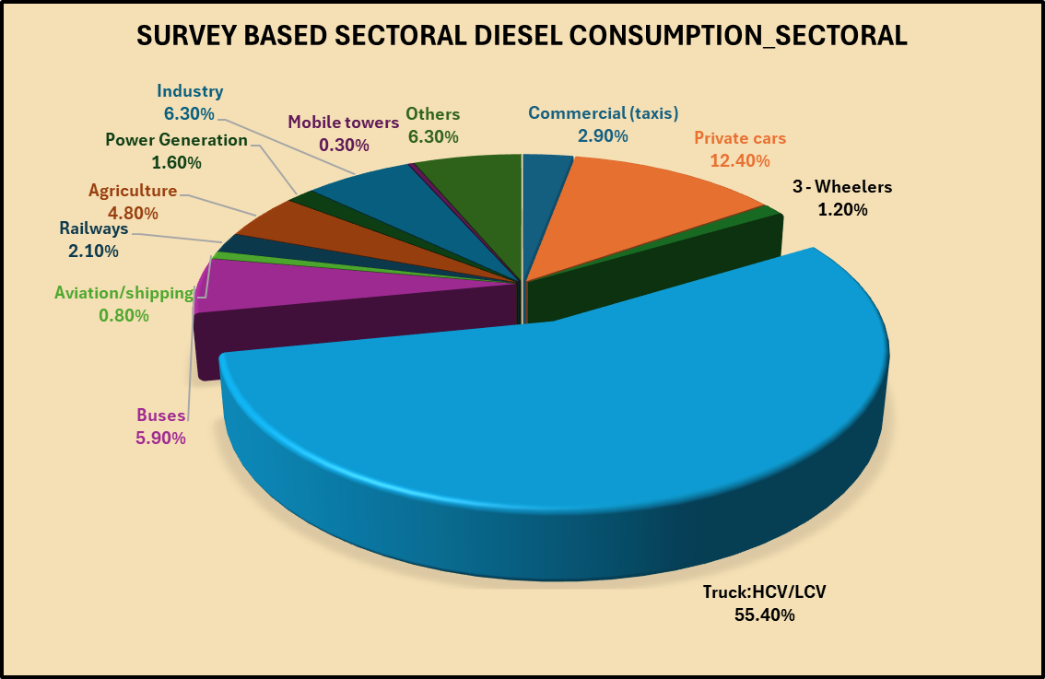
End-use sectoral analysis of POL domestic consumption
Survey based sectoral diesel consumption_sectoral
Sr. No | End Use Sectors | % of total Sales*
(I) | (II) | (III)
a | Commercial (taxis) | 2.90
b | Private cars | 12.40
c | 3 - Wheelers | 1.20
d | Truck:HCV/LCV | 55.40
e | Buses | 5.90
2 | Aviation/shipping | 0.80
3 | Railways | 2.10
4 | Agriculture | 4.80
 | Power Generation | 1.60
 | Industry | 6.30
5 | Mobile towers | 0.30
6 | Others | 6.30
 | Total | 100.00

*Figures include consumption through retail and direct imports
End use sector wise break up as per PPAC survey and direct & retail sales as reported by oil companies during October 2020 to September 2021

POL_sectoral
 |  |  |  |  | Bitumen | 481 | 509 | 362 | 201 | 136 | 187 | 1874 | 1.8743
 | Sector-wise HSD consumption for FY 2025-26 & FY 2024-25 YoY comparison

 |  | 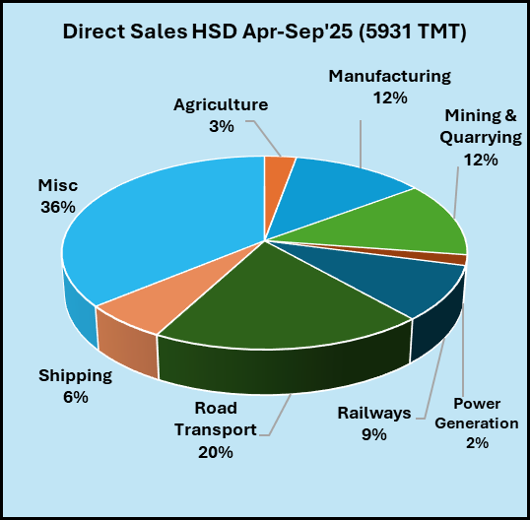 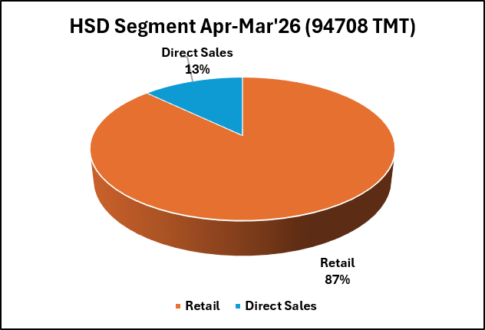
HSD Segment Apr-Mar'26 (94708 TMT)
 | HSD Segment Apr-Mar'26 (94705 TMT)
Retail | 82575.320501
Direct Sales | 12129.502697
 | HSD Segment Apr-Mar'25 (91407 TMT)
Retail | 80090.284311
Direct Sales | 11317.050731
Survey based diesel consumption_sectoral
Commercial (taxis) | 2.9
Private cars | 12.4
3 - Wheelers | 1.2
Truck:HCV/LCV | 55.4
Buses | 5.9
Aviation/shipping | 0.8
Railways | 2.1
Agriculture | 4.8
Power Generation | 1.6
Industry | 6.3
Mobile towers | 0.3
Others | 6.3

 | Direct Sales HSD Apr-Mar'26 (12130 TMT)
Agriculture | 515.37632683
Manufacturing | 1446.253586
Mining & Quarrying | 1561.5784644
Power Generation | 207.30686412
Railways | 1052.6016613
Road Transport | 2313.9757688
Shipping | 847.75018808
Misc | 4184.6598374
Direct Sales HSD Apr-Mar'26 (12132 TMT)
 | Direct Sales HSD Apr-Mar'26 (12130 TMT)
Agriculture | 515.37632683
Manufacturing | 1446.253586
Mining & Quarrying | 1561.5784644
Power Generation | 207.30686412
Railways | 1052.6016613
Road Transport | 2313.9757688
Shipping | 847.75018808
Misc | 4184.6598374
 | Direct Sales HSD Apr-Mar'25 (11317 TMT)
Agriculture | 464.25711065
Manufacturing | 1313.3441898
Mining & Quarrying | 1555.5250306
Power Generation | 197.96640844
Railways | 1210.0299412
Road Transport | 2274.6915142
Shipping | 764.27027587
Misc | 3536.9662605

 | Sector-wise PDS SKO consumption for FY 2025-26 and FY 2024-25
 | SKO Segment Sales Apr-Mar'25 (408 TMT)
Domestic | 230.99195924
Commercial/Industry/Others | 176.75298175
 | SKO Segment Sales Apr-Mar'26 (460 TMT)
Domestic | 283.19811261
Commercial/Industry/Others | 176.4451298

 | SKO Non-PDS Sectoral Sales Apr-Mar'26 (176 TMT)
Agriculture | 29.277048568
Manufacture | 25.02646028
Railways | 1.5618677043
Road Transport | 0.0056848249027
Power Generation | 120.57406842
 | SKO Non-PDS Sectoral Sales Apr-Mar'25 (177 TMT)
Agriculture | 31.532270591
Manufacture | 22.776639891
Railways | 2.6785992218
Road Transport | 0.020326070039
Power Generation | 119.74514598

 | Sector-wise LPG consumption for FY 2025-26 & FY 2024-25

LPG Sectoral Apr-Mar'26 (33169 TMT)
 | LPG Sectoral Apr-Mar'26 (33212 TMT)
Non-Domestic/Industry/Commercial | 2989.5569303
Bulk & Pvt Imports | 1405.6456155
Auto LPG | 69.132856676
Domestic | 28747.404288
 | LPG Sectoral Apr-Mar'25 (31328 TMT)
Non-Domestic/Industry/Commercial | 2679.7696484
Bulk & Pvt Imports | 921.711472
Auto LPG | 73.175174222
Domestic | 27653.521977

 | Sector-wiseNaphtha consumption for FY 2025-26 & FY 2024-25

Naptha Sector Sales Apr-Mar'26 (11726 TMT)
 | 2025-2026
Petrochemicals | 10911.8611
Misc | 813.895746
Naptha Sector Sales Apr-Mar'25 (13028 TMT)
 | 2024-2025
Petrochemicals | 11456.68337
Misc | 1571.757461

 | Sector-wise ATF consumption for FY 2025-26 & FY 2024-25

 | ATF Sectoral Sales Apr-Mar'26 (9161 TMT)
Military | 439.35066518
International Aviation | 3592.6230547
Domestic Aviation | 5129.4248028
 | ATF Sectoral Sales Apr-Mar'25 (8985 TMT)
Military | 122.99247374
International Aviation | 2302.971062
Domestic Aviation | 6558.7259226

 | Sector-wise FO consumption for FY 2025-26 & FY 2024-25

FO Sectoral Sales Apr-Mar'26 (6377 TMT)
 | 2025-2026
Aluminium | 385.75171467
Ceramic & Glass | 82.323011815
Chemicals & Allied | 149.98401414
Fertilizer | 308.01853634
Iron & Steel (Metallurgy) | 326.8063545
Mining & Quarrying | 127.48717219
Power Generation | 285.95967037
Shipping | 1632.7942509
Miscellaneous | 2284.7505296
FO Sectoral Sales Apr-Mar'25 (5720 TMT)
 | 2024-2025
Aluminium | 379.02660421
Ceramic & Glass | 82.647609946
Chemicals & Allied | 219.13964463
Fertilizer | 298.82654698
Iron & Steel (Metallurgy) | 393.70317306
Mining & Quarrying | 92.416539484
Power Generation | 287.024327
Shipping | 1503.8303558
Miscellaneous | 2463.3084398

 | Sector-wise Petcoke consumption for FY 2025-26 & FY 2024-25
This Chart might Change
Petcoke Sectoral Sales Apr-Mar'26 (18401 TMT)
 | 2025-2026
Cement | 3024.346995
Agriculture | 917.25541
Mining & Quarrying | 137.25606
Chemicals & Allied | 653.997166
Iron & Steel | 349.66094
Miscellaneous | 13318.272807
Petcoke Sectoral Sales Apr-Mar'25 (22002 TMT)
 | 2024-2025
Cement | 3569.355579
Agriculture | 818.71715
Mining & Quarrying | 127.360216
Chemicals & Allied | 702.747416
Iron & Steel | 300.57798
Miscellaneous | 16483.515204

 |  |  | Iron & Steel | 313.88958
 |  |  | Cement | 3534.197472
 |  |  | Agriculture | 765.1516
 |  |  | Others | 14672.913364

 | Sector-wise LDO consumption for FY 2025-26 & FY 2024-25

 | LDO Sectoral Sales Apr-Mar'26 (1009 TMT)
Power Generation | 360.01358594
Iron & Steel (Metallurgy) | 38.400174599
Miscellaneous | 610.91716008
 | LDO Sectoral Sales Apr-Mar'25 (838 TMT)
Power Generation | 338.92780193
Iron & Steel (Metallurgy) | 43.816481536
Miscellaneous | 455.43613895

6.6 PSU RO
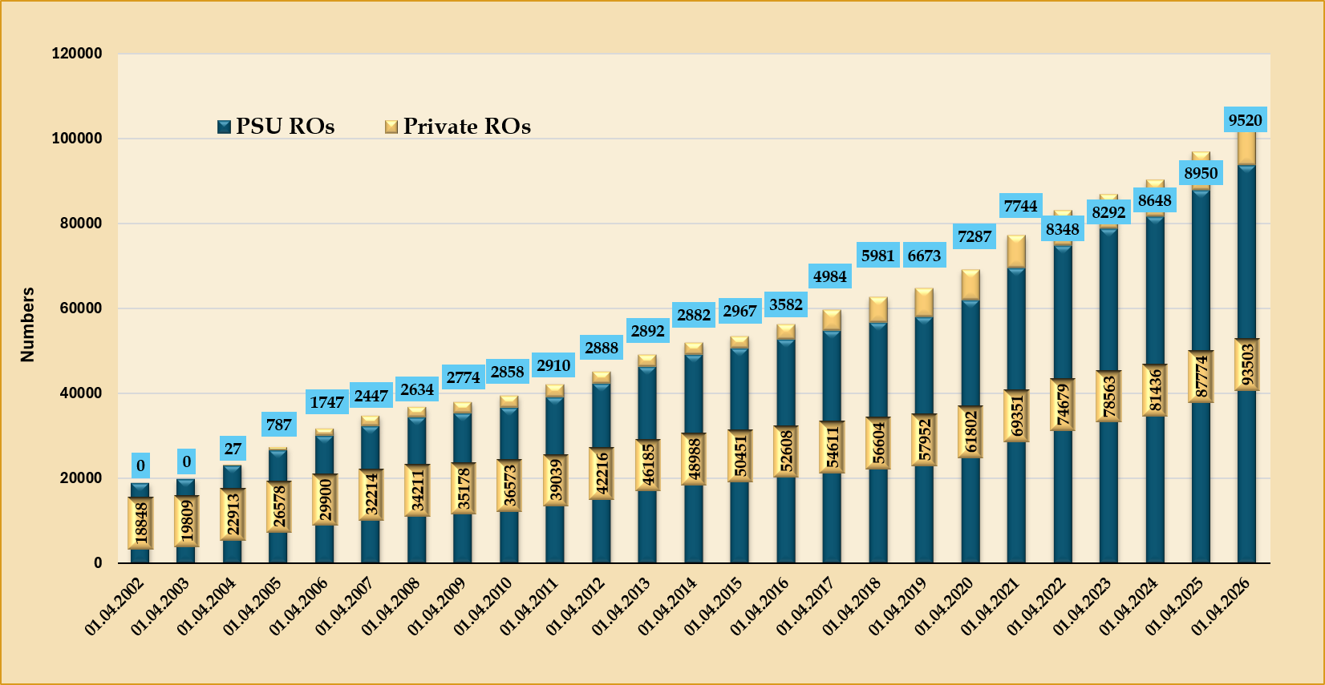
All India number of Retail Outlets in PSU and private category | Number of ROs

 | Year (as on 1st April) | PSU ROs | Private ROs | All India ROs |  | Year | PSU ROs | Pvt. ROs
 | 01.04.2002 | 18848 | 0 | 18848 |  | 1.4.2002 | 100.0% | 0.0%
 | 01.04.2003 | 19809 | 0 | 19809 |  | 1.4.2003 | 100.0% | 0.0%
 | 01.04.2004 | 22913 | 27 | 22940 |  | 1.4.2004 | 99.9% | 0.1%
 | 01.04.2005 | 26578 | 787 | 27365 |  | 1.4.2005 | 97.1% | 2.9%
 | 01.04.2006 | 29900 | 1747 | 31647 |  | 1.4.2006 | 94.5% | 5.5%
 | 01.04.2007 | 32214 | 2447 | 34661 |  | 1.4.2007 | 92.9% | 7.1%
 | 01.04.2008 | 34211 | 2634 | 36845 |  | 1.4.2008 | 92.9% | 7.1%
 | 01.04.2009 | 35178 | 2774 | 37952 |  | 1.4.2009 | 92.7% | 7.3%
 | 01.04.2010 | 36573 | 2858 | 39431 |  | 1.4.2010 | 92.8% | 7.2%
 | 01.04.2011 | 39039 | 2910 | 41949 |  | 1.4.2011 | 93.1% | 6.9%
 | 01.04.2012 | 42216 | 2888 | 45104 |  | 1.4.2012 | 93.6% | 6.4%
 | 01.04.2013 | 46185 | 2892 | 49077 |  | 1.4.2013 | 94.1% | 5.9%
 | 01.04.2014 | 48988 | 2882 | 51870 |  | 1.4.2014 | 94.4% | 5.6%
 | 01.04.2015 | 50451 | 2967 | 53418 |  | 1.4.2015 | 94.4% | 5.6%
 | 01.04.2016 | 52608 | 3582 | 56190 |  | 1.4.2016 | 93.6% | 6.4%
 | 01.04.2017 | 54611 | 4984 | 59595 |  | 1.4.2017 | 91.6% | 8.4%
 | 01.04.2018 | 56604 | 5981 | 62585 |  | 1.4.2018 | 90.4% | 9.6%
 | 01.04.2019 | 57952 | 6673 | 64625 |  | 1.4.2019 | 89.7% | 10.3%
On 1.4.2026 the number of public sector oil company owned retail outlets was 93503 out of a total of 103023 outlets on all India basis, whereas the number of retail outlets owned by private oil companies was 9520. Participation by private sector in retail outlet business started in FY 2004 with 27 retail outlets. As on 01.04.2026 it accounted for 9.3% of the total market representation. | 01.04.2020 | 61802 | 7287 | 69089 |  | 01.04.2020 | 89.5% | 10.5%
 | 01.04.2021 | 69351 | 7744 | 77095 |  | 01.04.2021 | 90.0% | 10.0%
 | 01.04.2022 | 74679 | 8348 | 83027 |  | 01.04.2022 | 89.9% | 10.1%
 | 01.04.2023 | 78563 | 8292 | 86855 |  | 01.04.2023 | 90.5% | 9.5%
 | 01.04.2024 | 81436 | 8648 | 90084 |  | 01.04.2023 | 90.4% | 9.6%
 | 01.04.2025 | 87774 | 8950 | 96724
Category wise Retail Outlets (Total 103023) as on 01.4.2026 | 01.04.2026 | 93503 | 9520 | 103023
 |  |  |  | 3229

 | Category wise retail outlets as on 01.10.2025 : Total nos. 99281

 | As on 01.04.2025 | SC | ST | UG | PH | PMP | DEF | FF | OSP | OBC | Others | Open | Total
 | Total no. of Ros | 10812 | 5035 | 341 | 1417 | 213 | 771 | 269 | 101 | 8250 | 1715 | 74099 | 103023
 | HPCL | 3101 | 1395 | 42 | 352 | 69 | 223 | 56 | 30 | 2426 | 623 | 16781 | 25098
 | IOCL | 4842 | 2312 | 239 | 765 | 116 | 377 | 149 | 57 | 3439 | 1031 | 29491 | 42818
 | BPCL | 2814 | 1306 | 60 | 299 | 28 | 170 | 64 | 14 | 2346 | 59 | 18163 | 25323
 | MRPL | 55 | 22 |  | 1 |  | 1 |  |  | 39 | 2 | 131 | 251
 | Private |  |  |  |  |  |  |  |  |  |  | 9533 | 9259

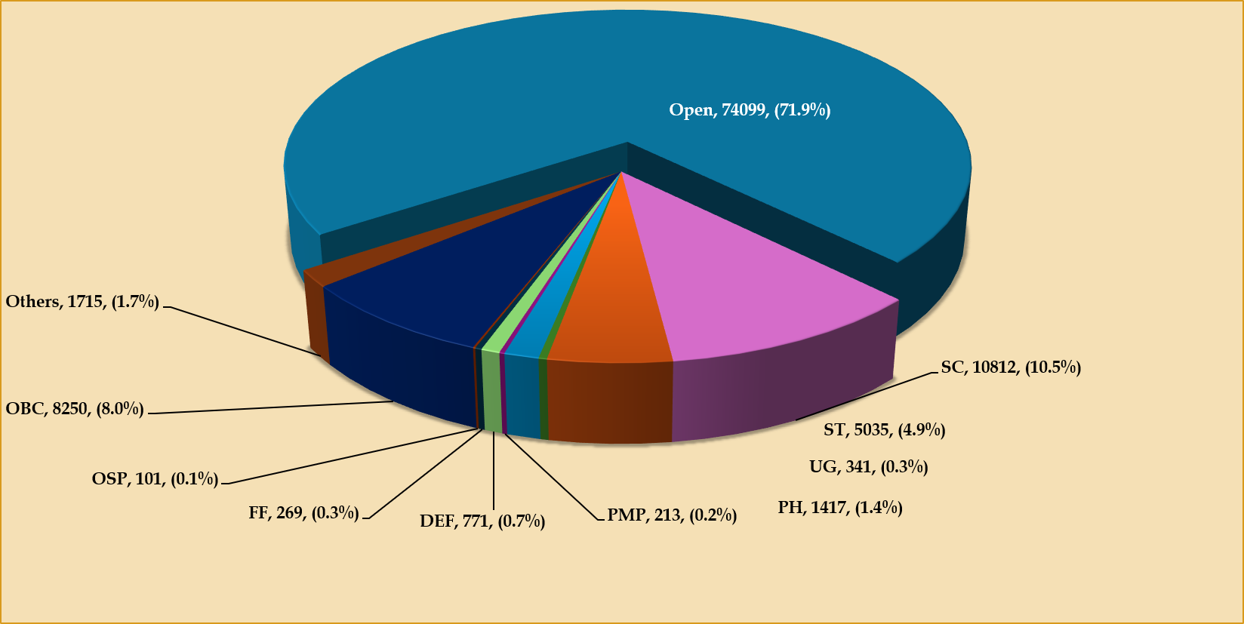
Note: (1) SC: Scheduled Caste; ST: Scheduled Tribe; UG: Unemployed Graduate; UEG: Unemployed Engineering Graduate.; PH: Physically Handicapped; DEF: Defence Category; FF: Freedom Fighter; OSP: Outstanding Sports Persons; OBC: Other Backward Classes; PMP: Para Military/Police/Govt. Personnel; Others: Includes Social Worker Category, Dealerships given on compassionate grounds/ under discretionary quota, 2/3 wheeler outlets and Company Owned and Operated outlets, Operation Vijay. (2) Open category also includes private oil company retail outlets. (3) OP: Open Category

6.8
Table 6.8 : Break-up of consumption data (PSU and Private)
(TMT)
Product | 2021-22 |  |  | 2022-23 |  |  | 2023-24 |  |  | 2024-25 |  |  | 2025-26
 | PSU | Private | Total | PSU | Private | Total | PSU | Private | Total | PSU | Private | Total | PSU | Private | Total
LPG | 28253 | 0 | 28253 | 28504 | 0 | 28504 | 29650 | 14 | 29664 | 31190 | 138 | 31328 | 32953 | 217 | 33170
MS | 27905 | 2944 | 30849 | 32631 | 2345 | 34976 | 34152 | 3067 | 37219 | 36334 | 3670 | 40005 | 38283 | 4304 | 42586
Naphtha | 6426 | 6820 | 13246 | 5428 | 6699 | 12127 | 6621 | 7191 | 13812 | 6942 | 6086 | 13028 | 6126 | 5599 | 11726
ATF | 4707 | 301 | 5008 | 6960 | 418 | 7378 | 7567 | 680 | 8247 | 7962 | 1022 | 8985 | 8272 | 889 | 9161
SKO | 1493 | 0 | 1493 | 490 |  | 490 | 479 | 0 | 479 | 408 | 0 | 408 | 460 | 0 | 460
HSD | 68411 | 8248 | 76659 | 81435 | 4466 | 85900 | 80700 | 8926 | 89626 | 80903 | 10504 | 91407 | 82932 | 11776 | 94708
LDO | 765 | 252 | 1017 | 625 | 100 | 726 | 650 | 132 | 782 | 663 | 175 | 838 | 698 | 311 | 1009
Lubes | 1563 | 2977 | 4540 | 1690 | 2047 | 3737 | 1806 | 2281 | 4087 | 1854 | 2726 | 4581 | 1929 | 3033 | 4962
FO/LSHS | 5542 | 720 | 6262 | 6174 | 783 | 6958 | 5782 | 739 | 6520 | 5770 | 728 | 6497 | 5934 | 443 | 6377
Bitumen | 5093 | 2723 | 7816 | 5211 | 2830 | 8041 | 5576 | 3231 | 8807 | 5769 | 2812 | 8582 | 6064 | 2634 | 8697
PetCoke | 6110 | 8145 | 14255 | 7206 | 11137 | 18343 | 7015 | 13304 | 20319 | 6958 | 15045 | 22002 | 6956 | 11445 | 18401
Others | 5073 | 7224 | 12297 | 5078 | 10764 | 15842 | 4939 | 9757 | 14696 | 5425 | 6136 | 11561 | 6051 | 4305 | 10357
Total | 161343 | 40354 | 201697 | 181432 | 41590 | 223022 | 184937 | 49321 | 234259 | 190179 | 49042 | 239221 | 196656 | 44957 | 241612
Source: Oil companies, Directorate General of Commercial Intelligence and Statistics (DGCIS) & SEZ data (included from FY 2017-18 onwards).
(Oil company sales+Private imports+SEZ sales to DTA=Consumption)
Note: Private consumption includes direct imports as well as marketing by private oil companies.

FY 2025-26

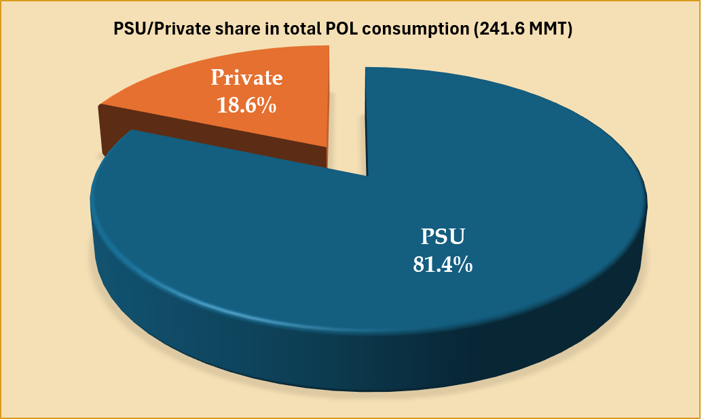
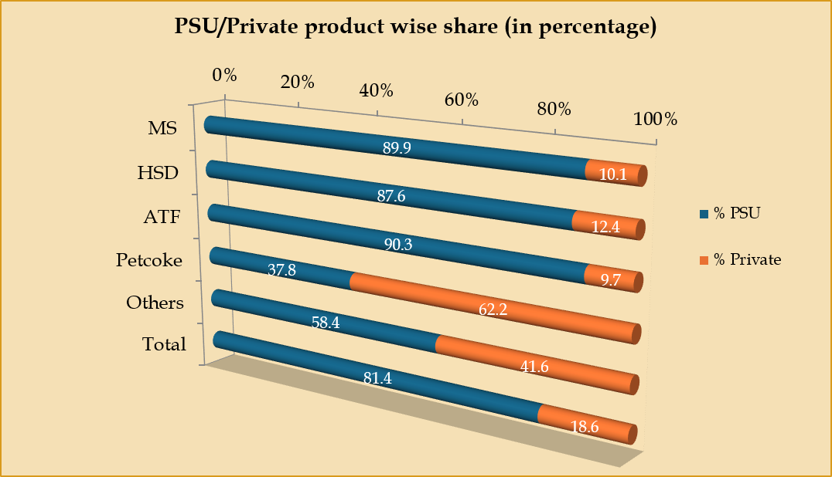

FY 2024-25
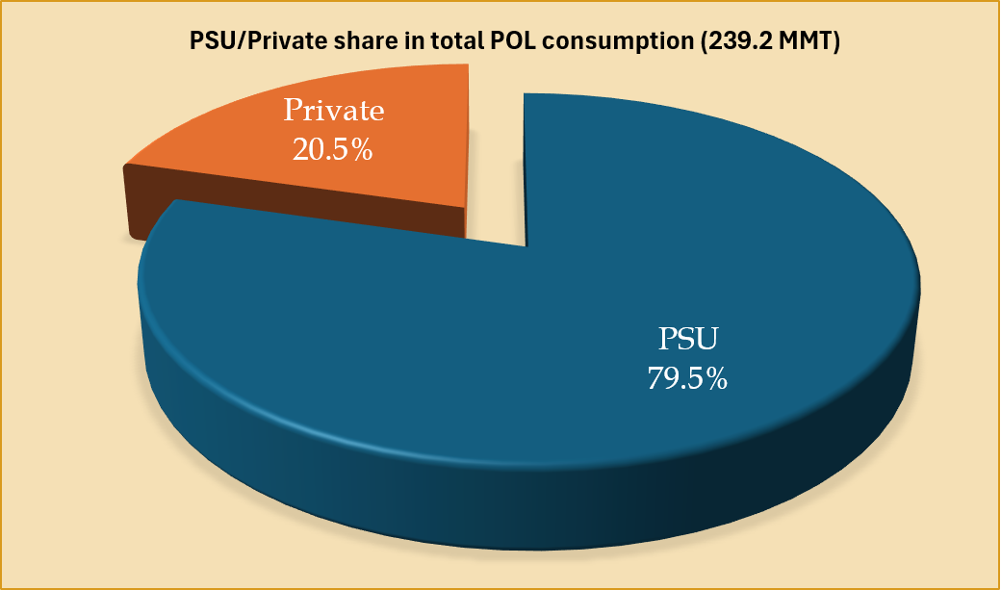
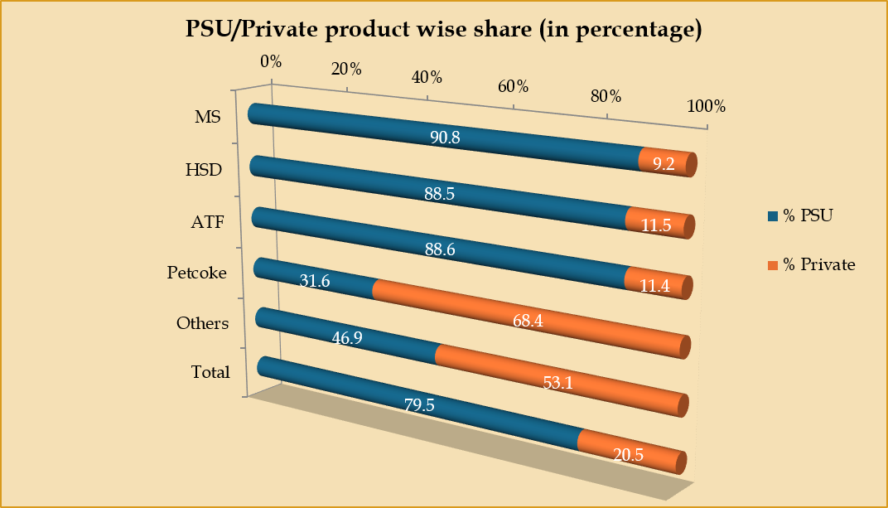

Note: In the above bar charts; others include all other products except MS, HSD, ATF & Petcoke.
• The share of the public sector in total consumption increased marginally during FY2025-26 by 1.9% as compared to the last year.
• The share of the public sector OMC's during FY 2025-26 has been increased in ATF(1.7%), Petcoke (6.2%) and Others (11.5%) as compared same period in previous year.
• In the private sector the increase in market share has been observed for MS(0.9%) and HSD(0.9%).

6.81_Charts
POL consumption by Product
MMT
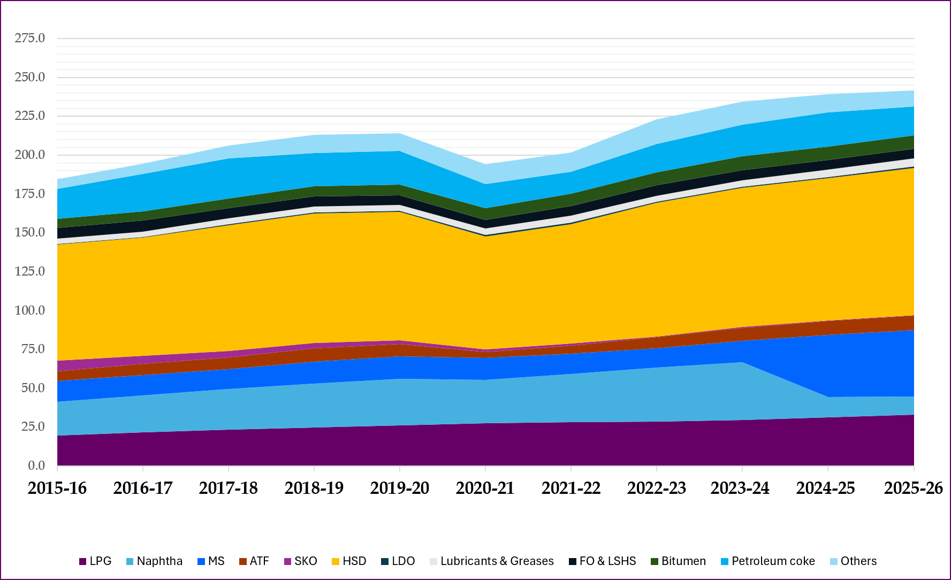

Distribution of total domestic POL sales in India

Zone Distribution of total domestic POL sales in India
2015-2016
2020-2021

 | 2015-16 |  | 2020-21 |  | 2025-26
 | EAST | 19235.94124 | EAST | 23246.474514 | EAST | 29014.180489
 | NORTH | 52812.56005 | NORTH | 50812.699152 | NORTH | 63840.008181
 | NORTH EAST | 3469.90144 | NORTH EAST | 4262.6877364 | NORTH EAST | 5644.5223158
 | SOUTH | 41724.51091 | SOUTH | 42697.210444 | SOUTH | 57962.167225
 | WEST | 48410.40561 | WEST | 51590.898165 | WEST | 67019.432936

2025-2026

Charts
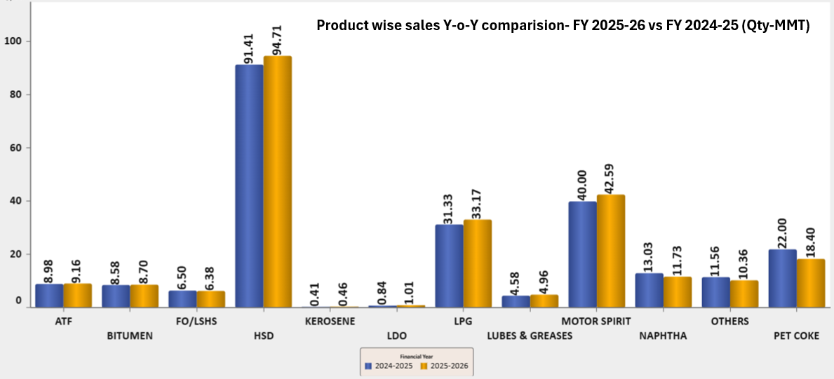
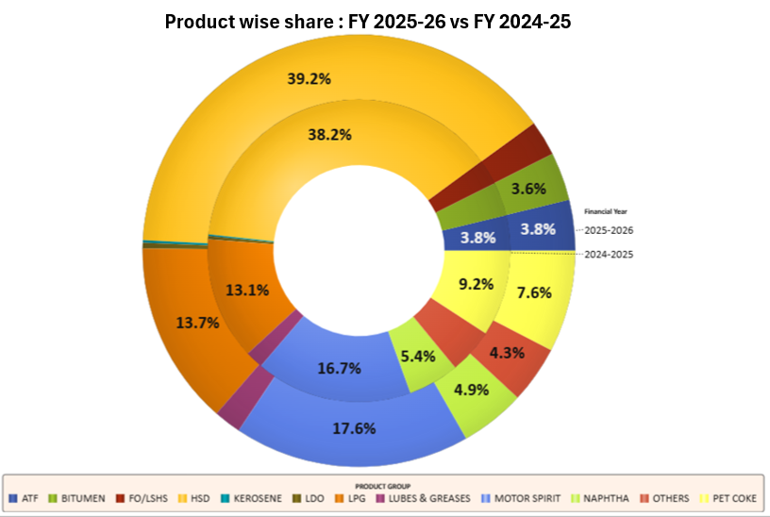

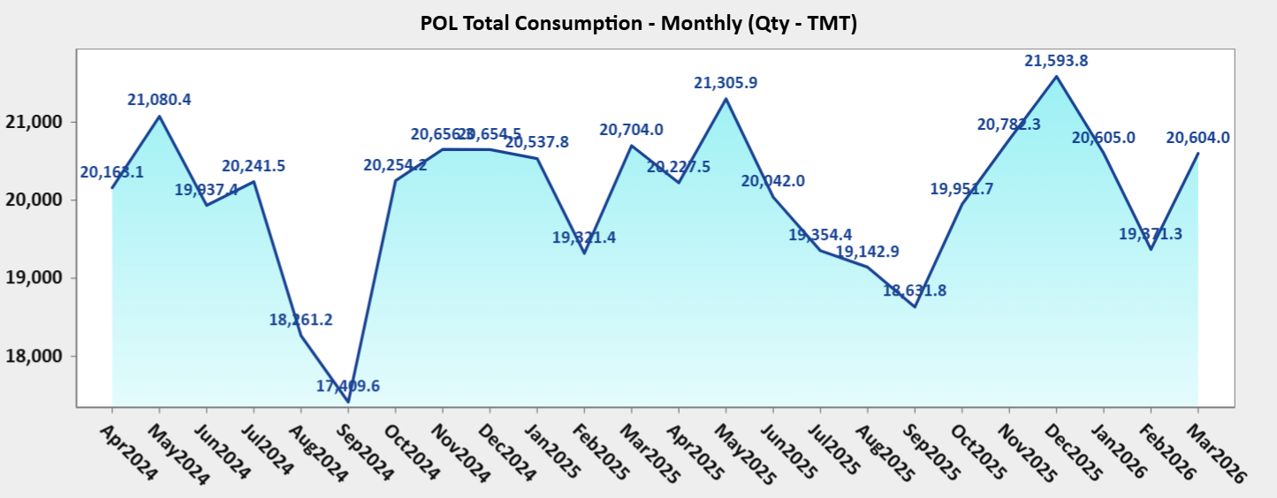

7.1
Table 7.1 : LPG Marketing

Particulars | 2020-21 | 2021-22 | 2022-23 | 2023-24 | 2024-25 | 2025-26
(TMT)
LPG production | 12072 | 12238 | 12831 | 12778 | 12785 | 13035
LPG consumption | 27540 | 28253 | 28503 | 29663 | 31328 | 33172
PSU sales | 27476 | 28253 | 28503 | 29649 | 31190 | 32956
of which:
Domestic | 25117 | 25502 | 25382 | 26208 | 27654 | 28747
Non-Domestic | 1885 | 2239 | 2606 | 2760 | 2680 | 2990
Bulk | 355 | 391 | 409 | 594 | 784 | 1150
Auto LPG | 118 | 122 | 107 | 88 | 73 | 69
Imports | 16476 | 17125 | 18309 | 18461 | 20840 | 21454
of which:
PSU imports | 16412 | 17125 | 18309 | 18447 | 20709 | 21237
Private imports | 64 | 0.1 | 0.1 | 14.1 | 130.6 | 216.8
Import dependency percentage of LPG^ | 56% | 57% | 55% | 57% | 59% | 61%
(Lakh)
Enrolment (domestic) | 85.8 | 158.4 | 101.2 | 112.5 | 43.6 | 67.0
As on | 1.4.2021 | 1.4.2022 | 1.4.2023 | 1.4.2024 | 1.4.2025 | 01.04.2026
LPG active domestic customers | 2895 | 3053 | 3140 | 3242 | 3297 | 3339
PMUY beneficiaries | 800 | 899 | 959 | 1033 | 1033 | 1058
Non-domestic customers | 33.9 | 35.2 | 35.9 | 31.9 | 37.3 | 34.5
(Percent)
LPG coverage (Estimated) | 99.8 | * | * | * | * | *
(Nos.)
LPG distributors | 25083 | 25269 | 25385 | 25481 | 25566 | 25607
of which:
Shehri Vitrak | 7899 | 7894 | 7925 | 7921 | 7925 | 7924
Rurban Vitrak | 3697 | 3720 | 3716 | 3754 | 3774 | 3789
Gramin & Durgam Kshetriya Vitrak | 13487 | 13655 | 13744 | 13806 | 13867 | 13894
Auto LPG dispensing stations (ALDS) | 651 | 601 | 525 | 468 | 440 | 364
(TMTPA)
Bottling capacity (rated) | 21249 | 21573 | 22225 | 22843 | 23083 | 23038
(TMT)
Gross tankage | 994 | 1088 | 1178 | 1241 | 1339 | 1583
Source: Oil companies & Directorate General of Commercial Intelligence and Statistics (DGCIS); *PSU OMCs
Note:
1. Data in respect of enrolment, customers, distributors, ALDS and rated bottling capacity pertain to PSU OMCs only.
2. Gross tankage includes LPG tankage at LPG bottling plants owned by PSU oil companies, all refineries, fractionators and LPG import terminals.
3. MOPNG vide letter no. P-20019/2/2016-LPG dated 23 June 2016 had issued unified guidelines for selection of LPG distributors. In the said guidelines, LPG distributor categories have been redefined. The historical data on LPG distributors has been rearranged in line with the new classification for comparison.
4. * “ The LPG coverage is calculated by PSU OMCs based upon the active LPG domestic connections and the estimated number of households. The number of households has been projected by PSU OMCs based on 2011 census data. Factors like increasing nuclearization of families, migration of individuals/ families due to urbanization and reduction in average size of households etc. impact the growth of number of households. Due to these factors, the estimated no. of households through projection of 2011 census data may slightly differ from the actual no. of households in a State/UT. Further, this methodology does not include PNG (domestic) connections." 5. ^Import dependency percentage of LPG = {1-(production/consumption)}x100 %

Figure 7.1: Numbers of Active Domestic LPG Customers (In Crore) as on 1st April
 | LPG Active Domstic Customers (in Lacs)
2015 | 14.86
2016 | 16.63
2017 | 19.88
2018 | 22.4265967
2019 | 26.5365225
2020 | 27.87
2021 | 28.9483145
2022 | 30.5
2023 | 31.4032781
2024 | 32.4218434
2025 | 32.97
2026 | 33.3921

7.2
Table 7.2 : State-wise Active Domestic LPG connections
(Number in lakhs)
States/UT | 1.4.2022 | 1.4.2023 | 1.4.2024 | 01.4.2025 | 01.4.2026
CHANDIGARH | 2.9 | 2.9 | 3.0 | 3.1 | 3.1
DELHI | 51.5 | 53.3 | 55.9 | 56.9 | 56.4
HARYANA | 74.8 | 76.1 | 80.7 | 82.6 | 84.0
HIMACHAL PRADESH | 21.1 | 21.5 | 21.9 | 22.4 | 22.5
JAMMU & KASHMIR | 35.7 | 34.6 | 35.0 | 35.4 | 35.6
LADAKH |  | 0.9 | 1.0 | 1.0 | 1.0
PUNJAB | 91.6 | 93.4 | 95.2 | 96.3 | 96.6
RAJASTHAN | 171.7 | 175.7 | 181.7 | 183.8 | 185.6
UTTAR PRADESH | 452.3 | 463.4 | 476.7 | 483.4 | 490.4
UTTARAKHAND | 29.2 | 30.3 | 31.3 | 32.3 | 32.3
SUB TOTAL NORTH | 930.8 | 952.2 | 982.4 | 997.3 | 1007.6
ARUNACHAL PRADESH | 3.0 | 3.1 | 3.2 | 3.3 | 3.4
ASSAM | 79.3 | 83.9 | 90.4 | 91.8 | 93.7
MANIPUR | 6.2 | 6.6 | 6.8 | 7.1 | 7.1
MEGHALAYA | 3.6 | 4.1 | 4.8 | 5.2 | 5.3
MIZORAM | 3.3 | 3.4 | 3.6 | 3.7 | 3.7
NAGALAND | 3.1 | 3.3 | 3.7 | 3.9 | 4.0
SIKKIM | 1.7 | 1.7 | 1.8 | 1.9 | 1.9
TRIPURA | 7.7 | 7.9 | 8.3 | 8.5 | 8.7
SUB TOTAL NORTH EAST | 107.9 | 113.9 | 122.6 | 125.3 | 127.9
ANDAMAN & NICOBAR ISLANDS | 1.2 | 1.2 | 1.3 | 1.3 | 1.3
BIHAR | 206.9 | 215.2 | 225.4 | 229.4 | 235.9
JHARKHAND | 60.7 | 62.8 | 65.5 | 66.2 | 67.6
ODISHA | 94.7 | 97.0 | 99.6 | 100.6 | 102.2
WEST BENGAL | 252.1 | 267.8 | 268.5 | 271.3 | 272.4
SUB TOTAL EAST | 615.6 | 643.9 | 660.3 | 668.7 | 679.4
CHHATTISGARH | 57.3 | 59.0 | 62.1 | 63.3 | 65.2
DADRA & NAGAR HAVELI and DAMAN & DIU | 1.6 | 1.7 | 1.7 | 1.7 | 1.8
GOA | 5.4 | 5.5 | 5.6 | 5.8 | 5.9
GUJARAT | 115.8 | 120.6 | 125.8 | 127.8 | 128.5 |  |  |  | ,
MADHYA PRADESH | 163.2 | 166.6 | 173.0 | 175.0 | 177.4
MAHARASHTRA | 298.5 | 303.9 | 310.8 | 317.1 | 320.1
SUB TOTAL WEST | 641.9 | 657.2 | 679.0 | 690.7 | 698.9
ANDHRA PRADESH | 147.1 | 149.2 | 155.2 | 159.5 | 161.6
KARNATAKA | 173.4 | 178.6 | 184.7 | 188.5 | 191.1
KERALA | 93.4 | 95.0 | 96.6 | 98.1 | 98.5
LAKSHADWEEP | 0.1 | 0.1 | 0.1 | 0.1 | 0.1
PUDUCHERRY | 3.9 | 3.9 | 4.0 | 4.1 | 4.2
TAMILNADU | 221.8 | 226.1 | 233.3 | 237.6 | 240.7
TELANGANA | 117.3 | 120.1 | 124.0 | 126.9 | 129.3
SUB TOTAL SOUTH | 757.0 | 773.1 | 797.9 | 814.9 | 825.5
ALL INDIA | 3053.24099 | 3140.32781 | 3242.2 | 3297.0 | 3339.2
Source: PSU OMCs (IOCL, BPCL and HPCL)
Figure 7.2: Active Domestic LPG Connections (Lakhs)
 |  |  |  |  |  | Region-wise | 01.4.2025 | 01.4.2026
 |  |  |  |  |  | North | 997 | 1008
 |  |  |  |  |  | North-East | 125 | 128
 |  |  |  |  |  | East | 669 | 679
 |  |  |  |  |  | West | 691 | 699
 |  |  |  |  |  | South | 815 | 825
 |  |  |  |  |  | ALL INDIA | 3297 | 3339

7.3
Table 7.3 : State-wise PMUY Connections
(Number in lakhs)
State/UT | 1.4.2022 | 1.4.2023 | 1.4.2024 | 01.4.2025 | 01.4.2026
Chandigarh | 0.00 | 0.01 | 0.02 | 0.02 | 0.02
Delhi | 0.99 | 1.42 | 2.60 | 2.60 | 2.89
Haryana | 7.39 | 7.67 | 11.10 | 11.15 | 12.11
Himachal Pradesh | 1.38 | 1.41 | 1.50 | 1.51 | 1.52
Jammu & Kashmir | 12.50 | 12.45 | 12.70 | 12.70 | 12.81
Ladakh | 0.00 | 0.11 | 0.10 | 0.11 | 0.11
Punjab | 12.36 | 12.84 | 13.60 | 13.59 | 13.62
Rajasthan | 66.20 | 69.27 | 73.80 | 73.81 | 75.18
Uttar Pradesh | 167.18 | 175.03 | 185.90 | 185.94 | 189.80
Uttarakhand | 4.50 | 4.96 | 5.30 | 5.30 | 5.31
Sub Total North | 272.51 | 285.18 | 306.60 | 306.72 | 313.38
Arunachal Pradesh | 0.48 | 0.49 | 0.50 | 0.54 | 0.55
Assam | 39.80 | 44.15 | 50.90 | 50.97 | 52.56
Manipur | 1.78 | 2.02 | 2.20 | 2.25 | 2.29
Meghalaya | 1.73 | 2.15 | 3.20 | 3.17 | 3.24
Mizoram | 0.30 | 0.34 | 0.40 | 0.36 | 0.38
Nagaland | 0.77 | 0.92 | 1.20 | 1.22 | 1.32
Sikkim | 0.12 | 0.14 | 0.20 | 0.20 | 0.20
Tripura | 2.72 | 2.84 | 3.20 | 3.16 | 3.34
Sub Total North East | 47.70 | 53.04 | 61.80 | 61.88 | 63.89
Andaman & Nicobar Islands | 0.13 | 0.13 | 0.10 | 0.14 | 0.14
Bihar | 100.95 | 107.33 | 116.20 | 116.29 | 120.68
Jharkhand | 34.75 | 36.46 | 39.00 | 38.94 | 39.83
Odisha | 51.88 | 53.20 | 55.50 | 55.49 | 56.53
West Bengal | 109.08 | 123.72 | 123.80 | 123.75 | 123.73
Sub Total East | 296.80 | 320.85 | 334.50 | 334.61 | 340.90
Chhattisgarh | 33.51 | 34.92 | 37.90 | 38.01 | 39.76
Dadra & Nagar Haveli and Daman & Diu | 0.15 | 0.15 | 0.20 | 0.18 | 0.19
Goa | 0.01 | 0.01 | 0.02 | 0.02 | 0.02
Gujarat | 34.38 | 38.43 | 43.00 | 43.08 | 44.03
Madhya Pradesh | 79.39 | 82.27 | 88.30 | 88.47 | 90.44
Maharashtra | 46.98 | 48.90 | 52.20 | 52.17 | 52.68
Sub Total West | 194.42 | 204.69 | 221.60 | 221.93 | 227.11
Andhra Pradesh | 4.17 | 5.12 | 9.70 | 9.73 | 11.38
Karnataka | 34.66 | 37.58 | 41.50 | 41.47 | 42.39
Kerala | 3.00 | 3.41 | 3.90 | 3.88 | 3.91
Lakshadweep | 0.00 | 0.00 | 0.00 | 0.004 | 0.004
Puducherry | 0.14 | 0.15 | 0.20 | 0.19 | 0.20
Tamil Nadu | 34.50 | 37.04 | 41.00 | 41.00 | 42.03
Telangana | 11.11 | 11.53 | 11.90 | 11.84 | 12.36
Sub Total South | 87.60 | 94.83 | 108.10 | 108.11 | 112.28
All India | 899.03 | 958.59 | 1032.70 | 1033.25 | 1057.55
Source: PSU OMCs (IOCL, BPCL and HPCL)
“PMUY connections” refer to those households where subscription vouchers have been issued

Figure 7.3: Region-wise PMUY connections (%)

 |  |  |  |  |  | Region-wise | 01.4.2025 | 01.4.2026
 |  |  |  |  |  | North | 29.7% | 29.6%
 |  |  |  |  |  | North-East | 6.0% | 6.0%
 |  |  |  |  |  | East | 32.4% | 32.2%
 |  |  |  |  |  | West | 21.5% | 21.5%
 |  |  |  |  |  | South | 10.5% | 10.6%

7.4
Table 7.4 : LPG Domestic customers enrolment (14.2 kg/5 kg) by PSU OMCs
(Number in lakhs)
State/UT | FY 2025-26 |  |  | FY 2024-25
 | 14.2 Kg | 5 Kg | Total | 14.2 Kg | 5 Kg | Total
Chandigarh | 0.05 | 0.00001 | 0.05 | 0.05 | 0.0004 | 0.05
Delhi | 1.08 | 0.0020 | 1.08 | 0.87 | 0.0056 | 0.88
Haryana | 2.46 | 0.0019 | 2.46 | 1.85 | 0.0144 | 1.86
Himachal Pradesh | 0.34 | 0.0020 | 0.34 | 0.35 | 0.0042 | 0.35
Jammu & Kashmir | 0.40 | 0.0014 | 0.40 | 0.38 | 0.0026 | 0.39
Ladakh | 0.03 | 0.0001 | 0.03 | 0.04 | 0.0003 | 0.04
Punjab | 1.41 | 0.0028 | 1.41 | 0.97 | 0.0066 | 0.98
Rajasthan | 2.81 | 0.0089 | 2.82 | 1.51 | 0.0133 | 1.52
Uttar Pradesh | 8.95 | 0.0167 | 8.96 | 4.99 | 0.0504 | 5.04
Uttarakhand | 0.59 | 0.0016 | 0.59 | 0.61 | 0.0059 | 0.62
Sub Total North | 18.11 | 0.0374 | 18.15 | 11.63 | 0.10 | 11.73
Arunachal Pradesh | 0.10 | 0.0018 | 0.10 | 0.09 | 0.0039 | 0.10
Assam | 2.39 | 0.0041 | 2.39 | 0.66 | 0.0074 | 0.67
Manipur | 0.16 | 0.0009 | 0.16 | 0.15 | 0.0018 | 0.16
Meghalaya | 0.13 | 0.0047 | 0.13 | 0.07 | 0.0013 | 0.08
Mizoram | 0.08 | 0.0020 | 0.08 | 0.05 | 0.0068 | 0.06
Nagaland | 0.15 | 0.0007 | 0.15 | 0.05 | 0.0008 | 0.05
Sikkim | 0.05 | 0.0003 | 0.05 | 0.05 | 0.0008 | 0.05
Tripura | 0.29 | 0.0024 | 0.30 | 0.12 | 0.0034 | 0.12
Sub Total North-East | 3.35 | 0.0168 | 3.36 | 1.25 | 0.03 | 1.28
Andaman & Nicobar Islands | 0.04 | 0.0012 | 0.04 | 0.04 | 0.0055 | 0.05
Bihar | 6.97 | 0.0114 | 6.98 | 2.84 | 0.0185 | 2.86
Jharkhand | 1.63 | 0.0027 | 1.63 | 0.58 | 0.0086 | 0.59
Odisha | 1.91 | 0.0057 | 1.92 | 0.85 | 0.0090 | 0.85
West Bengal | 2.58 | 0.0113 | 2.59 | 2.29 | 0.0433 | 2.33
Sub Total East | 13.13 | 0.0324 | 13.17 | 6.59 | 0.08 | 6.68
Chhattisgarh | 2.24 | 0.0107 | 2.25 | 0.67 | 0.0042 | 0.67
Dadra & Nagar Haveli and Daman & Diu | 0.05 | 0.0003 | 0.05 | 0.05 | 0.0001 | 0.05
Goa | 0.11 | 0.00004 | 0.11 | 0.13 | 0.0001 | 0.13
Gujarat | 2.45 | 0.0025 | 2.45 | 1.36 | 0.0078 | 1.37
Madhya Pradesh | 3.35 | 0.0113 | 3.36 | 1.35 | 0.0135 | 1.36
Maharashtra | 6.51 | 0.0105 | 6.53 | 6.46 | 0.0144 | 6.47
Sub Total West | 14.72 | 0.0353 | 14.75 | 10.01 | 0.04 | 10.05
Andhra Pradesh | 3.21 | 0.0030 | 3.21 | 2.32 | 0.0079 | 2.33
Karnataka | 4.07 | 0.0217 | 4.09 | 3.27 | 0.0181 | 3.29
Kerala | 1.44 | 0.0023 | 1.44 | 1.46 | 0.0090 | 1.46
Lakshadweep | 0.01 | 0.0000 | 0.01 | 0.01 | 0.0001 | 0.01
Puducherry | 0.11 | 0.0002 | 0.11 | 0.07 | 0.0008 | 0.07
Tamil Nadu | 5.66 | 0.0281 | 5.69 | 3.95 | 0.0529 | 4.00
Telangana | 2.98 | 0.0027 | 2.98 | 2.71 | 0.0122 | 2.72
Sub Total South | 17.48 | 0.0581 | 17.53 | 13.79 | 0.10 | 13.89
All India | 63.44 | 0.16 | 66.96 | 43.27 | 0.36 | 43.63
Source: PSU OMCs (IOCL, BPCL and HPCL)
Figure No 7.4: Region-wise percentage of new enrolments in FY 2025-26 & FY 2024-25

 | 2025-26 | 2024-25
North | 27.1% | 26.9%
North East | 5.0% | 2.9%
East | 19.7% | 15.3%
West | 22.0% | 23.0%
South | 26.2% | 31.8%

7.5
Table 7.5 : State-wise Number of LPG Distributors
(Nos.)
State/UT | 01.04.2022 | 01.04.2023 | 01.04.2024 | 01.04.2025 | 01.04.2026 | Category -wise as on 01.04.2026
 |  |  |  |  |  | Sheheri Vitrak | Rurban Vitrak | Gramin Vitrak | Durgam Kshetriya Vitrak
Chandigarh | 26 | 26 | 26 | 26 | 26 | 26 | 0 | 0 | 0
Delhi | 319 | 317 | 317 | 318 | 318 | 318 | 0 | 0 | 0
Haryana | 625 | 624 | 626 | 627 | 627 | 282 | 103 | 233 | 9
Himachal Pradesh | 207 | 207 | 209 | 210 | 211 | 69 | 14 | 91 | 37
Jammu & Kashmir | 291 | 270 | 273 | 275 | 275 | 126 | 34 | 75 | 40
Ladakh | * | 24 | 24 | 24 | 25 | 0 | 13 | 3 | 9
Punjab | 861 | 858 | 860 | 863 | 863 | 334 | 258 | 250 | 21
Rajasthan | 1387 | 1387 | 1384 | 1385 | 1389 | 434 | 164 | 656 | 135
Uttar Pradesh | 4134 | 4142 | 4142 | 4145 | 4144 | 1005 | 709 | 2308 | 122 | North | 8194 | 32.0%
Uttarakhand | 315 | 316 | 318 | 317 | 316 | 113 | 104 | 59 | 40 | North East | 1120 | 4.4%
Sub Total North | 8165 | 8171 | 8179 | 8190 | 8194 | 2707 | 1399 | 3675 | 413 | East | 5211 | 20.3%
Arunachal Pradesh | 85 | 85 | 85 | 85 | 85 | 6 | 6 | 33 | 40 | West | 5435 | 21.2%
Assam | 596 | 596 | 597 | 601 | 604 | 129 | 101 | 308 | 66 | South | 5647 | 22.1%
Manipur | 101 | 102 | 102 | 103 | 104 | 15 | 13 | 36 | 40
Meghalaya | 64 | 63 | 65 | 66 | 66 | 21 | 9 | 19 | 17
Mizoram | 59 | 59 | 59 | 59 | 59 | 11 | 6 | 26 | 16
Nagaland | 83 | 83 | 83 | 83 | 84 | 15 | 11 | 17 | 41
Sikkim | 27 | 28 | 29 | 29 | 29 | 9 | 1 | 9 | 10 | Sheheri Vitrak | 7924 | 30.9%
Tripura | 80 | 80 | 83 | 87 | 89 | 18 | 8 | 49 | 14 | Rurban Vitrak | 3789 | 14.8%
Sub Total North-East | 1095 | 1096 | 1103 | 1113 | 1120 | 224 | 155 | 497 | 244 | Gramin Vitrak | 11841 | 46.2%
Andaman & Nicobar Islands | 9 | 9 | 10 | 10 | 10 | 0 | 4 | 5 | 1 | Durgam Kshetriya Vitrak | 2053 | 8.0%
Bihar | 2009 | 2024 | 2033 | 2037 | 2033 | 240 | 252 | 1503 | 38
Jharkhand | 582 | 585 | 587 | 589 | 594 | 163 | 52 | 359 | 20
Odisha | 960 | 963 | 965 | 965 | 965 | 173 | 100 | 578 | 114
West Bengal | 1560 | 1586 | 1591 | 1603 | 1609 | 405 | 164 | 966 | 74
Sub Total East | 5120 | 5167 | 5186 | 5204 | 5211 | 981 | 572 | 3411 | 247
Chhattisgarh | 534 | 534 | 534 | 534 | 537 | 105 | 75 | 173 | 184
Dadra & Nagar Haveli and Daman & Diu | 6 | 6 | 7 | 7 | 8 | 5 | 1 | 2 | 0
Goa | 55 | 56 | 55 | 55 | 55 | 44 | 4 | 5 | 2
Gujarat | 1020 | 1038 | 1041 | 1041 | 1043 | 421 | 120 | 489 | 13
Madhya Pradesh | 1543 | 1551 | 1551 | 1552 | 1551 | 471 | 210 | 485 | 385
Maharashtra | 2219 | 2231 | 2237 | 2240 | 2241 | 1010 | 192 | 846 | 193
Sub Total West | 5377 | 5416 | 5425 | 5429 | 5435 | 2056 | 602 | 2000 | 777
Andhra Pradesh | 1083 | 1093 | 1144 | 1157 | 1164 | 324 | 303 | 430 | 107
Karnataka | 1270 | 1271 | 1271 | 1277 | 1279 | 535 | 139 | 552 | 53
Kerala | 698 | 696 | 698 | 704 | 704 | 224 | 137 | 321 | 22
Lakshadweep | 1 | 1 | 1 | 1 | 1 | 1 | 0 | 0 | 0
Puducherry | 27 | 29 | 29 | 29 | 30 | 15 | 12 | 3 | 0
Tamil Nadu | 1642 | 1645 | 1643 | 1652 | 1658 | 566 | 365 | 617 | 110
Telangana | 791 | 800 | 802 | 810 | 811 | 291 | 105 | 335 | 80
Sub Total South | 5512 | 5535 | 5588 | 5630 | 5647 | 1956 | 1061 | 2258 | 372
All India | 25269 | 25385 | 25481 | 25566 | 25607 | 7924 | 3789 | 11841 | 2053
Source: PSU OMCs (IOCL, BPCL and HPCL)
Figure 7.5.1: Region-wise distribution of LPG distributors as on 1.4.2026
Figure 7.5.2: Category wise distribution of distributors as on 1.4.2026

8.1 graph
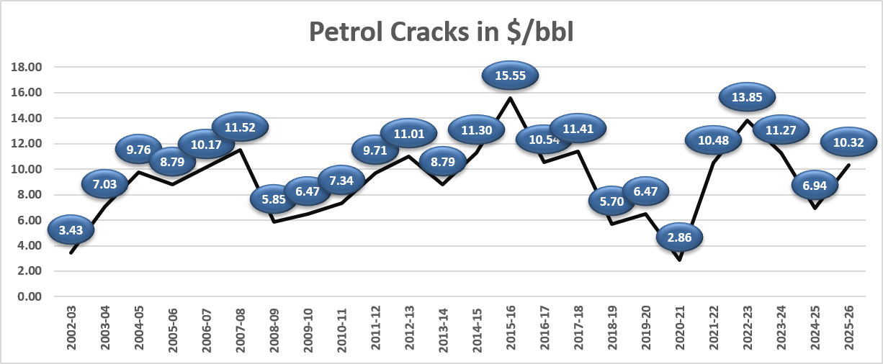

Trend in spread of international benchmark crude oils
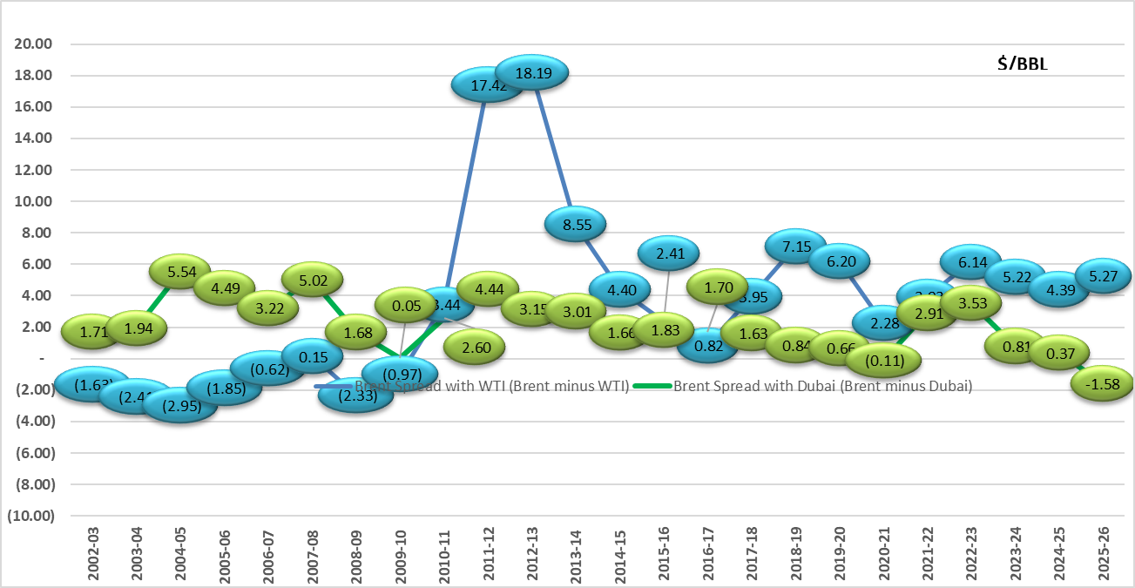

Trend in spreads of petroleum products vs Indian basket of crude oil

