Dashboard

Jabalpur, Fuel Tracking Analysis
Total orders by each petrol pump
 | Total
ABC Fuels | 17321
Bharat Filling Station | 17524
Highway Pumps | 17600
SpeedWay Fuels | 17247
XYZ Petroleum | 17193
Avg sales
1333136.6
Total_quantity
86885
Averagerate fuel
76708.8
Quantity per petrol pump
 | Total
ABC Fuels | 17321
Bharat Filling Station | 17524
Highway Pumps | 17600
SpeedWay Fuels | 17247
XYZ Petroleum | 17193
TotalAmount by month
 | Total
April-2025 | 679405500
May-2025 | 5986277500
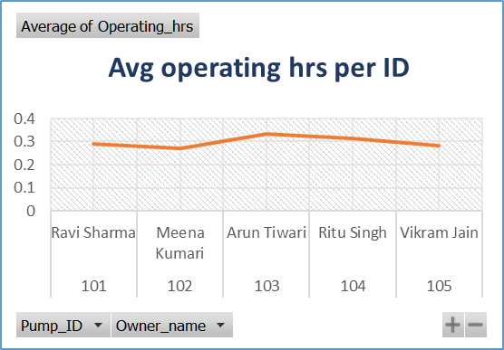
Pump ranking by sales
 | pump_rank
Highway Pumps | 1
Bharat Filling Station | 2
ABC Fuels | 3
SpeedWay Fuels | 4
XYZ Petroleum | 5

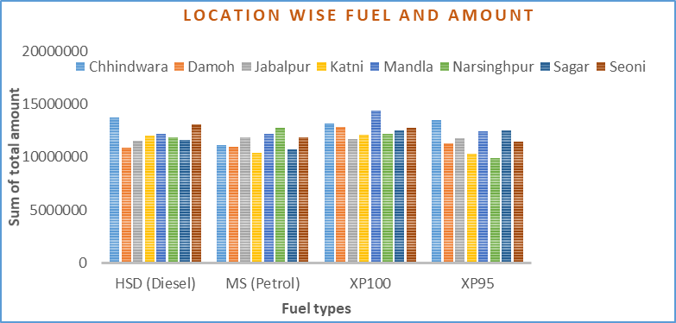
Avg quantity per PO No.
 | Total
IOCL/CHH/10002 | 24
IOCL/CHH/10009 | 11
IOCL/CHH/10011 | 13
IOCL/CHH/10013 | 26
IOCL/CHH/10020 | 16
IOCL/CHH/10027 | 30
IOCL/CHH/10028 | 28
IOCL/CHH/10046 | 16
IOCL/CHH/10053 | 15
IOCL/CHH/10068 | 29
IOCL/CHH/10078 | 6
IOCL/CHH/10084 | 18
IOCL/CHH/10131 | 25
IOCL/CHH/10135 | 22
IOCL/CHH/10136 | 14
IOCL/CHH/10144 | 21
IOCL/CHH/10148 | 29
IOCL/CHH/10175 | 9
IOCL/CHH/10195 | 20
IOCL/CHH/10213 | 25
IOCL/CHH/10214 | 26
IOCL/CHH/10221 | 11
IOCL/CHH/10230 | 6
IOCL/CHH/10244 | 21
IOCL/CHH/10282 | 24
IOCL/CHH/10291 | 29
IOCL/CHH/10306 | 11
IOCL/CHH/10320 | 12
IOCL/CHH/10324 | 11
IOCL/CHH/10330 | 30
IOCL/CHH/10336 | 30
IOCL/CHH/10337 | 18
IOCL/CHH/10367 | 21
IOCL/CHH/10378 | 17
IOCL/CHH/10383 | 16
IOCL/CHH/10390 | 23
IOCL/CHH/10394 | 26
IOCL/CHH/10398 | 17
IOCL/CHH/10407 | 25
IOCL/CHH/10417 | 5
IOCL/CHH/10429 | 5
IOCL/CHH/10431 | 6
IOCL/CHH/10432 | 26
IOCL/CHH/10434 | 22
IOCL/CHH/10444 | 30
IOCL/CHH/10453 | 30
IOCL/CHH/10467 | 13
IOCL/CHH/10471 | 30
IOCL/CHH/10477 | 29
IOCL/CHH/10481 | 29
...
Avg fuel delay days
 | Total
ABC Fuels | 2.999
Bharat Filling Station | 2.9530791789
Highway Pumps | 2.9783037475
SpeedWay Fuels | 3.0378710338
XYZ Petroleum | 2.9492900609

Petrol pump by total amount
 | Total
HSD (Diesel) | 331978500
MS (Petrol) | 300340500
XP100 | 377305500
XP95 | 321023000
HSD (Diesel) | 354396500
MS (Petrol) | 305456500
XP100 | 332021500
XP95 | 352806000
 | 1347472500
 | 1322986500
 | 1319896000

