Cust Info tab
Implement same as JD Toyota

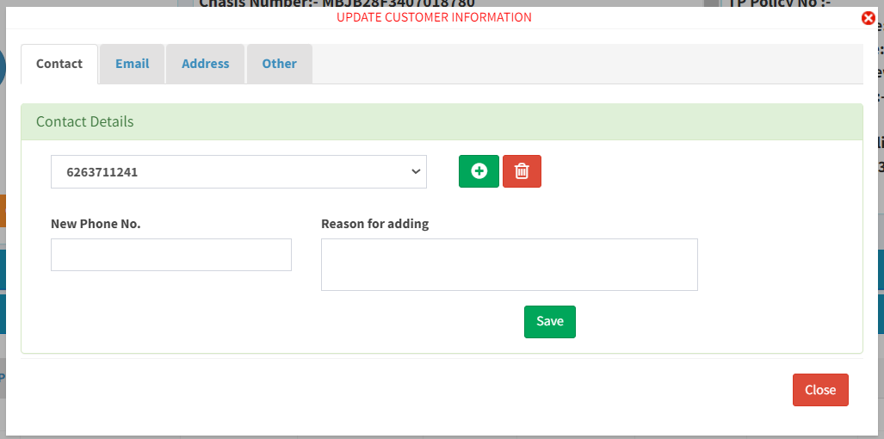
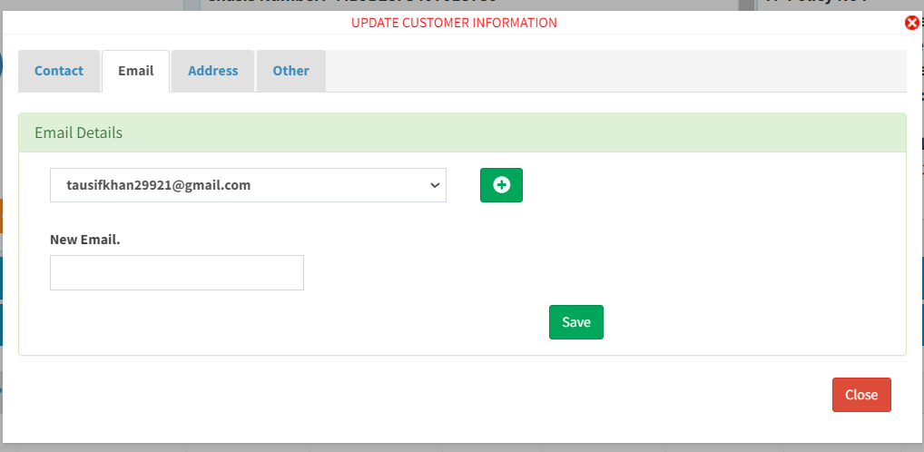
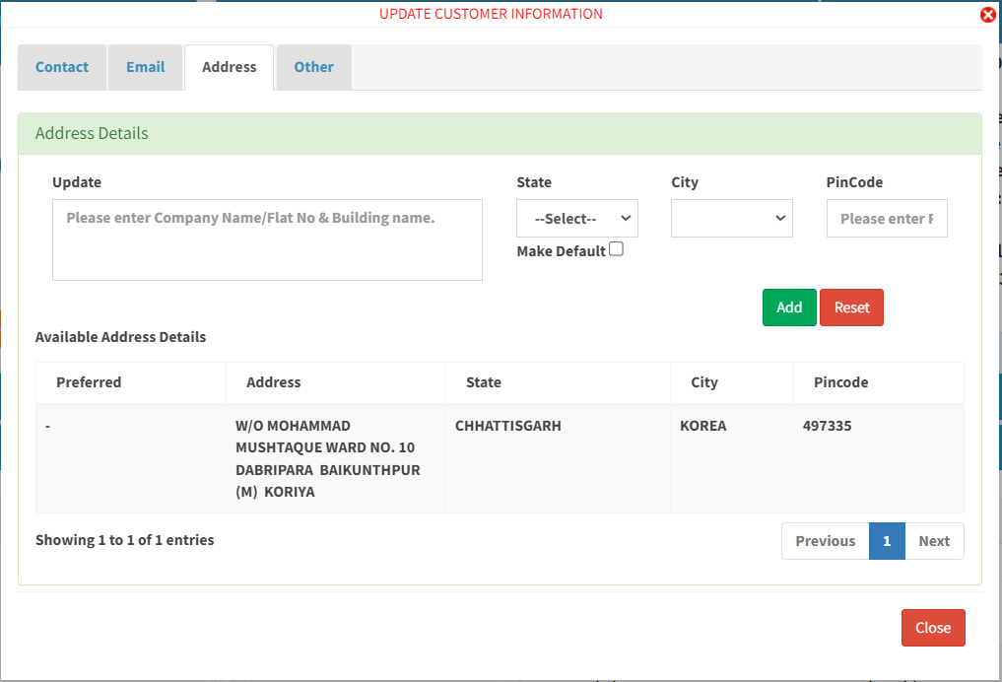
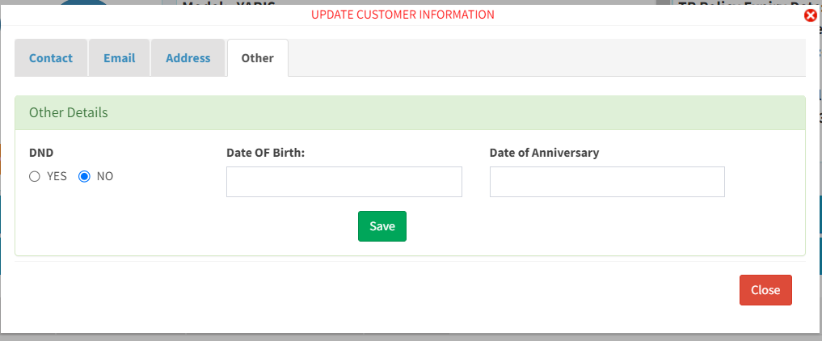

*to be added in all instances in other details tab | PAN Card No:
Refer Bhandari | Add CKYC No:

*Provision to identify reliable and not reliable phone number. UI to be designed by Chanchal Sir and team

Widgets


Service History for JD |  | need a common upload format for service history
Uploaded Date
Repair Order Date
Repair Order no
Workshop
Bill Date
Phone number
Kilometer
Service Type
Menu code Description | *Rename as description
Service Advisor Name
Technician Name
Part Amount
Labour Amount
Total Amount

INSURANCE INFORMATION TABLE |  | *highlighted in violet will be first row to be displayed
 |  |  |  |  | *Rename as Policy Expiry Date
Policy Issue Date | Policy Number | Insurance Company | Policy type | Class | Due Date | Gross Total Premium
2023-05-11 | 570331236669 | N.I.C | Renewal | COMPREHENSIVE | 2024-05-31 | 11027
 |  |  |  |  | *check |  |  |  | *require upload format | *require upload format
Risk Inception Date | Policy Coverage | Premium | Tax | Phone Number | Policy Tenure | DISCOUNT | Malus NCB Value | Cancel Status | Cancelled Date | Cancelled Remarks
2023-05-11 | 01-06-2023 TO 31-05-2024 | 9345 |  | 9960602392 | 1 + 0 policy |  | 35 | N

Proposal No | PRODUCT TYPE | Dealer Code | Dealer's Executive | Dealer Outlet City | Dealers Cancelation Excutive | OD Cancelled Date | Auto Debit Status | Insurance Decalred Value(Rs) | Showroom Price(Rs) | Third Party Liabilty
R176755548 |  |  | Akshay | Thalassery |  |  | Normal | 293316 | 488860
 |  |  |  |  |  |  | *Rename as Legal Liability Premium |  | *Rename as Add On Description
Renewal Status(MI/NON MI) | Financed | Finance Company | OD% | NCB% | NCB Value | OD Discount | Legal Liabilty | Net Liability | Add On | Add On Premium
MI Own Renewal | y | State Bank of India |  |  |  | 45 |  |  | Consumables-Nil-Depreciation Key Protect
 |  |  |  |  |  | *NET OD PREMICA in Toyota
Other Premium | 64VB Verified Status | TPPD Extn Sum Assured | Cheque of | TP Premium | PA Premium | OD Premium | RTI Premium | RTISTATUS | Engine Cover Premium | CNG Premium
 | Verified | 7500000 |  | 2094 | 0 | 1924 | 1731 | yes | 587 | 0

Part A Premium | PA Sum Insured Per Person | PA No. Of Person | Voluntary Excess Limit | Electrical Accessories Premium | Non-Electrical Accessories Premium | Part B Premium | Driver Cover Premium | Consumable Premium | CONSUMABLE STATUS | RSA Premium
6926 | 0 | 5 | 0 | 0 | 0 | 2419 | 50 | 499 | yes | 0

RSA STATUS | KeyProtectPremium | KEYPROTECT STATUS | Zero Dep. Premium | Zero Dep. Status | Free Scheme | Web Policy Status(Y/N) | EPSTATUS
yes | 250 | yes | 250 | yes | No

DOCUMENT UPLOAD HISTORY
DEPT
USER
UPLOAD DATE TIME
DOCUMENT NAME
LINK
WHATSAPP
EMAIL
Upload new document
Tag to Dept
Document Name
Choose files
Upload

