Pinout ESP
Border color | Device | Funktion
Blue | Ethernet
Red | 2 x MCP23017 | First is as Output (8 mechanic relais and 8 solid state relais) Second as Input for current state of heating outputs
Green | OneWire Temp Sensor DS18B20

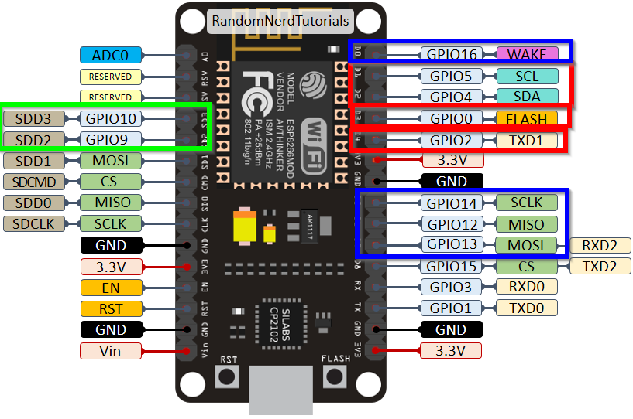

D0 | GPIO16 | CS (Chip select) Ethernet
D1 | GPIO5 | SCL MCP23017
D2 | GPIO4 | SDA MCP23017
D3 | GPIO0 | Int Port 1 MCP23017
D4 | GPIO2 | Int Port 2 MCP23017
D5 | GPIO14 | SCLK Ethernet
D6 | GPIO12 | MISO Ethernet
D7 | GPIO13 | MOSI Ethernet
D8 | GPIO15 | switch Power for Gas sensor (CS not for INPUT it could get problems)
Rx | GPIO3 | Serial Interface
Tx | GPIO1 | Serial Interface
ADC0 |  | Measurement Gas quality of ventilation

