Tabelle1
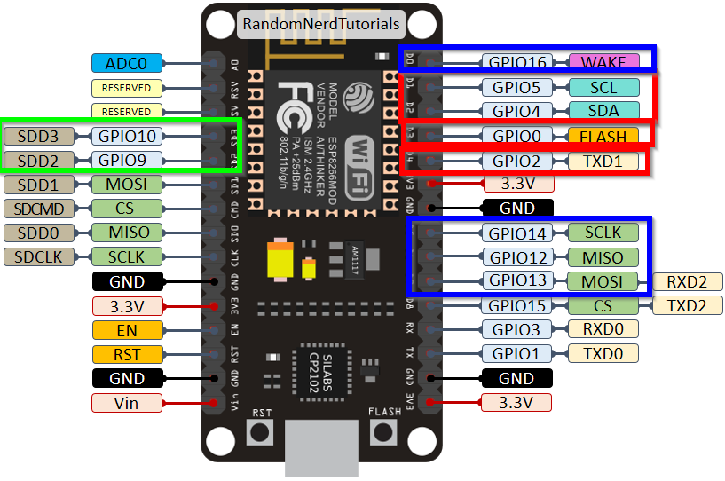
Border color | Device | Funktion
Blue | Ethernet
Red | 2 x MCP23017 | First is as Output (8 mechanic relais and 8 solid state relais) Second as Input for current state of heating outputs
Green | OneWire Temp Sensor DS18B20

