Current-State VSM
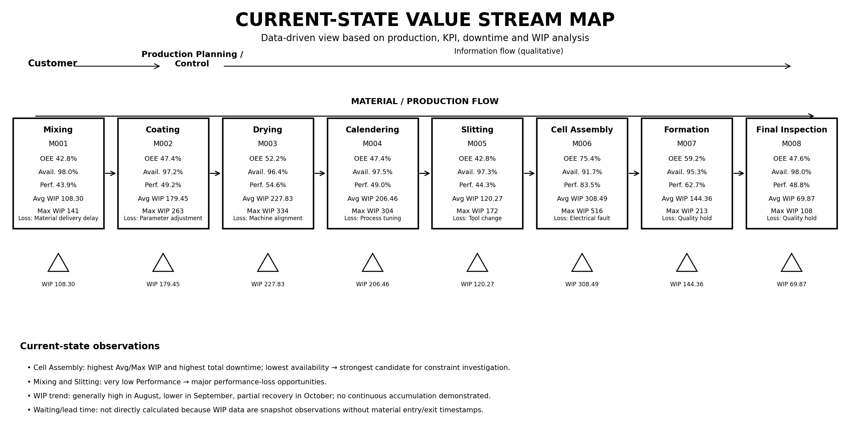
CURRENT-STATE VALUE STREAM MAP
Data-driven current-state view based on completed production, KPI, downtime and WIP analysis

