overview
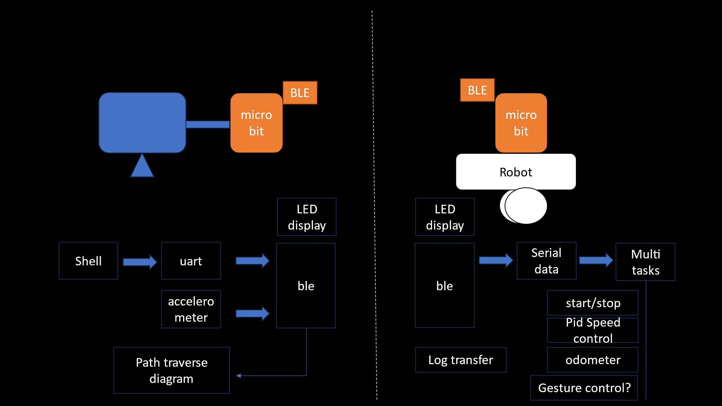
Component | Function
Micro:bit (Control) | Reads gestures, processes commands, and sends data via BLE/Radio.
Micro:bit (Robot) | Controls motors based on received commands, reads encoder data, and tracks movement.
Motor Driver | Interface for controlling two motors with PWM speed regulation.
Encoders | Provides feedback on motor speed and position.
BLE Communication | Control-to-Robot command transmission.
Radio Communication | Broadcasting in Platooning mode.

