Sheet3
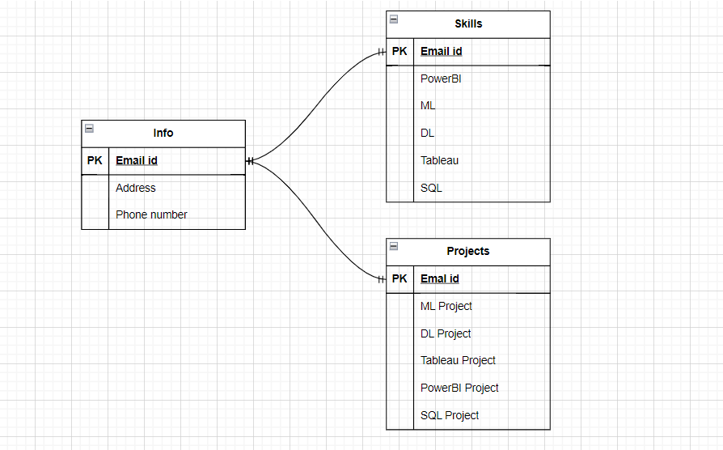

Entity Relationship Model

