Excel Universe
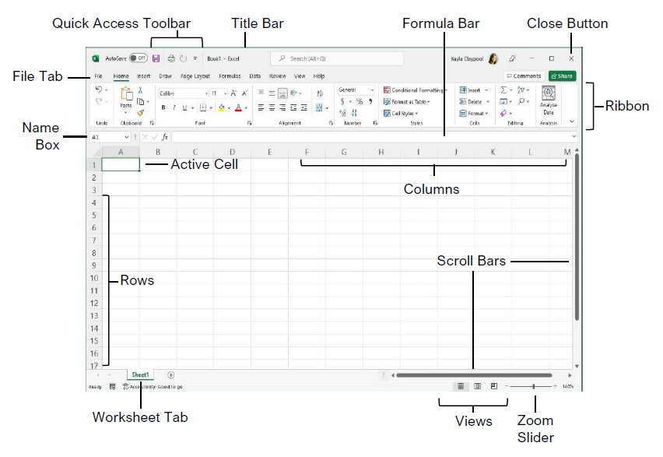

$$A=πr^{2}$$

 |  | 9:00:00

 |  | $1,200.00

 |  | 12

 | 1.20E+01

 | 120,000 | 123

 | 23.6789

Insert

Page Layout

Formulas

Pivot table
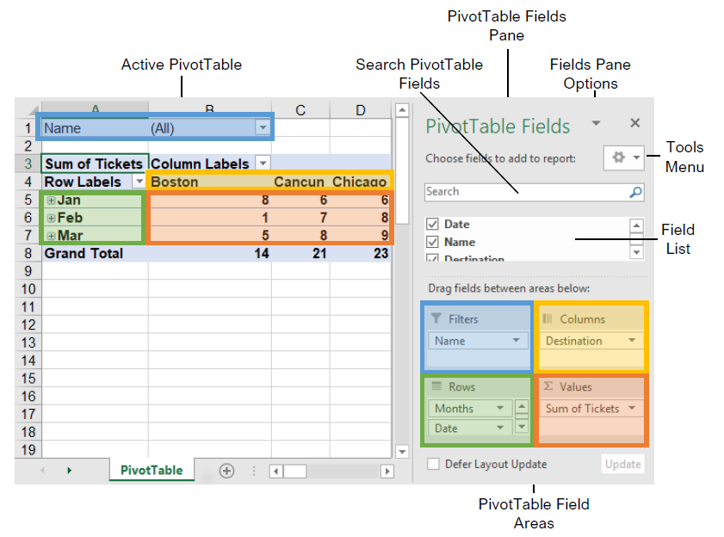
S.No | Topics
1 | Pivot Table Creation
2 | Pivot table Components(rows, columns, filter, values)
3 | Nested pivot tables
4 | Layout
5 | Editing Pivot tables
6 | Slicer
7 | Calculated Fields
8 | Pivot Charts

Visualizations
 | S.No | Topics
 | 1 | Bar Graphs
 | 2 | Stacked Bars
 | 3 | Histograms
 | 4 | Line Graphs
 | 5 | Pie Charts
 | 6 | Combo Charts

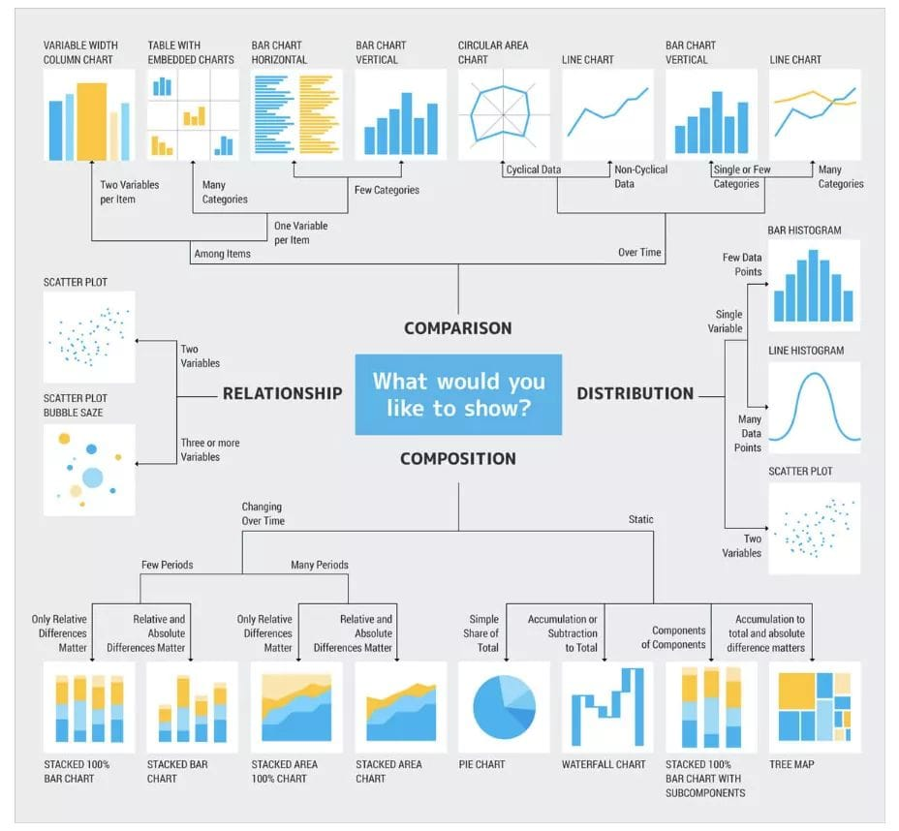

Bar And Pie Charts

 | Region | Sales
 | East | 6,324
 | West | 5,789
 | North | 1,456
 | South | 3,245

Stacked Bars

 | Store | Clothing | Equipment | Accessories
 | Cherry St. | 15674.87 | 13092.02 | 14628.59
 | Strawberry Mall | 12000.98 | 11002.45 | 13022.26
 | Peach St. | 8754.65 | 9913.71 | 11386.3
 | Apple Road | 4235.98 | 5810.46 | 6728.36

Combo Charts

 | New Model | Old Model | % Change in Lift
 | 190 | 170 | 12%
 | 170 | 159 | 7%
 | 152 | 147 | 3%
 | 139 | 134 | 4%
 | 130 | 127 | 3%
 | 123 | 120 | 2%
 | 118 | 115 | 2%
 | 112 | 111 | 1%
 | 106 | 105 | 0%
 | 100 | 100 | 0%

Line charts

 | Store | January | February | March | April | May | June | July
 | Cherry St. | 60 | 63 | 78 | 45 | 89 | 90 | 100
 | Strawberry Mall | 145 | 145 | 135 | 137 | 139 | 144 | 134
 | Peach St. | 187 | 185 | 184 | 167 | 189 | 190 | 145
 | Apple Road | 267 | 224 | 267 | 278 | 256 | 235 | 247

Histograms

 | Student Id | Marks |  | Bins
 | 1 | 50 |  | 30
 | 2 | 67 |  | 40
 | 3 | 87 |  | 50
 | 4 | 75 |  | 80
 | 5 | 80
 | 6 | 84
 | 7 | 90
 | 8 | 45
 | 9 | 77
 | 10 | 74
 | 11 | 89
 | 12 | 66
 | 13 | 50
 | 14 | 100
 | 15 | 88
 | 16 | 30
 | 17 | 78
 | 18 | 60
 | 19 | 35
 | 20 | 59

Difference between Bar charts and Histograms

 | Bar charts |  |  | Histograms
 | The bar graph is a graphical representation of data that uses bars to compare different categories of data. |  |  | The histogram is a term that refers to a graphical representation that shows data by way of bars to display the frequency of numerical data.
 | Comparison of discrete variables. |  |  | Distribution of non-discrete variables.
 | In this type of graph, elements are taken as individual entities. |  |  | In this type of graph, elements are grouped so that they are considered as ranges.
 | To compare different categories of data. |  |  | To display the frequency of occurrences.
 | Bar graph, it is common to rearrange the blocks, from highest to lowest |  |  | In Histogram, we cannot rearrange the blocks.

Shortcut keys
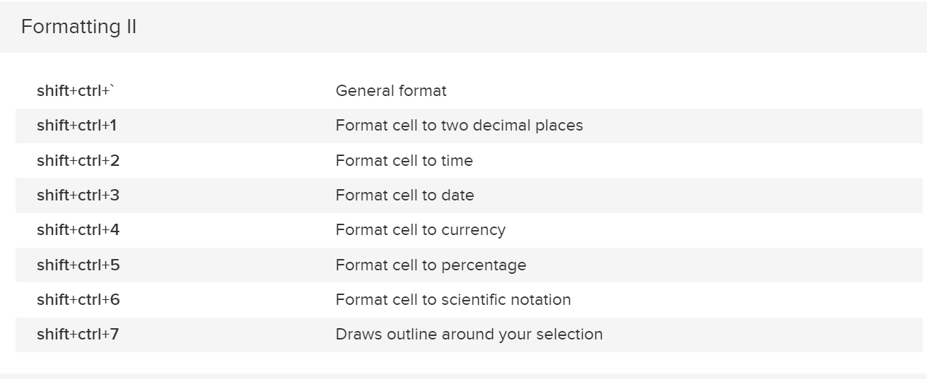

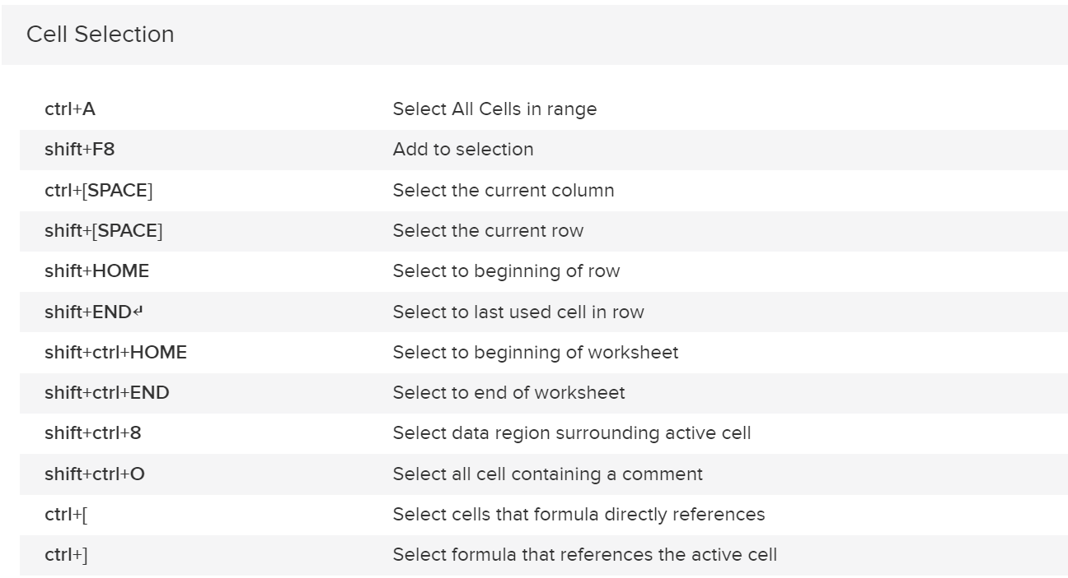

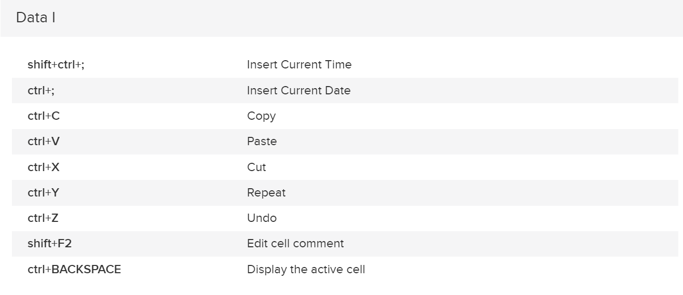

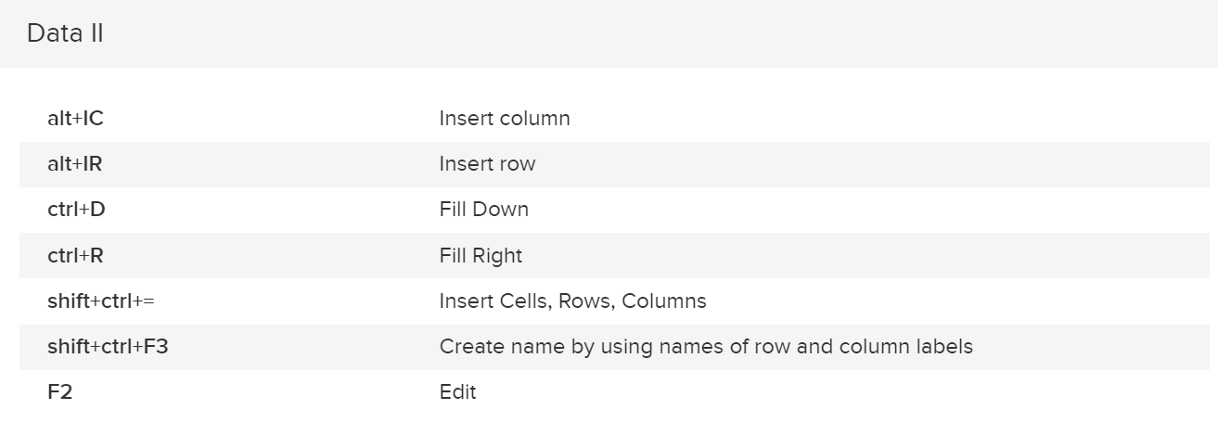

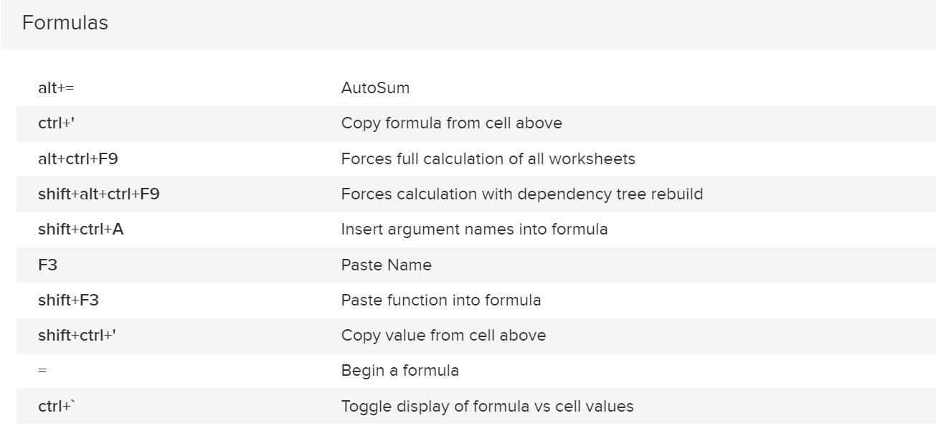

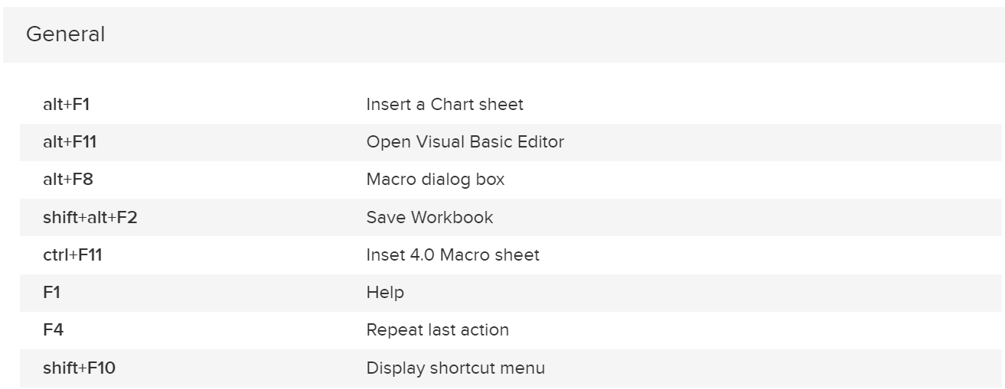

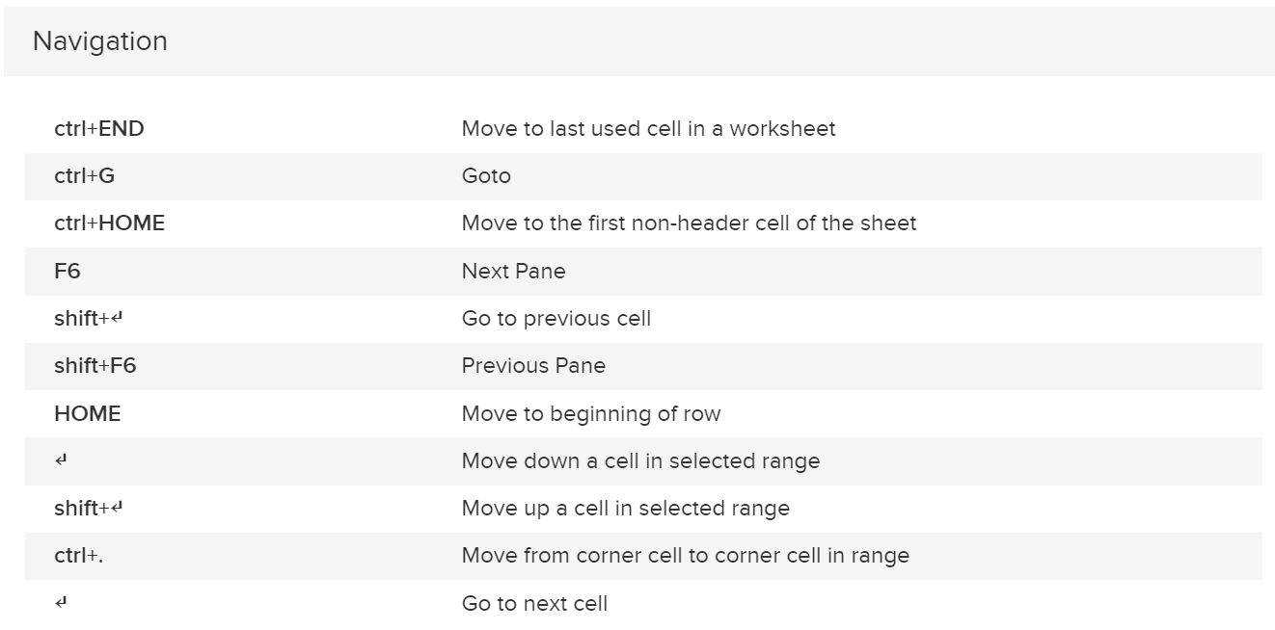

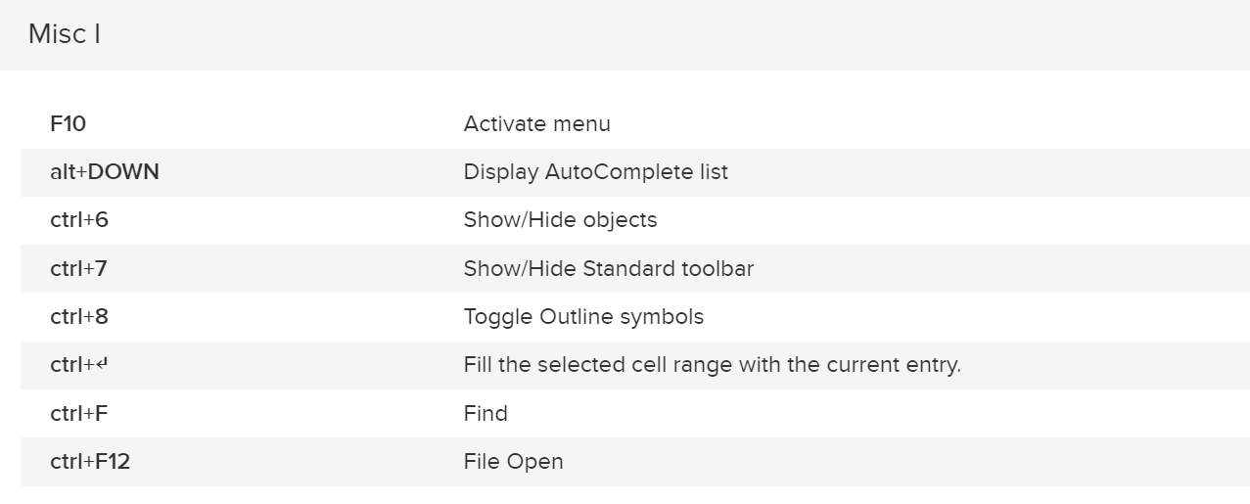

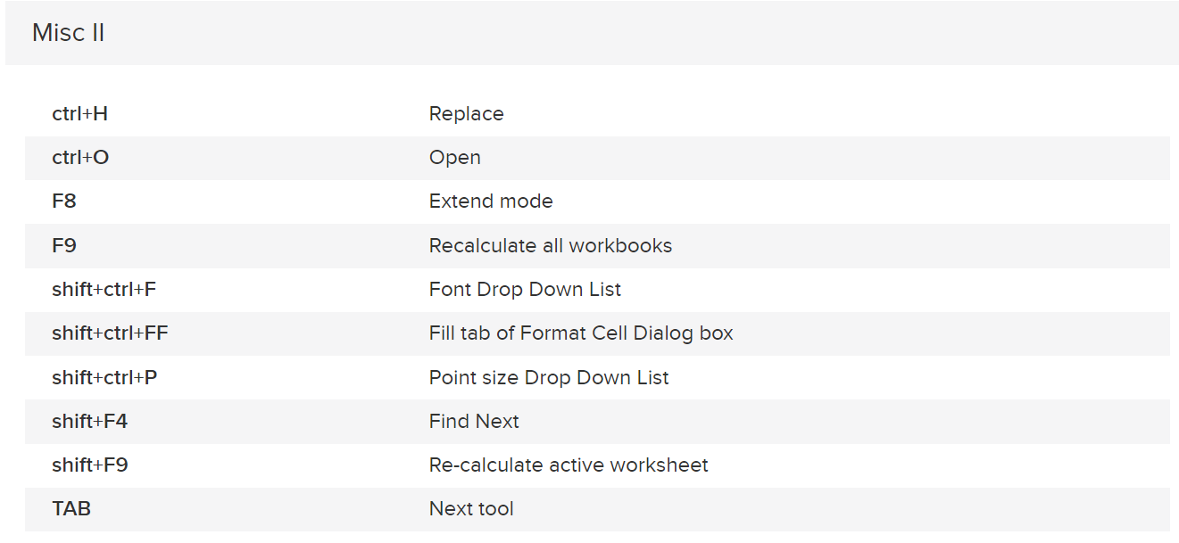

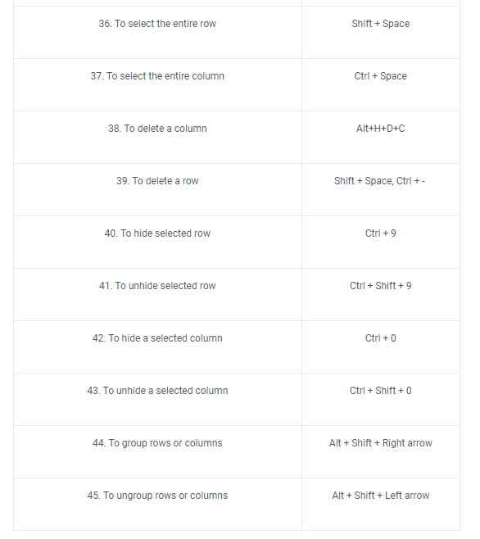

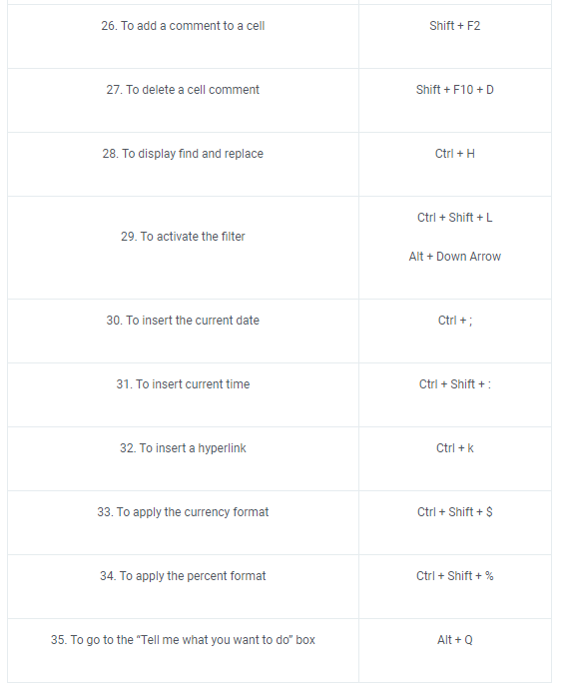

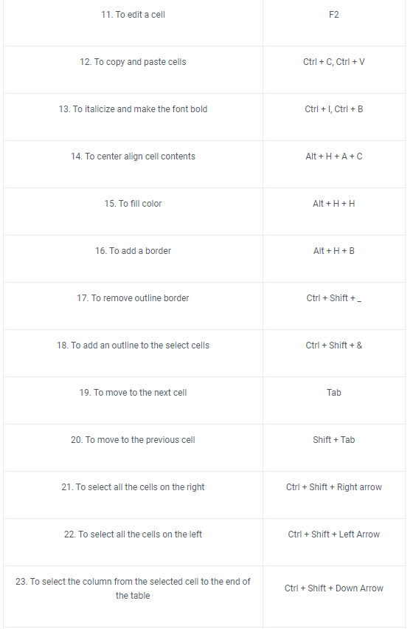

Functions
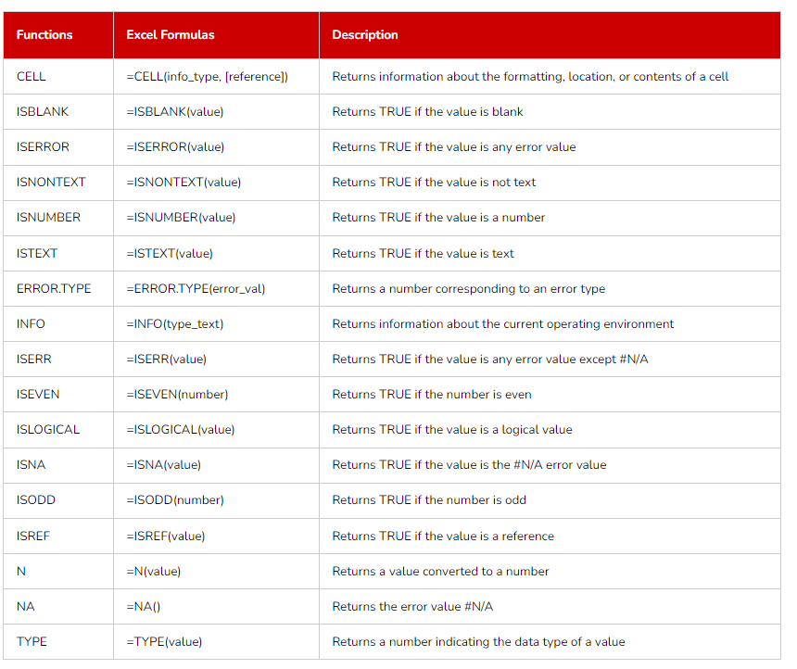

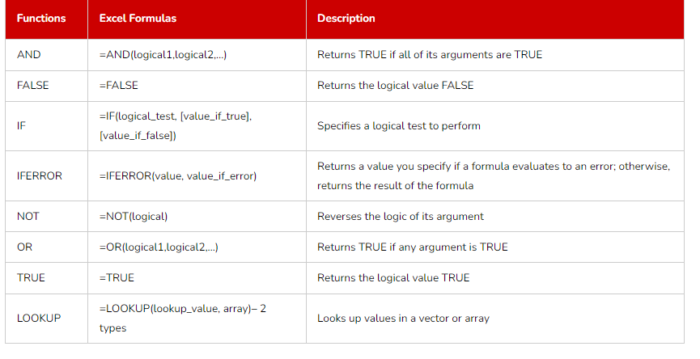

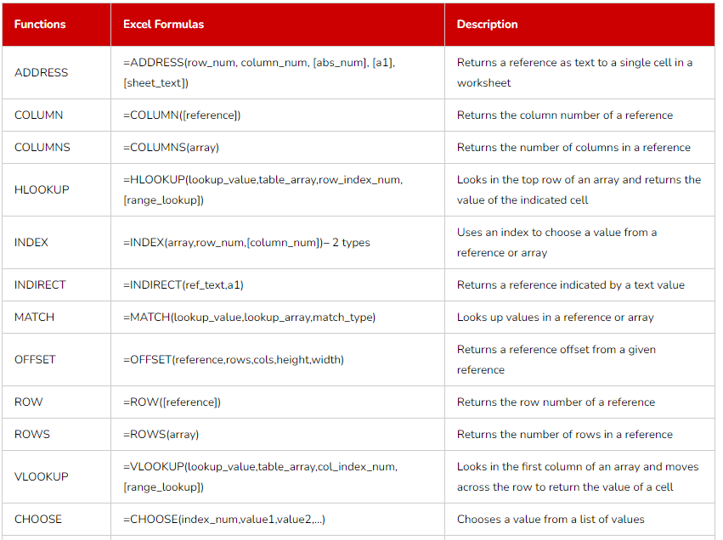

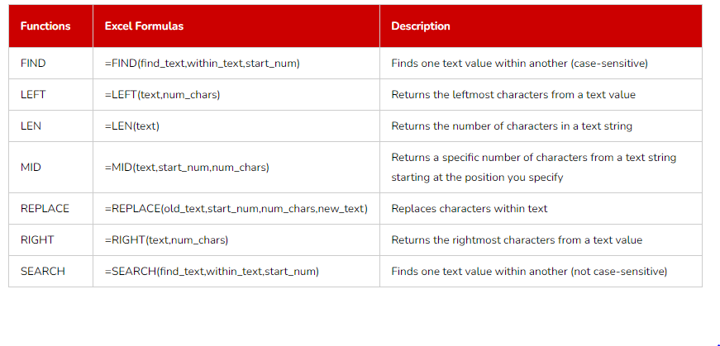

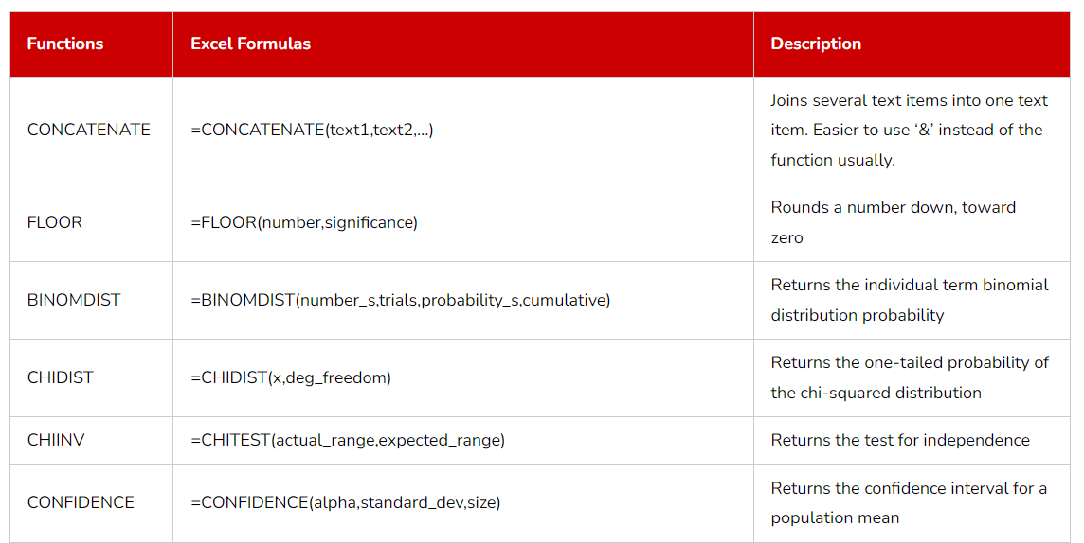

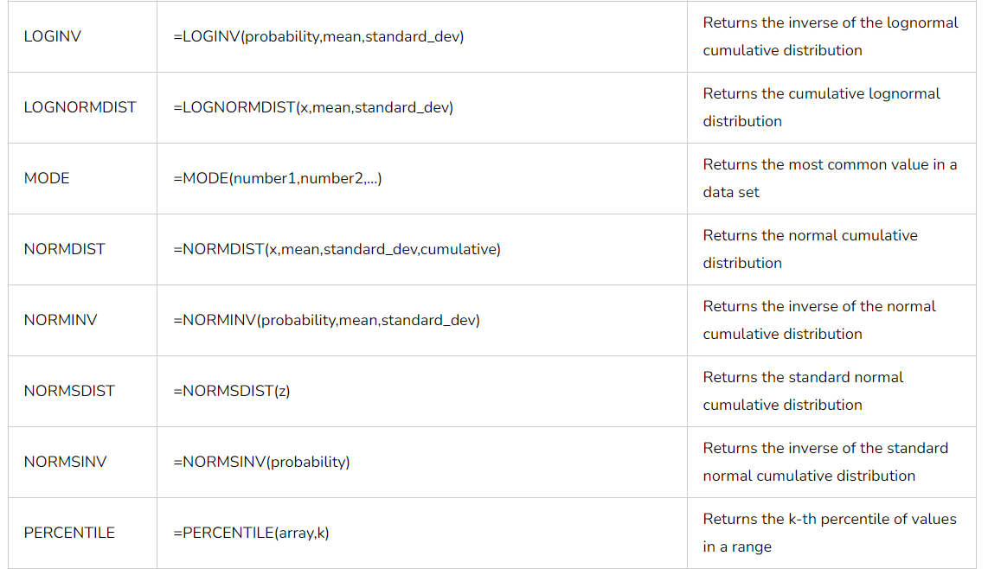

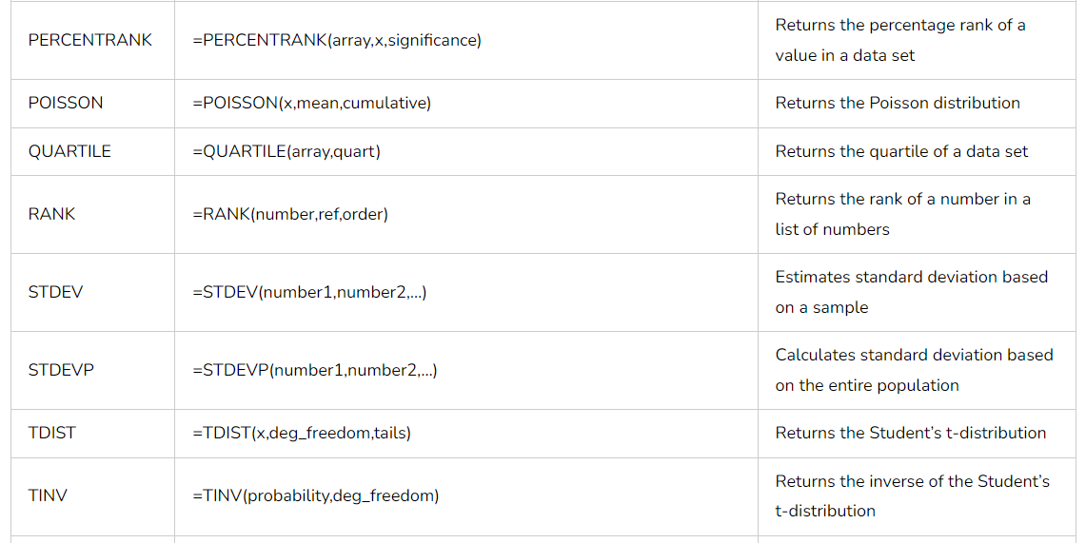

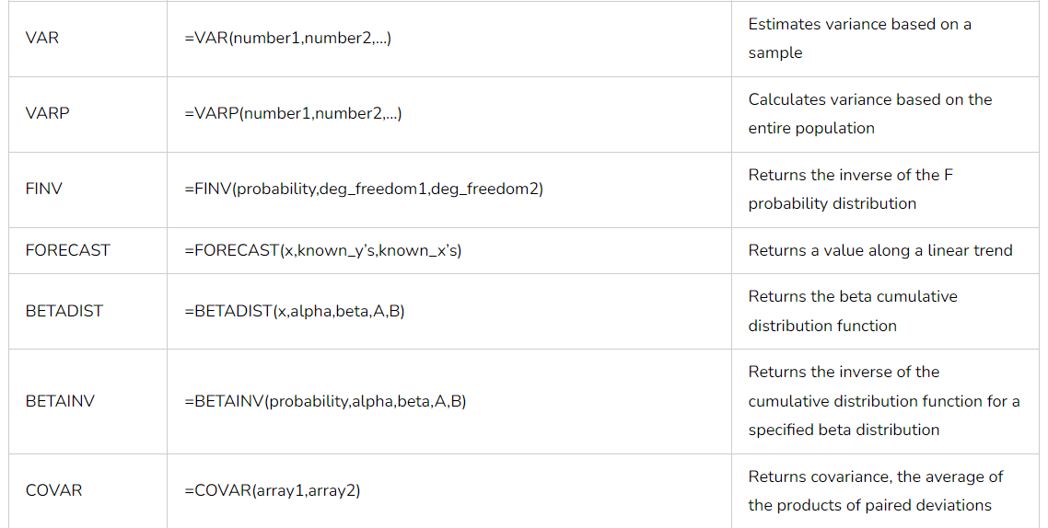

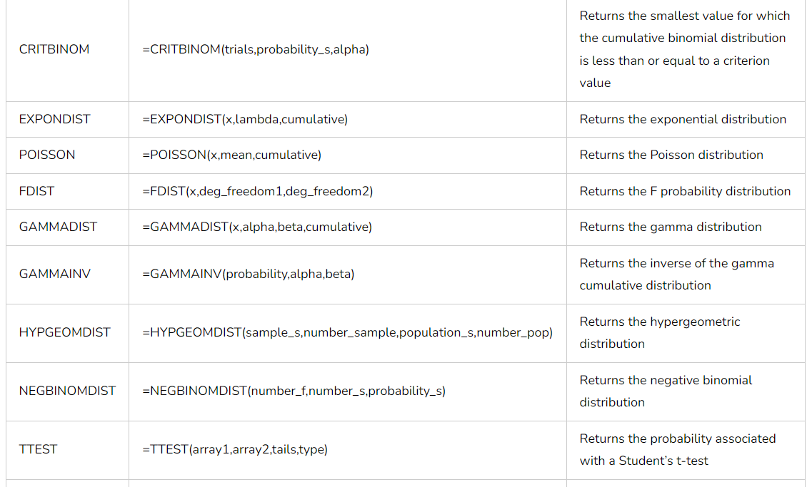

q7
 |  |  |  | Region | West
Product ID | Category | Region | Sales
1 | Men clothing | East | $819.03 | Row Labels | Average of Sales | Count of Product ID
2 | Women clothing | West | $118.40 | Beauty | 563.9817691 | 8
3 | Men clothing | East | $210.24 | Electronics | 539.81526869 | 11
4 | Health Care | West | $717.20 | Furniture | 601.47437046 | 7
5 | Furniture | South | $349.07 | Health Care | 384.64452452 | 16
6 | Electronics | South | $858.25 | Men clothing | 577.31717316 | 14
7 | Beauty | East | $670.18 | Women clothing | 522.49248768 | 13
8 | Furniture | West | $838.87 | Grand Total | 517.23620084 | 69
9 | Electronics | West | $532.45
10 | Electronics | North | $901.75
11 | Beauty | East | $75.25
12 | Furniture | North | $927.97
13 | Women clothing | West | $319.47 | Row Labels | Sum of Sales
14 | Men clothing | South | $208.75 | Beauty | 28449.949676
15 | Health Care | North | $761.50 | East | 8751.1176334
16 | Electronics | West | $221.93 | North | 6192.3911796
17 | Electronics | South | $380.99 | South | 8994.5867102
18 | Women clothing | North | $172.38 | West | 4511.8541528
19 | Women clothing | West | $568.92 | Electronics | 25730.484573
20 | Men clothing | East | $169.40 | East | 9548.4891156
21 | Health Care | East | $396.58 | North | 6597.463938
22 | Men clothing | South | $272.07 | South | 3646.5635641
23 | Health Care | North | $269.28 | West | 5937.9679556
24 | Men clothing | North | $882.98 | Furniture | 26137.019886
25 | Furniture | South | $952.62 | East | 2715.13566
26 | Furniture | South | $225.04 | North | 5963.4567968
27 | Electronics | West | $567.40 | South | 13248.106836
28 | Health Care | East | $547.93 | West | 4210.3205932
29 | Men clothing | West | $336.75 | Health Care | 25675.605626
30 | Electronics | North | $614.67 | East | 5083.6714425
31 | Beauty | North | $327.77 | North | 8531.7433605
32 | Men clothing | South | $24.40 | South | 5905.8784312
33 | Electronics | North | $261.73 | West | 6154.3123923
34 | Health Care | West | $111.61 | Men clothing | 26506.550149
35 | Electronics | West | $82.30 | East | 7709.2416203
36 | Beauty | East | $404.34 | North | 7020.8447718
37 | Electronics | South | $807.89 | South | 3694.0233323
38 | Women clothing | North | $56.10 | West | 8082.4404243
39 | Furniture | South | $400.27 | Women clothing | 19324.565256
40 | Women clothing | North | $221.73 | East | 4842.3997381
41 | Beauty | South | $454.79 | North | 5381.6493926
42 | Health Care | East | $506.43 | South | 2308.1137859
43 | Women clothing | West | $840.36 | West | 6792.4023398
44 | Electronics | East | $904.02 | Grand Total | 151824.17517
45 | Women clothing | West | $687.42
46 | Women clothing | North | $571.63
47 | Beauty | West | $766.62
48 | Furniture | West | $983.04
49 | Beauty | West | $914.28
50 | Women clothing | East | $338.66
51 | Furniture | West | $887.91
52 | Men clothing | South | $3.90
53 | Men clothing | West | $784.28
54 | Health Care | South | $231.76
55 | Beauty | South | $715.71
56 | Health Care | East | $265.22
57 | Beauty | East | $727.92
58 | Women clothing | West | $304.75
59 | Women clothing | East | $574.27
60 | Beauty | South | $215.69
61 | Health Care | West | $901.40
62 | Men clothing | East | $206.25
63 | Furniture | North | $783.34
64 | Beauty | East | $174.62
65 | Furniture | South | $856.49
66 | Health Care | South | $942.70
67 | Beauty | East | $337.92
68 | Electronics | South | $154.96
69 | Men clothing | North | $324.07
70 | Men clothing | North | $752.67
71 | Furniture | North | $940.96
72 | Women clothing | South | $974.02
73 | Electronics | South | $3.41
74 | Beauty | South | $70.39
75 | Beauty | South | $989.89
76 | Men clothing | South | $630.26
77 | Electronics | East | $182.21
78 | Health Care | West | $260.40
79 | Men clothing | North | $372.90
80 | Beauty | South | $804.96
81 | Health Care | South | $170.87
82 | Women clothing | North | $348.77
83 | Beauty | North | $721.73
84 | Furniture | North | $716.26
85 | Health Care | West | $819.68
86 | Electronics | East | $709.33
87 | Furniture | South | $232.23
88 | Men clothing | North | $460.67
89 | Electronics | South | $214.71
90 | Health Care | North | $167.22
91 | Health Care | South | $627.82
92 | Women clothing | South | $583.29
93 | Women clothing | West | $199.86
94 | Electronics | West | $899.79
95 | Beauty | West | $365.17
96 | Beauty | North | $77.05
97 | Electronics | West | $998.04
98 | Electronics | North | $484.53
99 | Electronics | North | $903.42
100 | Electronics | West | $923.21
101 | Electronics | North | $87.41
102 | Beauty | North | $625.04
103 | Women clothing | East | $481.47
104 | Women clothing | West | $839.98
105 | Health Care | North | $611.00
106 | Health Care | West | $507.67
107 | Women clothing | West | $980.64
108 | Men clothing | South | $602.68
109 | Men clothing | East | $989.58
110 | Health Care | West | $62.02
111 | Electronics | East | $396.65
112 | Health Care | North | $524.34
113 | Health Care | North | $179.32
114 | Women clothing | South | $157.89
115 | Beauty | West | $891.74
116 | Furniture | South | $753.55
117 | Electronics | North | $608.63
118 | Health Care | East | $796.18
119 | Men clothing | East | $59.30
120 | Men clothing | North | $650.58
121 | Health Care | South | $34.88
122 | Beauty | East | $11.15
123 | Electronics | East | $574.08
124 | Electronics | West | $400.50
125 | Women clothing | North | $287.64
126 | Health Care | North | $996.42
127 | Beauty | North | $637.59
128 | Men clothing | East | $656.67
129 | Health Care | South | $745.64
130 | Men clothing | West | $702.08
131 | Furniture | North | $558.86
132 | Health Care | North | $313.50
133 | Furniture | South | $289.64
134 | Health Care | West | $306.81
135 | Beauty | East | $679.40
136 | Women clothing | East | $282.62
137 | Furniture | South | $494.78
138 | Women clothing | South | $105.74
139 | Men clothing | West | $217.04
140 | Beauty | East | $144.43
141 | Furniture | North | $959.56
142 | Health Care | South | $779.99
143 | Beauty | West | $472.14
144 | Electronics | North | $33.77
145 | Beauty | North | $757.80
146 | Electronics | East | $790.53
147 | Beauty | East | $235.91
148 | Women clothing | East | $431.70
149 | Furniture | East | $541.56
150 | Furniture | South | $633.97
151 | Men clothing | West | $359.72
152 | Beauty | South | $82.88
153 | Beauty | North | $100.19
154 | Men clothing | East | $145.20
155 | Electronics | North | $139.38
156 | Health Care | West | $135.15
157 | Beauty | North | $596.83
158 | Health Care | North | $311.27
159 | Men clothing | North | $705.17
160 | Men clothing | East | $766.22
161 | Men clothing | South | $309.65
162 | Beauty | West | $74.04
163 | Health Care | North | $141.81
164 | Men clothing | East | $759.00
165 | Health Care | East | $195.42
166 | Electronics | East | $509.87
167 | Women clothing | East | $508.59
168 | Furniture | South | $992.57
169 | Men clothing | West | $749.97
170 | Health Care | West | $353.17
171 | Men clothing | North | $687.86
172 | Electronics | North | $482.82
173 | Health Care | West | $291.27
174 | Furniture | North | $502.92
175 | Women clothing | East | $227.72
176 | Health Care | East | $166.04
177 | Furniture | East | $409.37
178 | Beauty | South | $122.04
179 | Electronics | West | $224.97
180 | Women clothing | North | $687.95
181 | Beauty | West | $450.39
182 | Electronics | East | $669.50
183 | Men clothing | West | $881.23
184 | Electronics | North | $817.26
185 | Electronics | South | $191.99
186 | Furniture | South | $342.73
187 | Electronics | West | $344.05
188 | Electronics | East | $561.35
189 | Beauty | East | $197.15
190 | Health Care | East | $793.71
191 | Health Care | West | $74.01
192 | Furniture | South | $39.56
193 | Men clothing | South | $323.74
194 | Health Care | South | $417.73
195 | Men clothing | East | $733.64
196 | Men clothing | West | $690.29
197 | Furniture | South | $314.90
198 | Beauty | South | $454.54
199 | Health Care | East | $449.88
200 | Health Care | West | $560.44
201 | Furniture | West | $743.53
202 | Women clothing | North | $488.33
203 | Men clothing | East | $62.04
204 | Health Care | North | $684.76
205 | Women clothing | North | $669.54
206 | Furniture | South | $668.38
207 | Health Care | West | $308.39
208 | Men clothing | East | $155.02
209 | Women clothing | North | $369.50
210 | Health Care | North | $511.65
211 | Health Care | North | $304.47
212 | Beauty | South | $668.10
213 | Electronics | South | $410.26
214 | Electronics | East | $905.02
215 | Furniture | East | $189.23
216 | Furniture | East | $183.80
217 | Electronics | East | $336.72
218 | Electronics | North | $496.25
219 | Beauty | East | $886.80
220 | Electronics | East | $549.48
221 | Health Care | North | $697.58
222 | Women clothing | South | $487.17
223 | Beauty | East | $64.59
224 | Health Care | West | $314.18
225 | Women clothing | East | $272.08
226 | Furniture | South | $306.90
227 | Furniture | South | $451.42
228 | Women clothing | West | $192.88
229 | Furniture | South | $842.88
230 | Men clothing | East | $374.90
231 | Men clothing | North | $775.16
232 | Women clothing | East | $448.54
233 | Electronics | South | $88.22
234 | Men clothing | South | $585.07
235 | Men clothing | East | $726.53
236 | Men clothing | North | $43.23
237 | Beauty | North | $7.59
238 | Beauty | North | $205.45
239 | Electronics | East | $152.69
240 | Health Care | North | $615.17
241 | Health Care | North | $597.52
242 | Beauty | South | $419.37
243 | Electronics | North | $203.37
244 | Men clothing | West | $31.43
245 | Electronics | East | $636.33
246 | Electronics | East | $159.93
247 | Women clothing | East | $435.79
248 | Furniture | South | $807.57
249 | Beauty | East | $888.80
250 | Men clothing | East | $147.11
251 | Beauty | South | $91.11
252 | Health Care | South | $430.81
253 | Beauty | South | $836.55
254 | Beauty | North | $327.99
255 | Women clothing | North | $929.66
256 | Health Care | South | $28.72
257 | Beauty | South | $6.03
258 | Furniture | West | $619.08
259 | Beauty | North | $717.26
260 | Furniture | North | $29.66
261 | Men clothing | West | $930.76
262 | Furniture | East | $606.22
263 | Beauty | North | $772.10
264 | Furniture | West | $30.34
265 | Furniture | North | $543.93
266 | Beauty | South | $976.52
267 | Electronics | North | $21.05
268 | Beauty | North | $148.04
269 | Health Care | East | $757.85
270 | Men clothing | West | $608.09
271 | Beauty | East | $950.09
272 | Men clothing | North | $172.85
273 | Health Care | South | $552.85
274 | Women clothing | West | $379.35
275 | Beauty | West | $577.47
276 | Men clothing | West | $770.06
277 | Health Care | North | $790.71
278 | Men clothing | North | $621.74
279 | Women clothing | West | $408.74
280 | Electronics | North | $459.48
281 | Furniture | South | $684.04
282 | Beauty | South | $104.63
283 | Men clothing | South | $733.50
284 | Furniture | East | $665.73
285 | Women clothing | East | $226.71
286 | Electronics | East | $868.79
287 | Beauty | South | $863.02
288 | Electronics | South | $535.89
289 | Furniture | South | $903.37
290 | Beauty | East | $941.05
291 | Women clothing | West | $951.64
292 | Electronics | North | $81.95
293 | Men clothing | West | $380.88
294 | Furniture | South | $909.93
295 | Furniture | South | $796.21
296 | Health Care | East | $208.43
297 | Women clothing | North | $578.41
298 | Beauty | South | $302.80
299 | Electronics | East | $641.97
300 | Beauty | South | $394.26
301 | Men clothing | North | $570.98
302 | Electronics | West | $743.31
303 | Men clothing | East | $595.82
304 | Beauty | East | $352.61
305 | Men clothing | East | $133.29
306 | Women clothing | East | $614.24
307 | Furniture | East | $119.24
308 | Health Care | South | $942.09
309 | Beauty | South | $421.30
310 | Furniture | West | $107.55
311 | Men clothing | West | $639.86
312 | Beauty | East | $27.62
313 | Beauty | North | $169.96
314 | Health Care | West | $430.90
315 | Health Care | North | $54.22
316 | Beauty | East | $402.24
317 | Beauty | East | $579.04

q8
Order ID | Product | Quantity Ordered | Price Each | Order Date | Bin limit | Bin label | Count
248151 | AA Batteries (4-pack) | 4 | 3.84 | 9/17/19 | 100 | <=100 | 119
248152 | USB-C Charging Cable | 2 | 11.95 | 9/29/19 | 200 | 100.1-200 | 35
248153 | USB-C Charging Cable | 1 | 11.95 | 9/16/19 | 300 | 200.1-300 | 3
248154 | 27in FHD Monitor | 1 | 149.99 | 9/27/19 | 400 | 300.1-400 | 18
248155 | USB-C Charging Cable | 1 | 11.95 | 9/1/19 |  | >400 | 23
248156 | 34in Ultrawide Monitor | 1 | 379.99 | 9/13/19
Historgram for Price
248157 | Lightning Charging Cable | 1 | 14.95 | 9/7/19
248158 | Lightning Charging Cable | 1 | 14.95 | 9/2/19
248159 | Vareebadd Phone | 1 | 400 | 9/6/19
248160 | Wired Headphones | 1 | 11.99 | 9/1/19
248161 | USB-C Charging Cable | 1 | 11.95 | 9/24/19
248162 | AAA Batteries (4-pack) | 3 | 2.99 | 9/14/19
248163 | USB-C Charging Cable | 1 | 11.95 | 9/25/19
248164 | 27in FHD Monitor | 1 | 149.99 | 9/12/19
248165 | Lightning Charging Cable | 1 | 14.95 | 9/15/19
248166 | Apple Airpods Headphones | 1 | 150 | 9/4/19
248167 | Google Phone | 1 | 600 | 9/2/19
248168 | USB-C Charging Cable | 1 | 11.95 | 9/30/19
248169 | 20in Monitor | 1 | 109.99 | 9/24/19
248170 | AAA Batteries (4-pack) | 1 | 2.99 | 9/4/19
248171 | USB-C Charging Cable | 1 | 11.95 | 9/5/19
248171 | USB-C Charging Cable | 1 | 11.95 | 9/5/19
248172 | Wired Headphones | 1 | 11.99 | 9/13/19
248173 | Apple Airpods Headphones | 1 | 150 | 9/14/19
248174 | Bose SoundSport Headphones | 1 | 99.99 | 9/17/19
248175 | iPhone | 1 | 700 | 9/8/19
248176 | AA Batteries (4-pack) | 2 | 3.84 | 9/12/19
248177 | USB-C Charging Cable | 1 | 11.95 | 9/24/19
248178 | Apple Airpods Headphones | 1 | 150 | 9/3/19
248179 | 27in FHD Monitor | 1 | 149.99 | 9/13/19
248180 | USB-C Charging Cable | 1 | 11.95 | 9/28/19
248181 | Apple Airpods Headphones | 1 | 150 | 9/8/19
248182 | Apple Airpods Headphones | 1 | 150 | 9/15/19
248183 | 34in Ultrawide Monitor | 1 | 379.99 | 9/18/19
248184 | AA Batteries (4-pack) | 1 | 3.84 | 9/7/19
248185 | 34in Ultrawide Monitor | 1 | 379.99 | 9/17/19
248186 | USB-C Charging Cable | 1 | 11.95 | 9/5/19
248187 | AAA Batteries (4-pack) | 3 | 2.99 | 9/7/19
248188 | Apple Airpods Headphones | 1 | 150 | 9/8/19
248189 | Google Phone | 1 | 600 | 9/14/19
248190 | Bose SoundSport Headphones | 1 | 99.99 | 9/24/19
248191 | AAA Batteries (4-pack) | 1 | 2.99 | 9/22/19
248192 | AAA Batteries (4-pack) | 2 | 2.99 | 9/21/19
248193 | USB-C Charging Cable | 1 | 11.95 | 9/5/19
248194 | 20in Monitor | 1 | 109.99 | 9/29/19
248195 | ThinkPad Laptop | 1 | 999.99 | 9/10/19
248196 | Lightning Charging Cable | 1 | 14.95 | 9/29/19
248197 | Apple Airpods Headphones | 1 | 150 | 9/2/19
248198 | AAA Batteries (4-pack) | 1 | 2.99 | 9/10/19
248199 | Google Phone | 1 | 600 | 9/11/19
248200 | Lightning Charging Cable | 1 | 14.95 | 9/28/19
248201 | Bose SoundSport Headphones | 1 | 99.99 | 9/26/19
248202 | 27in FHD Monitor | 1 | 149.99 | 9/28/19
248203 | Apple Airpods Headphones | 1 | 150 | 9/21/19
248204 | Macbook Pro Laptop | 1 | 1700 | 9/2/19
248205 | AA Batteries (4-pack) | 3 | 3.84 | 9/6/19
248206 | AAA Batteries (4-pack) | 1 | 2.99 | 9/30/19
248207 | Flatscreen TV | 1 | 300 | 9/5/19
248208 | Macbook Pro Laptop | 1 | 1700 | 9/11/19
248209 | Apple Airpods Headphones | 1 | 150 | 9/14/19
248210 | iPhone | 1 | 700 | 9/27/19
248210 | Lightning Charging Cable | 1 | 14.95 | 9/27/19
248211 | AA Batteries (4-pack) | 1 | 3.84 | 9/26/19
248212 | USB-C Charging Cable | 3 | 11.95 | 9/20/19
248213 | 27in 4K Gaming Monitor | 1 | 389.99 | 9/22/19
248214 | Lightning Charging Cable | 1 | 14.95 | 9/16/19
248215 | 34in Ultrawide Monitor | 1 | 379.99 | 9/24/19
248216 | AAA Batteries (4-pack) | 1 | 2.99 | 9/19/19
248217 | Apple Airpods Headphones | 1 | 150 | 9/29/19
248218 | AA Batteries (4-pack) | 1 | 3.84 | 9/16/19
248219 | Bose SoundSport Headphones | 1 | 99.99 | 9/24/19
248219 | Google Phone | 1 | 600 | 9/24/19
248220 | Lightning Charging Cable | 2 | 14.95 | 9/18/19
248221 | AA Batteries (4-pack) | 1 | 3.84 | 9/8/19
248222 | Lightning Charging Cable | 1 | 14.95 | 9/22/19
248223 | 20in Monitor | 1 | 109.99 | 9/7/19
248224 | AAA Batteries (4-pack) | 2 | 2.99 | 9/24/19
248225 | Lightning Charging Cable | 1 | 14.95 | 9/30/19
248226 | Wired Headphones | 1 | 11.99 | 9/23/19
248227 | Lightning Charging Cable | 1 | 14.95 | 9/7/19
248228 | Lightning Charging Cable | 1 | 14.95 | 9/26/19
248229 | Wired Headphones | 1 | 11.99 | 9/8/19
248230 | AA Batteries (4-pack) | 1 | 3.84 | 9/14/19
248231 | Flatscreen TV | 1 | 300 | 9/20/19
248232 | Lightning Charging Cable | 1 | 14.95 | 9/11/19
248233 | AAA Batteries (4-pack) | 1 | 2.99 | 9/28/19
248234 | 34in Ultrawide Monitor | 1 | 379.99 | 9/5/19
248235 | Lightning Charging Cable | 1 | 14.95 | 9/26/19
248236 | Lightning Charging Cable | 1 | 14.95 | 9/13/19
248237 | Wired Headphones | 1 | 11.99 | 9/23/19
248238 | Wired Headphones | 1 | 11.99 | 9/4/19
248239 | Wired Headphones | 1 | 11.99 | 9/13/19
248240 | AAA Batteries (4-pack) | 1 | 2.99 | 9/28/19
248241 | AA Batteries (4-pack) | 2 | 3.84 | 9/22/19
248242 | Lightning Charging Cable | 2 | 14.95 | 9/13/19
248243 | USB-C Charging Cable | 1 | 11.95 | 9/4/19
248244 | Lightning Charging Cable | 1 | 14.95 | 9/21/19
248245 | Wired Headphones | 1 | 11.99 | 9/15/19
248246 | Wired Headphones | 1 | 11.99 | 9/11/19
248247 | 27in 4K Gaming Monitor | 1 | 389.99 | 9/9/19
248248 | Apple Airpods Headphones | 1 | 150 | 9/14/19
248249 | AA Batteries (4-pack) | 1 | 3.84 | 9/10/19
248250 | iPhone | 1 | 700 | 9/5/19
248251 | Vareebadd Phone | 1 | 400 | 9/22/19
248252 | AA Batteries (4-pack) | 1 | 3.84 | 9/19/19
248253 | Bose SoundSport Headphones | 1 | 99.99 | 9/13/19
248254 | AAA Batteries (4-pack) | 2 | 2.99 | 9/19/19
248255 | Bose SoundSport Headphones | 1 | 99.99 | 9/2/19
248256 | Wired Headphones | 1 | 11.99 | 9/3/19
248257 | USB-C Charging Cable | 2 | 11.95 | 9/10/19
248258 | Macbook Pro Laptop | 1 | 1700 | 9/21/19
248259 | USB-C Charging Cable | 1 | 11.95 | 9/14/19
248260 | Apple Airpods Headphones | 1 | 150 | 9/26/19
248261 | AAA Batteries (4-pack) | 2 | 2.99 | 9/4/19
248262 | 20in Monitor | 1 | 109.99 | 9/11/19
248263 | 34in Ultrawide Monitor | 1 | 379.99 | 9/30/19
248264 | Bose SoundSport Headphones | 1 | 99.99 | 9/5/19
248265 | Vareebadd Phone | 1 | 400 | 9/24/19
248265 | Bose SoundSport Headphones | 1 | 99.99 | 9/24/19
248266 | 27in 4K Gaming Monitor | 1 | 389.99 | 9/28/19
248267 | Macbook Pro Laptop | 1 | 1700 | 9/9/19
248268 | Lightning Charging Cable | 1 | 14.95 | 9/25/19
248269 | Lightning Charging Cable | 1 | 14.95 | 9/18/19
248270 | USB-C Charging Cable | 1 | 11.95 | 9/8/19
248271 | 34in Ultrawide Monitor | 1 | 379.99 | 9/9/19
248272 | ThinkPad Laptop | 1 | 999.99 | 9/1/19
248273 | AA Batteries (4-pack) | 1 | 3.84 | 9/2/19
248274 | AA Batteries (4-pack) | 1 | 3.84 | 9/27/19
248275 | Apple Airpods Headphones | 1 | 150 | 9/18/19
248276 | iPhone | 1 | 700 | 9/22/19
248277 | Macbook Pro Laptop | 1 | 1700 | 9/28/19
248278 | Wired Headphones | 1 | 11.99 | 9/9/19
248279 | Bose SoundSport Headphones | 1 | 99.99 | 9/25/19
248280 | 27in FHD Monitor | 1 | 149.99 | 9/30/19
248281 | Wired Headphones | 1 | 11.99 | 9/5/19
248282 | Apple Airpods Headphones | 1 | 150 | 9/1/19
248283 | Apple Airpods Headphones | 1 | 150 | 9/10/19
248284 | 27in 4K Gaming Monitor | 1 | 389.99 | 9/22/19
248285 | Apple Airpods Headphones | 1 | 150 | 9/30/19
248286 | Wired Headphones | 1 | 11.99 | 9/17/19
248287 | Bose SoundSport Headphones | 1 | 99.99 | 9/26/19
248288 | Bose SoundSport Headphones | 1 | 99.99 | 9/2/19
248289 | Wired Headphones | 1 | 11.99 | 9/11/19
248290 | AA Batteries (4-pack) | 1 | 3.84 | 9/6/19
248291 | Apple Airpods Headphones | 1 | 150 | 9/14/19
248292 | Wired Headphones | 2 | 11.99 | 9/16/19
248293 | Macbook Pro Laptop | 1 | 1700 | 9/2/19
248294 | Macbook Pro Laptop | 1 | 1700 | 9/7/19
248295 | Macbook Pro Laptop | 1 | 1700 | 9/26/19
248296 | AA Batteries (4-pack) | 1 | 3.84 | 9/17/19
248297 | AAA Batteries (4-pack) | 2 | 2.99 | 9/8/19
248298 | AA Batteries (4-pack) | 1 | 3.84 | 9/20/19
248299 | Lightning Charging Cable | 1 | 14.95 | 9/22/19
248300 | AAA Batteries (4-pack) | 1 | 2.99 | 9/1/19
248301 | AAA Batteries (4-pack) | 2 | 2.99 | 9/5/19
248302 | 27in 4K Gaming Monitor | 1 | 389.99 | 9/8/19
248303 | 20in Monitor | 1 | 109.99 | 9/17/19
248304 | AAA Batteries (4-pack) | 1 | 2.99 | 9/21/19
248305 | Lightning Charging Cable | 1 | 14.95 | 9/1/19
248306 | USB-C Charging Cable | 1 | 11.95 | 9/15/19
248307 | Wired Headphones | 1 | 11.99 | 9/4/19
248308 | 27in 4K Gaming Monitor | 1 | 389.99 | 9/12/19
248309 | iPhone | 1 | 700 | 9/7/19
248310 | iPhone | 1 | 700 | 9/5/19
248311 | AA Batteries (4-pack) | 1 | 3.84 | 9/21/19
248312 | USB-C Charging Cable | 1 | 11.95 | 9/14/19
248313 | Lightning Charging Cable | 1 | 14.95 | 9/25/19
248314 | Wired Headphones | 1 | 11.99 | 9/20/19
248315 | Wired Headphones | 1 | 11.99 | 9/13/19
248316 | Lightning Charging Cable | 1 | 14.95 | 9/15/19
248317 | AAA Batteries (4-pack) | 1 | 2.99 | 9/17/19
248318 | Google Phone | 1 | 600 | 9/24/19
248319 | AAA Batteries (4-pack) | 3 | 2.99 | 9/3/19
248320 | Apple Airpods Headphones | 1 | 150 | 9/10/19
248321 | Bose SoundSport Headphones | 1 | 99.99 | 9/8/19
248322 | AA Batteries (4-pack) | 2 | 3.84 | 9/13/19
248323 | Google Phone | 1 | 600 | 9/30/19
248323 | Bose SoundSport Headphones | 1 | 99.99 | 9/30/19
248324 | 20in Monitor | 1 | 109.99 | 9/12/19
248325 | Lightning Charging Cable | 1 | 14.95 | 9/14/19
248326 | Apple Airpods Headphones | 1 | 150 | 9/18/19
248327 | 34in Ultrawide Monitor | 1 | 379.99 | 9/14/19
248328 | Apple Airpods Headphones | 1 | 150 | 9/26/19
248329 | Vareebadd Phone | 1 | 400 | 9/2/19
248329 | Wired Headphones | 1 | 11.99 | 9/2/19
248330 | AAA Batteries (4-pack) | 1 | 2.99 | 9/12/19
248331 | iPhone | 1 | 700 | 9/2/19
248331 | Lightning Charging Cable | 1 | 14.95 | 9/2/19
248331 | Apple Airpods Headphones | 1 | 150 | 9/2/19
248332 | Apple Airpods Headphones | 1 | 150 | 9/8/19
248333 | Flatscreen TV | 1 | 300 | 9/5/19
248334 | Lightning Charging Cable | 1 | 14.95 | 9/17/19
248335 | Apple Airpods Headphones | 1 | 150 | 9/17/19
248336 | Apple Airpods Headphones | 1 | 150 | 9/27/19
248337 | AA Batteries (4-pack) | 1 | 3.84 | 9/8/19
248338 | USB-C Charging Cable | 1 | 11.95 | 9/16/19
248339 | Bose SoundSport Headphones | 1 | 99.99 | 9/8/19
248340 | AAA Batteries (4-pack) | 1 | 2.99 | 9/13/19

q10
Order ID | Product | Quantity Ordered | Price Each | Order Date | day
248151 | AA Batteries (4-pack) | 4 | 3.84 | 9/17/19 | Tuesday | Row Labels | Count of Order ID | Sum of Quantity Ordered | avg quantity sale wrt day
248152 | USB-C Charging Cable | 2 | 11.95 | 9/29/19 | Sunday | Sunday | 35 | 38 | 1.0857142857
248153 | USB-C Charging Cable | 1 | 11.95 | 9/16/19 | Monday | Monday | 32 | 33 | 1.03125
248154 | 27in FHD Monitor | 1 | 149.99 | 9/27/19 | Friday | Tuesday | 29 | 36 | 1.2413793103
248155 | USB-C Charging Cable | 1 | 11.95 | 9/1/19 | Sunday | Wednesday | 21 | 23 | 1.0952380952
248156 | 34in Ultrawide Monitor | 1 | 379.99 | 9/13/19 | Friday | Thursday | 28 | 31 | 1.1071428571
248157 | Lightning Charging Cable | 1 | 14.95 | 9/7/19 | Saturday | Friday | 22 | 28 | 1.2727272727
248158 | Lightning Charging Cable | 1 | 14.95 | 9/2/19 | Monday | Saturday | 31 | 36 | 1.1612903226
248159 | Vareebadd Phone | 1 | 400 | 9/6/19 | Friday | Grand Total | 198 | 225 | 1.1363636364
248160 | Wired Headphones | 1 | 11.99 | 9/1/19 | Sunday
Average Quantity Sale wrt. day
 | 1.0857142857
 | 1.03125
 | 1.2413793103
 | 1.0952380952
 | 1.1071428571
 | 1.2727272727
 | 1.1612903226
248161 | USB-C Charging Cable | 1 | 11.95 | 9/24/19 | Tuesday
248162 | AAA Batteries (4-pack) | 3 | 2.99 | 9/14/19 | Saturday
248163 | USB-C Charging Cable | 1 | 11.95 | 9/25/19 | Wednesday
248164 | 27in FHD Monitor | 1 | 149.99 | 9/12/19 | Thursday
248165 | Lightning Charging Cable | 1 | 14.95 | 9/15/19 | Sunday
248166 | Apple Airpods Headphones | 1 | 150 | 9/4/19 | Wednesday
248167 | Google Phone | 1 | 600 | 9/2/19 | Monday
248168 | USB-C Charging Cable | 1 | 11.95 | 9/30/19 | Monday
248169 | 20in Monitor | 1 | 109.99 | 9/24/19 | Tuesday
248170 | AAA Batteries (4-pack) | 1 | 2.99 | 9/4/19 | Wednesday
248171 | USB-C Charging Cable | 1 | 11.95 | 9/5/19 | Thursday
248171 | USB-C Charging Cable | 1 | 11.95 | 9/5/19 | Thursday
248172 | Wired Headphones | 1 | 11.99 | 9/13/19 | Friday
248173 | Apple Airpods Headphones | 1 | 150 | 9/14/19 | Saturday
248174 | Bose SoundSport Headphones | 1 | 99.99 | 9/17/19 | Tuesday
248175 | iPhone | 1 | 700 | 9/8/19 | Sunday
248176 | AA Batteries (4-pack) | 2 | 3.84 | 9/12/19 | Thursday
248177 | USB-C Charging Cable | 1 | 11.95 | 9/24/19 | Tuesday
248178 | Apple Airpods Headphones | 1 | 150 | 9/3/19 | Tuesday
248179 | 27in FHD Monitor | 1 | 149.99 | 9/13/19 | Friday
248180 | USB-C Charging Cable | 1 | 11.95 | 9/28/19 | Saturday
248181 | Apple Airpods Headphones | 1 | 150 | 9/8/19 | Sunday
248182 | Apple Airpods Headphones | 1 | 150 | 9/15/19 | Sunday
248183 | 34in Ultrawide Monitor | 1 | 379.99 | 9/18/19 | Wednesday
248184 | AA Batteries (4-pack) | 1 | 3.84 | 9/7/19 | Saturday
248185 | 34in Ultrawide Monitor | 1 | 379.99 | 9/17/19 | Tuesday
248186 | USB-C Charging Cable | 1 | 11.95 | 9/5/19 | Thursday
248187 | AAA Batteries (4-pack) | 3 | 2.99 | 9/7/19 | Saturday
248188 | Apple Airpods Headphones | 1 | 150 | 9/8/19 | Sunday
248189 | Google Phone | 1 | 600 | 9/14/19 | Saturday
248190 | Bose SoundSport Headphones | 1 | 99.99 | 9/24/19 | Tuesday
248191 | AAA Batteries (4-pack) | 1 | 2.99 | 9/22/19 | Sunday
248192 | AAA Batteries (4-pack) | 2 | 2.99 | 9/21/19 | Saturday
248193 | USB-C Charging Cable | 1 | 11.95 | 9/5/19 | Thursday
248194 | 20in Monitor | 1 | 109.99 | 9/29/19 | Sunday
248195 | ThinkPad Laptop | 1 | 999.99 | 9/10/19 | Tuesday
248196 | Lightning Charging Cable | 1 | 14.95 | 9/29/19 | Sunday
248197 | Apple Airpods Headphones | 1 | 150 | 9/2/19 | Monday
248198 | AAA Batteries (4-pack) | 1 | 2.99 | 9/10/19 | Tuesday
248199 | Google Phone | 1 | 600 | 9/11/19 | Wednesday
248200 | Lightning Charging Cable | 1 | 14.95 | 9/28/19 | Saturday
248201 | Bose SoundSport Headphones | 1 | 99.99 | 9/26/19 | Thursday
248202 | 27in FHD Monitor | 1 | 149.99 | 9/28/19 | Saturday
248203 | Apple Airpods Headphones | 1 | 150 | 9/21/19 | Saturday
248204 | Macbook Pro Laptop | 1 | 1700 | 9/2/19 | Monday
248205 | AA Batteries (4-pack) | 3 | 3.84 | 9/6/19 | Friday
248206 | AAA Batteries (4-pack) | 1 | 2.99 | 9/30/19 | Monday
248207 | Flatscreen TV | 1 | 300 | 9/5/19 | Thursday
248208 | Macbook Pro Laptop | 1 | 1700 | 9/11/19 | Wednesday
248209 | Apple Airpods Headphones | 1 | 150 | 9/14/19 | Saturday
248210 | iPhone | 1 | 700 | 9/27/19 | Friday
248210 | Lightning Charging Cable | 1 | 14.95 | 9/27/19 | Friday
248211 | AA Batteries (4-pack) | 1 | 3.84 | 9/26/19 | Thursday
248212 | USB-C Charging Cable | 3 | 11.95 | 9/20/19 | Friday
248213 | 27in 4K Gaming Monitor | 1 | 389.99 | 9/22/19 | Sunday
248214 | Lightning Charging Cable | 1 | 14.95 | 9/16/19 | Monday
248215 | 34in Ultrawide Monitor | 1 | 379.99 | 9/24/19 | Tuesday
248216 | AAA Batteries (4-pack) | 1 | 2.99 | 9/19/19 | Thursday
248217 | Apple Airpods Headphones | 1 | 150 | 9/29/19 | Sunday
248218 | AA Batteries (4-pack) | 1 | 3.84 | 9/16/19 | Monday
248219 | Bose SoundSport Headphones | 1 | 99.99 | 9/24/19 | Tuesday
248219 | Google Phone | 1 | 600 | 9/24/19 | Tuesday
248220 | Lightning Charging Cable | 2 | 14.95 | 9/18/19 | Wednesday
248221 | AA Batteries (4-pack) | 1 | 3.84 | 9/8/19 | Sunday
248222 | Lightning Charging Cable | 1 | 14.95 | 9/22/19 | Sunday
248223 | 20in Monitor | 1 | 109.99 | 9/7/19 | Saturday
248224 | AAA Batteries (4-pack) | 2 | 2.99 | 9/24/19 | Tuesday
248225 | Lightning Charging Cable | 1 | 14.95 | 9/30/19 | Monday
248226 | Wired Headphones | 1 | 11.99 | 9/23/19 | Monday
248227 | Lightning Charging Cable | 1 | 14.95 | 9/7/19 | Saturday
248228 | Lightning Charging Cable | 1 | 14.95 | 9/26/19 | Thursday
248229 | Wired Headphones | 1 | 11.99 | 9/8/19 | Sunday
248230 | AA Batteries (4-pack) | 1 | 3.84 | 9/14/19 | Saturday
248231 | Flatscreen TV | 1 | 300 | 9/20/19 | Friday
248232 | Lightning Charging Cable | 1 | 14.95 | 9/11/19 | Wednesday
248233 | AAA Batteries (4-pack) | 1 | 2.99 | 9/28/19 | Saturday
248234 | 34in Ultrawide Monitor | 1 | 379.99 | 9/5/19 | Thursday
248235 | Lightning Charging Cable | 1 | 14.95 | 9/26/19 | Thursday
248236 | Lightning Charging Cable | 1 | 14.95 | 9/13/19 | Friday
248237 | Wired Headphones | 1 | 11.99 | 9/23/19 | Monday
248238 | Wired Headphones | 1 | 11.99 | 9/4/19 | Wednesday
248239 | Wired Headphones | 1 | 11.99 | 9/13/19 | Friday
248240 | AAA Batteries (4-pack) | 1 | 2.99 | 9/28/19 | Saturday
248241 | AA Batteries (4-pack) | 2 | 3.84 | 9/22/19 | Sunday
248242 | Lightning Charging Cable | 2 | 14.95 | 9/13/19 | Friday
248243 | USB-C Charging Cable | 1 | 11.95 | 9/4/19 | Wednesday
248244 | Lightning Charging Cable | 1 | 14.95 | 9/21/19 | Saturday
248245 | Wired Headphones | 1 | 11.99 | 9/15/19 | Sunday
248246 | Wired Headphones | 1 | 11.99 | 9/11/19 | Wednesday
248247 | 27in 4K Gaming Monitor | 1 | 389.99 | 9/9/19 | Monday
248248 | Apple Airpods Headphones | 1 | 150 | 9/14/19 | Saturday
248249 | AA Batteries (4-pack) | 1 | 3.84 | 9/10/19 | Tuesday
248250 | iPhone | 1 | 700 | 9/5/19 | Thursday
248251 | Vareebadd Phone | 1 | 400 | 9/22/19 | Sunday
248252 | AA Batteries (4-pack) | 1 | 3.84 | 9/19/19 | Thursday
248253 | Bose SoundSport Headphones | 1 | 99.99 | 9/13/19 | Friday
248254 | AAA Batteries (4-pack) | 2 | 2.99 | 9/19/19 | Thursday
248255 | Bose SoundSport Headphones | 1 | 99.99 | 9/2/19 | Monday
248256 | Wired Headphones | 1 | 11.99 | 9/3/19 | Tuesday
248257 | USB-C Charging Cable | 2 | 11.95 | 9/10/19 | Tuesday
248258 | Macbook Pro Laptop | 1 | 1700 | 9/21/19 | Saturday
248259 | USB-C Charging Cable | 1 | 11.95 | 9/14/19 | Saturday
248260 | Apple Airpods Headphones | 1 | 150 | 9/26/19 | Thursday
248261 | AAA Batteries (4-pack) | 2 | 2.99 | 9/4/19 | Wednesday
248262 | 20in Monitor | 1 | 109.99 | 9/11/19 | Wednesday
248263 | 34in Ultrawide Monitor | 1 | 379.99 | 9/30/19 | Monday
248264 | Bose SoundSport Headphones | 1 | 99.99 | 9/5/19 | Thursday
248265 | Vareebadd Phone | 1 | 400 | 9/24/19 | Tuesday
248265 | Bose SoundSport Headphones | 1 | 99.99 | 9/24/19 | Tuesday
248266 | 27in 4K Gaming Monitor | 1 | 389.99 | 9/28/19 | Saturday
248267 | Macbook Pro Laptop | 1 | 1700 | 9/9/19 | Monday
248268 | Lightning Charging Cable | 1 | 14.95 | 9/25/19 | Wednesday
248269 | Lightning Charging Cable | 1 | 14.95 | 9/18/19 | Wednesday
248270 | USB-C Charging Cable | 1 | 11.95 | 9/8/19 | Sunday
248271 | 34in Ultrawide Monitor | 1 | 379.99 | 9/9/19 | Monday
248272 | ThinkPad Laptop | 1 | 999.99 | 9/1/19 | Sunday
248273 | AA Batteries (4-pack) | 1 | 3.84 | 9/2/19 | Monday
248274 | AA Batteries (4-pack) | 1 | 3.84 | 9/27/19 | Friday
248275 | Apple Airpods Headphones | 1 | 150 | 9/18/19 | Wednesday
248276 | iPhone | 1 | 700 | 9/22/19 | Sunday
248277 | Macbook Pro Laptop | 1 | 1700 | 9/28/19 | Saturday
248278 | Wired Headphones | 1 | 11.99 | 9/9/19 | Monday
248279 | Bose SoundSport Headphones | 1 | 99.99 | 9/25/19 | Wednesday
248280 | 27in FHD Monitor | 1 | 149.99 | 9/30/19 | Monday
248281 | Wired Headphones | 1 | 11.99 | 9/5/19 | Thursday
248282 | Apple Airpods Headphones | 1 | 150 | 9/1/19 | Sunday
248283 | Apple Airpods Headphones | 1 | 150 | 9/10/19 | Tuesday
248284 | 27in 4K Gaming Monitor | 1 | 389.99 | 9/22/19 | Sunday
248285 | Apple Airpods Headphones | 1 | 150 | 9/30/19 | Monday
248286 | Wired Headphones | 1 | 11.99 | 9/17/19 | Tuesday
248287 | Bose SoundSport Headphones | 1 | 99.99 | 9/26/19 | Thursday
248288 | Bose SoundSport Headphones | 1 | 99.99 | 9/2/19 | Monday
248289 | Wired Headphones | 1 | 11.99 | 9/11/19 | Wednesday
248290 | AA Batteries (4-pack) | 1 | 3.84 | 9/6/19 | Friday
248291 | Apple Airpods Headphones | 1 | 150 | 9/14/19 | Saturday
248292 | Wired Headphones | 2 | 11.99 | 9/16/19 | Monday
248293 | Macbook Pro Laptop | 1 | 1700 | 9/2/19 | Monday
248294 | Macbook Pro Laptop | 1 | 1700 | 9/7/19 | Saturday
248295 | Macbook Pro Laptop | 1 | 1700 | 9/26/19 | Thursday
248296 | AA Batteries (4-pack) | 1 | 3.84 | 9/17/19 | Tuesday
248297 | AAA Batteries (4-pack) | 2 | 2.99 | 9/8/19 | Sunday
248298 | AA Batteries (4-pack) | 1 | 3.84 | 9/20/19 | Friday
248299 | Lightning Charging Cable | 1 | 14.95 | 9/22/19 | Sunday
248300 | AAA Batteries (4-pack) | 1 | 2.99 | 9/1/19 | Sunday
248301 | AAA Batteries (4-pack) | 2 | 2.99 | 9/5/19 | Thursday
248302 | 27in 4K Gaming Monitor | 1 | 389.99 | 9/8/19 | Sunday
248303 | 20in Monitor | 1 | 109.99 | 9/17/19 | Tuesday
248304 | AAA Batteries (4-pack) | 1 | 2.99 | 9/21/19 | Saturday
248305 | Lightning Charging Cable | 1 | 14.95 | 9/1/19 | Sunday
248306 | USB-C Charging Cable | 1 | 11.95 | 9/15/19 | Sunday
248307 | Wired Headphones | 1 | 11.99 | 9/4/19 | Wednesday
248308 | 27in 4K Gaming Monitor | 1 | 389.99 | 9/12/19 | Thursday
248309 | iPhone | 1 | 700 | 9/7/19 | Saturday
248310 | iPhone | 1 | 700 | 9/5/19 | Thursday
248311 | AA Batteries (4-pack) | 1 | 3.84 | 9/21/19 | Saturday
248312 | USB-C Charging Cable | 1 | 11.95 | 9/14/19 | Saturday
248313 | Lightning Charging Cable | 1 | 14.95 | 9/25/19 | Wednesday
248314 | Wired Headphones | 1 | 11.99 | 9/20/19 | Friday
248315 | Wired Headphones | 1 | 11.99 | 9/13/19 | Friday
248316 | Lightning Charging Cable | 1 | 14.95 | 9/15/19 | Sunday
248317 | AAA Batteries (4-pack) | 1 | 2.99 | 9/17/19 | Tuesday
248318 | Google Phone | 1 | 600 | 9/24/19 | Tuesday
248319 | AAA Batteries (4-pack) | 3 | 2.99 | 9/3/19 | Tuesday
248320 | Apple Airpods Headphones | 1 | 150 | 9/10/19 | Tuesday
248321 | Bose SoundSport Headphones | 1 | 99.99 | 9/8/19 | Sunday
248322 | AA Batteries (4-pack) | 2 | 3.84 | 9/13/19 | Friday
248323 | Google Phone | 1 | 600 | 9/30/19 | Monday
248323 | Bose SoundSport Headphones | 1 | 99.99 | 9/30/19 | Monday
248324 | 20in Monitor | 1 | 109.99 | 9/12/19 | Thursday
248325 | Lightning Charging Cable | 1 | 14.95 | 9/14/19 | Saturday
248326 | Apple Airpods Headphones | 1 | 150 | 9/18/19 | Wednesday
248327 | 34in Ultrawide Monitor | 1 | 379.99 | 9/14/19 | Saturday
248328 | Apple Airpods Headphones | 1 | 150 | 9/26/19 | Thursday
248329 | Vareebadd Phone | 1 | 400 | 9/2/19 | Monday
248329 | Wired Headphones | 1 | 11.99 | 9/2/19 | Monday
248330 | AAA Batteries (4-pack) | 1 | 2.99 | 9/12/19 | Thursday
248331 | iPhone | 1 | 700 | 9/2/19 | Monday
248331 | Lightning Charging Cable | 1 | 14.95 | 9/2/19 | Monday
248331 | Apple Airpods Headphones | 1 | 150 | 9/2/19 | Monday
248332 | Apple Airpods Headphones | 1 | 150 | 9/8/19 | Sunday
248333 | Flatscreen TV | 1 | 300 | 9/5/19 | Thursday
248334 | Lightning Charging Cable | 1 | 14.95 | 9/17/19 | Tuesday
248335 | Apple Airpods Headphones | 1 | 150 | 9/17/19 | Tuesday
248336 | Apple Airpods Headphones | 1 | 150 | 9/27/19 | Friday
248337 | AA Batteries (4-pack) | 1 | 3.84 | 9/8/19 | Sunday
248338 | USB-C Charging Cable | 1 | 11.95 | 9/16/19 | Monday
248339 | Bose SoundSport Headphones | 1 | 99.99 | 9/8/19 | Sunday
248340 | AAA Batteries (4-pack) | 1 | 2.99 | 9/13/19 | Friday

