Instructions
 | Background:
 | This template file is meant to work with the Python In Excel Helper GPT
 | https://chat.openai.com/g/g-dubFVnxZQ-python-in-excel-helper

 | Instructions:
1 | Adjust the PowerQuery queries as needed (see PowerQuery suggestions below).
2 | Go to the SizeData tab and execute the codes. The objective is to ensure the raw data size is less than the 100MB PythonInExcel limit
3 | Refresh the table under Sample_Columns
4 | Ask the Python In Excel Helper GPT to create the analysis (See tab: Sample prompts)
5 | Copy/Paste the GPT Output to this Excel file under tab: Model
6 | Adjust the codes as needed (they won't necessarily be perfect) and execute the instructions as shown in tab: Model.

 | PowerQuery Suggestions:
1 | The current set-up assumes the data is sourced from a single csv file to the Raw_Data query. The Data_Sizing and Sample_Columns queries adjust based on the changes made to the Raw_Data query.
2 | To modify the queries, go into PowerQuery and modify the File Location, within the RawData query.
3 | 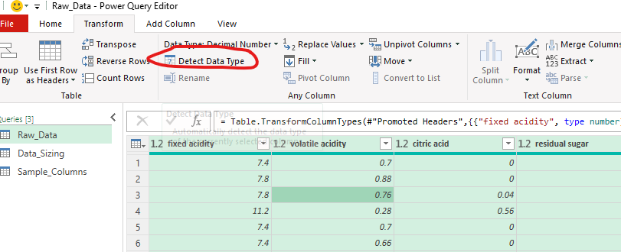 If needed, provide the correct data type. This can be done manually or: - Select the Query - Click somewhere on the table - Ctrl+A - Go to the Transform menu and select DetectType
4 | If your data comes from a different source than a single csv file, adjust the PowerQueries as needed and overwrite the code from the Raw_Data query, pasting it in the Advanced Editor.

How to Use the Output tab
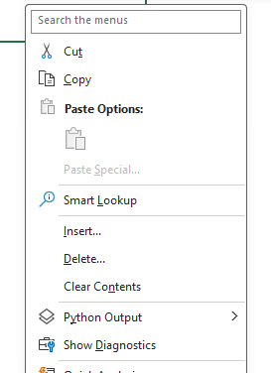
 | Notes:
1 | To execute the code from column C, add a Python cell in column D and then inside it an execute function. See below:
 | Remember to use Ctrl + Enter to execute the Python code

2 | For the import statement, please use the direct statement in column D as shown below, instead of the execute statement. Name the dataframe in the same way as suggested in the code (for ex. data, df, etc)

3 | To avoid all calculations to be run every time, go to Formulas / Calcuation Options and change from Automatic to Manual

4 | To view the code outputs, either print the corresponding dataframes or right click on the cell and click on Show Diagnostics

