Sheet1
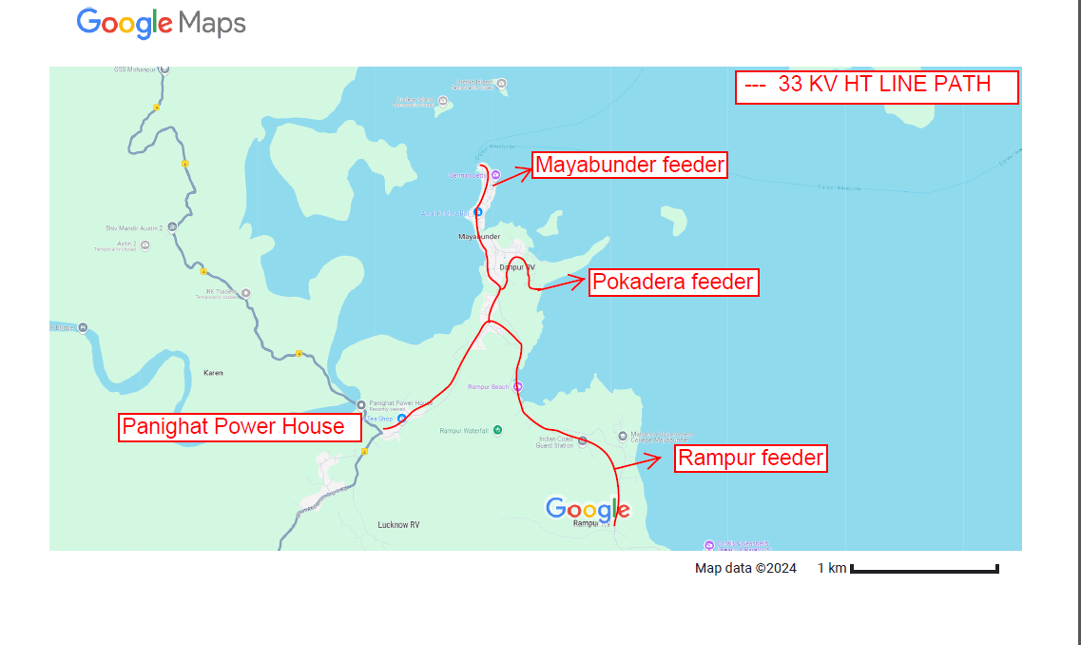

manually gathered data
 |  |  | Manually gathered data for faults location for the year 2022

 |  |  |  | No.of Faults
 |  |  |  | Rampur Feeder | Pokadera feeder | Mayabunder Feeder
 |  |  | Jan | 56 | 23 | 10
 |  |  | Feb | 9 | 4 | 2
 |  |  | Mar | 31 | 12 | 6
 |  |  | Apr | 42 | 17 | 8
 |  |  | May | 317 | 127 | 58
 |  |  | Jun | 481 | 192 | 88
 |  |  | Jul | 444 | 177 | 81
 |  |  | Aug | 516 | 206 | 94
 |  |  | Sep | 632 | 252 | 115
 |  |  | Oct | 327 | 130 | 60
 |  |  | Nov | 191 | 76 | 35
 |  |  | Dec | 114 | 45 | 21

Electrical Fault Frequency

Forecasted Table for the year 2023 |  |  |  |  |  |  |  |  |  |  |  |  | 1

 | 2024-01-01 | 2024-02-01 | 2024-03-01 | 2024-04-01 | 2024-05-01 | 2024-06-01 | 2024-07-01 | 2024-08-01 | 2024-09-01 | 2024-10-01 | 2024-11-01 | 2024-12-01
Rampur | 62.00 | -8.00 | 21.00 | 121.00 | 261.00 | 410.00 | 528.00 | 577.00 | 532.00 | 395.00 | 225.00 | 168.00
Pokadera | 25.00 | -3.00 | 9.00 | 49.00 | 105.00 | 166.00 | 216.00 | 242.00 | 235.00 | 201.00 | 168.00 | 198.00
Mayabunder | 11.00 | -1.00 | 4.00 | 22.00 | 48.00 | 74.00 | 94.00 | 101.00 | 88.00 | 55.00 | 10.00 | -23.00

Final Report:
Based on the recommendation of the above forecasted table , a new complaint redressal cell was formed at Rampur feeder area which was strengthened by providing extra staff and vehicle during the month of AUGUST which resulted in reduction in time required to resume power supply to 50%

