individual profilesURLs
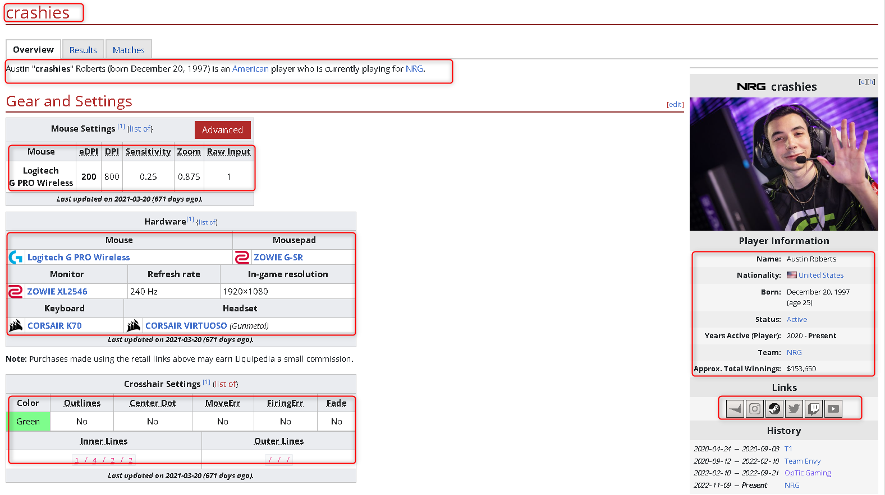
Player Name | Profile URL | Name: | Description | Nationality: | Born: | Status: | Years Active (Player): | Team: | Approx. Total Winnings: | Faceit Link | Instagram Link | Twitter Link | Twitch Link | Youtube Link | Mouse | eDPI | DPI | Sensitivity | Zoom | Polling Rate | Raw Input | Pointer Speed | Mouse | Mousepad | Monitor | Refresh rate | In-game resolution | Keyboard | Headset | Color | Outlines | Center Dot | MoveErr | FiringErr | Fade | Inner Lines | Outer Lines
crashies | https://liquipedia.net/valorant/Crashies | Austin Roberts | Austin "crashies" Roberts (born December 20, 1997) is an American player who is currently playing for NRG. | United States | December 20, 1997 (age 25) | Active | 2020 - Present | NRG | $153,650 | https://www.faceit.com/en/players/crashies | https://www.instagram.com/Crvshies | https://twitter.com/Crashies | https://www.twitch.tv/crashies | https://www.youtube.com/MrCrashies | Logitech G PRO Wireless | 200 | 800 | 0.25 | 0.875 |  | 1 |  | Logitech G PRO Wireless | ZOWIE G-SR | ZOWIE XL2546 | 240 Hz | 1920×1080 | CORSAIR K70 | CORSAIR VIRTUOSO (Gunmetal) | Green | No | No | No | No | No | 1 / 4 / 2 / 2 | / / /
SicK | https://liquipedia.net/valorant/SicK | Hunter Mims | Hunter "SicK" Mims (born September 2, 1998) is an American player who is currently playing for Sentinels. He is a former professional Counter-Strike: Global Offensive player who was most known for his time in TSM and later on in Misfits. | United States | September 2, 1998 (age 24) | Active | 2020 - Present | Sentinels | $114,250 | https://www.faceit.com/en/players/SicK_ | https://www.instagram.com/sick_cs | https://twitter.com/SicK_cs | https://www.twitch.tv/sick_cs | https://www.youtube.com/DrunkSniperz | Logitech G900 | 188 | 800 | .235 |  | 1000 Hz | Off | 6/11 | Logitech G900 | Logitech G640 | ZOWIE XL2546K | 240 Hz | 1920×1080 | HyperX Alloy FPS Pro | HyperX Cloud II

 |  |  |  |  |  |  |  |  |  |  |  |  |  |  |  |  |  |  |  |  |  |  |  |  |  |  |  |  |  |  |  | "Crosshair Settings" Table is missing Sick´s profile
 |  |  |  |  |  |  |  |  |  |  |  |  |  |  |  |  |  |  | Zoom is not in SicK´s table but in crashies table | Polling Rate is not in crashies table but in SicK´s table |  | Pointer Speed is not in crashies table but in SicK´s table

History Table
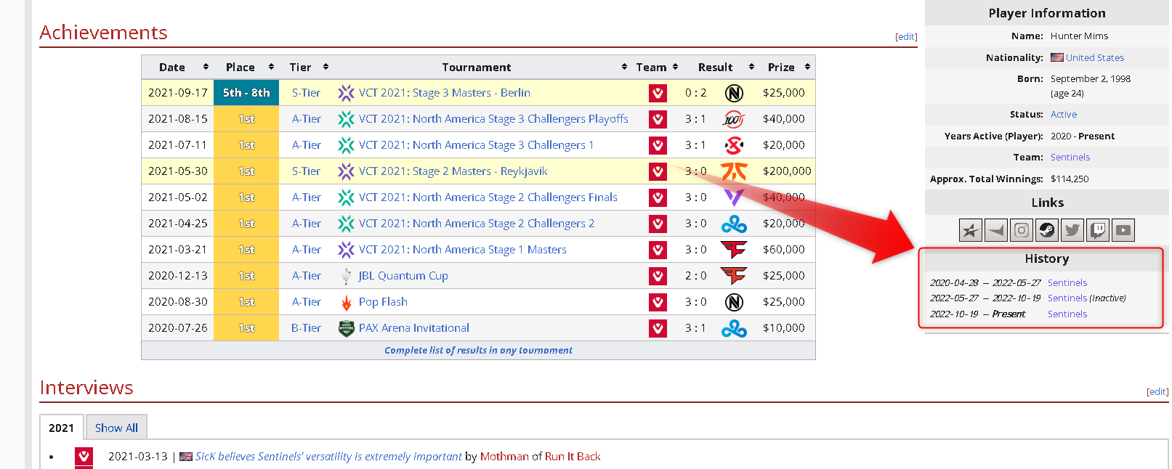
Player Name | From | To | Team
crashies | 24.04.2020 | 03.09.2020 | T1
crashies | 12.09.2020 | 10.02.2022 | Team Envy
crashies | 10.02.2022 | 21.09.2022 | OpTic Gaming
crashies | 09.11.2022 | Present | NRG
SicK | 28.04.2020 | 27.05.2022 | Sentinels
SicK | 27.05.2022 | 19.10.2022 | Sentinels(Inactive)
SicK | 19.10.2022 | Present | Sentinels

Add Player name to table

Table Achievements
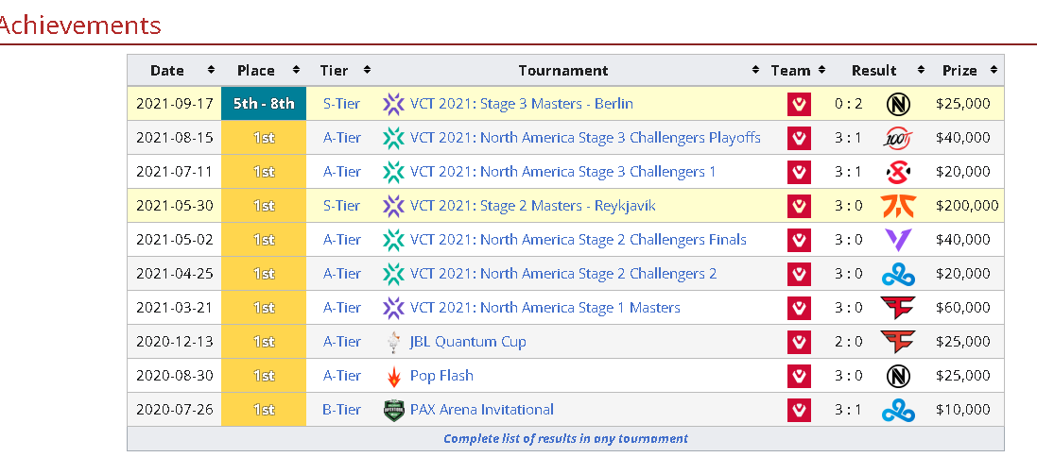
Player Name | Date | Place | Tier | Tournament | Team | Result | Team 2 | Prize
crashies | 2022-09-18 | 2nd | S-Tier | VALORANT Champions 2022 | OpTic Gaming | 1 : 3 | LOUD | $150,000
crashies | 2022-07-23 | 3rd | S-Tier | VCT 2022: Stage 2 Masters - Copenhagen | OpTic Gaming | 1 : 3 | FunPlus Phoenix | $85,000
crashies | 2022-06-26 | 2nd | A-Tier | VCT 2022: North America Stage 2 Challengers | OpTic Gaming | 1 : 3 | XSET | $32,000
crashies | 2022-04-24 | 1st | S-Tier | VCT 2022: Stage 1 Masters - Reykjavík | OpTic Gaming | 3 : 0 | LOUD | $200,000
crashies | 2022-03-27 | 2nd | A-Tier | VCT 2022: North America Stage 1 Challengers | OpTic Gaming | 2 : 3 | The Guard | $32,000
crashies | 2021-12-07 | 9th - 12th | S-Tier | VALORANT Champions 2021 | Team Envy | 1 : 2 | X10 CRIT | $20,000
crashies | 2021-09-19 | 2nd | S-Tier | VCT 2021: Stage 3 Masters - Berlin | Team Envy | 0 : 3 | Gambit Esports | $125,000
crashies | 2021-08-14 | 3rd | A-Tier | VCT 2021: North America Stage 3 Challengers Playoffs | Team Envy | 2 : 3 | 100 Thieves | $15,000
crashies | 2021-02-23 | 1st | A-Tier | VCT 2021: North America Stage 1 Challengers 2 | Team Envy | 3 : 0 | Sentinels | $20,000
crashies | 2020-06-28 | 2nd | A-Tier | T1 x Nerd Street Gamers Showdown | T1 | 0 : 3 | TSM | $15,000
SicK | 2021-09-17 | 5th - 8th | S-Tier | VCT 2021: Stage 3 Masters - Berlin | Sentinels | 0 : 2 | Team Envy | $25,000
SicK | 2021-08-15 | 1st | A-Tier | VCT 2021: North America Stage 3 Challengers Playoffs | Sentinels | 3 : 1 | 100 Thieves | $40,000
SicK | 2021-07-11 | 1st | A-Tier | VCT 2021: North America Stage 3 Challengers 1 | Sentinels | 3 : 1 | XSET | $20,000
SicK | 2021-05-30 | 1st | S-Tier | VCT 2021: Stage 2 Masters - Reykjavík | Sentinels | 3 : 0 | Fnatic | $200,000
SicK | 2021-05-02 | 1st | A-Tier | VCT 2021: North America Stage 2 Challengers Finals | Sentinels | 3 : 0 | Version1 | $40,000
SicK | 2021-04-25 | 1st | A-Tier | VCT 2021: North America Stage 2 Challengers 2 | Sentinels | 3 : 0 | Cloud9 Blue | $20,000
SicK | 2021-03-21 | 1st | A-Tier | VCT 2021: North America Stage 1 Masters | Sentinels | 3 : 0 | FaZe Clan | $60,000
SicK | 2020-12-13 | 1st | A-Tier | JBL Quantum Cup | Sentinels | 2 : 0 | FaZe Clan | $25,000
SicK | 2020-08-30 | 1st | A-Tier | Pop Flash | Sentinels | 3 : 0 | Team Envy | $25,000
SicK | 2020-07-26 | 1st | B-Tier | PAX Arena Invitational | Sentinels | 3 : 1 | Cloud9 | $10,000

Add Player name to table

