Dashboard
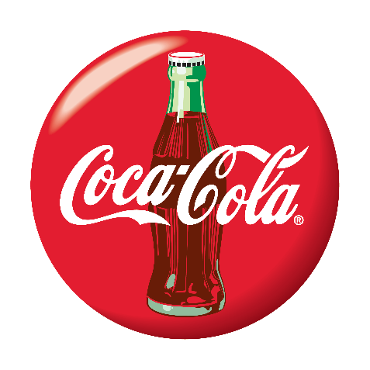
Coca-Cola USA Dashboard
Figures in USD

Sum of Total Sales
Sum of Units Sold
Average of Price per Unit
Sum of Operating Profit
$12,016,665
24,788,610
$0.45
$4,722,497

Sales by Brand |  |  |  | Sales by Retailer
Brand | Sale 2022 | Sales 2023 | Varience | Brand | Sale 2022 | Sales 2023 | Varience
Coca-Cola | 499,102 | 2,268,975 | 2,768,077 | Amazon | 276210 | 1009698.7 | 1285908.7
Dasani Water | 469,271 | 1,917,828 | 2,387,098 | BevCo | 466788 | 2327606.5 | 2794394.5
Diet Coke | 423,759 | 1,633,959 | 2,057,718 | FizzyCo | 161210.1 | 2262827.1 | 2424037.2
Fanta | 315,489 | 1,116,063 | 1,431,552 | Target | 9250.3 | 1341995 | 1351245.3
Powerade | 349,534 | 1,302,529 | 1,652,063 | Walmart | 339912.5 | 580211 | 920123.5
Sprite | 366,578 | 1,353,578 | 1,720,156 | West Soda | 1170361.6 | 2070594.2 | 3240955.8
Grand Total | 2,423,733 | 9,592,933 | 12,016,665 | Grand Total | 2423732.5 | 9592932.5 | 12016665

Profit margin vs Sales
 | Sales | Profit Margin
Qtr1 | 692776.1 | 40%
Qtr2 | 644203.9 | 40%
Qtr3 | 719170.4 | 41%
Qtr4 | 367582.1 | 40%
Qtr1 | 1877584.3 | 42%
Qtr2 | 2379424.8 | 43%
Qtr3 | 2805752.5 | 43%
Qtr4 | 2530170.9 | 42%

