Table S14
Data extracted from https://www.ncbi.nlm.nih.gov/pmc/articles/PMC3734047/
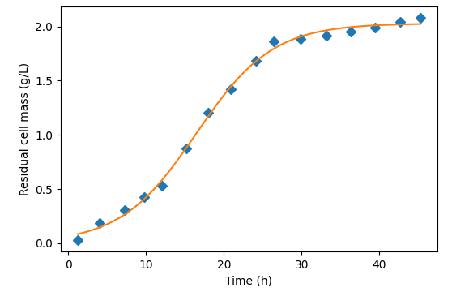
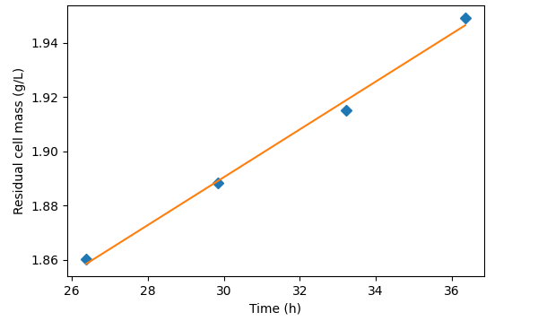
Time (h) | Residual cell mass (g/L)
1.216255144 | 0.027303240741
4.0267261088 | 0.18830439815
7.2217878372 | 0.30888695988
9.7654320988 | 0.42568938079
logistic growth model = $\frac{c}{(1+ae^{−bt})}$
$$a=29.38$$
$$b=0.21 \text{(}\text{maximum} \text{growth} \text{rate}\text{)}$$
$$c=2.03$$
12.047942387 | 0.52861458333
15.209442158 | 0.87426311728
18.009347443 | 1.2005791171
$$y=0.009x+1.63$$
20.92654321 | 1.4205898644
24.114197531 | 1.6859895833
26.377366255 | 1.8600954861
29.838683128 | 1.8881770833
33.220123457 | 1.9151354167
36.361934156 | 1.9493325617
39.423868313 | 1.9892708333
42.707681756 | 2.0416898148
45.281481481 | 2.0819401042

