news cut
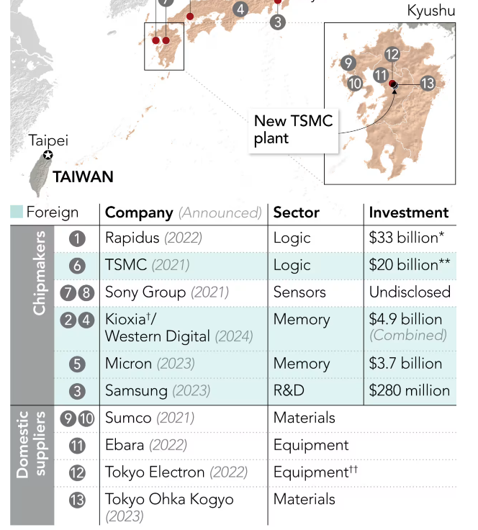
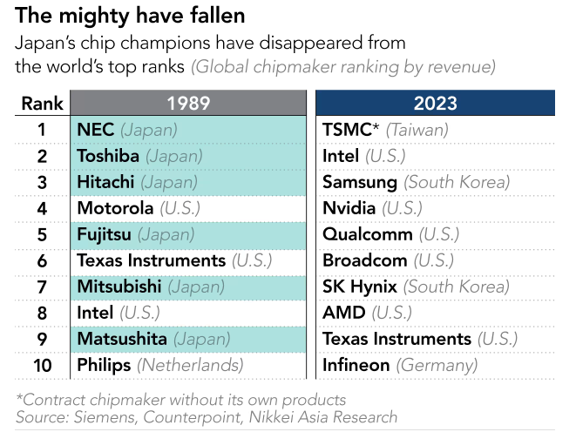
Link | year of publication | main content
https://www.taiwannews.com.tw/news/3829558 | 2019 | 3,000 chip engineers from Taiwan to China since 2015

Is Taiwan losing its ‘silicon shield’? TSMC engineers relocate to US, sparking brain drain fears | The Straits Times | 2022 | TSMC recolates 500 Taiwanese engineers to US

Korean semiconductor firms face talent poaching as China intensifies recruitment efforts - CHOSUNBIZ | 2025 | Chendu Gaozhen (CHJS) representative Choi (67) and process design director Oh (61) are being tried for allegedly misusing national core technology that Samsung Electronics
Korea Nabs Ex-Samsung Execs in China Chip Tech Scandal |  | Mr Choi Jinseog, 66, a former executive at Samsung Electronics and Hynix
 |  | Choi allegedly recruited ‘Mr Oh’, a senior DRAM memory chip researcher at Samsung, plus about 200 other Korean engineers to work at the plant, according to local media and wire agencies.

https://www.digitimes.com/news/a20230905PD212/ic-manufacturing-japan-tsmc.html | 2023 | From August to the end of September 2023, around 600 TSMC(2330.TW) employees and their family members are scheduled to move to Kumamoto.The total number of TSMC employees sent to the Kumamoto wafer factory is expected to be 400, with an additional 750 family members, which is a 20% increase from the originally planned numbers.
 |  | Furthermore, about 200 Japanese engineers from Sony, transferred to work at JASM, are returning to Japan after receiving training in Taiwan. There are also 125 new graduates who joined JASM in April 2023 and are currently undergoing training in Taiwan.

https://asia.nikkei.com/Business/China-tech/China-hires-over-100-TSMC-engineers-in-push-for-chip-leadership | 2020 | China have hired more than 100 veteran engineers and managers from TSMC since last year.

Semiconductor talent war: Nvidia recruits 515 former Samsung employees | 2024 | nice data but | no evidence indicating whether the talent mobility involves cross-border movement

吸引台湾工程师 中国芯片业不惜“烧钱”？ – DW – 2018年9月9日 | 2018 | An executive at China's new Qingdao-based chipmaker, SIEN, said one-third of the 120 newly recruited engineers are from Taiwan.

https://www.managertoday.com.tw/articles/view/65870?

台湾与大陆：芯片之战演变成了人才之战 - 法国世界报 | 2024 | Recruiters from TSMC and other manufacturers now regularly travel to India to attract talented individuals who are about to leave Indian university.

https://www.donga.com/en/article/all/20240930/5198560/1 | 2024 | It has been confirmed for the first time that at least 13 Korean experts had been recruited to China through the Thousand Talents Plan, China’s overseas science and technology talent recruitment program. They were all key talents who had shown outstanding research results in national strategic technologies such as new materials, biotechnology, and artificial intelligence (AI)

半導體人才急速外流！中國企業從台挖角3000人才｜天下雜誌 | 2019 | Japanese semiconductor companies swept the world in the 1980s. Shortly after rising to the top globally, they became complacent with their position and made managerial missteps. By the 1990s, many of Japan's top engineers had flowed to overseas companies such as Samsung Electronics, as well as to regions like Taiwan.
 |  | List of key people in semiconductor companies who moved from Taiwan to mainland China

https://ocu-omu.repo.nii.ac.jp/record/2001760/files/24346063-121-2-1.pdf?utm_source=chatgpt.com |  | Key Findings on Japanese Engineers' Migration to Samsung (1991-2018)
Presented in japanese, key information summarised by GPT and DeepSeek |  | Total identified: 619 Japanese engineers listed in Samsung patents
 |  | Traceable cases: 423 with verifiable prior employers
 |  | Core areas: Semiconductors (49), display technologies (44)

South Korean Engineers Leaving Their Home Country - Businesskorea | 2019 | It is estimated that more than 1,300 semiconductor engineers moved to Chinese companies from South Korean in 2017 alone.

2024 Qiming Plan (China)

CSET Chinese Talent Program Tracker

美光重手反击挖角，三大DRAM厂防火防盗防陆厂-电子工程专辑 | 2017 | After Micron proposed to acquire the full equity of Inotera at the end of 2016, nearly 200 employees subsequently left to join companies in mainland China such as ChangXin Memory Technologies (CXMT) in Hefei.

传长鑫存储3倍年薪挖角千人 - 与非网 | 2025 | The Korea Economic Daily analyzed the LinkedIn profiles of 381 current and former CXMT executives and employees. The analysis revealed that 145 of them (38.1%) were previously engineers at global semiconductor companies, including 51 confirmed to have come from Samsung Electronics and SK Hynix.

https://www.japantimes.co.jp/business/2024/08/05/companies/chip-industry-talent-hunt/ | 2024 | The semiconductor industry had an abundance of talent at its height in the 1980s. After it entered a long-term decline, however, companies cut back on related operations, and engineers started seeking opportunities abroad, leading to a protracted talent outflow.

Search | South China Morning Post

https://www.reuters.com/technology/taiwan-chip-firms-flock-japan-china-decoupling-accelerates-2024-02-21/ | 2024 | Taiwan chip firms flock to Japan as China decoupling accelerates

https://vietnamnet.vn/en/japan-turns-to-vietnam-for-semiconductor-workforce-amid-growing-labor-shortage-2376524.html | 2025 | Japan turns to Vietnam for semiconductor workforce amid growing labor shortage

https://www.accenture.com/content/dam/accenture/final/industry/high-tech/document/Accenture-The-Competitive-Etch-Addressing-the-Talent-Gap-Final.pdf

https://sme.asia/malaysias-strong-semiconductor-industry-might-solve-taiwans-demand-for-engineers/?utm_source=chatgpt.com | 2024 | Taiwan Seeks 10,000 Engineers to Strengthen Semiconductor Sector.Kaohsiung City offers educational opportunities (e.g., master's programs) to attract Malaysian students to study in Taiwan.After graduation, students can work in Taiwan for several years before returning to Malaysia, facilitating technology transfer and skill development.

Process Node Development
https://omdia.tech.informa.com/

Deepseek

 | Taiwan (TSMC) |  | South Korea |  | China |  | Japan |  | Singapore |  | Malaysia |  | India
Year | Process Node (nm/μm) | Yield rate | Process Node (nm/μm) | Yield rate | Process Node (nm/μm) | Yield rate | Process Node (nm/μm) | Yield rate | Process Node (nm/μm) | Yield rate | Process Node (nm/μm) | Yield rate | Process Node (nm/μm) | Yield rate
1980 | 10μm+ | <50% |  |  | 3μm | <1% | 3μm | 70%
1981
1982
1983 |  |  | 10μm | 16%
1984 |  |  |  |  |  |  |  |  |  |  |  |  | 5000/800nm
1985
1986 |  |  | 10μm | 60% |  |  | 1μm | 80%
1987 | 3μm | 60%-70% |  |  |  |  |  |  | 1μm
1988 | 1.5μm
1989 | 1.2μm
1990 | 1.0μm |  |  |  |  |  |  |  | 0.8μm
1991
1992 | 0.8μm |  | 0.5μm | 80% Samsung |  |  | 0.8μm
1993 | 0.6μm
1994 | 0.5μm |  | 0.35μm | 70%
1995
1996 | 0.35μm |  | 0.35μm | 90%
1997 | 0.3μm |  |  |  |  |  | 0.25μm | 85%
1998 | 0.25μm
1999 | 0.18μm | 90% |  |  | 0.35μm | 70%-80% |  |  | 0.25μm | 85%
2000 |  |  | 180nm
2001 | 0.13μm | 85%+ | 90nm |  |  |  | 90nm | 60%
2002 | 0.13μm | 70% | 130nm |  | 0.18μm
2003 | 90nm | 80% |  |  | 0.18μm | 70% |  |  |  |  | 0.18μm | 60%
2004 | 90nm | 92% |  |  | 0.18μm | 85%
2005 | 65nm | 90%+ |  |  |  |  |  |  | 90nm | 80%
2006 | 65nm |  | 90nm |  | 90nm | 50%-60%
2007 | 45nm |  | 60nm | 80%-90% | 90nm | 70%+
2008 | 40nm |  |  |  |  |  |  |  |  |  | 65nm
2009 | 40nm | 40% |  |  |  |  |  |  | 40nm | 75%
2010 | 40nm | 95% |  |  | 65nm | 90% | 40nm | 50%-60%
2011 | 28nm | 70% | 70nm |  | 40nm |  |  |  | 40nm | 90%
2012 | 28nm | 90%+ | 28nm |  | 40nm |  | 40nm | <70%
2013 | 28nm |  |  |  | 40nm | <60%
2014 | 20nm FinFET | 85% | 14nm | 80% Samsung | 40nm
2015 | 16nm |  | 14nm | 95% | 28nm PolySiON | 40%-50%
2016 | 10nm | 85%+ |  |  | 28nm |  |  |  |  |  | 45nm | 95%
2017 | 10nm |  |  |  | 28nm | 80%
2018 | 7nm EUV量产(7nm&7nm+ ) | 90% | 8nm |  | 28nm PolySiON | 90%
2019 | 5nm | 80% | SF7 |  | 14nm |  |  |  |  |  |  |  | 180nm | ＜50%
2020 | 5nm | 90% | 5nm EUV | 70%-75% Samsung | N+1（7nm） | 30%-40%
2021 |  |  | SF5/SF4 |  | 14nm | 90%-95%
2022 | 3nm | 60%-70% | 3nm | 30% | 7nm | 30%-50%
2023 |  |  | 3nm | 63% | 7nm
2024 | 3nm | 55% | 3nm | Samsung | 7nm | <50% | 12-28nm | 70-80%
2025 | 2nm | 90% | 2nm | 40% | 7nm | 80%-90%

 | chrome-extension://kdpelmjpfafjppnhbloffcjpeomlnpah/https://pdf.dfcfw.com/pdf/H3_AP201910161368904756_1.pdf

 | chrome-extension://kdpelmjpfafjppnhbloffcjpeomlnpah/https://pdf.dfcfw.com/pdf/H3_AP202410121640276360_1.pdf
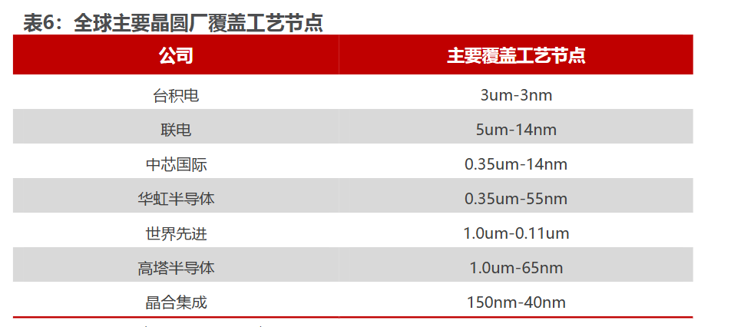

 | chrome-extension://kdpelmjpfafjppnhbloffcjpeomlnpah/https://pdf.dfcfw.com/pdf/H3_AP202305101586450249_1.pdf

