Sheet1
Name | Mac | Barcodes
Iphone | 32:db:eb:fb:c4:ed | 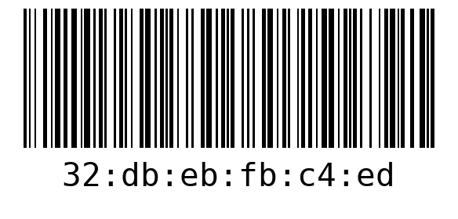
MacBook | e2:3c:9d:56:00:d3 | 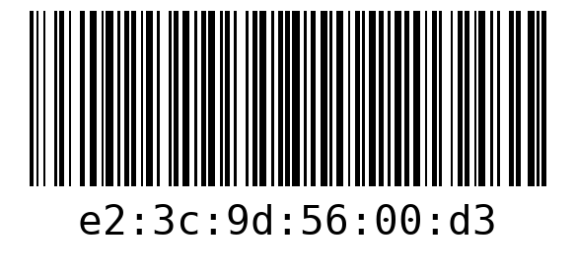
ThinkPad | 83:dc:4d:d3:91:4e | 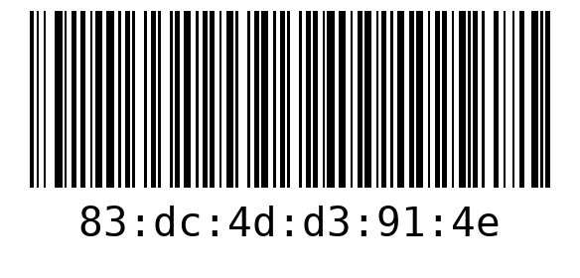
Samsung | 15:4d:1b:02:34:5a | 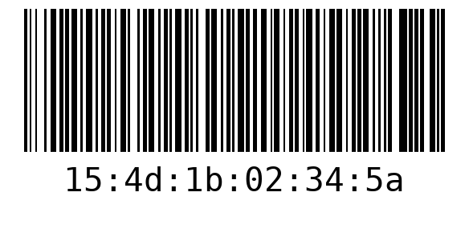
Airpods | 6a-a3-0d-c0-3c-ab | 