Sacromere Analysis
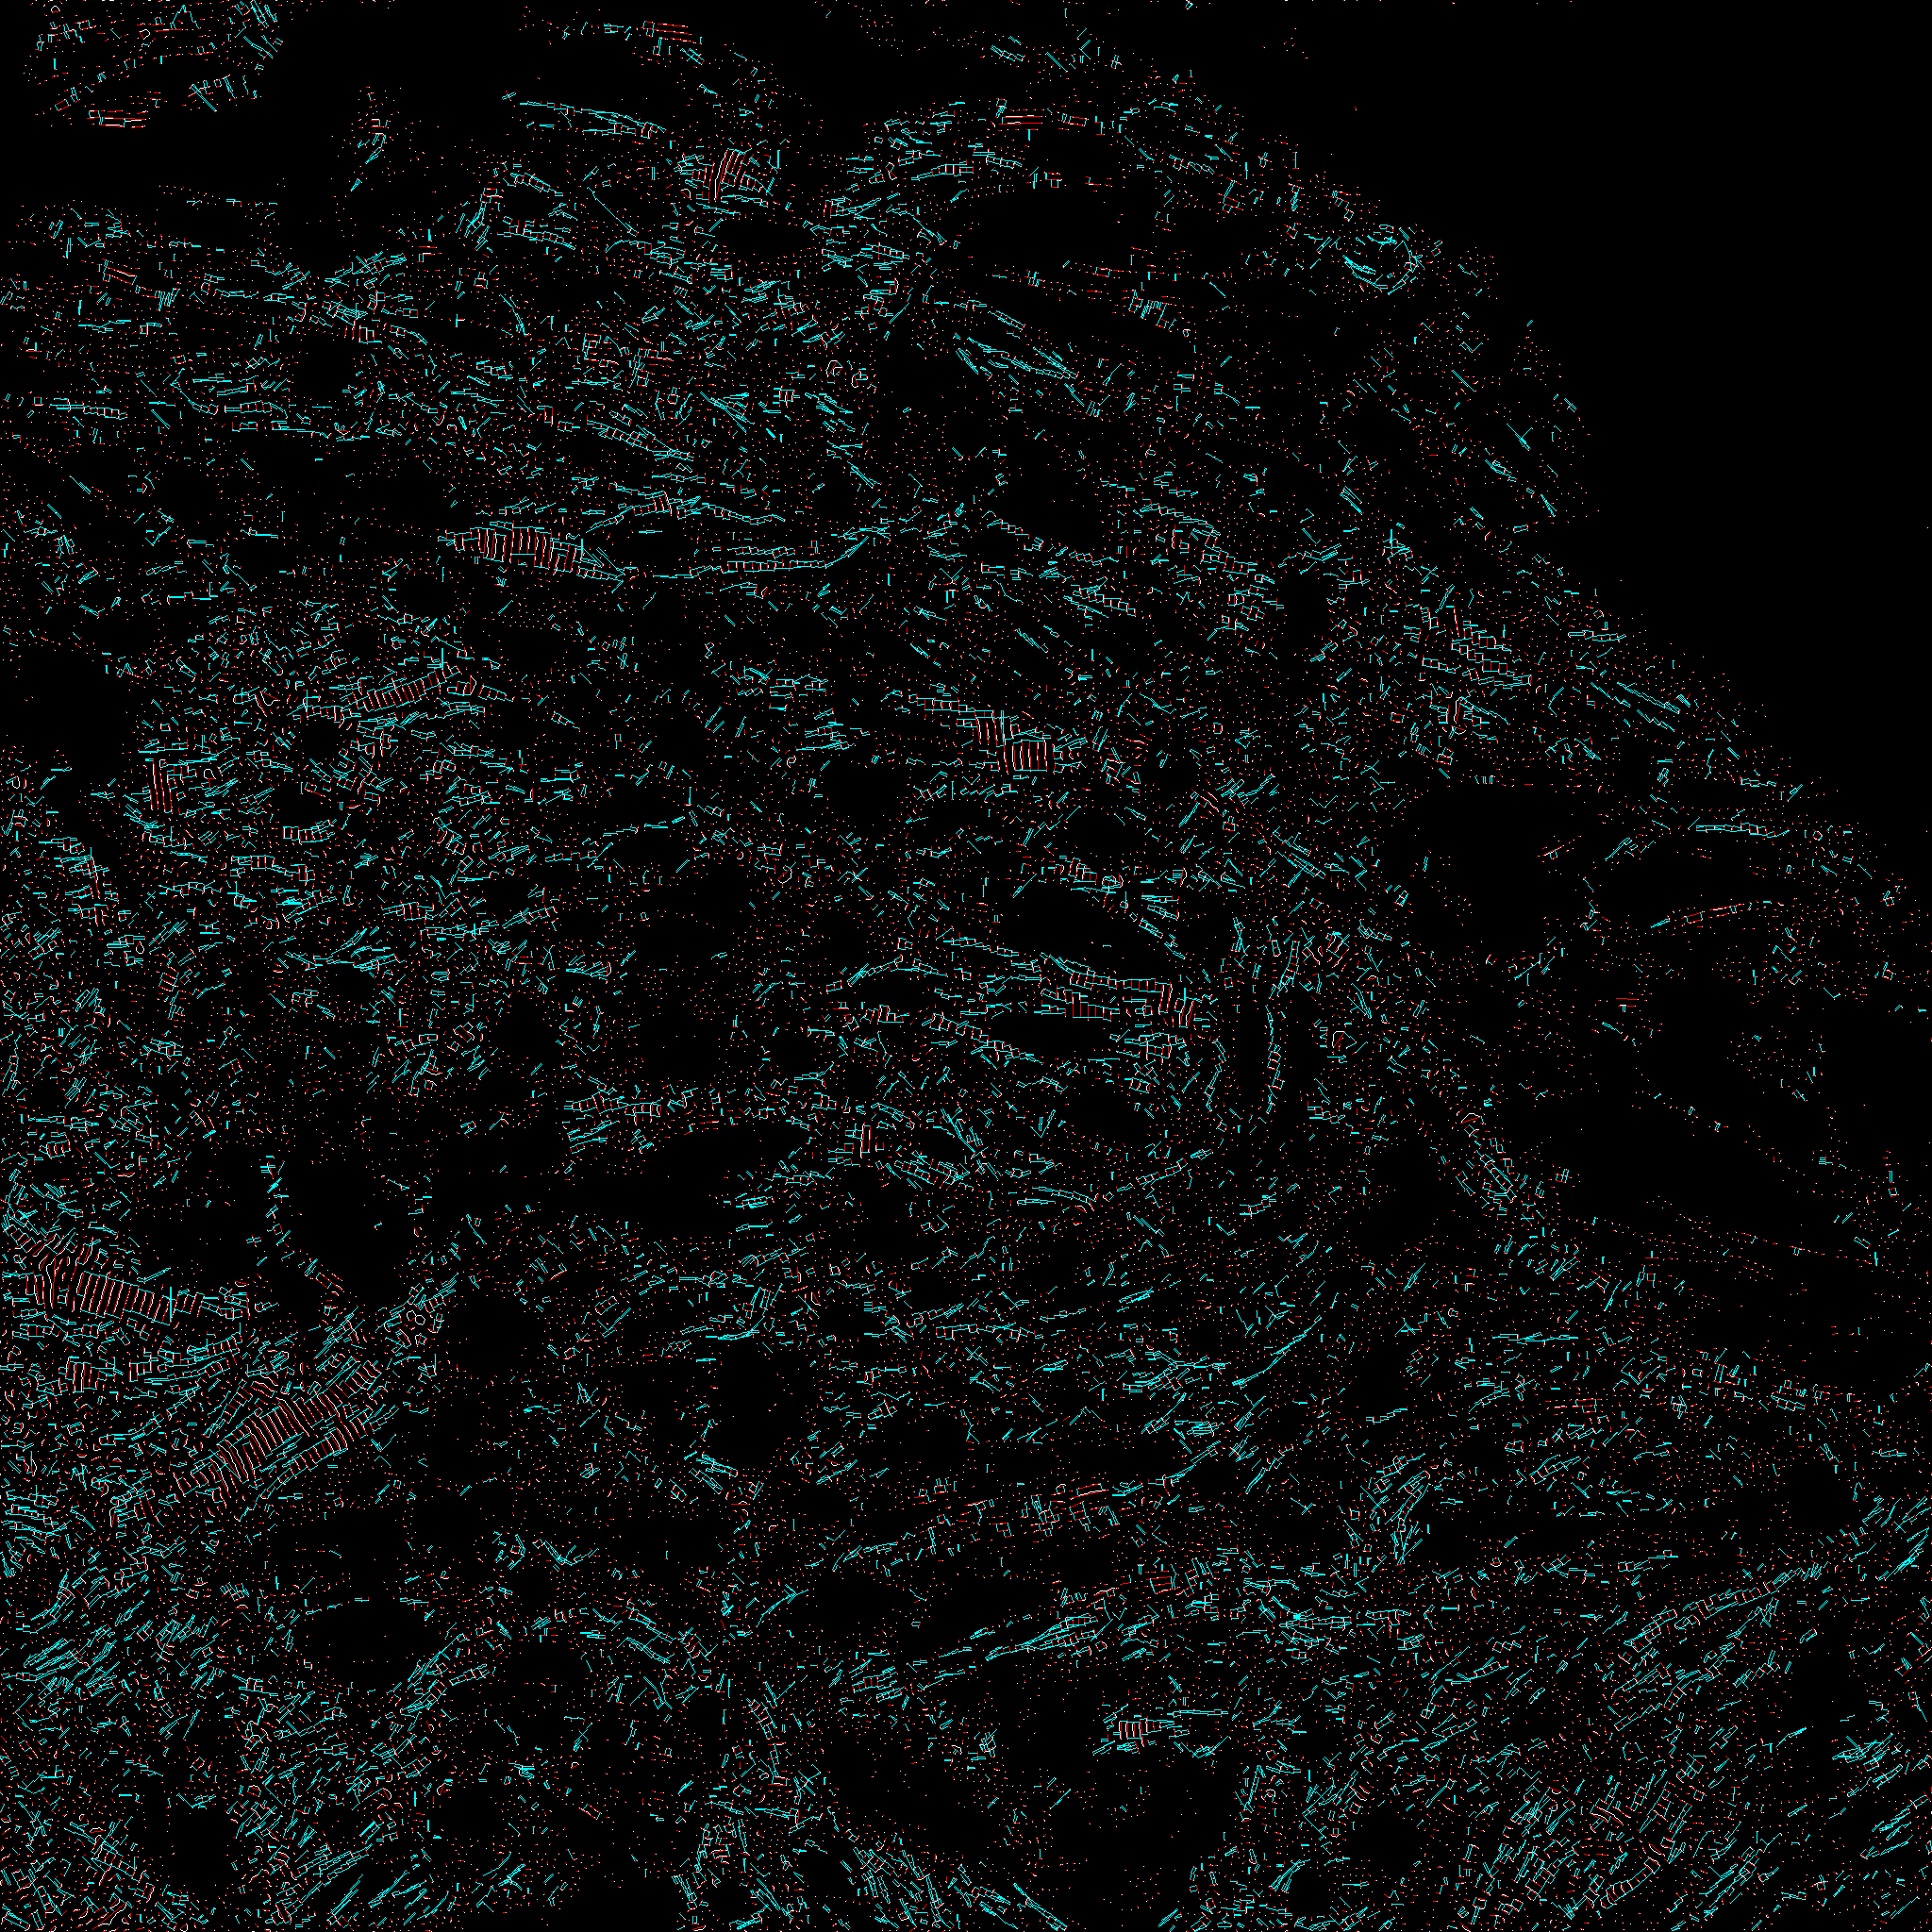
Sacromere Analysis
Hart Sample | Sample condition | Average sacromere length (um) | ratio (ratio of z-disks and conected lines) | z-lines amount | distances amount (number of connecting lines)
Inverse FFT of MH28_MiddleRight.tif | Control | 1.8138630452 | 0.58466580387 | 23953 | 28009
Inverse FFT of MH28_TopRight.tif | Control | 1.7998497979 | 0.62886392342 | 30086 | 37840
Inverse FFT of MH28_BottomRight.tif | Control | 1.8202780325 | 0.6221648049 | 32317 | 40213
Inverse FFT of MH28_MiddleMiddle.tif | Control | 1.81725731 | 0.58591745314 | 22993 | 26944
Inverse FFT of MH28_BottomMiddle.tif | Control | 1.8487734775 | 0.57536539105 | 26889 | 30942
Inverse FFT of MH28_TopMiddle.tif | Control | 1.824718519 | 0.61737342585 | 19455 | 24022
Inverse FFT of MH28_MiddleLeft.tif | Control | 1.8367264872 | 0.56063747085 | 30872 | 34616
Inverse FFT of MH28_TopLeftt.tif | Control | 1.793016981 | 0.56143697345 | 18873 | 21192
Inverse FFT of MH28_BottomLeft.tif | Control | 1.8177219334 | 0.56441345862 | 29691 | 33516
Inverse FFT of MH27_MidddleLeft.tif | Stimulated | 1.8196567556 | 0.49829642249 | 32872 | 32760
Inverse FFT of MH27_BottomMiddle.tif | Stimulated | 1.8214473544 | 0.50046918462 | 29839 | 29867
Inverse FFT of MH27_TopLeft.tif | Stimulated | 1.8241870389 | 0.51201057812 | 27226 | 27880
Inverse FFT of MH27_BottomRight.tif | Stimulated | 1.8275768363 | 0.61392842338 | 21711 | 26658
Inverse FFT of MH27_MidddleRight.tif | Stimulated | 1.8502038824 | 0.55278019937 | 26383 | 29168
Inverse FFT of MH27_TopRight.tif | Stimulated | 1.8520480052 | 0.56091119181 | 33319 | 37378
Inverse FFT of MH27_MidddleMiddle.tif | Stimulated | 1.8261804731 | 0.46205696891 | 13797 | 12750
Inverse FFT of MH27_BottomLeft.tif | Stimulated | 1.8305796045 | 0.52094823416 | 31005 | 32304
Inverse FFT of MH27_TopMiddle.tif | Stimulated | 1.8279140777 | 0.56440244753 | 25822 | 29148
Inverse FFT of MH25_TopMiddle.tif | Control | 1.8063132894 | 0.67615233489 | 33085 | 44741
Inverse FFT of MH25_TopRight.tif | Control | 1.7986935183 | 0.58175470133 | 28928 | 33658
Inverse FFT of MH25_TopLeft.tif | Control | 1.8194498707 | 0.58424804998 | 28333 | 33107
Inverse FFT of MH25_BottomLeft.tif | Control | 1.8436143966 | 0.49727177678 | 30606 | 30439
Inverse FFT of MH25_BottomRight.tif | Control | 1.8306824989 | 0.54641744548 | 25680 | 28064
Inverse FFT of MH25_MiddleRight.tif | Control | 1.8127597598 | 0.60441040913 | 28206 | 34096
Inverse FFT of MH25_MiddleMiddle.tif | Control | 1.8207211538 | 0.63272160982 | 32749 | 41442
Inverse FFT of MH25_BottomMiddle.tif | Control | 1.8106651702 | 0.56167188629 | 29057 | 32641
Inverse FFT of MH25_MiddleLeft.tif | Control | 1.8095735433 | 0.58758152785 | 26678 | 31351
Inverse FFT of MH8_Topcenter.tif | Stimulated | 1.8188587959 | 0.5800407332 | 22095 | 25632
Inverse FFT of MH8_Bottommiddle.tif | Stimulated | 1.8014749728 | 0.30835493215 | 13118 | 8090
Inverse FFT of MH8_Middlecenter.tif | Stimulated | 1.8175192801 | 0.53365813377 | 30275 | 32313
Inverse FFT of MH8_Middleleft.tif | Stimulated | 1.8225167471 | 0.57357473035 | 25960 | 29780
Inverse FFT of MH8_Middleright.tif | Stimulated | 1.8271160047 | 0.48666809636 | 13989 | 13616
Inverse FFT of MH8_Bottomright.tif | Stimulated | 1.8147221392 | 0.48040366111 | 21305 | 20470
Inverse FFT of MH8_Bottomleft.tif | Stimulated | 1.8110011913 | 0.51785436742 | 25736 | 26655
Inverse FFT of MH8_Topleft_.tif | Stimulated | 1.8288803588 | 0.616515883 | 24649 | 30393
Inverse FFT of MH8_Topright.tif | Stimulated | 1.8476237346 | 0.61812519793 | 18946 | 23422
Inverse FFT of MH8_Bottommiddle_2.tif side 2 | Stimulated | 1.8193794564 | 0.45573759207 | 29054 | 26482
Inverse FFT of MH8_Topmiddle_2.tif side 2 | Stimulated | 1.8219652353 | 0.68996701172 | 35164 | 48524
Inverse FFT of MH8_Topleft_2.tif side 2 | Stimulated | 1.7852342196 | 0.54380027077 | 25114 | 27314
Inverse FFT of MH8_Middleleft_2.tif side 2 | Stimulated | 1.8347495704 | 0.40841228826 | 13932 | 11380
Inverse FFT of MH8_Bottomright_2.tif side 2 | Stimulated | 1.8174865739 | 0.55463830978 | 28588 | 31712
Inverse FFT of MH8_Middlelright_2.tif side 2 | Stimulated | 1.8251387922 | 0.51766154478 | 38983 | 40360
Inverse FFT of MH8_Bottomleft_2.tif side 2 | Stimulated | 1.8017244245 | 0.45228972815 | 21924 | 19832
Inverse FFT of MH8_Middlemiddle_2.tif side 2 | Stimulated | 1.815999001 | 0.52627571544 | 34804 | 36633
Inverse FFT of MH8_Topright_2.tif side 2 | Stimulated | 1.8281932277 | 0.66703357182 | 29072 | 38784
Inverse FFT of MH7_middlemiddle.tif | Control | 1.8142840067 | 0.48257955705 | 22531 | 21746
Inverse FFT of MH7_Bottommiddle.tif | Control | 1.8169720562 | 0.43469476903 | 18314 | 15922
Inverse FFT of MH7_Middleright-1.tif | Control | 1.8275905894 | 0.6883755368 | 33765 | 46486
Inverse FFT of MH7_Topright.tif | Control | 1.8355803779 | 0.58320622815 | 31470 | 36707
Inverse FFT of MH7_Topleft-1.tif | Control | 1.8511356007 | 0.57444536718 | 8429 | 9684
Inverse FFT of MH7_Middleleft.tif | Control | 1.8229734184 | 0.59376527063 | 34789 | 41313
Inverse FFT of MH7_Bottomleft-1.tif | Control | 1.8087838392 | 0.45727543337 | 22844 | 20892
Inverse FFT of MH7_Topmiddle.tif | Control | 1.8146994089 | 0.58362562304 | 32502 | 37938
Inverse FFT of MH7_Bottomright.tif | Control | 1.8126781831 | 0.58011442441 | 28840 | 33461
Inverse FFT of MH21_MiddleRight-1.tif | Control | 1.8316564699 | 0.49375841106 | 21549 | 21280
Inverse FFT of MH21_BottomRight-1.tif | Control | 1.8218615322 | 0.40754564713 | 19826 | 16160
Inverse FFT of MH21_BottomLeft-1.tif | Control | 1.8295424039 | 0.48454393988 | 28209 | 27337
Inverse FFT of MH21_MiddleLeft-1.tif | Control | 1.8040375948 | 0.39609913477 | 13638 | 10804
Inverse FFT of MH21_MiddleMiddle-1.tif | Control | 1.8027094963 | 0.48361469712 | 15105 | 14610
Inverse FFT of MH21_TopMiddle-1.tif | Control | 1.8231757938 | 0.48542512575 | 16501 | 16020
Inverse FFT of MH21_TopLeft-1.tif | Control | 1.7972574205 | 0.51016646185 | 17902 | 18266
Inverse FFT of MH21_BottomMiddle-1.tif | Control | 1.8183744778 | 0.3597139595 | 16641 | 11972
Inverse FFT of MH21_TopRight-1.tif | Control | 1.8547949293 | 0.57611802674 | 21690 | 24992
Inverse FFT of MH26_MiddleMiddle.tif | Stimulated | 1.8188528219 | 0.56579084287 | 19220 | 21749
Inverse FFT of MH26_TopMiddle.tif | Stimulated | 1.765973476 | 0.59123269352 | 25424 | 30063
Inverse FFT of MH26_BottomMiddle.tif | Stimulated | 1.8112305489 | 0.44886763258 | 21327 | 19146
Inverse FFT of MH26_BottomRight.tif | Stimulated | 1.7945743125 | 0.47049680333 | 17049 | 16043
Inverse FFT of MH26_MiddleRight.tif | Stimulated | 1.7914521755 | 0.47337507888 | 20601 | 19504
Inverse FFT of MH26_TopRight.tif | Stimulated | 1.7719670435 | 0.55732370332 | 25199 | 28088
Inverse FFT of MH26_MiddleLeft.tif | Stimulated | 1.7842326547 | 0.49889186982 | 17146 | 17108
Inverse FFT of MH26_TopLeft.tif | Stimulated | 1.8194502565 | 0.64969424685 | 32052 | 41648
Inverse FFT of MH26_BottomLeft.tif | Stimulated | 1.8249845664 | 0.504028838 | 28296 | 28524
Inverse FFT of MH5_BottomRight.tif | Stimulated | 1.8168526356 | 0.51317104512 | 14008 | 14377
Inverse FFT of MH5_MiddleRight.tif | Stimulated | 1.779052595 | 0.53190321269 | 24590 | 26159
Inverse FFT of MH5_BottomMiddle.tif | Stimulated | 1.8165378104 | 0.39076506737 | 17737 | 13862
Inverse FFT of MH5_BottomLeft.tif | Stimulated | 1.8290288376 | 0.50870679287 | 19123 | 19456
Inverse FFT of MH5_TopMiddle.tif | Stimulated | 1.8021151011 | 0.60995509802 | 18262 | 22278
Inverse FFT of MH5_TopRight.tif | Stimulated | 1.8540159468 | 0.64339610043 | 14976 | 19271
Inverse FFT of MH5_TopLeft.tif | Stimulated | 1.8003744985 | 0.60246358569 | 27805 | 33503
Inverse FFT of MH5_MiddleLeft.tif | Stimulated | 1.8145261357 | 0.587031791 | 28593 | 33570
Inverse FFT of MH5_MiddleMiddle.tif | Stimulated | 1.8422285773 | 0.62141438658 | 27192 | 33795

