Intro
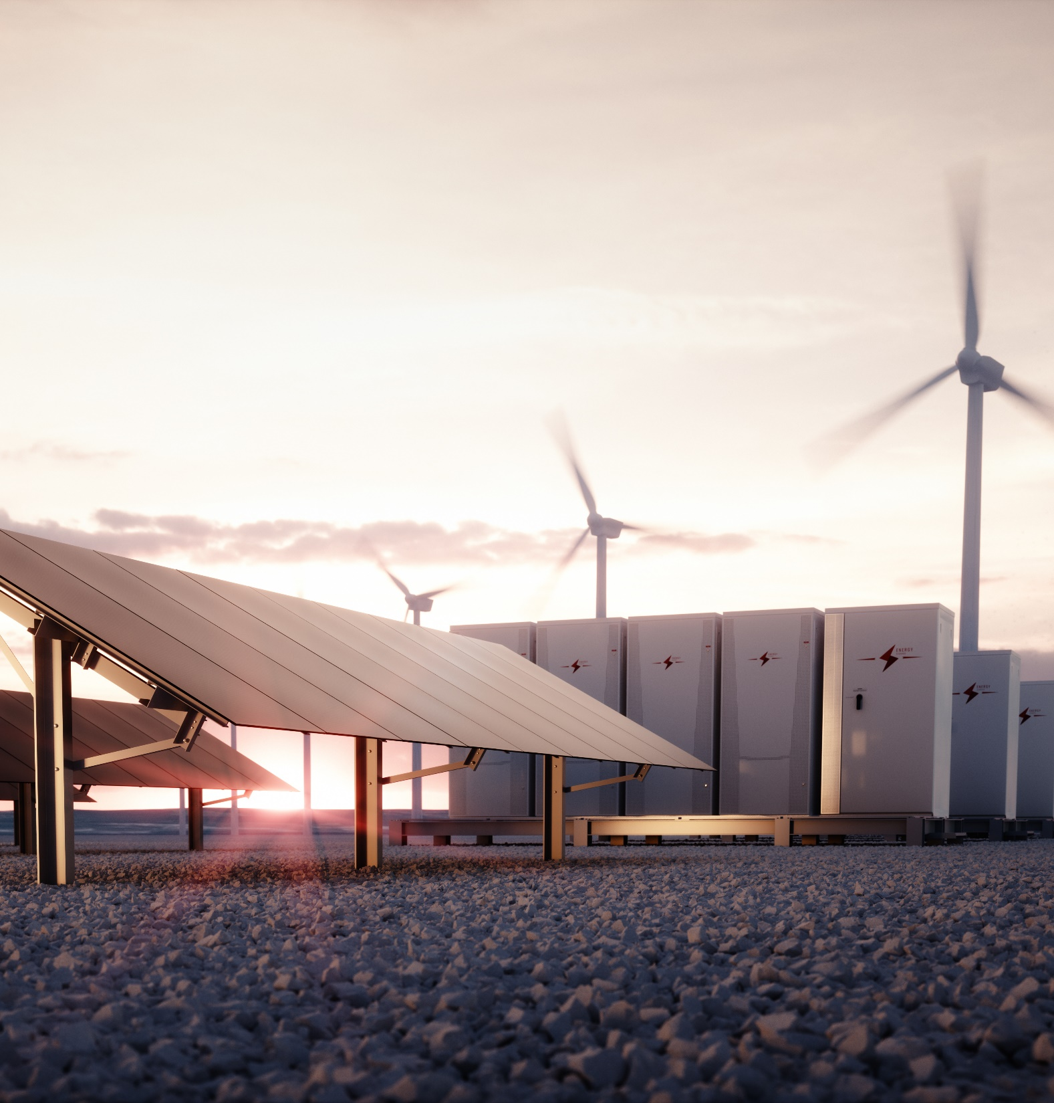

Auto Calculate

Inputs |  |  | Outputs

EPC price £/kWp | 750 |  | PPA Price - pkWe | 18.66
Project Size - kWp | 48.00
Yearly Yield - kWe | 48,000

Contract Length - Years | 10 | Do not use lower than 20 years

Calculation Debt
ROI
 |  |  | Zero
0 | -38,160 | -38,160 | 0
1 | -36,781 | -36,781 | 0
2 | -35,044 | -35,023 | 0
3 | -33,058 | -32,883 | 0
4 | -30,540 | -30,035 | 0
5 | -27,726 | -26,792 | 0
6 | -24,613 | -23,150 | 0
7 | -21,198 | -19,105 | 0
8 | -17,479 | -14,655 | 0
9 | -13,453 | -9,796 | 0
10 | -9,117 | -4,525 | 0
11 | -11,884 | -8,213 | 0
12 | -15,344 | -11,673 | 0
13 | -18,575 | -14,904
14 | -21,577 | -17,906
15 | -24,350 | -20,679
16 | -24,350 | -20,679
17 | -24,350 | -20,679
18 | -24,350 | -20,679
19 | -24,350 | -20,679
20 | -24,350 | -20,679
21 | -24,350 | -20,679
22 | -24,350 | -20,679
23 | -24,350 | -20,679
24 | -24,350 | -20,679
25 | -24,350 | -20,679
 |  |  |  |  |  |  | PV
PPA Calculator |  |  |  |  |  | Cost of Install
 |  |  |  |  |  | Inverter Cost
Assumptions |  |  |  |  |  | Total Cost |  |  | Project
Revenue |  |  | Initial Cost |  |  |  |  |  | Cash Investment Total
Self consumption (%) |  |  | Year |  |  | 0 |  | EPC | Pre-tax, Project IRR
Project Size (kWp) |  |  | Commission Cost (£) @6% |  |  |  |  | EPC2 | Post-tax, Project IRR
 |  | 90.5% | EPC (£/kWp) |  |  |  |  |  | Year 1 EBITDA yield
Yield (kWh/kWp) |  |  |  |  |  |  |  |  | Year 1 gross yield
Output Degradation Year 2-25 | 0.50% | 0.04% | Maintenance Capex |  |  |  |  |  | Pay Back in years | pre fees, pre tax
Tariff - generation subsidy (p/kWh) | 0.000 | 0.000 | Inverter Maintenance capex 1 (£) |  |  |  | Invertor Costs | Invertor size kWe |  | post tax
Tariff - power exported (p/kWh) | 7.000 | 10.000 | Inverter Maintenance capex 1 (year) |  |  | 12 | 3250 | 100 |  |  | Target IRR | 11.00%
FMP | 0.000 | 15.500 | Battery Maintenance capex 2 (£) |  |  | £- |  |  | PV1
discount on FMP | 0.00% | 0.00% | Battery Maintenance capex 2 (year) |  |  | 0 |  |  | PV1
Tariff - power used on site (p/kWh) |  |  | Annual Interter Maintenance Reserve account
Inflation costs (RPI) | 2.50% | 2.50% | Annual Battery Maintenance Reserve account
Inflation Export Tariff | 2.50% | 2.50%
Inflation PPA | 2.50% | 2.50%
Project life (years) |  |  | Annual Costs |  |  | Years 1- 3 | Years 4 - onwards
Projects per SPV | 1 |  | Billing costs |  |  | £400.00 | £100
 |  |  | Asset management cost / kWp |  |  | £-
 |  |  | O&M (£/kWp)
 |  |  | Insurance (£/kWp)
 |  |  | Business Rates (£/kWp)
 |  |  | Contingency 1 (£/kWh/yr) |  |  | £-
 |  |  | Contingency 2 (£/project/yr) |  |  | £-
 |  |  |  |  |  | P&L | Tax (ECA)
 |  |  | Initial Cost - Depreciation (yrs) |  |  | 25
 |  |  | Initial Cost - Depreciable Portion |  |  | 100.0% | 100.0%
 |  |  | Maintenance Capex - Depreciation (yrs) |  |  | 15 | 15
 |  |  | Maintenance Capex - Depreciable Portion |  |  | 100.0% | 100.0%
 |  |  | Tax Rate |  |  | 25.0%

P&L (year) | 0 | 1 | 2 | 3 | 4 | 5 | 6 | 7 | 8 | 9 | 10 | 11 | 12 | 13 | 14 | 15 | 16 | 17 | 18 | 19 | 20 | 21 | 22 | 23 | 24 | 25

Generated kWh
Self consumed kWh
Self consumption %
Export Tariff
Offtake Price

Export income
PPA income
Revenue

Billing
Asset mangement
CHP Service
O&M
Business Rates (and contingencies)
Other insurance
Insurance
Additionals
Ground rent
Other additionals
Commission
Debt Funding
EBITDA
 |  | 0%

P&L Depreciation
Installation P&L Dep'n
Start
End
Maintenance Capex 1 P&L Dep'n

Start
End
Maintenance Capex 2 P&L Dep'n
Original investment date
Start
End

Tax Depreciation
Installation Tax Depreciation
Start
End
Maintenance Capex 1 Tax Dep'n
Start
End
Maintenance Capex 2 Tax Dep'n
Original investment date
Start
End
EBIT
Cumulative
Tax without interest shield

Interest paid
Interest received
PBT
Taxable Profits (After ECAs)
Corporation Tax
Net Profit
Cumulative

Dividends
Retained Earnings

 |  |  |  |  |  | £423,000
Cash Flow | 0 | 1 | 2 | 3 | 4 | 5 | 6 | 7 | 8 | 9 | 10 | 11 | 12 | 13 | 14 | 15 | 16 | 17 | 18 | 19 | 20 | 21 | 22 | 23 | 24 | 25

Net Profit
Interest Paid
Interest Received
Interest tax shield
Depreciation
Cash from Operations
Initial Cost
Inverter replacement costs
battery replacement costs
Total Capex

Inverter reserve account contribution
Inverter reserve account withdrawals
Battery reserve account contribution
Battery reserve account withdrawals

Project Cash Flow
Equity Cash Flows
Project Cumulative Cash Flow

Add Equity Raised
Add Debt Raised
interest
Dept repayment

Less Dividends Paid
Less Principal Repaid
Less Interest Paid
Add Interest Received
Add Interest Tax Shield
Less Cash Distribution to equity
Cash Flow After Financing

Project Cash Flow (pre fees, pre tax)
Project Cash Flow (post tax)

 | 0 | 0 | 0 | 0 | 0 | 0 | 0 | 0 | 0 | 0 | 0 | 0 | 0 | 0 | 0 | 0 | 0 | 0 | 0 | 0 | 0 | 0 | 0 | 0 | 0 | 0
Balance Sheet | 0 | 1 | 2 | 3 | 4 | 5 | 6 | 7 | 8 | 9 | 10 | 11 | 12 | 13 | 14 | 15 | 16 | 17 | 18 | 19 | 20 | 21 | 22 | 23 | 24 | 25

Assets
Fixed Assets
Current Assets
MMRA balance
Total Assets

Liabilities
Debt
Total Liabilities

Shareholders Equity
Common Equity
Retained Earnings
Total Equity

Balance Check

Without Debt
 |  |  |  |  |  |  | PV
PPA Calculator |  |  |  |  |  | Cost of Install
 |  |  |  |  |  | Inverter Cost
ROI
 |  |  | Zero
0 | -38,160 | -38,160 | 0
1 | -32,260 | -30,803 | 0
2 | -26,248 | -23,295 | 0
3 | -20,121 | -15,635 | 0
4 | -13,635 | -7,496 | 0
5 | -7,024 | 810 | 0
6 | -286 | 9,286 | 0
7 | 6,583 | 17,935 | 0
8 | 13,584 | 26,761 | 0
9 | 20,720 | 35,767 | 0
10 | 27,993 | 44,956 | 0
11 | 27,993 | 44,956 | 0
12 | 27,993 | 44,956 | 0
13 | 27,993 | 44,956
14 | 27,993 | 44,956
15 | 27,993 | 44,956
16 | 27,993 | 44,956
17 | 27,993 | 44,956
18 | 27,993 | 44,956
19 | 27,993 | 44,956
20 | 27,993 | 44,956
21 | 27,993 | 44,956
22 | 27,993 | 44,956
23 | 27,993 | 44,956
24 | 27,993 | 44,956
25 | 27,993 | 44,956
Assumptions |  |  |  |  |  | Total Cost |  |  | Project
Revenue |  |  | Initial Cost |  |  |  |  |  | Cash Investment Total
Self consumption (%) |  |  | Year |  |  | 0 |  | EPC | Pre-tax, Project IRR
Project Size (kWp) |  |  | Commission Cost (£) @6% |  |  |  |  | EPC2 | Post-tax, Project IRR
 |  | 90.5% | EPC (£/kWp) |  |  |  |  |  | Year 1 EBITDA yield
Yield (kWh/kWp) |  |  |  |  |  |  |  |  | Year 1 gross yield
Output Degradation Year 2-25 |  | 0.04% | Maintenance Capex |  |  |  |  |  | Pay Back in years | pre fees, pre tax
Tariff - generation subsidy (p/kWh) |  | 0.000 | Inverter Maintenance capex 1 (£) |  |  |  | Invertor Costs | Invertor size kWe |  | post tax
Tariff - power exported (p/kWh) |  | 10.000 | Inverter Maintenance capex 1 (year) |  |  | 12 | 3250 | 100 |  |  | Target IRR | 11.00%
FMP |  | 15.500 | Battery Maintenance capex 2 (£) |  |  | £- |  |  | PV1
discount on FMP |  | 0.00% | Battery Maintenance capex 2 (year) |  |  | 0 |  |  | PV1
Tariff - power used on site (p/kWh) |  |  | Annual Interter Maintenance Reserve account
Inflation costs (RPI) |  | 2.50% | Annual Battery Maintenance Reserve account
Inflation Export Tariff |  | 2.50%
Inflation PPA |  | 2.50%
Project life (years) |  |  | Annual Costs |  |  | Years 1- 3 | Years 4 - onwards
Projects per SPV |  |  | Billing costs
 |  |  | Asset management cost / kWp
 |  |  | O&M (£/kWp)
 |  |  | Insurance (£/kWp)
 |  |  | Business Rates (£/kWp)
 |  |  | Contingency 1 (£/kWh/yr) |  |  | £-
 |  |  | Contingency 2 (£/project/yr) |  |  | £-
 |  |  |  |  |  | P&L | Tax (ECA)
 |  |  | Initial Cost - Depreciation (yrs)
 |  |  | Initial Cost - Depreciable Portion
 |  |  | Maintenance Capex - Depreciation (yrs)
 |  |  | Maintenance Capex - Depreciable Portion
 |  |  | Tax Rate

P&L (year) | 0 | 1 | 2 | 3 | 4 | 5 | 6 | 7 | 8 | 9 | 10 | 11 | 12 | 13 | 14 | 15 | 16 | 17 | 18 | 19 | 20 | 21 | 22 | 23 | 24 | 25

Generated kWh
Self consumed kWh
Self consumption %
Export Tariff
Offtake Price

Export income
PPA income
Revenue

Billing
Asset mangement
CHP Service
O&M
Business Rates (and contingencies)
Other insurance
Insurance
Additionals
Ground Rent
Other Additionals
Commission
EBITDA
 |  | 0%

P&L Depreciation
Installation P&L Dep'n
Start
End
Maintenance Capex 1 P&L Dep'n

Start
End
Maintenance Capex 2 P&L Dep'n
Original investment date
Start
End

Tax Depreciation
Installation Tax Depreciation
Start
End
Maintenance Capex 1 Tax Dep'n
Start
End
Maintenance Capex 2 Tax Dep'n
Original investment date
Start
End
EBIT
Cumulative
Tax without interest shield

Interest paid
Interest received
PBT
Taxable Profits (After ECAs)
Corporation Tax
Net profit (Tax Accounting)
Cumulative net profit (Tax Accounting) | -
Taxable Profits (after ECAs; add back in interest)
Corporation Tax (ignoring interest payments)
Net profit (tax accounting; ignoring interest pmts)
Cumulative net profit (tax accountign; ignoring interest pmts)
Interest Tax Shield
Net Profit
Cumulative

Dividends
Retained Earnings

 |  |  |  |  |  | £423,000
Cash Flow | 0 | 1 | 2 | 3 | 4 | 5 | 6 | 7 | 8 | 9 | 10 | 11 | 12 | 13 | 14 | 15 | 16 | 17 | 18 | 19 | 20 | 21 | 22 | 23 | 24 | 25

Net Profit
Interest Paid
Interest Received
Interest tax shield
Depreciation
Cash from Operations
Initial Cost
Inverter replacement costs
battery replacement costs
Total Capex

Inverter reserve account contribution
Inverter reserve account withdrawals
Battery reserve account contribution
Battery reserve account withdrawals

Project Cash Flow
Equity Cash Flows
Project Cumulative Cash Flow

Add Equity Raised
Add Debt Raised
interest
Dept repayment

Less Dividends Paid
Less Principal Repaid
Less Interest Paid
Add Interest Received
Add Interest Tax Shield
Less Cash Distribution to equity
Cash Flow After Financing

Project Cash Flow (pre fees, pre tax)
Project Cash Flow (post tax)

 | 0 | 0 | 0 | 0 | 0 | 0 | 0 | 0 | 0 | 0 | 0 | 0 | 0 | 0 | 0 | 0 | 0 | 0 | 0 | 0 | 0 | 0 | 0 | 0 | 0 | 0
Balance Sheet | 0 | 1 | 2 | 3 | 4 | 5 | 6 | 7 | 8 | 9 | 10 | 11 | 12 | 13 | 14 | 15 | 16 | 17 | 18 | 19 | 20 | 21 | 22 | 23 | 24 | 25

Assets
Fixed Assets
Current Assets
MMRA balance
Total Assets

Liabilities
Debt
Total Liabilities

Shareholders Equity
Common Equity
Retained Earnings
Total Equity

Balance Check

