Sheet1
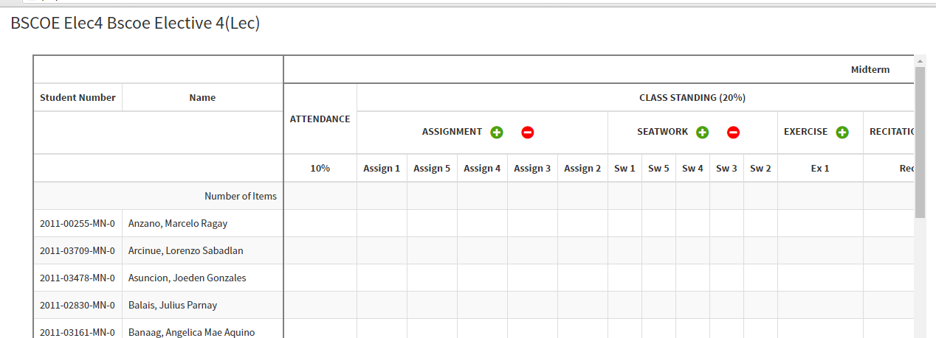
Adding of columns are not in the proper order or numbering
(For Lecture only)

Incorrect label for tooltip in the 'number of items' row only
(For Lecture and Lab)

Incorrect adding of column in the finals for both lec and lab

