sub-category
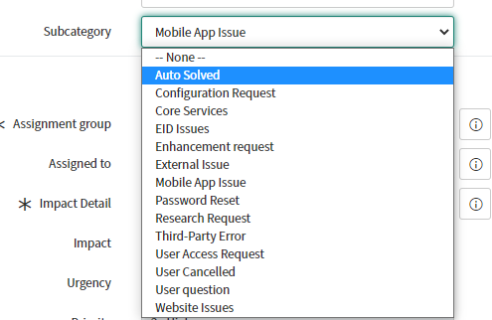

Sub Category | Assigned Developer | Applications / Other
Auto Solved | Solved by user
Configuration Request | Assign to Sandeep | mobile ios, mobile andriod, web
Core Services
EID Issues
Enhancement request
External Issue
Mobile App Issue
Password Reset
Research Request
Third-Party Error
User Access Request
User Cancelled
User question
Website Issues

