ReviewMFI
PZ
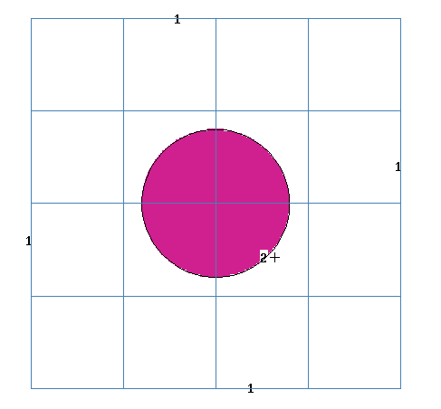

 |  |  |  |  | none | W/cc | vtot | No filter | celf | CELF 10
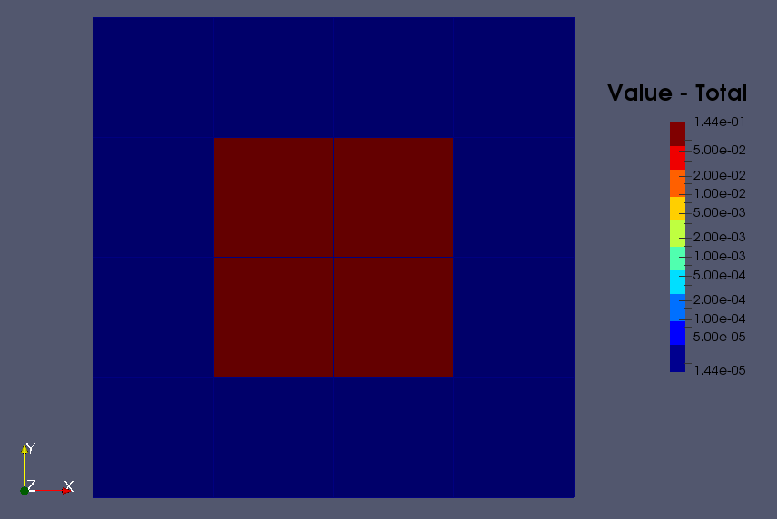
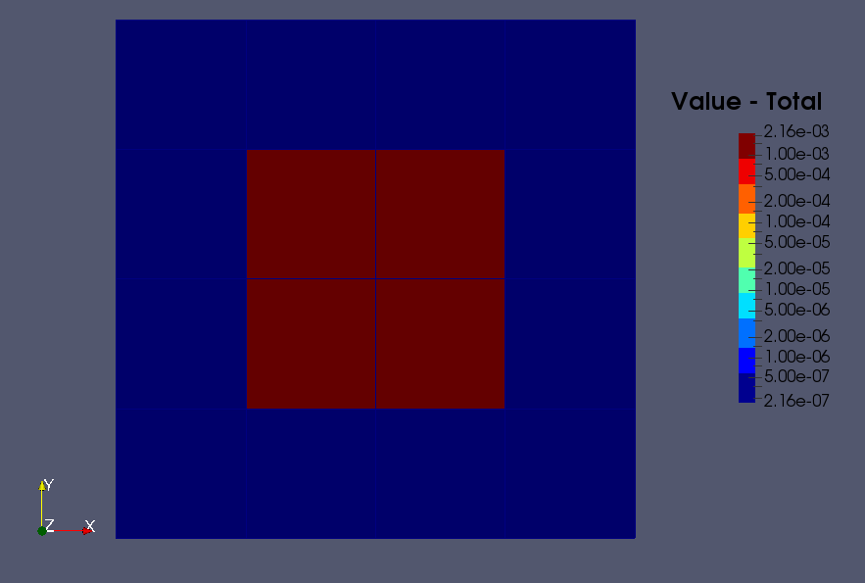
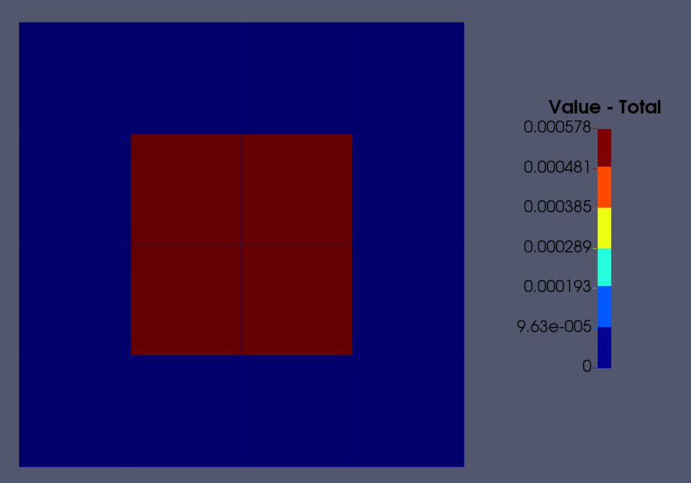

PX
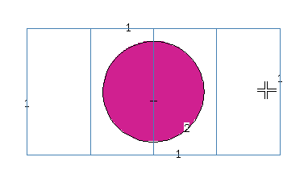

 |  |  |  |  | Equal to standard MCNP |  | To be used only for integrals |  | To be used for imposing the W/cc in mapping (e.g., Paraview dataset sampling)

 |  |  |  |  | 5.76E-04 |  | To be used for integral only |  |  | Fraction of Cell 10 in the Voxel
 |  |  |  |  |  |  |  |  |  | 0.276
F6 | 5.76E-01 | W |  |  |  |  | 1.44E-01
 |  |  | No. Voxel | 16 |  |  |  |  |  | 2.09E-03
Vol sphere | 268.08257311 | cc | Vol FMESH | 4000
Vol Sphere/ Vox | 33.510321638 | cc/Voxel | Vol Voxel | 2.50E+02
 |  |  |  |  |  |  |  |  | celf | none
 | 2.15E-03 | W/cc
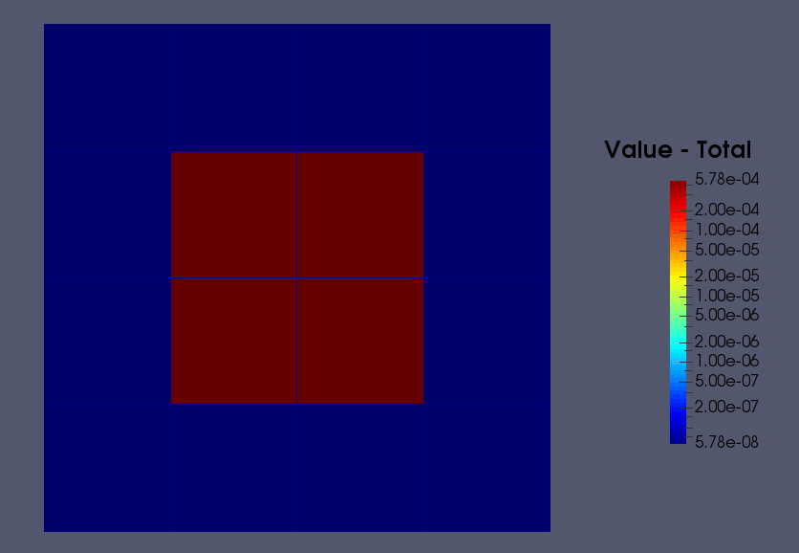

 |  |  |  |  |  |  |  |  | Cells with none flagging as standard MCNP

