Sheet1
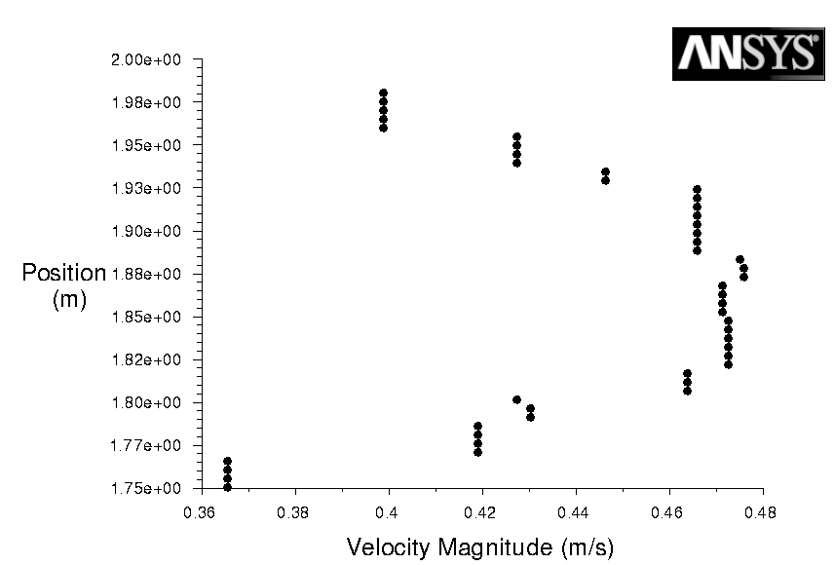
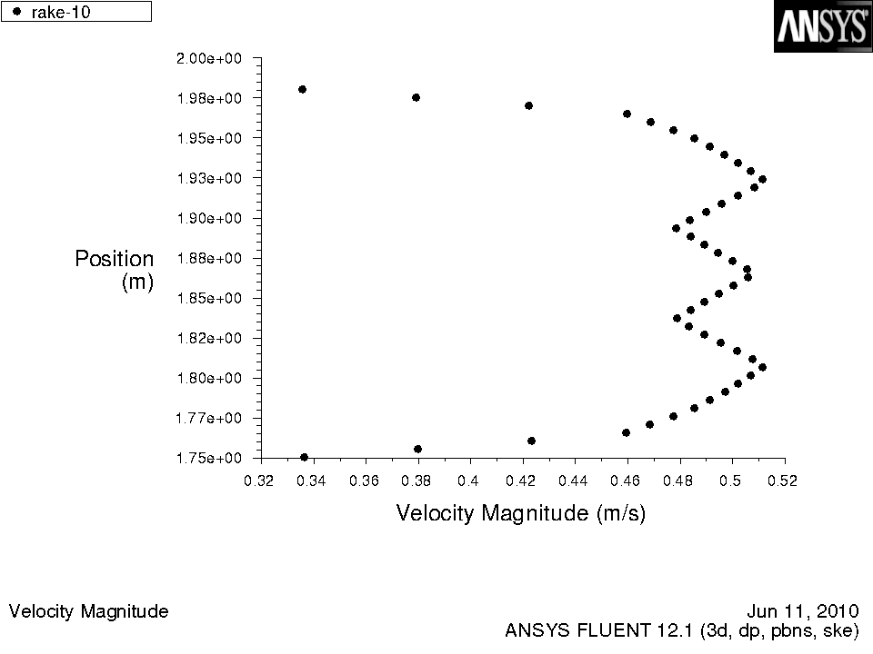

HEX 0.05cm | HEX 6 levels adapted

Sheet2
Velocity magnitude (m/s) | Position (m)
0.00384907 | 1.75
0.520681 | 1.75511
0.687396 | 1.76022
UDF - 0cm
 | 44
0.24326248662 | 0.0026136363636
0.49932826201 | 0.0078409090909
0.44811510694 | 0.013068181818
0.089623021387 | 0.018295454545
0.36275984847 | 0.023522727273
0.51639931371 | 0.02875
0.36275984847 | 0.033977272727
0.089623021387 | 0.039204545455
0.44811510694 | 0.044431818182
0.49932826201 | 0.049659090909
0.24326248662 | 0.054886363636
0.24326248662 | 0.060113636364
0.49932826201 | 0.065340909091
0.44811510694 | 0.070568181818
0.089623021387 | 0.075795454545
0.36275984847 | 0.081022727273
0.51639931371 | 0.08625
0.36275984847 | 0.091477272727
0.089623021387 | 0.096704545455
0.44811510694 | 0.10193181818
0.49932826201 | 0.10715909091
0.24326248662 | 0.11238636364
0.24326248662 | 0.11761363636
0.49932826201 | 0.12284090909
0.44811510694 | 0.12806818182
0.089623021387 | 0.13329545455
0.36275984847 | 0.13852272727
0.51639931371 | 0.14375
0.36275984847 | 0.14897727273
0.089623021387 | 0.15420454545
0.44811510694 | 0.15943181818
0.49932826201 | 0.16465909091
0.24326248662 | 0.16988636364
0.24326248662 | 0.17511363636
0.49932826201 | 0.18034090909
0.44811510694 | 0.18556818182
0.089623021387 | 0.19079545455
0.36275984847 | 0.19602272727
0.51639931371 | 0.20125
0.36275984847 | 0.20647727273
0.089623021387 | 0.21170454545
0.44811510694 | 0.21693181818
0.49932826201 | 0.22215909091
0.24326248662 | 0.22738636364
0.446234 | 1.76533
0.27728 | 1.77044
0.612721 | 1.77556
0.649142 | 1.78067
0.308589 | 1.78578
0.345293 | 1.79089
0.658314 | 1.796
0.60526 | 1.80111
0.310186 | 1.80622
0.435722 | 1.81133
0.674958 | 1.81644
0.536959 | 1.82156
0.257078 | 1.82667
0.526461 | 1.83178
0.68555 | 1.83689
0.417508 | 1.842
0.244439 | 1.84711
0.597637 | 1.85222
0.662801 | 1.85733
0.370682 | 1.86244
0.370688 | 1.86756
0.662798 | 1.87267
0.597631 | 1.87778
0.244426 | 1.88289
0.417528 | 1.888
0.685559 | 1.89311
0.526441 | 1.89822
0.257073 | 1.90333
0.536963 | 1.90844
0.674957 | 1.91356
0.435711 | 1.91867
0.310195 | 1.92378
0.605269 | 1.92889
0.658303 | 1.934
0.345289 | 1.93911
0.30861 | 1.94422
0.64915 | 1.94933
0.61272 | 1.95444
0.277278 | 1.95956
0.446242 | 1.96467
0.687391 | 1.96978
0.520675 | 1.97489
0.0038168 | 1.98
)

Sheet3
Velocity Magnitude | Position
0 | 1.98
0.294924 | 1.97747
0.516782 | 1.97495
0.662743 | 1.97242
UDF - 0cm
 | 44
0.24326248662 | 0.0026136363636
0.49932826201 | 0.0078409090909
0.44811510694 | 0.013068181818
0.089623021387 | 0.018295454545
0.36275984847 | 0.023522727273
0.51639931371 | 0.02875
0.36275984847 | 0.033977272727
0.089623021387 | 0.039204545455
0.44811510694 | 0.044431818182
0.49932826201 | 0.049659090909
0.24326248662 | 0.054886363636
0.24326248662 | 0.060113636364
0.49932826201 | 0.065340909091
0.44811510694 | 0.070568181818
0.089623021387 | 0.075795454545
0.36275984847 | 0.081022727273
0.51639931371 | 0.08625
0.36275984847 | 0.091477272727
0.089623021387 | 0.096704545455
0.44811510694 | 0.10193181818
0.49932826201 | 0.10715909091
0.24326248662 | 0.11238636364
0.24326248662 | 0.11761363636
0.49932826201 | 0.12284090909
0.44811510694 | 0.12806818182
0.089623021387 | 0.13329545455
0.36275984847 | 0.13852272727
0.51639931371 | 0.14375
0.36275984847 | 0.14897727273
0.089623021387 | 0.15420454545
0.44811510694 | 0.15943181818
0.49932826201 | 0.16465909091
0.24326248662 | 0.16988636364
0.24326248662 | 0.17511363636
0.49932826201 | 0.18034090909
0.44811510694 | 0.18556818182
0.089623021387 | 0.19079545455
0.36275984847 | 0.19602272727
0.51639931371 | 0.20125
0.36275984847 | 0.20647727273
0.089623021387 | 0.21170454545
0.44811510694 | 0.21693181818
0.49932826201 | 0.22215909091
0.24326248662 | 0.22738636364
0.686818 | 1.96989
0.60481 | 1.96736
0.45935 | 1.96484
0.258721 | 1.96231
0.272514 | 1.95978
0.395398 | 1.95725
0.605312 | 1.95473
0.677539 | 1.9522
0.659482 | 1.94967
0.55792 | 1.94714
0.34123 | 1.94462
0.262482 | 1.94209
0.308883 | 1.93956
0.509502 | 1.93703
0.634908 | 1.93451
0.680799 | 1.93198
0.643179 | 1.92945
0.474658 | 1.92692
0.338471 | 1.9244
0.278285 | 1.92187
0.398656 | 1.91934
0.558911 | 1.91681
0.668762 | 1.91429
0.692838 | 1.91176
0.574717 | 1.90923
0.409197 | 1.9067
0.24242 | 1.90418
0.282546 | 1.90165
0.44957 | 1.89912
0.623367 | 1.89659
0.695597 | 1.89407
0.641427 | 1.89154
0.503745 | 1.88901
0.292578 | 1.88648
0.252449 | 1.88396
0.359035 | 1.88143
0.544619 | 1.8789
0.665 | 1.87637
0.67478 | 1.87385
0.601051 | 1.87132
0.432522 | 1.86879
0.308378 | 1.86626
0.308376 | 1.86374
0.432515 | 1.86121
0.601049 | 1.85868
0.67478 | 1.85615
0.665 | 1.85363
0.544619 | 1.8511
0.359035 | 1.84857
0.252451 | 1.84604
0.292578 | 1.84352
0.503745 | 1.84099
0.641425 | 1.83846
0.695597 | 1.83593
0.623368 | 1.83341
0.44957 | 1.83088
0.282546 | 1.82835
0.242418 | 1.82582
0.409197 | 1.8233
0.574717 | 1.82077
0.692838 | 1.81824
0.668762 | 1.81571
0.558911 | 1.81319
0.398656 | 1.81066
0.278285 | 1.80813
0.338468 | 1.8056
0.474652 | 1.80308
0.643178 | 1.80055
0.680799 | 1.79802
0.634908 | 1.79549
0.509502 | 1.79297
0.308883 | 1.79044
0.262482 | 1.78791
0.34123 | 1.78538
0.55792 | 1.78286
0.65948 | 1.78033
0.677541 | 1.7778
0.605312 | 1.77527
0.395405 | 1.77275
0.272515 | 1.77022
0.258721 | 1.76769
0.45935 | 1.76516
0.60481 | 1.76264
0.686818 | 1.76011
0.662743 | 1.75758
0.516782 | 1.75505
0.294924 | 1.75253
0 | 1.75
)

((xy/key/label "rake_0")
0.00384907 | 1.75
0.520681 | 1.75511
0.687396 | 1.76022
0.446234 | 1.76533
0.27728 | 1.77044
0.612721 | 1.77556
0.649142 | 1.78067
0.308589 | 1.78578
0.345293 | 1.79089
0.658314 | 1.796
0.60526 | 1.80111
0.310186 | 1.80622
0.435722 | 1.81133
0.674958 | 1.81644
0.536959 | 1.82156
0.257078 | 1.82667
0.526461 | 1.83178
0.68555 | 1.83689
0.417508 | 1.842
0.244439 | 1.84711
0.597637 | 1.85222
0.662801 | 1.85733
0.370682 | 1.86244
0.370688 | 1.86756
0.662798 | 1.87267
0.597631 | 1.87778
0.244426 | 1.88289
0.417528 | 1.888
0.685559 | 1.89311
0.526441 | 1.89822
0.257073 | 1.90333
0.536963 | 1.90844
0.674957 | 1.91356
0.435711 | 1.91867
0.310195 | 1.92378
0.605269 | 1.92889
0.658303 | 1.934
0.345289 | 1.93911
0.30861 | 1.94422
0.64915 | 1.94933
0.61272 | 1.95444
0.277278 | 1.95956
0.446242 | 1.96467
0.687391 | 1.96978
0.520675 | 1.97489
0.0038168 | 1.98
)

