Sheet1
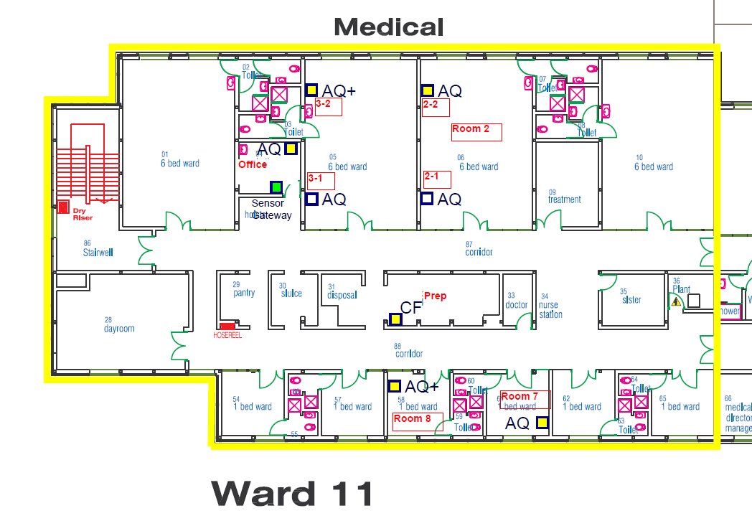
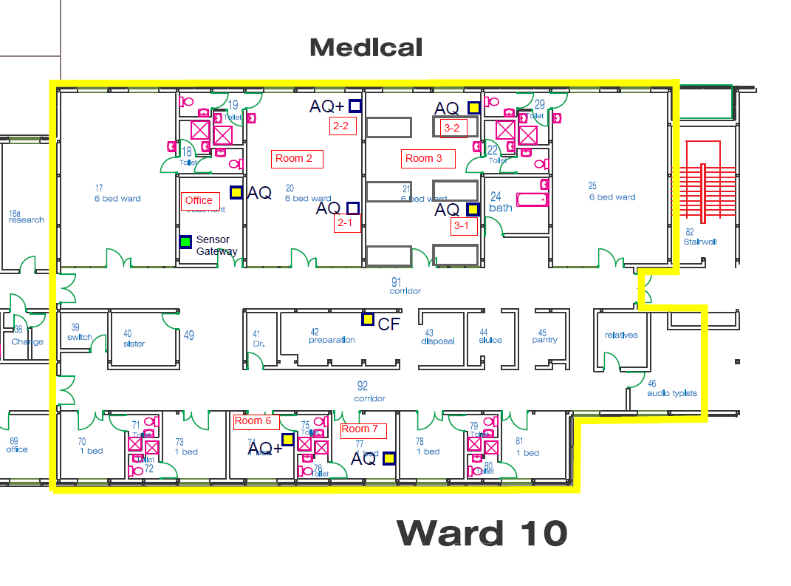
ID | oemID | Ward | Name | Parameters
1137 | 0200000204 | Ward 11 | Preparation Room | temp | humidity |  |  |  |  |  | readings stopped 20/08/2020 13:00:00
1138 | 0300000210 | Ward 11 | Office | temp | humidity | co2 |  |  |  |  | readings stopped 22/08/2020 05:15:00
1139 | 0300000211 | Ward 11 | Room 3-1 | temp | humidity | co2 |  |  |  |  | readings stopped 05/11/2020 11:15:00
1140 | 0300000212 | Ward 11 | Room 2-2 | temp | humidity | co2 |  |  |  |  | readings stopped 11/10/2020 04:00:00
1141 | 0300000213 | Ward 11 | Room 2-1 | temp | humidity | co2 |  |  |  |  | readings stopped 16/11/2020 04:30:00
1142 | 0300000214 | Ward 11 | Room 7 | temp | humidity | co2 |  |  |  |  | readings stopped 16/08/2020 12:00:00
1143 | 010000020E | Ward 11 | Room 3-2 | temp | humidity | co2 | pm10 | pm25 | pm01 | tvoc | readings stopped 25/07/2020 12:45:00
1144 | 010000020F | Ward 11 | Room 8 | temp | humidity | co2 | pm10 | pm25 | pm01 | tvoc | readings stopped 20/08/2020 13:15:00
1145 | 0200000203 | Ward 10 | Prep room | temp | humidity |  |  |  |  |  | readings stopped 18/11/2020 09:00:00
1146 | 030000020B | Ward 10 | Office | temp | humidity | co2 |  |  |  |  | readings stopped 18/11/2020 08:30:00
1147 | 030000020C | Ward 10 | Room 3-2 | temp | humidity | co2 |  |  |  |  | readings stopped 04/10/2020 05:15:00
1148 | 030000020D | Ward 10 | Room 3-1 | temp | humidity | co2 |  |  |  |  | readings stopped 18/11/2020 08:30:00
1149 | 030000020E | Ward 10 | Room 2-1 | temp | humidity | co2 |  |  |  |  | readings stopped 18/11/2020 08:30:00
1150 | 030000020F | Ward 10 | Room 7 | temp | humidity | co2 |  |  |  |  | readings stopped 29/08/2020 06:00:00
1151 | 010000020C | Ward 10 | Room 2-2 | temp | humidity | co2 | pm10 | pm25 | pm01 | tvoc | readings stopped 09/01/2020 09:45:00
1152 | 010000020D | Ward 10 | Room 6 | temp | humidity | co2 | pm10 | pm25 | pm01 | tvoc | readings stopped 14/05/2020 22:45:00

