Assets
Cores

9BC848 | Graficos
22C55E | Positivo
E8E6E9 | Zona Negativa
2AE6B1 | Menus
5BF6A8 | Seções

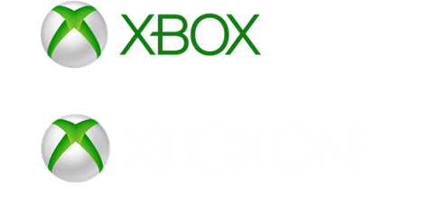
Logos |  | ícones
 |  | 

Dashboard
Calculation period: 01/01/2024 - 31/12/2024 | Update date: 12/04/2025 22:00:00

 | Total
No | 14
Yes | 19
Auto Renewal
 | Total
mar | 3
abr | 4
mai | 4
jun | 4
jul | 4
ago | 3
set | 4
out | 3
nov | 3
dez | 1
Subscription Type per mouth

TOTAL SUBSCRIPTIONS MINECRAFT SEASON PASS

TOTAL SUBSCRIPTIONS EA PLAY SEASON PASS

R$ 1.350,00
R$ 900,00

