Sheet2
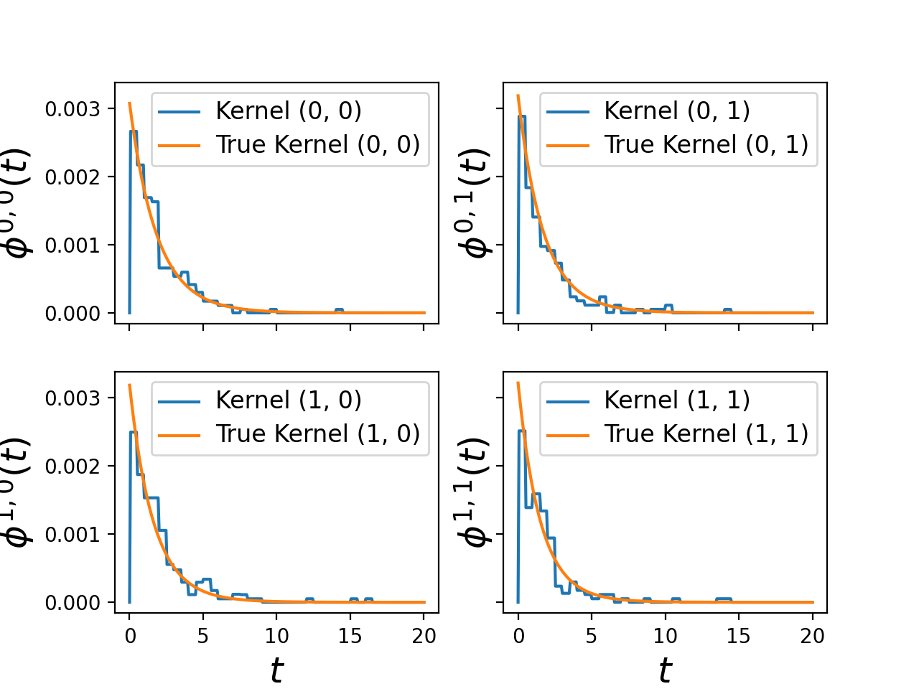
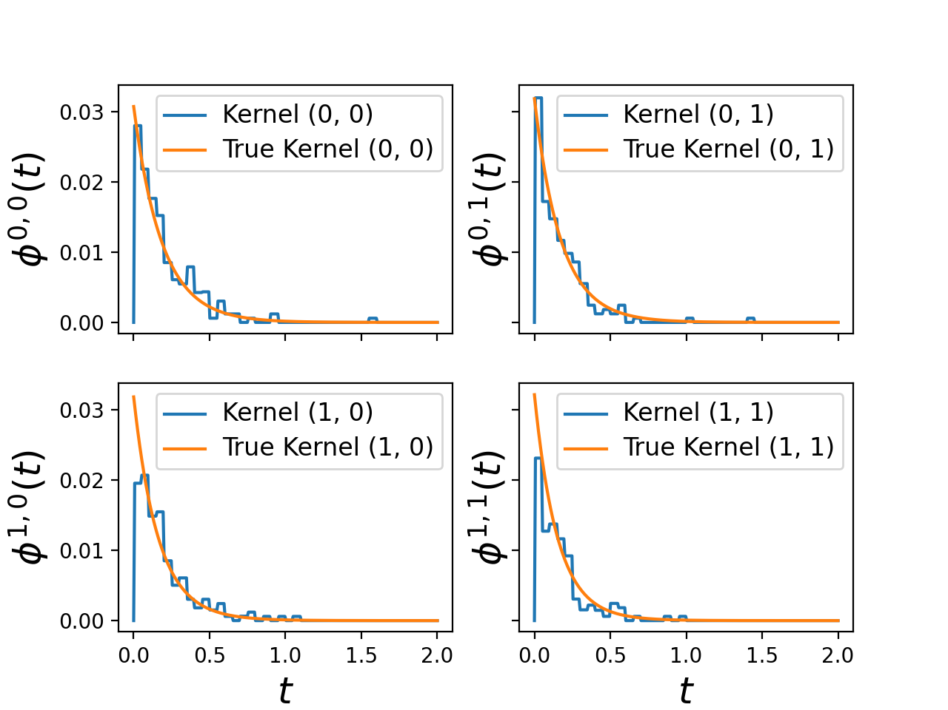
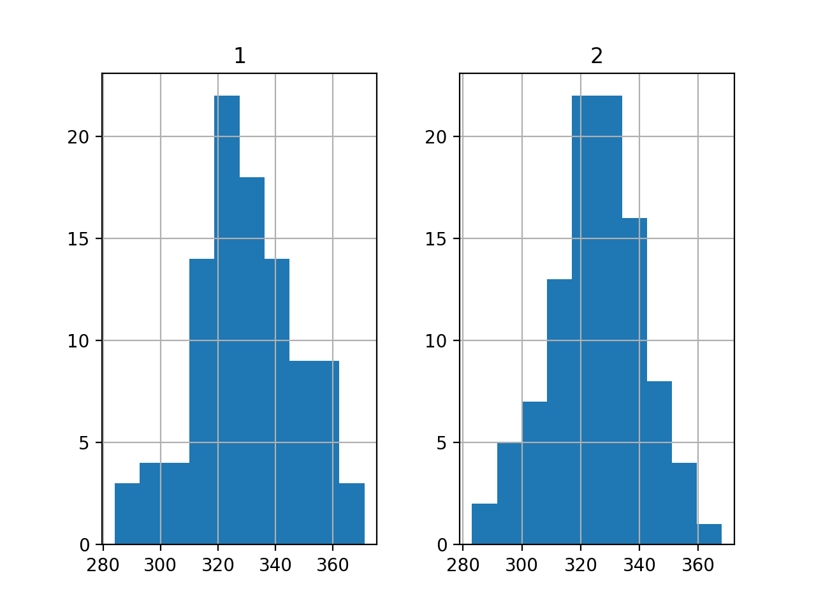
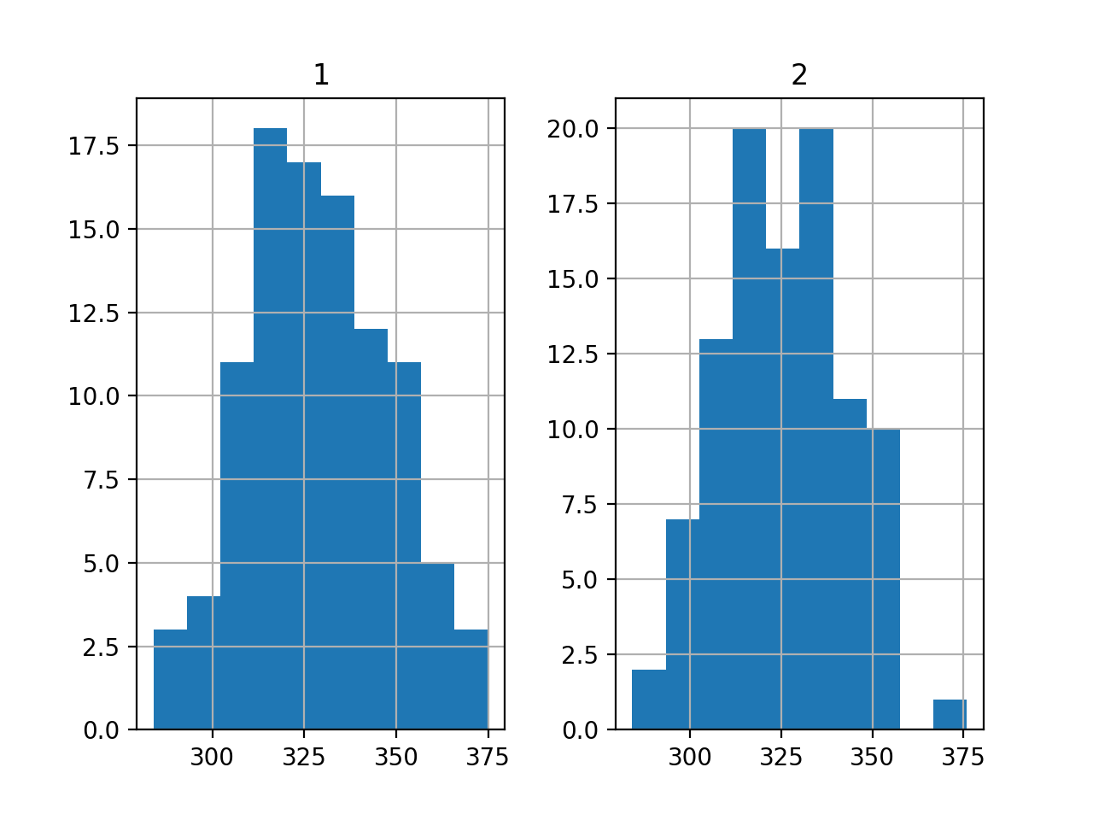
Definitions
end_time | 32,400,000 | 32,400,000 |  | 32,400,000

kernel_size | 40 | 40 |  | 40
max_iter | 1,000 | 1,000 |  | 1,000
t_values
min | 0 | 0 |  | 0
max | 2 | 20 |  | 2
steps | 1,000 | 1,000 |  | 1,000
u_values
0.007061 | 0.001711 | 0.007061 | 0.001711 | 0.007061 | 0.001711
0.005445 | 0.003645 | 0.005445 | 0.003645 | 0.005445 | 0.003645
0.003645 | 0.005445 | 0.003645 | 0.005445 | 0.003645 | 0.005445
0.00179 | 0.00739 | 0.00179 | 0.00739 | 0.00179 | 0.00739
baseline
1.00E-05 | 1.00E-05 | 1.00E-05 | 1.00E-05 | 1.00E-05 | 1.00E-05
seed | 1093
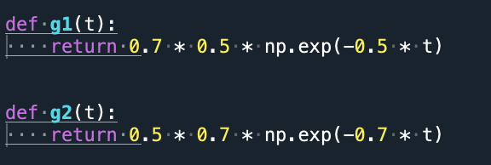
kernel_support | 2 | 20 |  | 2

ode_tol | 1.00E-05
n_realizations | 100 | 100 |  | 100

