Stats
Human | HP | MP | Attack | Defence | Magic Attack | Magic Defence | Speed | sum |  |  | the plan
soldier | 8.5 | 1 | 8.5 | 8.5 | 6.5 | 7 | 1 | 41 | soldier | 1 | max thief | moves to get
paladin | 7 | 2.5 | 8 | 9 | 7 | 8.5 | 0 | 42 | paladin | 1 | max soldier | all of thief | thief
fighter | 7.5 | 1 | 9.5 | 8 | 5 | 6.5 | 1.5 | 39 | fighter | 2 | 2 arch | sensor | soldier
archer | 7 | 1 | 7.5 | 7 | 7.5 | 7.5 | 1.5 | 39 | archer | 1 | 1 hunt | capture | hunt
hunter | 6 | 3 | 8 | 6.5 | 6 | 8 | 1 | 38.5 | hunter | 0 | max black
thief | 6.5 | 1 | 7.5 | 7 | 8 | 6 | 1.5 | 37.5 | thief | 1 | 3 white
ninja | 5.5 | 2 | 8 | 7.5 | 8 | 7.5 | 1.5 | 40 | ninja | 1 | max illusion
white mage | 6 | 4 | 6 | 7 | 8 | 8 | 1 | 40 | white mage | 0 | max blue
black mage | 5 | 4 | 6.5 | 6 | 8 | 9 | 1 | 39.5 | black mage | 1 | soldiar blue fighter
blue mage | 6.5 | 3.5 | 8 | 8.5 | 8 | 9 | 1 | 44.5 | blue mage | 2
illusion | 5 | 7.5 | 6 | 6 | 9 | 8 | 0 | 41.5 | illusion | 2
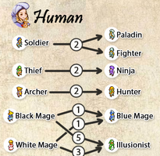
 | 6.4090909091 | 2.7727272727 | 7.5909090909 | 7.3636363636 | 7.3636363636 | 7.7272727273 | 1
 | soldier
 |  |  |  | paladin
 |  |  | fighter |  |  |  | fighter
 |  |  |  |  |  |  | archer

 |  |  |  |  |  |  | thief
 |  |  |  |  |  |  | ninja

 |  |  |  |  |  | black mage
 |  |  |  |  |  | blue mage |  | blue mage
 |  | illusion |  |  | illusion

Banga | HP | MP | Attack | Defence | Magic Attack | Magic Defence | Speed | sum |  |  | the plan
white monk | 6.5 | 1.5 | 8.5 | 7.5 | 8.5 | 6.5 | 1.5 | 40.5 | white monk | 2 | 2 warrior | moves to get
warrior | 9.5 | 2 | 9.5 | 8.5 | 6.5 | 6.5 | 0.5 | 43 | warrior | 2 | 2 white monk
defender | 8.5 | 1.5 | 8.5 | 9.5 | 6.5 | 7.5 | 0.5 | 42.5 | defender | 2 | max dragoon
gladiator | 8.5 | 2.5 | 9.5 | 8.5 | 6 | 6.5 | 1.5 | 43 | gladiator | 2 | max bishop
bishop | 6 | 4.5 | 7.5 | 6.5 | 8.5 | 7.5 | 0.5 | 41 | bishop | 3 | max templar
templar | 7.5 | 3.5 | 8.5 | 9.5 | 8.5 | 7.5 | 0.5 | 45.5 | templar | 4 | templar dragoon bishop
dragoon | 8 | 1.5 | 9.5 | 8.5 | 5.5 | 6.5 | 1.5 | 41 | dragoon | 2
 | 7.7857142857 | 2.4285714286 | 8.7857142857 | 8.3571428571 | 7.1428571429 | 6.9285714286 | 0.92857142857
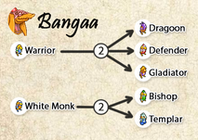
 |  |  |  |  | white monk |  | white monk
 | warrior |  | warrior
 |  |  |  | defender |  | defender
 |  |  | gladiator |  |  |  | gladiator
 |  | bishop |  |  | bishop | bishop
 |  |  |  | templar | templar | templar |  | templar
 |  |  | dragoon |  |  |  | dragoon

Viera | HP | MP | Attack | Defence | Magic Attack | Magic Defence | Speed | sum |  |  | the plan
archer | 7.5 | 1.5 | 8 | 6.5 | 7.5 | 7.5 | 1.5 | 40 | archer | 1 | max fencer | moves to get
sniper | 6.5 | 2.5 | 9.5 | 6.5 | 7.5 | 7.5 | 1.5 | 41.5 | sniper | 1 | max archer | double cast
assassin | 5 | 5.5 | 8.5 | 6.5 | 9 | 7 | 2.5 | 44 | assassin | 1 | 2 white | last breath
fencer | 7.5 | 1 | 8.5 | 8.5 | 7.5 | 7.5 | 1.5 | 42 | fencer | 2 | 2 elem
elemental | 6.5 | 4.5 | 8 | 7.5 | 9 | 7.5 | 1.5 | 44.5 | elemental | 0 | max summon
white | 6.5 | 4 | 6.5 | 7.5 | 8.5 | 7.5 | 1.5 | 42 | white | 0 | 1 sniper
red | 6.5 | 2.5 | 8 | 7.5 | 8.5 | 7.5 | 1.5 | 42 | red | 0 | max assasin
summon | 6 | 6.5 | 6.5 | 6.5 | 10.5 | 8.5 | 1 | 45.5 | summon | 4 | max red
 | 6.5 | 3.5 | 7.9375 | 7.125 | 8.5 | 7.5625 | 1.5625 |  |  |  | summon assassin
 | archer
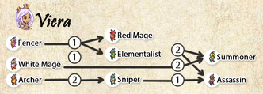
 |  |  | sniper
 |  |  |  |  |  |  | assassin
 | fencer |  |  | fencer

 |  | summon |  |  | summon | summon |  | summon

Nu Mou | HP | MP | Attack | Defence | Magic Attack | Magic Defence | Speed | sum |  |  | the plan
white | 5.5 | 5 | 6 | 7.5 | 8.5 | 8.5 | 1 | 42 | white | 1 | max beast | moves to get
black | 5 | 6 | 6 | 6.5 | 9 | 10 | 0.5 | 43 | black | 1 | 5 black
time | 5 | 3 | 5 | 6 | 10 | 10 | 1 | 40 | time | 3 | 3 white
morph | 6.5 | 2 | 7 | 8 | 7 | 8 | 1 | 39.5 | morph | 1 | max time
alchem | 6 | 8.5 | 5.5 | 5.5 | 9 | 9.5 | 0.5 | 44.5 | alchem | 1 | beast time alchem
sage | 7 | 8 | 8 | 7 | 9 | 7 | 0 | 46 | sage | 2
beast | 7 | 2 | 8.5 | 8.5 | 7.5 | 8.5 | 1 | 43 | beast | 4
Illusion | 5 | 7 | 5 | 6 | 9 | 8 | 0 | 40 | Illusion | 0
 | 5.875 | 5.1875 | 6.375 | 6.875 | 8.625 | 8.6875 | 0.625
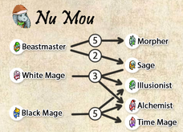
 |  |  |  |  |  |  | white
 |  |  |  |  |  | black
 |  |  |  |  | time | time | time
 |  |  |  |  |  |  | morph
 |  | alchem
 | sage |  |  |  |  |  |  | sage
 | beast |  | beast | beast |  |  | beast

Moogle | HP | MP | Attack | Defence | Magic Attack | Magic Defence | Speed | sum |  |  | the plan
anim | 7.5 | 2.5 | 7.5 | 8.5 | 7 | 9 | 1.5 | 43.5 | anim | 1 | max theif | moves to get
thief | 6 | 2 | 7.5 | 8 | 6.5 | 7 | 2 | 39 | thief | 1 | 1 animist | all of theif
juggler | 6.5 | 1 | 8 | 9.5 | 6 | 6 | 1 | 38 | juggler | 1 | max knight | frog song | animist
knight | 7 | 3 | 9 | 9.5 | 7 | 8 | 1 | 44.5 | knight | 2 | max gadget
blk | 5.5 | 4.5 | 6 | 7.5 | 8.5 | 10 | 1.5 | 43.5 | blk | 1 | max blk
time | 6 | 3.5 | 6 | 8.5 | 9 | 9 | 1 | 43 | time | 1 | night blk gadg
gunner | 6.5 | 1 | 7 | 9 | 5 | 8 | 1 | 37.5 | gunner | 0
gadget | 7.5 | 2.5 | 8 | 9.5 | 8 | 10.5 | 1 | 47 | gadget | 4
 | 6.5625 | 2.5 | 7.375 | 8.75 | 7.125 | 8.4375 | 1.25
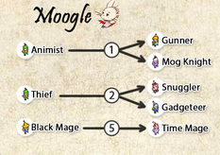
 | anim
 |  |  |  |  |  |  | thief
 |  |  |  | juggler
 |  |  | knight | knight
 |  | blk
 |  |  |  |  | time

 | gadget |  |  | gadget |  | gadget |  | gadget

Marche
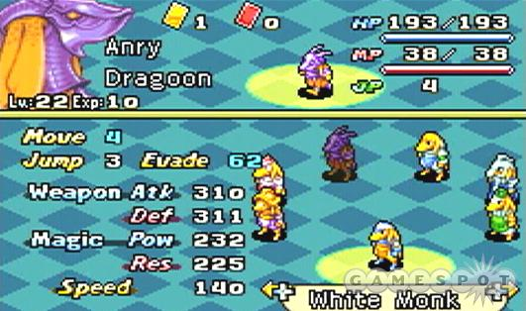
Mission | Level | Exp | Job | HP | MP | Weap Atk | Def | Magic Pow | Res | Speed | JP | Move | Jump | Evade | Attack delt | Magic Delt | Damage | Stat Loss
Snowball Fight | 3 | 0 | New Kid | 18 | 10 | 27 | 34 | 0 | 9 | 105 | 0 | 3 | 2 | 50

