LowPressure_Setup1_XYZcoordinat
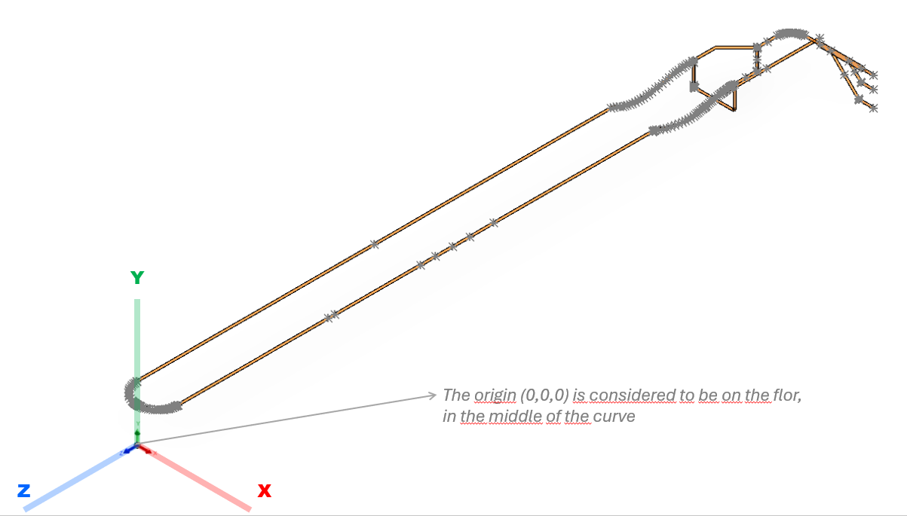
X | Y | Z
2400 | 1025 | -19080
2050 | 1025 | -19080
1680 | 1025 | -19080
2400 | 662 | -19080
2063.7106781 | 662 | -19080
2055.3488776 | 662.70415542 | -19080
2049.1385645 | 664.17057909 | -19080
2044.5765065 | 665.80602337 | -19080
2038.7659089 | 668.66688925 | -19080
2033.0931032 | 672.47071835 | -19080
2028.3553391 | 676.64466094 | -19080
1854.1776695 | 850.82233047 | -19080
2400 | 200 | -19080
1995.7106781 | 200 | -19080
1989.3099776 | 200.41138202 | -19080
1982.8498442 | 201.68231224 | -19080
1976.5765065 | 203.80602337 | -19080
1969.5716784 | 207.376618 | -19080
1964.7044204 | 210.77485524 | -19080
1960.3553391 | 214.64466094 | -19080
1555.1776695 | 619.82233047 | -19080
1150 | 1025 | -19080
X-Y
850 | 1025 | -19080
400 | 1025 | -19080
361.75166675 | 1025 | -19078.167132
329.31 | 1025 | -19073.703646
299.10086485 | 1025 | -19067.065065
272.77054639 | 1025 | -19059.226405
237.07420108 | 1025 | -19045.315185
205.13846792 | 1025 | -19029.326471
176.78082543 | 1025 | -19011.923485
148.97994996 | 1025 | -18991.430465
117.15728753 | 1025 | -18962.842712
90.619203002 | 1025 | -18933.541954
68.932834013 | 1025 | -18904.487264
52.628181233 | 1025 | -18878.325035
34.967722097 | 1025 | -18843.558663
19.307056975 | 1025 | -18802.771671
8.850819759 | 1025 | -18763.679859
2.759542465 | 1025 | -18726.904359
X-Z
0 | 1025 | -18680
0 | 1025 | -18390.355339
0 | 1025 | -18100.710678
0.050758029 | 1025 | -18098.458296
0.198692713 | 1025 | -18096.257613
0.485146826 | 1025 | -18093.762346
0.972143341 | 1025 | -18090.898988
1.556510418 | 1025 | -18088.332136
2.436656486 | 1025 | -18085.292236
3.806023374 | 1025 | -18081.576507
5.610773467 | 1025 | -18077.697713
8.591143137 | 1025 | -18072.687356
10.618877062 | 1025 | -18069.902771
14.644660941 | 1025 | -18065.355339
300 | 1025 | -17780
585.35533906 | 1025 | -17494.644661
587.71260054 | 1025 | -17492.118573
589.78927787 | 1025 | -17489.568248
591.85104394 | 1025 | -17486.647869
593.6200884 | 1025 | -17483.728796
594.84372347 | 1025 | -17481.403581
596.19397663 | 1025 | -17478.423493
597.43771146 | 1025 | -17475.090067
598.47306573 | 1025 | -17471.551536
599.28807526 | 1025 | -17467.696797
599.76901771 | 1025 | -17464.08983
599.95438316 | 1025 | -17461.424644
600 | 1025 | -17459.289322
600 | 1025 | -17169.644661
600 | 1025 | -16830
600 | 1025 | -16780
600 | 1024.9160656 | -16761.231131
600 | 1024.7195207 | -16745.780093
600 | 1024.4794197 | -16733.47519
600 | 1023.9965302 | -16715.592498
600 | 1023.4627172 | -16700.469882
600 | 1022.8293589 | -16685.708018
600 | 1022.1879194 | -16672.879034
600 | 1021.1630247 | -16655.185116
600 | 1018.8432055 | -16622.572079
600 | 1015.8496878 | -16588.838582
600 | 1013.5197519 | -16566.380169
600 | 1009.5887382 | -16533.229461
600 | 1005.268351 | -16501.406875
600 | 1001.5955239 | -16476.984411
600 | 997.08276374 | -16449.395147
600 | 990.84097987 | -16414.490539
600 | 983.01663286 | -16374.572922
600 | 974.62112583 | -16335.091428
600 | 961.14351206 | -16276.545863
600 | 949.24837477 | -16228.056656
600 | 938.72638343 | -16186.653112
600 | 927.1561714 | -16141.979694
600 | 913.89562268 | -16091.033741
600 | 902.01756326 | -16044.884432
600 | 893.79005915 | -16012.244124
600 | 886.11546833 | -15981.030336
600 | 880.98907554 | -15959.639958
600 | 872.74095506 | -15924.055346
600 | 866.60227268 | -15896.397026
600 | 859.5206368 | -15862.886749
600 | 851.1547753 | -15820.388642
600 | 842.96695278 | -15774.52783
600 | 835.86119771 | -15729.654033
600 | 829.32208248 | -15681.764128
600 | 823.1832241 | -15626.584969
600 | 817.68232098 | -15557.551008
600 | 814.52159086 | -15482.345885
600 | 814.58139189 | -15396.913113
600 | 818.12631131 | -15317.957901
600 | 828.19065885 | -15211.907229
600 | 845.47736333 | -15099.561154
600 | 871.66300266 | -14978.33259
600 | 903.56694061 | -14862.594201
600 | 937.18923394 | -14758.251985
600 | 976.62602386 | -14643.909081
600 | 1005.355649 | -14552.892638
600 | 1017.0433332 | -14504.223491
600 | 1020.5670323 | -14484.298374
600 | 1022.5394811 | -14469.894873
600 | 1023.4979082 | -14460.911779
600 | 1024.3678363 | -14449.855661
600 | 1024.8578807 | -14439.329821
600 | 1025 | -14430
600 | 1025 | -600
600 | 1025 | -9815 | DP take 3
599.62586715 | 1025 | -578.81464064
598.18673634 | 1025 | -553.38853719
600 | 1025 | -9115 | Gamma-ray densitometer
600 | 1025 | -8615 | DP take 2
600 | 1025 | -8115 | DP take 1
600 | 1025 | -7670 | Camera
600 | 1025 | -5170 | PIT-M-0101
600 | 1025 | -4975 | TIT-M-0101
595.34925474 | 1025 | -525.43952199
591.3278567 | 1025 | -498.35667318
585.41298147 | 1025 | -468.5023151
579.16621176 | 1025 | -443.26296175
569.97557706 | 1025 | -412.57577118
560.07425876 | 1025 | -384.78656018
550.67411669 | 1025 | -361.76058848
540.31889818 | 1025 | -339.12553158
526.32418048 | 1025 | -311.93254775
507.61592234 | 1025 | -280.11552806
487.38137157 | 1025 | -250.05800673
464.6769774 | 1025 | -220.4274685
443.41602436 | 1025 | -195.79432298
419.01565115 | 1025 | -170.55165143
387.50649604 | 1025 | -141.91844009
347.84269765 | 1025 | -111.11815569
307.84619159 | 1025 | -84.994444377
263.04618757 | 1025 | -60.735034325
219.01109266 | 1025 | -41.399837727
179.67804585 | 1025 | -27.53532874
139.48759804 | 1025 | -16.43919769
105.88304264 | 1025 | -9.41657551
74.166094325 | 1025 | -4.601486017
58.495070576 | 1025 | -2.858202168
44.879445761 | 1025 | -1.680824853
30.646696243 | 1025 | -0.783194487
13.927434295 | 1025 | -0.161666302
0 | 1025 | 0
-5.718893203 | 1025 | -0.027255402
-8.948808453 | 1025 | -0.066738022
-12.738722235 | 1025 | -0.135244446
-17.992662501 | 1025 | -0.269840598
-23.010688902 | 1025 | -0.441405536
-30.538304591 | 1025 | -0.77766067
-37.497917909 | 1025 | -1.172891268
-44.410569756 | 1025 | -1.645839578
-51.552342342 | 1025 | -2.218805917
-59.130534544 | 1025 | -2.920792621
-67.898148432 | 1025 | -3.854177705
-75.173056017 | 1025 | -4.727783574
-82.867055314 | 1025 | -5.750009555
-92.607096115 | 1025 | -7.189806305
-102.25956623 | 1025 | -8.778399317
-110.2878505 | 1025 | -10.223271032
-121.02988922 | 1025 | -12.333627033
-130.8885957 | 1025 | -14.450535382
-140.2715441 | 1025 | -16.627139888
-186.43561931 | 1025 | -29.700289451
-258.35758884 | 1025 | -58.473125054
-322.12661393 | 1025 | -93.80394648
-373.58074072 | 1025 | -130.49235346
-426.62066423 | 1025 | -178.10568995
-472.41596128 | 1025 | -230.10385305
-504.9033885 | 1025 | -275.85100913
-534.06744344 | 1025 | -326.55536967
-556.93941284 | 1025 | -376.79943901
-575.16755164 | 1025 | -429.17176013
-589.22175022 | 1025 | -486.78458999
-595.54761106 | 1025 | -527.04081305
-599.58493116 | 1025 | -577.68609573
-600 | 1025 | -600
-600 | 1025 | -7515
-600 | 1025 | -14430
-600 | 1006.0848077 | -14514.203069
-600 | 971.2493632 | -14594.806111
-600 | 931.33822465 | -14685.556837
-600 | 901.0638109 | -14763.840841
-600 | 877.81138471 | -14834.681146
-600 | 857.56913042 | -14909.368165
-600 | 841.42742123 | -14984.499194
-600 | 830.00525997 | -15054.238037
-600 | 820.50650694 | -15138.129424
-600 | 815.56665416 | -15215.724287
-600 | 814.06646363 | -15293.833585
-600 | 815.68827701 | -15369.05644
-600 | 820.96788014 | -15455.277158
-600 | 829.27220838 | -15538.858083
-600 | 841.02573423 | -15626.744913
-600 | 856.58459715 | -15720.92894
-600 | 872.69047648 | -15805.505809
-600 | 895.14659148 | -15912.441601
-600 | 919.94297509 | -16024.109077
-600 | 941.47927265 | -16120.935203
-600 | 964.09547951 | -16227.82997
-600 | 976.52030567 | -16291.593469
-600 | 985.80218256 | -16343.254282
-600 | 996.03964721 | -16406.49648
-600 | 1006.4838919 | -16482.469805
-600 | 1012.7977072 | -16538.77317
-600 | 1018.0707426 | -16598.228221
-600 | 1021.0039029 | -16641.859086
-600 | 1023.6335121 | -16699.067524
-600 | 1025 | -16785
-600 | 1024.0404757 | -16794.243187
-600 | 1022.6055975 | -16799.483199
-600 | 1019.8052537 | -16805.989087
-600 | 1016.1345569 | -16811.819653
-600 | 1011.8198052 | -16816.819805
-600 | 1006.7124991 | -16821.213843
-600 | 1001.3476199 | -16824.614128
-600 | 993.82612955 | -16827.823336
-600 | 987.66978578 | -16829.341565
-600 | 980 | -16830
-600 | 975 | -16830
-600 | 400 | -16830
-599.85367414 | 396.17754341 | -16830
-598.60454601 | 388.26977805 | -16830
-596.77826237 | 382.34230565 | -16830
-592.73751796 | 374.04803362 | -16830
-587.38191547 | 366.79469326 | -16830
-585.35533906 | 364.64466094 | -16830
-580.66873264 | 360.51039582 | -16830
-573.01479173 | 355.61172045 | -16830
-565.82475485 | 352.5702927 | -16830
-557.5123533 | 350.56757594 | -16830
-550 | 350 | -16830
0 | 350 | -16830
0 | 350 | -18372.823568
0 | 350 | -19915.647136

