Häufigkeit Jahre
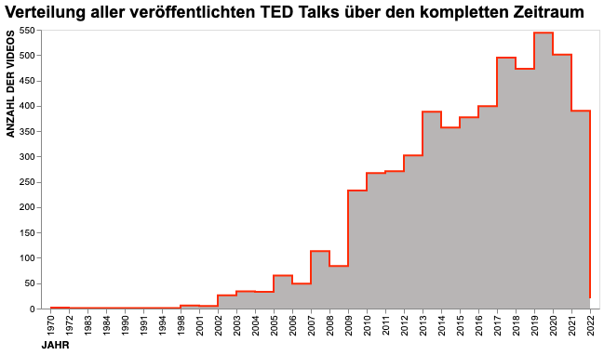
year | Videos pro Jahr
2019 | 544
2020 | 501
2017 | 495
2018 | 473
2016 | 399
2021 | 390
2013 | 388
2015 | 377
2014 | 357
2012 | 302
2011 | 271
2010 | 267
2009 | 233
2007 | 113
2008 | 84
2005 | 65
2006 | 49
2003 | 34
2004 | 33
2002 | 26
2022 | 20
1998 | 6
2001 | 5
1970 | 2
1972 | 1
1994 | 1
1991 | 1
1990 | 1
1984 | 1
1983 | 1

Häufigkeit Monat und Jahr
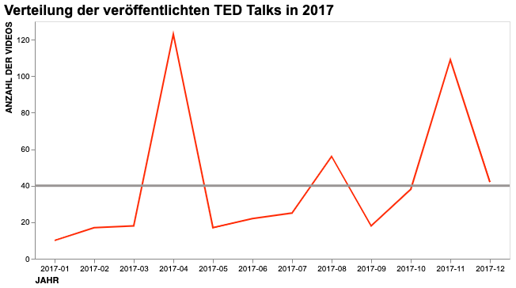
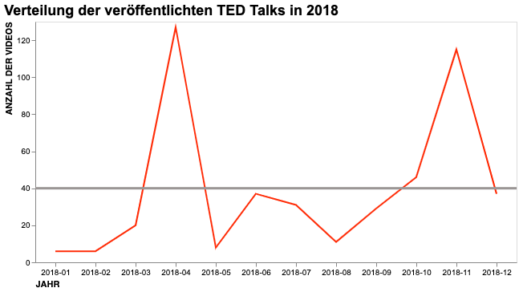
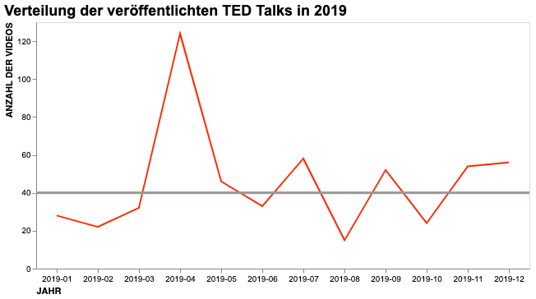
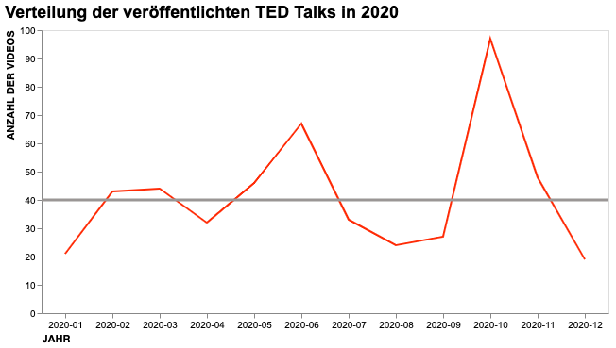
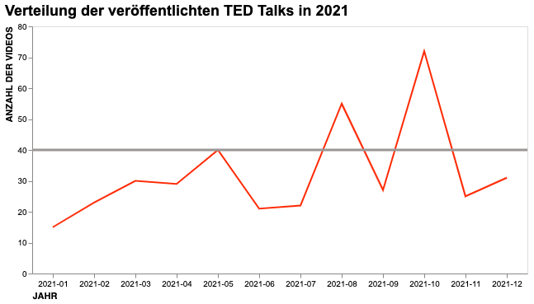
date | Anzahl der Videos
2018-04-01 | 127
2019-04-01 | 124
2017-04-01 | 123
2018-11-01 | 115
2017-11-01 | 109
2020-10-01 | 97
2014-03-01 | 96
2016-02-01 | 89
2015-03-01 | 88
2012-06-01 | 84
2009-02-01 | 84
2014-10-01 | 83
2013-06-01 | 80
2013-02-01 | 77
2011-03-01 | 76
2021-10-01 | 72
2010-02-01 | 70
2011-07-01 | 70
2015-11-01 | 68
2020-06-01 | 67
2016-10-01 | 65
2009-07-01 | 65
2016-11-01 | 64
2007-03-01 | 62
2010-07-01 | 59
2019-07-01 | 58
2019-12-01 | 56
2017-08-01 | 56
2021-08-01 | 55
2019-11-01 | 54
2016-06-01 | 52
2019-09-01 | 52
2015-09-01 | 50
2020-11-01 | 48
2008-02-01 | 47
2014-09-01 | 46
2014-11-01 | 46
2019-05-01 | 46
2018-10-01 | 46
2020-05-01 | 46
2011-11-01 | 46
2020-03-01 | 44
2006-02-01 | 43
2020-02-01 | 43
2015-10-01 | 42
2017-12-01 | 42
2013-10-01 | 42
2012-02-01 | 42
2015-05-01 | 42
2010-12-01 | 41
2009-11-01 | 40
2021-05-01 | 40
2012-03-01 | 39
2017-10-01 | 38
2012-04-01 | 37
2018-12-01 | 37
2018-06-01 | 37
2005-02-01 | 36
2013-03-01 | 35
2019-06-01 | 33
2020-07-01 | 33
2016-09-01 | 33
2019-03-01 | 32
2016-05-01 | 32
2020-04-01 | 32
2018-07-01 | 31
2003-02-01 | 31
2021-12-01 | 31
2021-03-01 | 30
2004-02-01 | 30
2018-09-01 | 29
2021-04-01 | 29
2015-06-01 | 29
2013-05-01 | 28
2019-01-01 | 28
2021-09-01 | 27
2010-04-01 | 27
2020-09-01 | 27
2007-06-01 | 26
2013-09-01 | 26
2021-11-01 | 25
2017-07-01 | 25
2005-07-01 | 25
2016-04-01 | 25
2020-08-01 | 24
2002-02-01 | 24
2013-11-01 | 24
2019-10-01 | 24
2021-02-01 | 23
2012-11-01 | 23
2017-06-01 | 22
2019-02-01 | 22
2021-07-01 | 22
2020-01-01 | 21
2009-10-01 | 21
2021-06-01 | 21
2012-10-01 | 20
2013-04-01 | 20
2010-10-01 | 20
2018-03-01 | 20
2020-12-01 | 19
2012-05-01 | 19
2017-09-01 | 18
2013-07-01 | 18
2017-03-01 | 18
2017-05-01 | 17
2011-05-01 | 17
2017-02-01 | 17
2010-11-01 | 17
2015-12-01 | 16
2014-06-01 | 16
2014-07-01 | 15
2012-12-01 | 15
2019-08-01 | 15
2013-12-01 | 15
2021-01-01 | 15
2011-12-01 | 15
2007-12-01 | 14
2013-01-01 | 13
2016-12-01 | 12
2015-08-01 | 12
2011-10-01 | 12
2022-01-01 | 12
2012-09-01 | 12
2016-03-01 | 11
2010-06-01 | 11
2018-08-01 | 11
2015-04-01 | 11
2011-04-01 | 10
2014-01-01 | 10
2017-01-01 | 10
2013-08-01 | 10
2014-12-01 | 10
2008-03-01 | 10
2014-04-01 | 10
2014-05-01 | 9
2014-08-01 | 9
2016-01-01 | 9
2011-09-01 | 9
2018-05-01 | 8
2022-02-01 | 8
2008-12-01 | 8
2008-05-01 | 8
2012-07-01 | 8
2010-09-01 | 7
2015-01-01 | 7
2014-02-01 | 7
2009-09-01 | 7
2009-06-01 | 6
2007-02-01 | 6
2011-01-01 | 6
2011-06-01 | 6
2018-01-01 | 6
2018-02-01 | 6
1998-02-01 | 6
2015-02-01 | 6
2015-07-01 | 6
2010-05-01 | 6
2016-07-01 | 5
2009-03-01 | 5
2008-07-01 | 5
2010-03-01 | 4
2001-02-01 | 4
2010-01-01 | 3
2007-09-01 | 3
2003-03-01 | 3
2006-12-01 | 2
2007-01-01 | 2
2006-11-01 | 2
2008-06-01 | 2
2004-03-01 | 2
2002-03-01 | 2
2016-08-01 | 2
2008-10-01 | 2
1970-01-01 | 2
2011-02-01 | 2
2009-05-01 | 2
2010-08-01 | 2
2012-01-01 | 2
2011-08-01 | 2
1983-07-01 | 1
1984-02-01 | 1
1990-03-01 | 1
1991-12-01 | 1
1994-02-01 | 1
1972-05-01 | 1
2012-08-01 | 1
2001-05-01 | 1
2008-09-01 | 1
2008-01-01 | 1
2005-03-01 | 1
2005-06-01 | 1
2005-09-01 | 1
2005-11-01 | 1
2006-03-01 | 1
2006-09-01 | 1
2009-12-01 | 1
2009-08-01 | 1
2009-04-01 | 1
2004-10-01 | 1

Autoren Likes
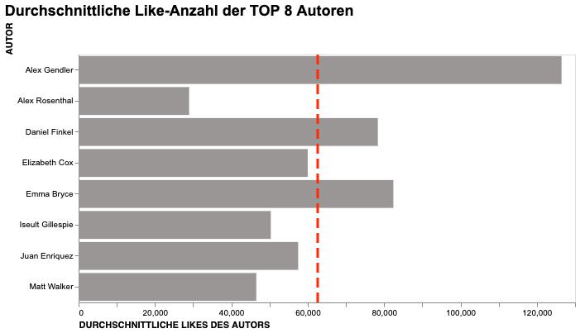
 | Autor | Durchschnittliche Likes
0 | Alex Gendler | 126467
1 | Iseult Gillespie | 50330
2 | Matt Walker | 46528
3 | Alex Rosenthal | 28940
4 | Elizabeth Cox | 60000
5 | Emma Bryce | 82417
6 | Daniel Finkel | 78364
7 | Juan Enriquez | 57500

Autoren Views
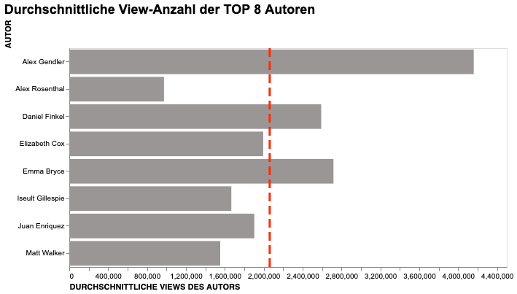
 | Autor | Durchschnittliche Views
0 | Alex Gendler | 4159911
1 | Iseult Gillespie | 1666606
2 | Matt Walker | 1552667
3 | Alex Rosenthal | 974200
4 | Elizabeth Cox | 1994538
5 | Emma Bryce | 2717167
6 | Daniel Finkel | 2590909
7 | Juan Enriquez | 1903182

Keywords
life | 180
world | 149
nt | 134
new | 133
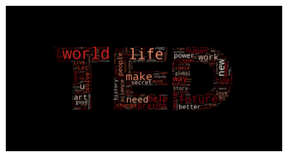
future | 132
change | 110
work | 96
help | 96
climate | 91
art | 86
need | 83
power | 81
brain | 80
people | 78
history | 76
solve | 76
like | 75
better | 74
human | 68
time | 65
science | 65
s | 63
way | 61
love | 61
ways | 60
global | 58
story | 57
riddle | 56
good | 55
health | 55
women | 54
lets | 53
data | 52
secret | 50
real | 49
worlds | 49
design | 49
teach | 48
kids | 48
know | 47
music | 46
think | 44
fight | 44
makes | 43
crisis | 42
build | 41
use | 39
end | 39
space | 37
ai | 37
lessons | 37
read | 37
language | 36
city | 36
talk | 36
business | 35
myth | 35
want | 35
save | 35
africa | 35
learn | 35
technology | 35
earth | 34
case | 33
universe | 33
inside | 33
learned | 33
big | 32
lives | 32
beauty | 32
heres | 32
social | 32
fix | 31
internet | 31
self | 31
body | 31
system | 31
cancer | 30
needs | 29
care | 29
building | 29
stop | 29
ancient | 29
find | 29
war | 29
food | 29
hidden | 29
black | 28
planet | 28
sleep | 28
online | 28
stories | 28
cities | 28
sex | 27
reality | 27
great | 27
death | 27
home | 27
meet | 27
revolution | 27
tech | 27
living | 26
mind | 26
bad | 26
look | 26
robots | 26
education | 25
create | 25
free | 25
water | 25
day | 25
happens | 25
la | 25
digital | 24
ocean | 24
creative | 24
vs. | 24
child | 23
changing | 23
wrong | 23
math | 23
live | 23
tell | 23
right | 22
energy | 22
best | 22
making | 22
peace | 22
magic | 22
open | 22
ideas | 21
problem | 21
dance | 21
pandemic | 21
humanity | 21
economy | 21
surprising | 21
turn | 21
humans | 21
game | 21
start | 20
covid- | 20
video | 20
journey | 20
secrets | 20
transform | 20
things | 20
learning | 20
democracy | 20
violence | 20
de | 20
political | 20
school | 20
ve | 20
architecture | 20
action | 19
m | 19
benefits | 19
plan | 19
rise | 19
truth | 19
| | 19
medicine | 19
money | 19
happiness | 19
trust | 19
dangerous | 19
age | 19
light | 19
dna | 19
air | 18
nature | 18
broken | 18
changed | 18
vision | 18
eat | 18
community | 18
public | 18
simple | 18
robot | 18
dark | 17
play | 17
poverty | 17
shape | 17
young | 17
protect | 17
healthy | 17
animals | 17
solar | 17
taught | 17
man | 17
emotions | 17
problems | 17
grow | 17
success | 17
understand | 17
american | 16
animal | 16
hard | 16
creativity | 16
justice | 16
disease | 16
gender | 16
let | 16
politics | 16
wish | 16
found | 16
bring | 16
doctors | 16
plastic | 16
improve | 15
understanding | 15
color | 15
radical | 15
questions | 15
years | 15
mysterious | 15
government | 15
rights | 15
sea | 15
compassion | 15
sound | 15
helped | 15
news | 15
everyday | 15
physics | 15
genius | 15
china | 14
pollution | 14
oceans | 14
potential | 14
deep | 14
built | 14
leaders | 14
innovation | 14
mental | 14
solution | 14
affects | 14
means | 14
small | 14
year | 14
old | 14
cells | 14
giant | 14
racism | 14
act | 14
machines | 14
true | 14
thinking | 14
memory | 14
idea | 14
face | 14
stay | 14
d | 14
economic | 14
medical | 14
matter | 14
carbon | 13
different | 13
got | 13
smart | 13
modern | 13
companies | 13
lead | 13
steps | 13
dream | 13
girls | 13
long | 13
photos | 13
lost | 13
heart | 13
treat | 13
search | 13
prison | 13
invisible | 13
fish | 13
race | 13
fear | 13
thing | 13
speak | 13
computers | 13
media | 13
moral | 13
come | 13
evolution | 13
coronavirus | 13
control | 13
beautiful | 13
reason | 13
personal | 13
computer | 13
web | 13
song | 12
african | 12
children | 12
scientific | 12
family | 12
generation | 12
fall | 12
teachers | 12
away | 12
challenge | 12
inspired | 12
cars | 12
workers | 12
causes | 12
myths | 12
communities | 12
quantum | 12
el | 12
takes | 12
high | 12
local | 12
americas | 12
hiv | 12
birth | 12
zero | 11
impact | 11
unexpected | 11
underwater | 11
break | 11
helps | 11
actually | 11
saving | 11
bias | 11
listen | 11
happened | 11
walk | 11
experience | 11
progress | 11
person | 11
brief | 11
refugees | 11
support | 11
ask | 11
test | 11
survive | 11
woman | 11
biology | 11
taking | 11
schools | 11
virtual | 11
movement | 11
machine | 11
brains | 11
place | 11
feel | 11
theory | 11
nuclear | 11
dogs | 11
-year | 11
blind | 11
aid | 11
happy | 11
era | 11
clean | 10
hope | 10
solutions | 10
green | 10
warming | 10
fashion | 10
fighting | 10
oil | 10
industry | 10
king | 10
going | 10
mars | 10
scientists | 10
missing | 10
earths | 10
minds | 10
rules | 10
inequality | 10
anxiety | 10
joy | 10
chinese | 10
mothers | 10
decisions | 10
die | 10
days | 10
difference | 10
diversity | 10
sexual | 10
session | 10
coder | 10
ep | 10
heal | 10
jobs | 10
doctor | 10
matters | 10
culture | 10
embrace | 10
microbes | 10
model | 10
imagination | 10
voices | 10
leadership | 9
sustainable | 9
film | 9
times | 9
company | 9
escape | 9
attention | 9
thrive | 9
voice | 9
predict | 9
comes | 9
cost | 9
yes | 9
extreme | 9
map | 9
prevent | 9
vaccine | 9
games | 9
instead | 9
tips | 9
close | 9
billion | 9
finding | 9
vaccines | 9
tiny | 9
paradox | 9
healing | 9
app | 9
grief | 9
run | 9
affect | 9
wisdom | 9
avoid | 9
disaster | 9
conversations | 9
financial | 9
biggest | 9
designing | 9
artist | 9
second | 9
mean | 9
fly | 9
win | 9
capitalism | 9
words | 9
kill | 9
growing | 9
plants | 9
psychology | 9
tale | 9
lies | 9
hold | 9
courage | 9
reveal | 9
bees | 9
tour | 9
engineering | 9
los | 9
past | 9
danger | 9
class | 9
ted | 9
coming | 9
pain | 9
worth | 9
country | 9
creating | 9
natural | 9
research | 9
paper | 9
phone | 9
spark | 8
net | 8
farmers | 8
outsmart | 8
co | 8
vote | 8
freedom | 8
reduce | 8
wild | 8
solving | 8
try | 8
getting | 8
powerful | 8
working | 8
parents | 8
bodies | 8
century | 8
greatest | 8
forgotten | 8
helping | 8
link | 8
fi | 8
source | 8
loss | 8
refugee | 8
scientist | 8
sharks | 8
flying | 8
works | 8
role | 8
word | 8
election | 8
looks | 8
empathy | 8
sense | 8
easy | 8
strange | 8
thoughts | 8
strategy | 8
writing | 8
trees | 8
fast | 8
overcome | 8
common | 8
 | 8
drugs | 8
surgery | 8
mystery | 8
rebuild | 8
ice | 8
artists | 8
injustice | 8
complex | 8
reading | 8
stress | 8
autism | 8
quest | 8
team | 8
hear | 8
diseases | 8
drug | 8
guide | 8
worst | 8
eye | 8
invention | 8
study | 8
cultural | 8
wonder | 8
augmented | 8
killer | 8
spot | 8
designed | 8
dead | 8
africas | 8
believe | 8
superpowers | 8
piano | 8
daughter | 8
repair | 7
performance | 7
buildings | 7
son | 7
architectural | 7
investing | 7
blood | 7
choose | 7
google | 7
prepare | 7
value | 7
natures | 7
countdown | 7
workplace | 7
skin | 7
explained | 7
state | 7
wo | 7
honest | 7
india | 7
america | 7
experiment | 7
cure | 7
career | 7
college | 7
identity | 7
moments | 7
car | 7
synthetic | 7
intelligence | 7
imagine | 7
dignity | 7
archaeology | 7
rethink | 7
million | 7
thought | 7
ground | 7
white | 7
addiction | 7
businesses | 7
hole | 7
happen | 7
moon | 7
silence | 7
lesson | 7
single | 7
species | 7
connect | 7
response | 7
mass | 7
gay | 7
road | 7
musical | 7
marriage | 7
mother | 7
fascinating | 7
planets | 7
philosophy | 7
bridge | 7
tales | 7
importance | 7
far | 7
winning | 7
smartphone | 7
conversation | 7
comedy | 7
north | 7
poetry | 7
house | 7
trick | 7
turned | 7
insects | 7
depression | 7
failure | 7
exist | 7
playing | 7
mobile | 7
faith | 7
visual | 7
designs | 7
religion | 7
men | 7
combat | 6
stuff | 6
origins | 6
normal | 6
marketing | 6
wind | 6
incredible | 6
systems | 6
fallacy | 6
boost | 6
based | 6
plant | 6
cats | 6
job | 6
raise | 6
reform | 6
sick | 6
marine | 6
funny | 6
driving | 6
intersection | 6
leave | 6
reasons | 6
super | 6
according | 6
babies | 6
electricity | 6
fuel | 6
discover | 6
queen | 6
stem | 6
sci | 6
empire | 6
restore | 6
detect | 6
museums | 6
storytelling | 6
alien | 6
feels | 6
habits | 6
hunt | 6
queer | 6
ugly | 6
path | 6
difficult | 6
fail | 6
step | 6
muslim | 6
ahead | 6
pandemics | 6
powered | 6
changes | 6
pay | 6
waste | 6
economies | 6
english | 6
para | 6
networks | 6
employees | 6
painting | 6
ethical | 6
relationship | 6
special | 6
listening | 6
practice | 6
hate | 6
surveillance | 6
hunger | 6
magical | 6
military | 6
speaking | 6
fire | 6
spread | 6
opioid | 6
racial | 6
trash | 6
civilization | 6
kid | 6
turning | 6
ending | 6
early | 6
privacy | 6
trying | 6
suicide | 6
border | 6
students | 6
en | 6
shaped | 6
profit | 6
lose | 6
collaboration | 6
knowledge | 6
passion | 6
effective | 6
weird | 6
parenting | 6
fake | 6
immigration | 6
forget | 6
moment | 6
train | 6
conservation | 6
emotional | 6
york | 6
fiction | 6
star | 6
malaria | 6
genetic | 6
god | 6
strangers | 6
mission | 6
safer | 6
pole | 6
key | 6
healthcare | 6
ready | 6
millennials | 6
define | 6
crime | 6
happier | 6
twitter | 6
choice | 6
portraits | 6
sports | 6
womens | 6
hero | 6
truths | 6
consciousness | 6
intelligent | 6
baby | 6
rebel | 6
south | 6
book | 6
father | 6
library | 6
growth | 6
arts | 6
objects | 6
inventions | 6
trade | 6
statistics | 6
maps | 6
museum | 6
printing | 6
tragedy | 5
code | 5
ingenious | 5
spider | 5
waves | 5
alzheimers | 5
sun | 5
limits | 5
humor | 5
gas | 5
ingenuity | 5
prisons | 5
discovery | 5
housing | 5
society | 5
shifting | 5
resilience | 5
investment | 5
cycle | 5
weather | 5
forest | 5
answer | 5
feet | 5
capital | 5
box | 5
tracking | 5
emissions | 5
bold | 5
percent | 5
countries | 5
speed | 5
perspective | 5
surprisingly | 5
electric | 5
accessible | 5
por | 5
relief | 5
kingdom | 5
illness | 5
master | 5
consequences | 5
doubt | 5
trans | 5
track | 5
stolen | 5
message | 5
revolutionary | 5
mathematics | 5
chance | 5
explore | 5
historys | 5
amazing | 5
reclaim | 5
approach | 5
meaning | 5
legal | 5
shame | 5
reimagining | 5
lab | 5
places | 5
playful | 5
spaces | 5
friendly | 5
zone | 5
development | 5
indigenous | 5
dilemma | 5
sperm | 5
confidence | 5
critical | 5
left | 5
flight | 5
land | 5
materials | 5
ones | 5
theater | 5
algorithms | 5
origami | 5
faster | 5
strong | 5
humanitys | 5
equality | 5
largest | 5
legacy | 5
beginning | 5
deadly | 5
massive | 5
transition | 5
roots | 5
youth | 5
female | 5
process | 5
dancing | 5
debate | 5
started | 5
gap | 5
silent | 5
post | 5
launch | 5
wonderful | 5
effects | 5
reach | 5
stars | 5
tricks | 5
memories | 5
rock | 5
coral | 5
reefs | 5
connection | 5
rethinking | 5
activism | 5
united | 5
transformative | 5
drawing | 5
police | 5
address | 5
harassment | 5
weapon | 5
virus | 5
antibiotics | 5
anatomy | 5
curiosity | 5
wonders | 5
computing | 5
resistance | 5
corruption | 5
heroes | 5
brings | 5
table | 5
paid | 5
dinosaurs | 5
books | 5
shapes | 5
agriculture | 5
industrial | 5
del | 5
gut | 5
rivers | 5
bacteria | 5
chemistry | 5
benefit | 5
therapy | 5
mexico | 5
indias | 5
amazon | 5
conflict | 5
economics | 5
morning | 5
lifetime | 5
activist | 5
teens | 5
korea | 5
survivors | 5
killing | 5
noise | 5
extraordinary | 5
cómo | 5
advice | 5
mysteries | 5
income | 5
village | 5
low | 5
breath | 5
stunning | 5
cello | 5
cooking | 5
goals | 5
room | 5
moves | 5
letter | 5
dating | 5
minutes | 5
comics | 5
rebuilding | 5
law | 5
cell | 5
illusions | 5
invest | 5
sustainability | 5
parkinsons | 5
gift | 5
protecting | 5
heritage | 5
photography | 5
experiments | 5
fun | 5
philosophical | 5
issue | 5
sourced | 5
teaching | 5
aids | 5
watch | 5
prosthetic | 5
demand | 4
stereotypes | 4
bugs | 4
divided | 4
barriers | 4
seriously | 4
comic | 4
fair | 4
concrete | 4
dreams | 4
deal | 4
bird | 4
impossible | 4
harm | 4
creatures | 4
empower | 4
unstoppable | 4
successful | 4
slow | 4
friendship | 4
fossil | 4
fuels | 4
qué | 4
obesity | 4
creates | 4
upgrade | 4
balance | 4
level | 4
tradition | 4
little | 4
informal | 4
trauma | 4
skyscraper | 4
transformed | 4
infinite | 4
lifelong | 4
habit | 4
aliens | 4
immune | 4
empowers | 4
superheroes | 4
essential | 4
burnout | 4
hint | 4
line | 4
electrifying | 4
decides | 4
tools | 4
toughest | 4
corporate | 4
valley | 4
rescue | 4
possible | 4
artificial | 4
las | 4
authentic | 4
vulnerability | 4
cry | 4
material | 4
friends | 4
training | 4
promise | 4
urban | 4
shopping | 4
japanese | 4
st | 4
que | 4
coffee | 4
shadow | 4
inclusion | 4
divide | 4
hardest | 4
feed | 4
 | 4
reverse | 4
exploration | 4
muscles | 4
longer | 4
grid | 4
optimism | 4
wake | 4
dying | 4
neutral | 4
perfect | 4
harmony | 4
un | 4
architect | 4
photo | 4
kind | 4
resilient | 4
market | 4
alcohol | 4
workforce | 4
civil | 4
egyptian | 4
states | 4
communication | 4
boy | 4
town | 4
languages | 4
safe | 4
afghanistan | 4
personalized | 4
set | 4
voting | 4
healthier | 4
insights | 4
traffic | 4
dementia | 4
citys | 4
immigrant | 4
narrative | 4
bear | 4
parks | 4
navigate | 4
forgiveness | 4
dangers | 4
deaf | 4
revive | 4
porn | 4
sculptures | 4
stronger | 4
giving | 4
turns | 4
aging | 4
adventure | 4
historical | 4
brand | 4
security | 4
drones | 4
millions | 4
present | 4
equal | 4
failing | 4
protest | 4
affordable | 4
behavior | 4
childhood | 4
information | 4
survived | 4
borders | 4
awe | 4
architects | 4
print | 4
connected | 4
abuse | 4
plea | 4
important | 4
origin | 4
tree | 4
wall | 4
depressed | 4
peoples | 4
devices | 4
lego | 4
birds | 4
photographs | 4
proposal | 4
stage | 4
protected | 4
hands | 4
hurricane | 4
cold | 4
shocking | 4
girl | 4
defense | 4
risk | 4
touch | 4
disagree | 4
east | 4
short | 4
homes | 4
discoveries | 4
mistakes | 4
worse | 4
redefining | 4
cultures | 4
heard | 4
visualizing | 4
champion | 4
explain | 4
blockchain | 4
share | 4
nurses | 4
drive | 4
puzzle | 4
bubbles | 4
looking | 4
view | 4
travel | 4
movies | 4
algorithm | 4
waiting | 4
illusion | 4
detroit | 4
hospital | 4
gun | 4
groups | 4
fund | 4
thriving | 4
communicate | 4
farming | 4
emotion | 4
crash | 4
organic | 4
positive | 4
battle | 4
outer | 4
teen | 4
transgender | 4
victims | 4
numbers | 4
size | 4
rhythm | 4
edge | 4
stand | 4
designers | 4
terrorism | 4
logic | 4
expose | 4
discovered | 4
sugar | 4
driverless | 4
contagious | 4
dog | 4
attack | 4
river | 4
arab | 4
clues | 4
smarter | 4
evolve | 4
glimpse | 4
worldwide | 4
cyber | 4
hackers | 4
crowd | 4
poems | 4
inner | 4
characters | 4
moving | 4
seen | 4
x | 4
hiding | 4
soul | 4
beware | 4
orchestra | 4
fusion | 4
demo | 4
violin | 4
phones | 4
versus | 4
singing | 4
string | 4
judges | 3
urgent | 3
deserve | 3
regret | 3
dive | 3
nation | 3
decarbonize | 3
incarcerated | 3
gods | 3
vertical | 3
telling | 3
famous | 3
details | 3
finally | 3
families | 3
technologies | 3
plane | 3
higher | 3
criminal | 3
kindness | 3
dear | 3
teacher | 3
accurate | 3
evolving | 3
crucial | 3
check | 3
satellites | 3
tricked | 3
diet | 3
lines | 3
surface | 3
floor | 3
workplaces | 3
cop | 3
ghost | 3
fastest | 3
ambitious | 3
visions | 3
hustle | 3
dollar | 3
campaign | 3
able | 3
meeting | 3
truly | 3
succeed | 3
climb | 3
steal | 3
flow | 3
biodiversity | 3
taste | 3
chocolate | 3
created | 3
celebrating | 3
interactive | 3
fingerprints | 3
fat | 3
revolutionize | 3
volcanoes | 3
governments | 3
menopause | 3
deadliest | 3
native | 3
disorder | 3
saved | 3
heat | 3
hurting | 3
microscopic | 3
marijuana | 3
toilets | 3
milk | 3
epic | 3
twilight | 3
invented | 3
starts | 3
strategies | 3
cope | 3
panama | 3
paint | 3
effectively | 3
talking | 3
ok | 3
painful | 3
cooperation | 3
original | 3
whales | 3
astronauts | 3
tool | 3
curb | 3
apples | 3
athletes | 3
evolves | 3
politicians | 3
innovations | 3
emergency | 3
calls | 3
bringing | 3
final | 3
skills | 3
lie | 3
ban | 3
wars | 3
opportunities | 3
rid | 3
credit | 3
suddenly | 3
disappeared | 3
divorce | 3
revealed | 3
mapping | 3
leader | 3
y | 3
keeps | 3
responds | 3
legend | 3
choices | 3
powers | 3
tests | 3
domestic | 3
migration | 3
inquiry | 3
counts | 3
lifes | 3
monster | 3
nations | 3
trials | 3
bag | 3
rest | 3
image | 3
choosing | 3
count | 3
responsible | 3
witch | 3
wealth | 3
americans | 3
users | 3
urgency | 3
decade | 3
environment | 3
adults | 3
asking | 3
illustrated | 3
neuroscience | 3
psychedelic | 3
confront | 3
parts | 3
psychological | 3
goes | 3
luck | 3
misinformation | 3
farms | 3
ears | 3
warrior | 3
respond | 3
stock | 3
neural | 3
apart | 3
restorative | 3
term | 3
mayors | 3
differently | 3
lived | 3
near | 3
complexity | 3
teenage | 3
survival | 3
developing | 3
pressure | 3
bill | 3
remove | 3
recognize | 3
reshape | 3
scale | 3
evil | 3
edit | 3
challenges | 3
incarceration | 3
network | 3
tough | 3
soap | 3
text | 3
cut | 3
mindset | 3
ode | 3
parent | 3
witness | 3
monkey | 3
walls | 3
longest | 3
meets | 3
chinas | 3
chemical | 3
outbreak | 3
antibiotic | 3
silicon | 3
software | 3
investigating | 3
reveals | 3
isis | 3
tower | 3
vultures | 3
included | 3
symbols | 3
brands | 3
ecology | 3
elephants | 3
poor | 3
irrational | 3
holocaust | 3
multiverse | 3
loneliness | 3
photographing | 3
coach | 3
periods | 3
ant | 3
patent | 3
pirate | 3
mini | 3
opportunity | 3
status | 3
como | 3
classroom | 3
born | 3
flies | 3
collaborative | 3
tide | 3
biological | 3
syndrome | 3
draw | 3
extinction | 3
weapons | 3
laser | 3
international | 3
swimming | 3
programming | 3
force | 3
price | 3
sounds | 3
types | 3
sniff | 3
tissue | 3
sparked | 3
billions | 3
national | 3
card | 3
niños | 3
yo | 3
kinds | 3
einsteins | 3
entertainment | 3
forward | 3
west | 3
viruses | 3
policy | 3
brexit | 3
inspire | 3
romance | 3
seek | 3
exploring | 3
rich | 3
galaxies | 3
tells | 3
darkness | 3
floating | 3
telescope | 3
journalists | 3
beats | 3
lethal | 3
superpower | 3
anti | 3
e | 3
tattoo | 3
having | 3
belief | 3
ants | 3
threat | 3
macro | 3
office | 3
gives | 3
particle | 3
obsession | 3
beatbox | 3
countrys | 3
vanishing | 3
smell | 3
taboo | 3
possibilities | 3
project | 3
crispr | 3
raw | 3
landscapes | 3
stigma | 3
sons | 3
beginners | 3
honor | 3
entrepreneurs | 3
cameras | 3
slave | 3
whale | 3
street | 3
nights | 3
confessions | 3
players | 3
brought | 3
thank | 3
uncomfortable | 3
gravity | 3
driven | 3
reporting | 3
pursuit | 3
claim | 3
tumors | 3
football | 3
upside | 3
eyes | 3
designer | 3
ups | 3
limbs | 3
risks | 3
defend | 3
decision | 3
press | 3
transplant | 3
lying | 3
trafficking | 3
motherhood | 3
went | 3
rare | 3
fracaso | 3
older | 3
videos | 3
diagnose | 3
finance | 3
universal | 3
crimes | 3
collective | 3
knows | 3
empowered | 3
cat | 3
mosquitoes | 3
hack | 3
seas | 3
sharing | 3
treatment | 3
homeless | 3
$ | 3
late | 3
bar | 3
antarctic | 3
strength | 3
fraud | 3
ingredient | 3
beat | 3
epidemic | 3
maybe | 3
octopus | 3
brave | 3
dads | 3
translation | 3
manufacturing | 3
manage | 3
adventures | 3
gene | 3
viral | 3
award | 3
interview | 3
assault | 3
classical | 3
prisoner | 3
houses | 3
saves | 3
tribute | 3
grain | 3
sky | 3
join | 3
dare | 3
principles | 3
jet | 3
motion | 3
songs | 3
hacked | 3
boring | 3
unseen | 3
praise | 3
simplify | 3
soldiers | 3
engineers | 3
trusting | 3
lights | 3
structure | 3
form | 3
laws | 3
ll | 3
swim | 3
discovering | 3
caves | 3
drives | 3
tv | 3
germs | 3
soon | 3
hire | 3
letting | 3
nsa | 3
endangered | 3
pop | 3
arm | 3
fell | 3
senses | 3
park | 3
boom | 3
saudi | 3
rule | 3
mechanics | 3
probably | 3
reinvent | 3
leap | 3
veterans | 3
answers | 3
fractals | 3
shark | 3
toys | 3
point | 3
societies | 3
iran | 3
visible | 3
friend | 3
shared | 3
metaphor | 3
rome | 3
agile | 3
congo | 3
choir | 3
irony | 3
surgeons | 3
cheap | 3
slavery | 3
remix | 3
spills | 3
agenda | 3
wire | 3
gaming | 3
wireless | 3
embracing | 3
charter | 3
bio | 3
eco | 3
+ | 3
simplicity | 3
sculpture | 3
stats | 3
rediscovering | 2
yellow | 2
reducing | 2
electronics | 2
imaging | 2
trickster | 2
include | 2
treating | 2
supply | 2
removal | 2
tragic | 2
accept | 2
ride | 2
jean | 2
tired | 2
languishing | 2
centered | 2
mona | 2
vital | 2
write | 2
cynicism | 2
bite | 2
floods | 2
insomnia | 2
murdered | 2
fundamental | 2
gen | 2
keys | 2
lower | 2
profitable | 2
rose | 2
africans | 2
hiring | 2
supporting | 2
piece | 2
afghan | 2
gratitude | 2
asleep | 2
dreaming | 2
demands | 2
respect | 2
forecast | 2
sight | 2
predators | 2
program | 2
naps | 2
maya | 2
miss | 2
focus | 2
haunting | 2
lord | 2
platform | 2
ops | 2
seasons | 2
achieve | 2
risky | 2
meat | 2
introducing | 2
independence | 2
coexist | 2
electrify | 2
transport | 2
roadmap | 2
changemakers | 2
nos | 2
al | 2
recovery | 2
dealing | 2
genes | 2
recover | 2
rogue | 2
paying | 2
astonishing | 2
regenerative | 2
untapped | 2
twin | 2
overcoming | 2
includes | 2
glow | 2
infamous | 2
fewer | 2
quickly | 2
theatrical | 2
seizures | 2
couple | 2
icelands | 2
underground | 2
olympics | 2
notorious | 2
wooden | 2
restaurants | 2
streaming | 2
saw | 2
alchemy | 2
grit | 2
nazis | 2
cheat | 2
believing | 2
defending | 2
forests | 2
bones | 2
feminist | 2
kenyas | 2
hair | 2
random | 2
tried | 2
baltimore | 2
electronic | 2
pills | 2
hide | 2
glasses | 2
nasa | 2
guilt | 2
breathe | 2
immigrants | 2
tuna | 2
dry | 2
asian | 2
tweaks | 2
preparing | 2
spaceflight | 2
acid | 2
hummingbird | 2
spending | 2
rituals | 2
stressful | 2
ultrasound | 2
electrical | 2
blueprints | 2
devil | 2
seeds | 2
voters | 2
photograph | 2
quiet | 2
futures | 2
academia | 2
brené | 2
brown | 2
hearing | 2
debunking | 2
cause | 2
battery | 2
paris | 2
agreement | 2
survives | 2
websites | 2
boiling | 2
frog | 2
won | 2
cards | 2
satellite | 2
burning | 2
fearless | 2
bats | 2
-minute | 2
hill | 2
imperative | 2
princess | 2
shatter | 2
forming | 2
counterintuitive | 2
cup | 2
negative | 2
personality | 2
ceo | 2
bizarre | 2
delightful | 2
theories | 2
patterns | 2
innovative | 2
bystander | 2
wired | 2
globalization | 2
foster | 2
bodys | 2
loki | 2
mistletoe | 2
shares | 2
injuries | 2
wonderland | 2
mood | 2
couples | 2
generations | 2
fever | 2
record | 2
investors | 2
stocks | 2
steroids | 2
develop | 2
running | 2
larger | 2
pee | 2
leaving | 2
unique | 2
crows | 2
productive | 2
troll | 2
venom | 2
irish | 2
trillion | 2
ancestor | 2
treasures | 2
odds | 2
type | 2
amazons | 2
actions | 2
transformation | 2
europes | 2
continent | 2
transportation | 2
remote | 2
decide | 2
tackle | 2
attacks | 2
fantastical | 2
thrives | 2
pregnancy | 2
nostalgia | 2
bail | 2
mongolian | 2
beliefs | 2
spring | 2
crises | 2
greek | 2
scholar | 2
division | 2
sides | 2
argument | 2
supreme | 2
court | 2
adversaries | 2
allies | 2
facebook | 2
breaking | 2
daily | 2
lawn | 2
hat | 2
privilege | 2
folklore | 2
prisoners | 2
evolutions | 2
immunity | 2
asylum | 2
brazil | 2
iconic | 2
fooled | 2
warriors | 2
murders | 2
figure | 2
hacking | 2
letters | 2
speech | 2
jason | 2
golden | 2
celtic | 2
exchange | 2
focused | 2
historia | 2
ally | 2
blueprint | 2
beneath | 2
arabic | 2
disrupt | 2
philanthropy | 2
autonomous | 2
mathematician | 2
chief | 2
scenes | 2
hearts | 2
uncertainty | 2
ancestors | 2
redesign | 2
organizations | 2
returning | 2
led | 2
epiphany | 2
infect | 2
testing | 2
adoption | 2
employment | 2
needed | 2
restarting | 2
flags | 2
unite | 2
values | 2
drama | 2
systemic | 2
cash | 2
phantom | 2
moby | 2
dick | 2
reconnect | 2
restoring | 2
crazy | 2
aztec | 2
addicted | 2
detection | 2
hand | 2
creature | 2
breathes | 2
butt | 2
policing | 2
iq | 2
shift | 2
ballet | 2
spectacular | 2
glorious | 2
rosa | 2
molecular | 2
animated | 2
forger | 2
uncertain | 2
inevitable | 2
meaningful | 2
connections | 2
et | 2
overlooked | 2
hollywoods | 2
uncover | 2
camera | 2
loans | 2
service | 2
transforms | 2
hungry | 2
player | 2
took | 2
feelings | 2
rwanda | 2
engineer | 2
hamilton | 2
frames | 2
dies | 2
seven | 2
scorpions | 2
management | 2
ecosystem | 2
party | 2
seat | 2
periodic | 2
messages | 2
viking | 2
pick | 2
function | 2
eyeglasses | 2
unlocked | 2
nun | 2
hurt | 2
feedback | 2
planning | 2
fotografía | 2
cartoons | 2
proteins | 2
order | 2
personalities | 2
scotland | 2
gdp | 2
ignores | 2
chronic | 2
chain | 2
dragon | 2
forged | 2
club | 2
feminism | 2
profound | 2
conquered | 2
impostor | 2
logical | 2
hablar | 2
con | 2
netflix | 2
happening | 2
defeat | 2
clouds | 2
obligation | 2
follow | 2
belongs | 2
vampire | 2
offer | 2
fungi | 2
markets | 2
digging | 2
streets | 2
fishing | 2
pride | 2
motivation | 2
hawkings | 2
celebrates | 2
boldly | 2
handful | 2
circular | 2
eliminate | 2
lee | 2
crop | 2
haiti | 2
fruit | 2
sustain | 2
astrophysics | 2
sauce | 2
dirty | 2
actor | 2
threaten | 2
dust | 2
trolls | 2
intimacy | 2
student | 2
thousands | 2
olds | 2
removing | 2
escaping | 2
adapt | 2
rising | 2
landscape | 2
migrant | 2
trail | 2
música | 2
jump | 2
agent | 2
turtle | 2
evolved | 2
rite | 2
narratives | 2
dinner | 2
kindergarten | 2
head | 2
infinity | 2
cookies | 2
monitoring | 2
bronx | 2
tb | 2
sexuality | 2
playgrounds | 2
taken | 2
hunts | 2
singularity | 2
passing | 2
mad | 2
eradicating | 2
clickbait | 2
loved | 2
opposites | 2
más | 2
octopuses | 2
headline | 2
ar | 2
database | 2
lion | 2
snake | 2
columbine | 2
tourettes | 2
sloths | 2
unhealthy | 2
cigarettes | 2
punishment | 2
blowing | 2
supercharged | 2
terror | 2
medieval | 2
quality | 2
hip | 2
hop | 2
thrones | 2
wearable | 2
hospitals | 2
ethics | 2
detects | 2
glacier | 2
kiss | 2
muscle | 2
virginia | 2
kit | 2
ptsd | 2
wicked | 2
abandoned | 2
perfectionism | 2
surfing | 2
fame | 2
abstract | 2
una | 2
replace | 2
historic | 2
suffrage | 2
gaza | 2
richard | 2
ii | 2
brilliance | 2
dictatorship | 2
chips | 2
jail | 2
reflections | 2
subversive | 2
apathy | 2
rewrite | 2
extinctions | 2
deception | 2
organizing | 2
civility | 2
james | 2
marathon | 2
patients | 2
perseverance | 2
pakistan | 2
middle | 2
risked | 2
sexism | 2
layer | 2
hunter | 2
anger | 2
unleash | 2
sticky | 2
device | 2
later | 2
challenging | 2
shipping | 2
resistant | 2
superbugs | 2
medicines | 2
writers | 2
hammer | 2
redemption | 2
ballroom | 2
joyful | 2
bonds | 2
worldview | 2
poison | 2
marvels | 2
superhero | 2
mom | 2
transforming | 2
knew | 2
smallest | 2
librarians | 2
hollywood | 2
accidentally | 2
send | 2
liquid | 2
prejudice | 2
citizens | 2
came | 2
manhood | 2
locker | 2
population | 2
defy | 2
nationalism | 2
globalism | 2
conscious | 2
printed | 2
chicken | 2
vice | 2
cliff | 2
coworkers | 2
inheritance | 2
triangle | 2
rape | 2
choke | 2
mountain | 2
teams | 2
makerspace | 2
calm | 2
placebo | 2
expanding | 2
galaxy | 2
scene | 2
leonardo | 2
da | 2
negocios | 2
equation | 2
called | 2
tracks | 2
usually | 2
rural | 2
preserve | 2
ghana | 2
increase | 2
europe | 2
apps | 2
easier | 2
prehistoric | 2
tu | 2
vida | 2
discriminación | 2
voz | 2
russian | 2
muerte | 2
searchable | 2
headed | 2
course | 2
commit | 2
oldest | 2
nightmare | 2
youtube | 2
today | 2
feeling | 2
flexible | 2
soft | 2
giants | 2
army | 2
extremism | 2
renewable | 2
digitally | 2
cyborgs | 2
wounds | 2
belong | 2
sell | 2
compassionate | 2
dad | 2
useless | 2
racially | 2
pill | 2
kept | 2
holds | 2
homework | 2
cool | 2
rediscover | 2
neo | 2
disability | 2
quit | 2
publicly | 2
available | 2
ebola | 2
concussions | 2
mama | 2
banana | 2
button | 2
soccer | 2
sisters | 2
sheet | 2
exercise | 2
unintended | 2
situations | 2
expert | 2
empowerment | 2
ability | 2
fashions | 2
facing | 2
entrepreneurship | 2
biases | 2
mathematical | 2
rebels | 2
flows | 2
chip | 2
ibms | 2
watson | 2
efficient | 2
scores | 2
operating | 2
inventor | 2
instrument | 2
mud | 2
reward | 2
boys | 2
row | 2
failed | 2
companys | 2
disabled | 2
thrilling | 2
organized | 2
inspiring | 2
geoengineering | 2
charles | 2
citizen | 2
storm | 2
chaser | 2
filter | 2
editing | 2
basics | 2
partisanship | 2
introverts | 2
ill | 2
perfection | 2
gotten | 2
click | 2
ads | 2
awful | 2
mines | 2
precise | 2
entrepreneur | 2
diverse | 2
fears | 2
suffer | 2
khmer | 2
gravitational | 2
undercover | 2
center | 2
disappearing | 2
driver | 2
sees | 2
pictures | 2
spies | 2
university | 2
exam | 2
orphanages | 2
sacred | 2
practical | 2
brilliant | 2
enhance | 2
instantly | 2
yorkers | 2
amend | 2
concussion | 2
buy | 2
screens | 2
misleading | 2
celebration | 2
character | 2
suit | 2
cults | 2
glass | 2
mosquito | 2
lack | 2
denial | 2
tennis | 2
mammals | 2
wood | 2
recycle | 2
pleasure | 2
burial | 2
grew | 2
church | 2
guitar | 2
harms | 2
pregnant | 2
walkable | 2
zodiac | 2
cybercrime | 2
taker | 2
limit | 2
diy | 2
killed | 2
brother | 2
cross | 2
stopped | 2
institutions | 2
boxes | 2
losing | 2
translate | 2
mastery | 2
hunting | 2
papers | 2
broke | 2
says | 2
ignorance | 2
anesthesia | 2
terrorist | 2
nonviolent | 2
juggle | 2
sexy | 2
caught | 2
icon | 2
countless | 2
lonely | 2
pancreatic | 2
forever | 2
dared | 2
genome | 2
teds | 2
glory | 2
comma | 2
camels | 2
headset | 2
conservatives | 2
hacks | 2
runs | 2
unheard | 2
warfare | 2
clothes | 2
sake | 2
performs | 2
door | 2
leapt | 2
falling | 2
alternative | 2
reinventing | 2
memorial | 2
trip | 2
explains | 2
jazz | 2
kick | 2
poem | 2
fbi | 2
ocd | 2
physical | 2
immortality | 2
laugh | 2
quasars | 2
flat | 2
neighborhood | 2
held | 2
archimedes | 2
prime | 2
rainforest | 2
terrifying | 2
organize | 2
location | 2
altruism | 2
pristine | 2
miracle | 2
told | 2
beethoven | 2
micro | 2
detail | 2
television | 2
jargon | 2
shakespeare | 2
seeing | 2
index | 2
night | 2
locked | 2
schrödingers | 2
washing | 2
sanitation | 2
apartment | 2
pivot | 2
chose | 2
awesome | 2
lunch | 2
ordinary | 2
inmates | 2
optical | 2
animations | 2
ultra | 2
stroke | 2
nerdy | 2
permanent | 2
innovate | 2
betrayed | 2
question | 2
unknown | 2
inspiration | 2
symmetry | 2
sampling | 2
emergent | 2
interface | 2
passionate | 2
zombie | 2
images | 2
bone | 2
environmental | 2
dataset | 2
fright | 2
gets | 2
needle | 2
welcome | 2
represent | 2
drone | 2
multi | 2
idol | 2
defining | 2
selling | 2
israel | 2
yorks | 2
dramatic | 2
déjà | 2
vu | 2
blindness | 2
thanks | 2
motorcycle | 2
sweat | 2
currency | 2
condition | 2
bluegrass | 2
bigger | 2
shake | 2
opinion | 2
bioluminescence | 2
switch | 2
atom | 2
fit | 2
weaving | 2
tesla | 2
b | 2
blue | 2
controls | 2
educate | 2
wheelchair | 2
mosquitos | 2
bond | 2
indian | 2
iranian | 2
pool | 2
nonviolence | 2
drivers | 2
crowdsource | 2
encyclopedia | 2
texting | 2
complicated | 2
folding | 2
inconvenient | 2
inventing | 2
unlock | 2
evidence | 2
cockroach | 2
tomorrow | 2
object | 2
toxic | 2
talks | 2
atheism | 2
garden | 2
silk | 2
remaking | 2
conflicts | 2
...

