Dashboard
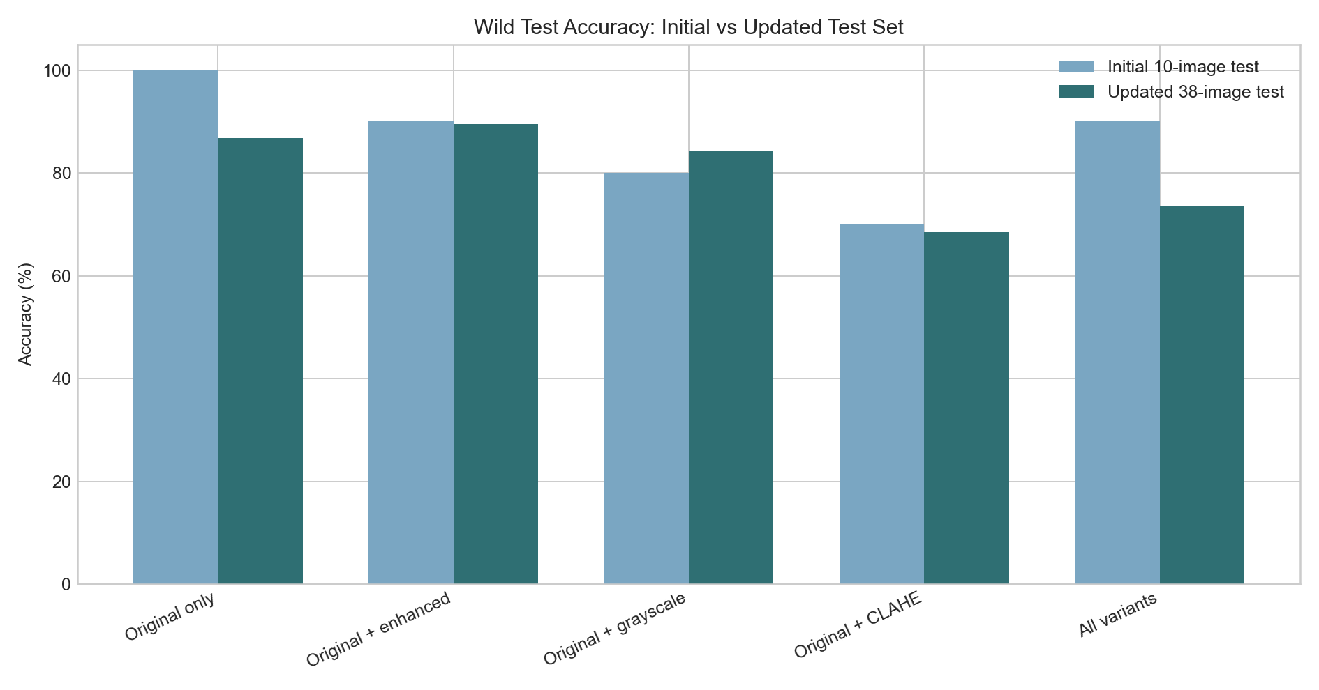
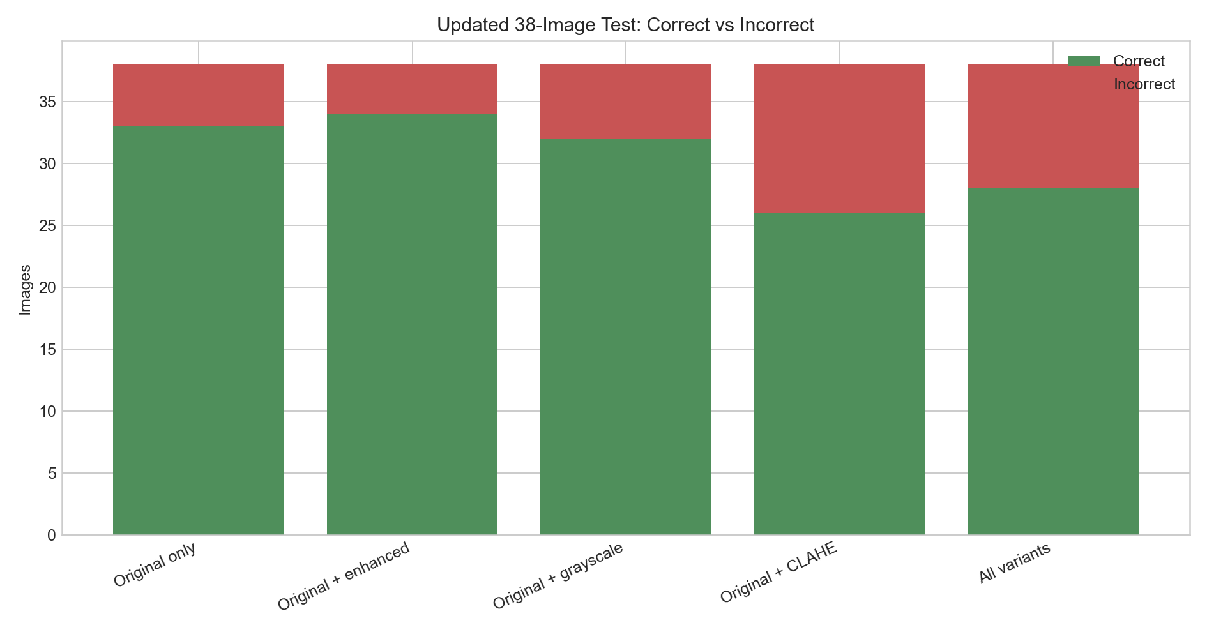
Fossil Classifier Experiment Results
Summary of exploratory tests, preprocessing shootout results, and updated 38-image wild test.

Current best model | Original + enhanced
Updated wild accuracy | 89.5%
Updated correct / total | 34 / 38
Important note | The 38-image test is more reliable than the earlier 10-image test.

Model Comparison
Initial vs Updated Wild Accuracy
experiment | display_name | train_variants | initial_correct | initial_total | initial_incorrect | initial_accuracy | updated_correct | updated_total | updated_incorrect | updated_accuracy | accuracy_change
original_only | Original only | original | 10 | 10 | 0 | 100.0% | 33 | 38 | 5 | 86.8% | -13.2%
original_enhanced | Original + enhanced | original+enhanced | 9 | 10 | 1 | 90.0% | 34 | 38 | 4 | 89.5% | -0.5%
original_grayscale | Original + grayscale | original+grayscale | 8 | 10 | 2 | 80.0% | 32 | 38 | 6 | 84.2% | 4.2%
original_clahe | Original + CLAHE | original+clahe | 7 | 10 | 3 | 70.0% | 26 | 38 | 12 | 68.4% | -1.6%
all_variants | All variants | original+enhanced+grayscale+clahe | 9 | 10 | 1 | 90.0% | 28 | 38 | 10 | 73.7% | -16.3%

Per Class Updated
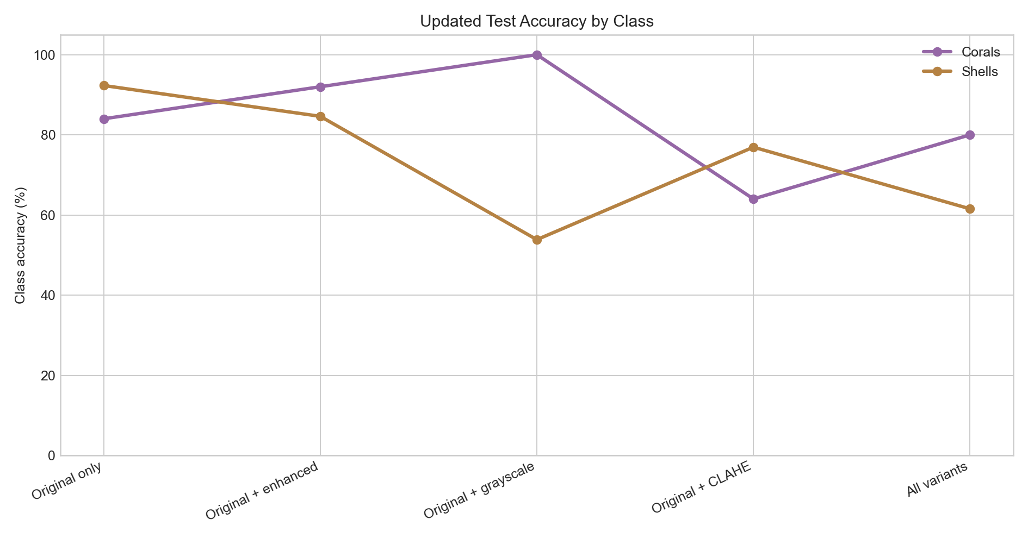
experiment | coral_correct | coral_total | coral_accuracy | shell_correct | shell_total | shell_accuracy | coral_as_shell | shell_as_coral
Original only | 21 | 25 | 84.0% | 12 | 13 | 92.3% | 4 | 1
Original + enhanced | 23 | 25 | 92.0% | 11 | 13 | 84.6% | 2 | 2
Original + grayscale | 25 | 25 | 100.0% | 7 | 13 | 53.8% | 0 | 6
Original + CLAHE | 16 | 25 | 64.0% | 10 | 13 | 76.9% | 9 | 3
All variants | 20 | 25 | 80.0% | 8 | 13 | 61.5% | 5 | 5

