S4 Quality control of ChIP data
Table S4 - Quality control of ChIP data (section a, top) and the distribution of SELEX motifs (section b, bottom)

Section a
Enriched sequence logos together with the E-values and site numbers are from MEME analysis.
MEME logo(s) similar to PWM(s) of corresponding TF is/are highlighted by yellow color.
Fold enrichments are from HOMER analysis.
Venn diagram showing the comparison of ChIP peaks between the replicates from the same antibody or between different antibodies of the same TF using the replicate with more expected motif enriched.

Quality analysis for the ChIP data from wild type and defective EC cells:

Wild type ES cell:
 |  |  |  |  |  |  |  |  |  |  |  |  |  |  |  |  |  |  |  | Comparison of peaks between replicates
ChIP-seq of Oct4 replicate 1 (Human Oct‑3/4 Antibody, R&D systems, AF1759)
ChIP-seq aligned reads: | 23,038,167
HOMER same strand fold enrichment: | 1.2
HOMER diff strand fold enrichment: | 1.2
Motif 1 (1000 lowest p-value MACS peaks) |  |  |  |  | Motif 2 (1000 lowest p-value MACS peaks) |  |  |  |  |  |  |  | Motif 3 (1000 lowest p-value MACS peaks)
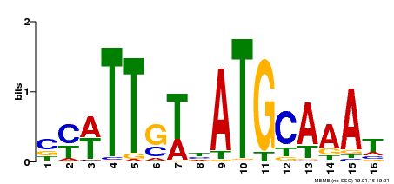
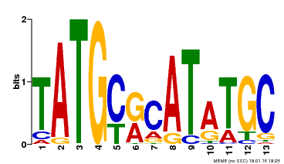

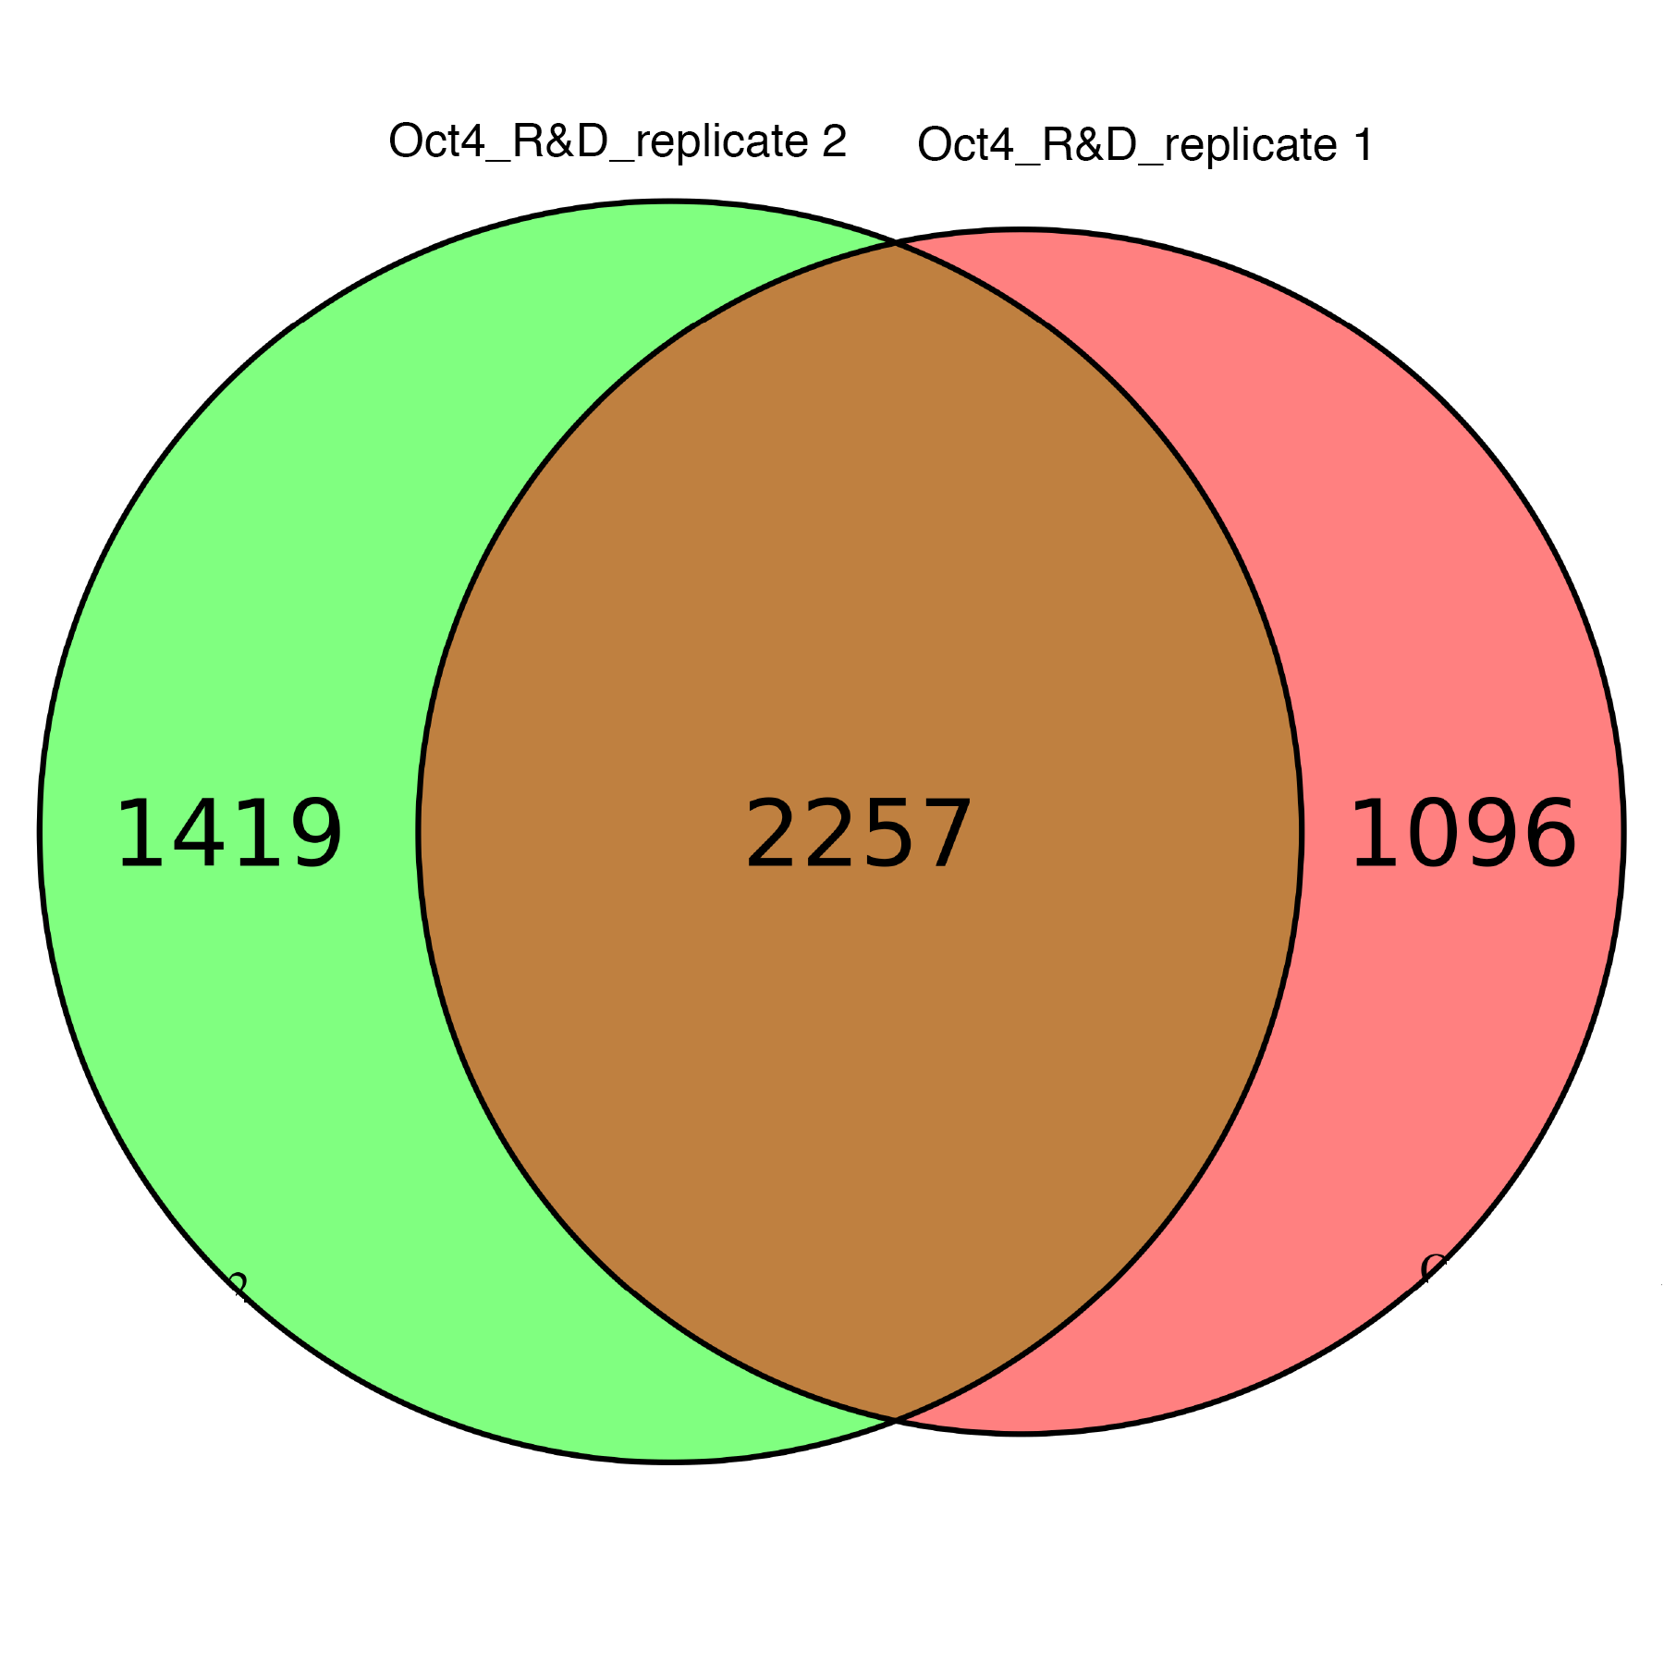

E-value: | 1.0E-829 |  |  |  | E-value: | 1.50E-13 |  |  |  |  |  |  | E-value: | 3.10E-08
Sites: | 493 |  |  |  | Sites: | 35 |  |  |  |  |  |  | Sites: | 30

ChIP-seq of Oct4 replicate 2 (Human Oct‑3/4 Antibody, R&D systems, AF1759)
ChIP-seq aligned reads: | 23,907,703
HOMER same strand fold enrichment: | 1.2
HOMER diff strand fold enrichment: | 1.2
Motif 1 (1000 lowest p-value MACS peaks) |  |  |  |  | Motif 2 (1000 lowest p-value MACS peaks) |  |  |  |  |  |  | Motif 3 (1000 lowest p-value MACS peaks)
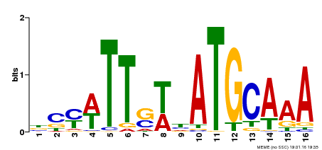
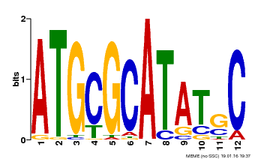

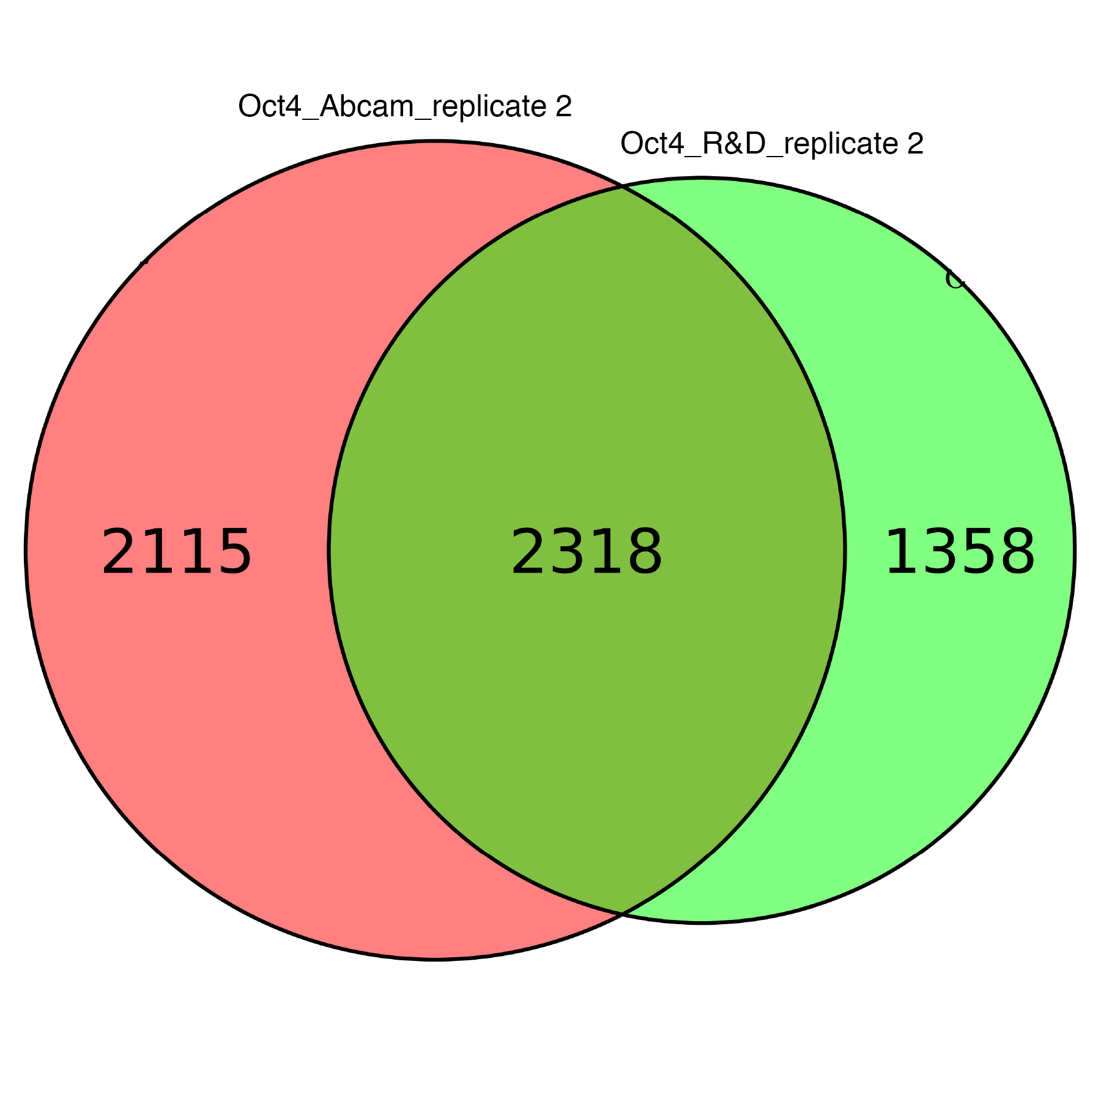

E-value: | 1.2E-831 |  |  |  | E-value: | 3.50E-23 |  |  |  |  |  | E-value: | 4.70E-15
Sites: | 502 |  |  |  | Sites: | 36 |  |  |  |  |  | Sites: | 32

ChIP-seq of Oct4 replicate 1 (Anti-Oct4 antibody, Abcam, ab19857)
ChIP-seq aligned reads: | 24,083,639
HOMER same strand fold enrichment: | 1.3
HOMER diff strand fold enrichment: | 1.3
Motif 1 (1000 lowest p-value MACS peaks) |  |  |  |  | Motif 2 (1000 lowest p-value MACS peaks) |  |  |  |  |  |  |  | Motif 3 (1000 lowest p-value MACS peaks)
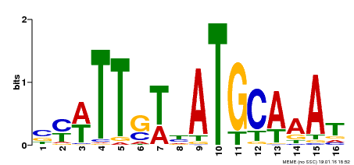
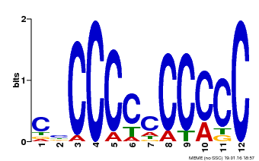

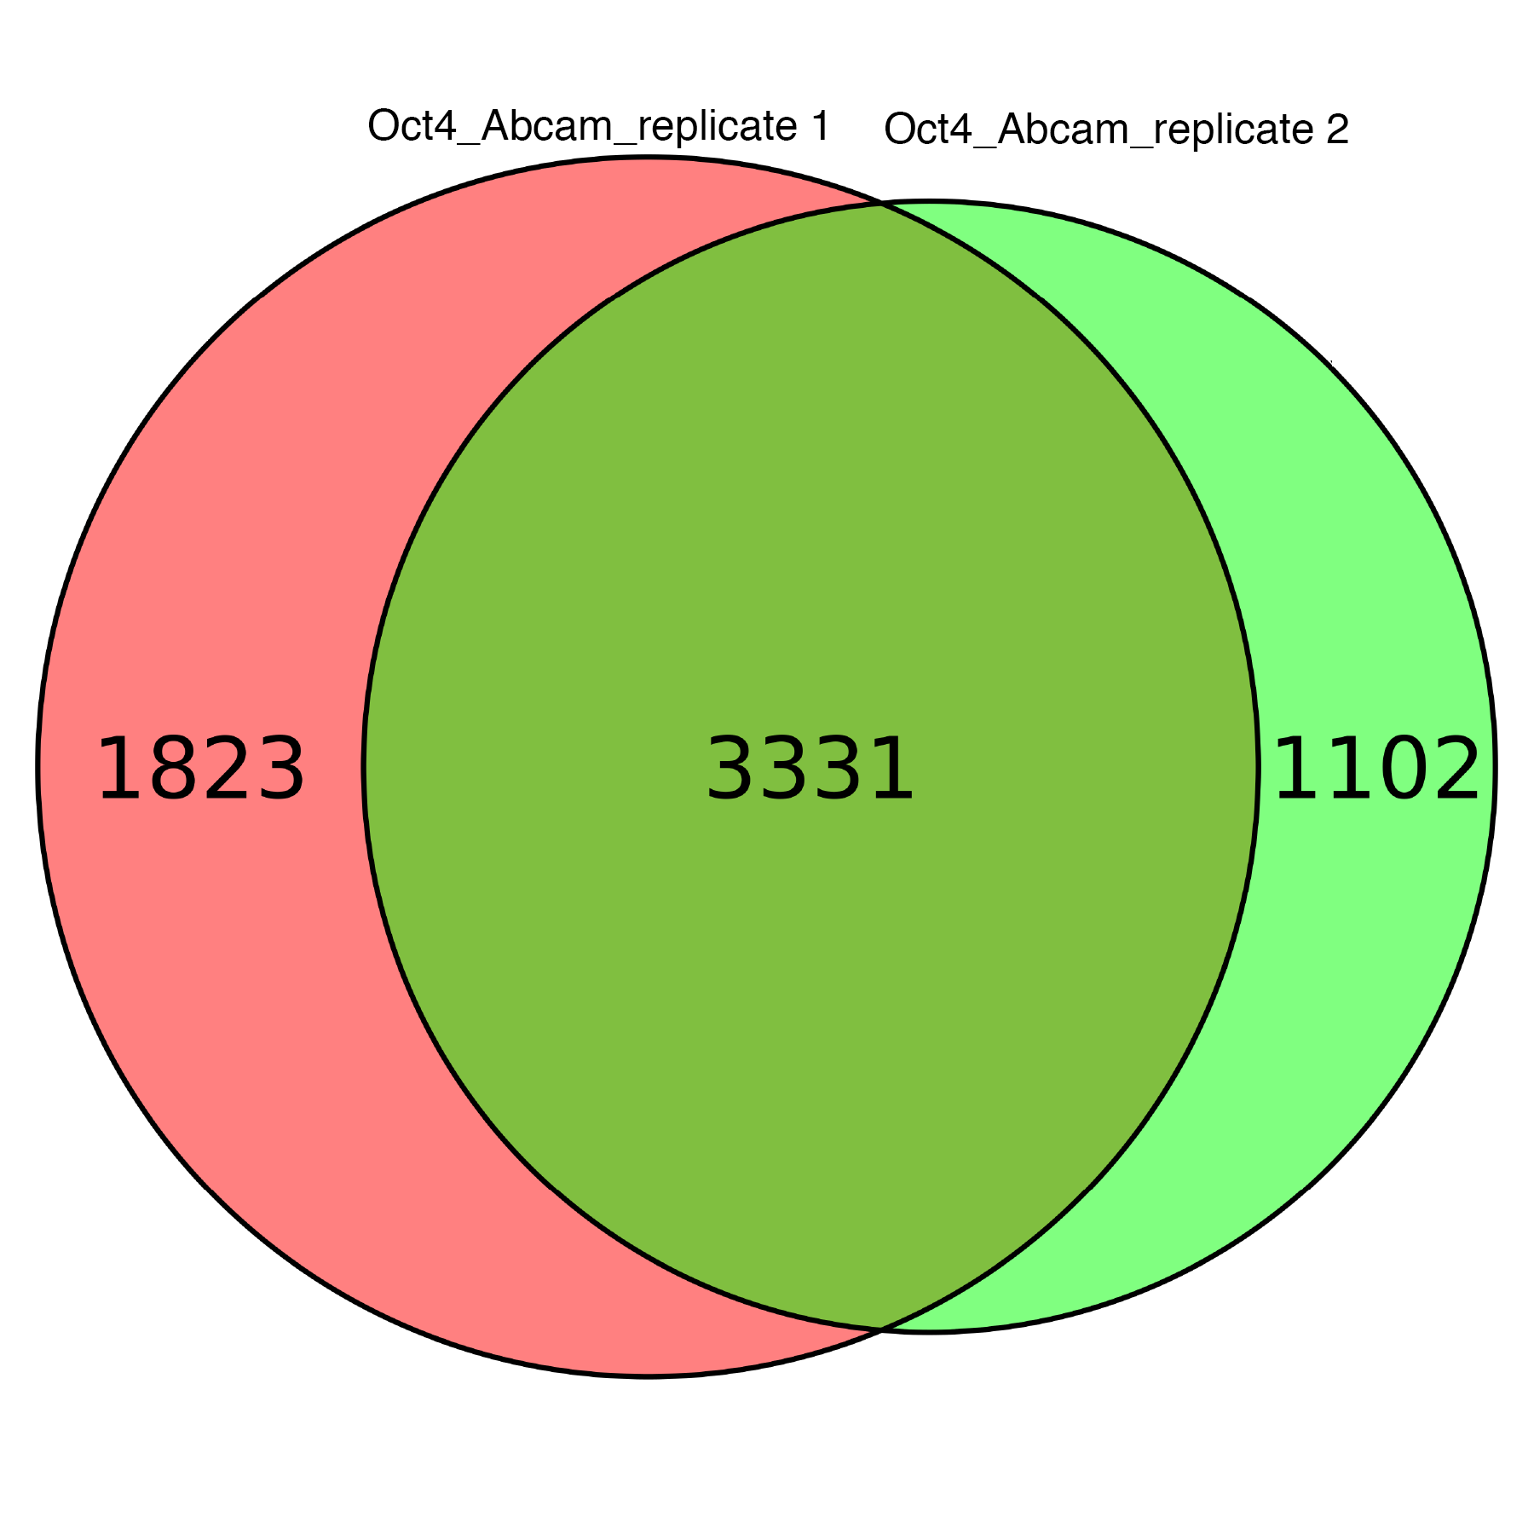

E-value: | 4.5E-582 |  |  |  | E-value: | 4.30E-28 |  |  |  |  |  |  | E-value: | 4.00E-21
Sites: | 401 |  |  |  | Sites: | 33 |  |  |  |  |  |  | Sites: | 46

ChIP-seq of Oct4 replicate 2 (Anti-Oct4 antibody, Abcam, ab19857)
ChIP-seq aligned reads: | 28,735,754
HOMER same strand fold enrichment: | 1.2
HOMER diff strand fold enrichment: | 1.2
Motif 1 (1000 lowest p-value MACS peaks) |  |  |  |  | Motif 2 (1000 lowest p-value MACS peaks) |  |  |  |  |  |  |  | Motif 3 (1000 lowest p-value MACS peaks)
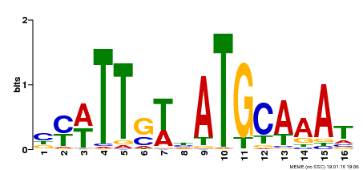
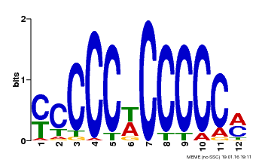

E-value: | 2.1E-555 |  |  |  | E-value: | 2.10E-27 |  |  |  |  |  |  | E-value: | 6.40E-20
Sites: | 430 |  |  |  | Sites: | 35 |  |  |  |  |  |  | Sites: | 36

ChIP-seq of Mycn replicate 1 (Anti-n-Myc antibody [NCM II 100], Abcam, ab16898)
ChIP-seq aligned reads: | 18,928,351
HOMER same strand fold enrichment: | 1.2
HOMER diff strand fold enrichment: | 1.2
Motif 1 (1000 lowest p-value MACS peaks)
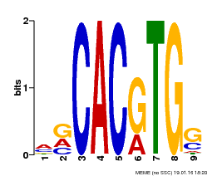

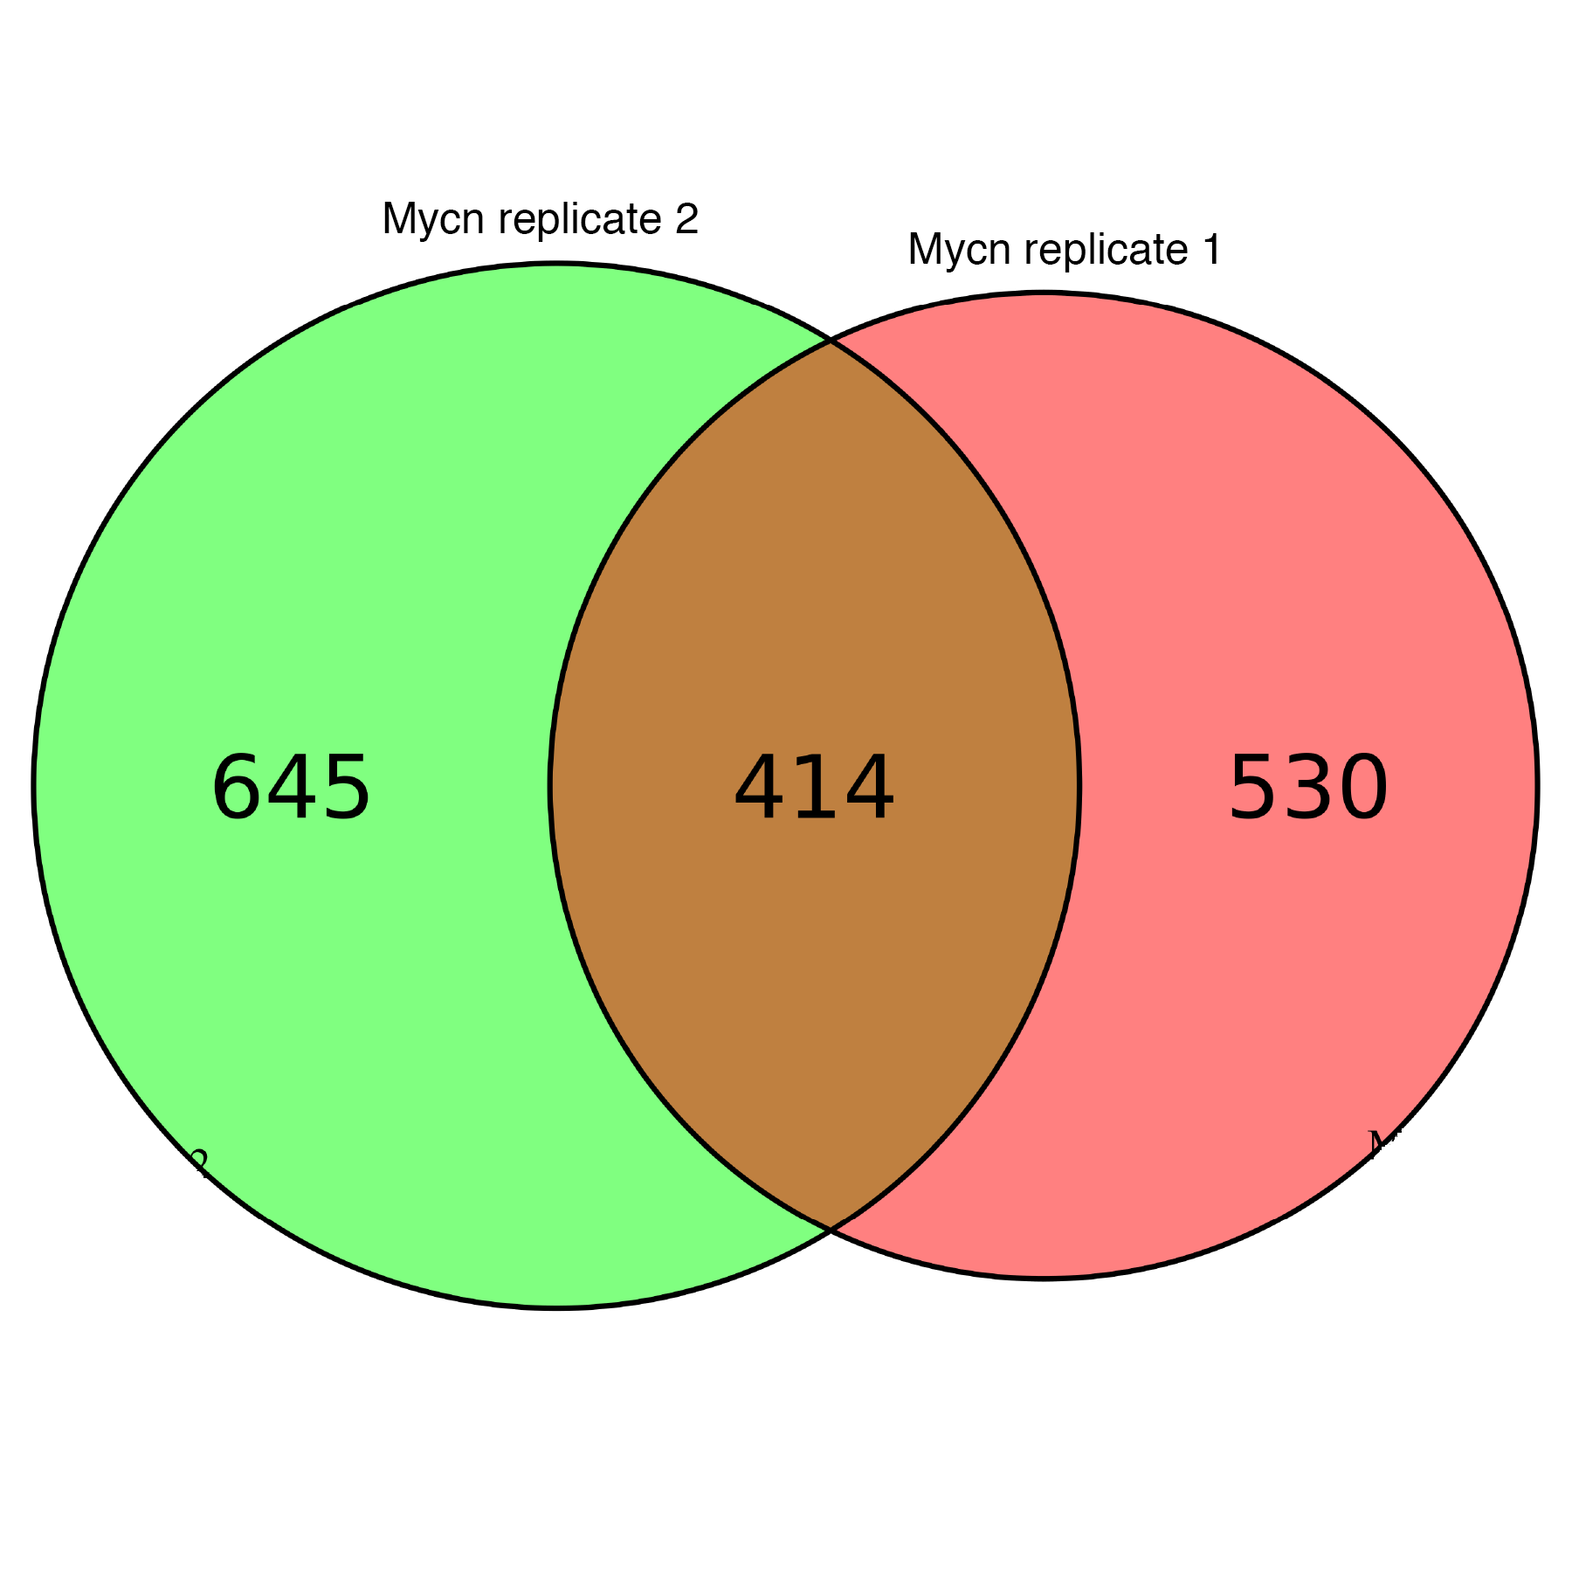

E-value: | 1.70E-52
Sites: | 145

ChIP-seq of Mycn replicate 2 (Anti-n-Myc antibody [NCM II 100], Abcam, ab16898)
ChIP-seq aligned reads: | 23,061,522
HOMER same strand fold enrichment: | 1.2
HOMER diff strand fold enrichment: | 1.2
Motif 1 (1000 lowest p-value MACS peaks) |  |  |  |  |  | Motif 2 (1000 lowest p-value MACS peaks)
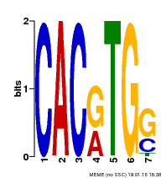

E-value: | 2.80E-109 |  |  |  |  | E-value: | 1.30E-44
Sites: | 71 |  |  |  |  | Sites: | 157

ChIP-seq of Mycn (n-myc Antibody (NMYC-1), Thermo Scientific Fisher, MA1-16638)
No correct motif got enriched by MEME

ChIP-seq of klf4 replicate 1 (Mouse KLF4 Antibody, R&D systems, AF3158)
ChIP-seq aligned reads: | 30,699,775
HOMER same strand fold enrichment: | 1.3
HOMER diff strand fold enrichment: | 1.3
Motif 1 (1000 lowest p-value MACS peaks)
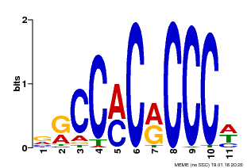

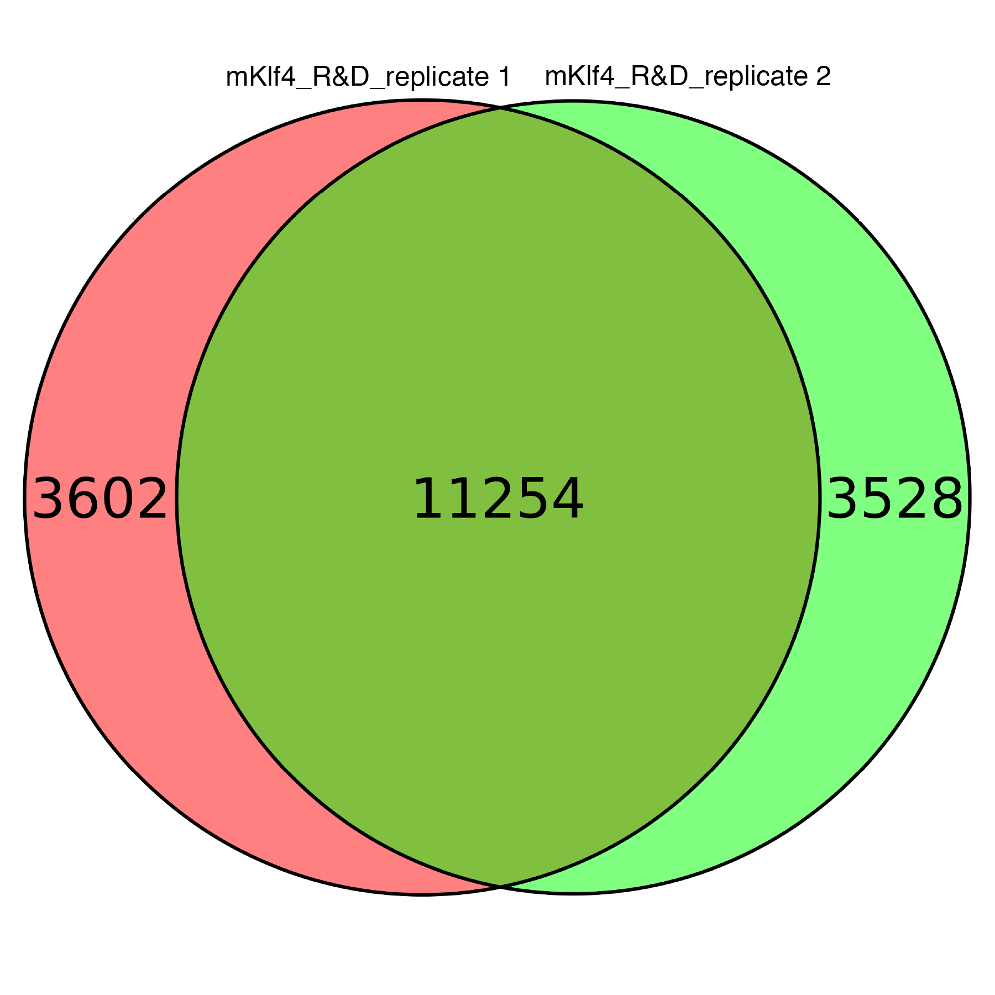

E-value: | 4.70E-271
Sites: | 362

ChIP-seq of klf4 replicate 2 (Mouse KLF4 Antibody, R&D systems, AF3158)
ChIP-seq aligned reads: | 25,297,850
HOMER same strand fold enrichment: | 1.3
HOMER diff strand fold enrichment: | 1.3
Motif 1 (1000 lowest p-value MACS peaks)
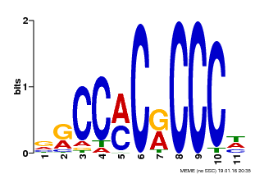

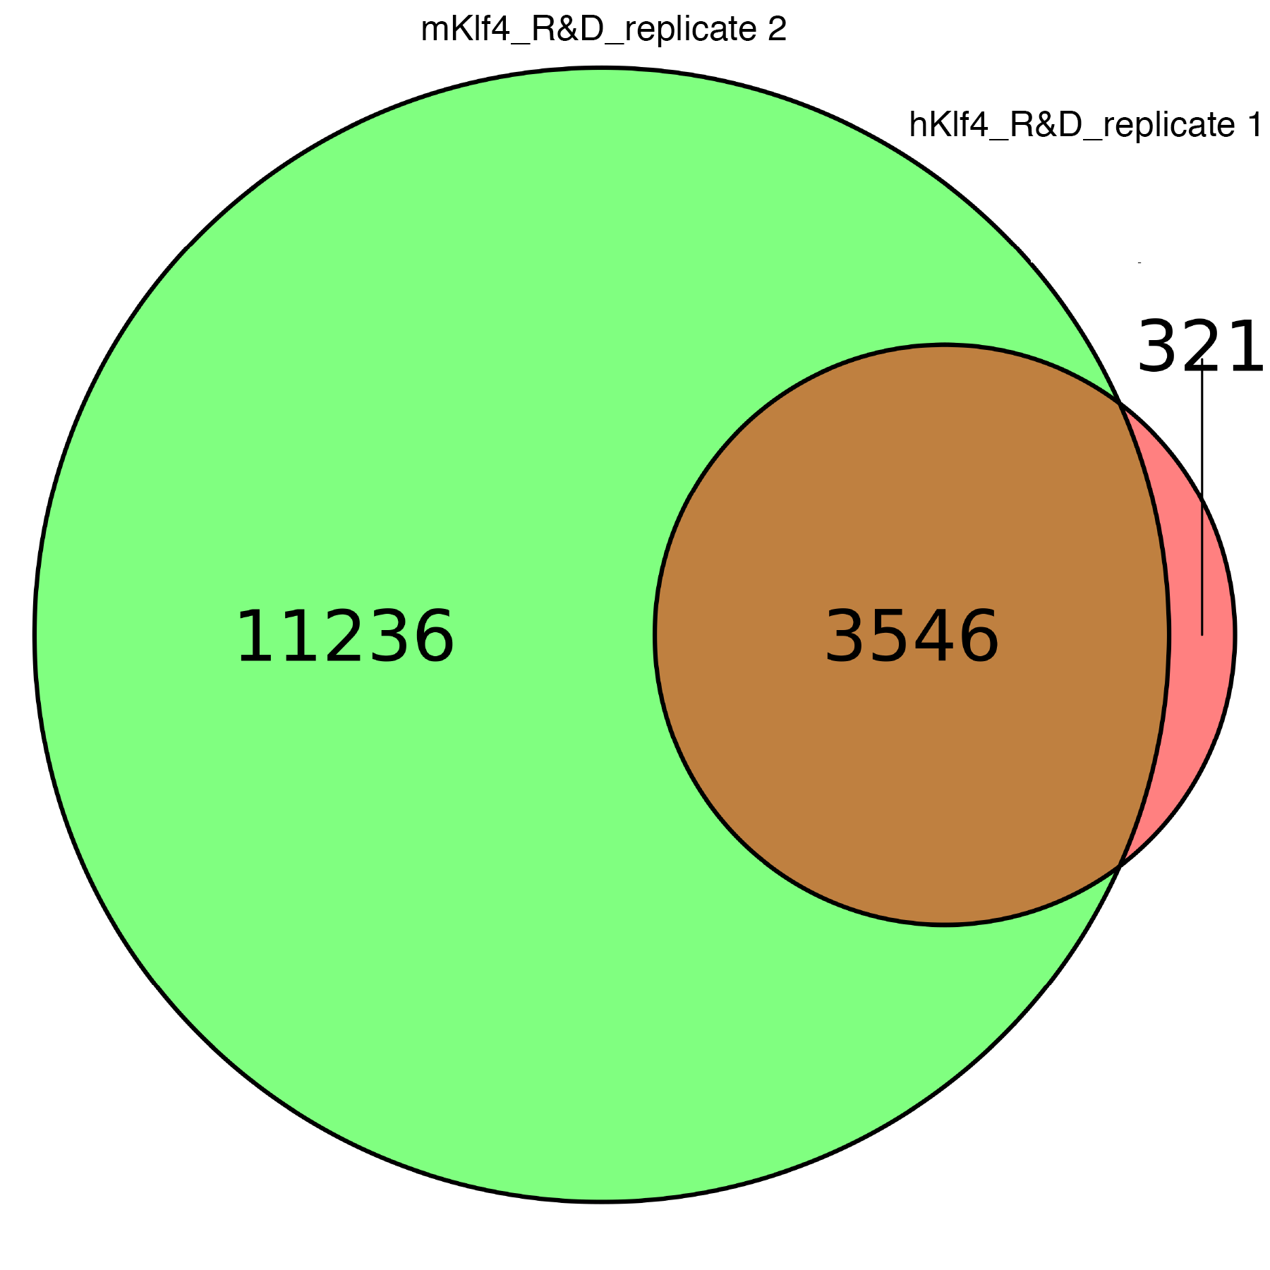

E-value: | 4.00E-259
Sites: | 414

ChIP-seq of klf4 replicate 1 (Human KLF4 Antibody, R&D systems, AF3640)
ChIP-seq aligned reads: | 29,164,741
HOMER same strand fold enrichment: | 1.2
HOMER diff strand fold enrichment: | 1.2
Motif 1 (1000 lowest p-value MACS peaks)
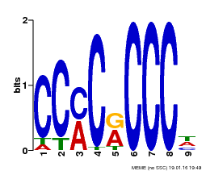

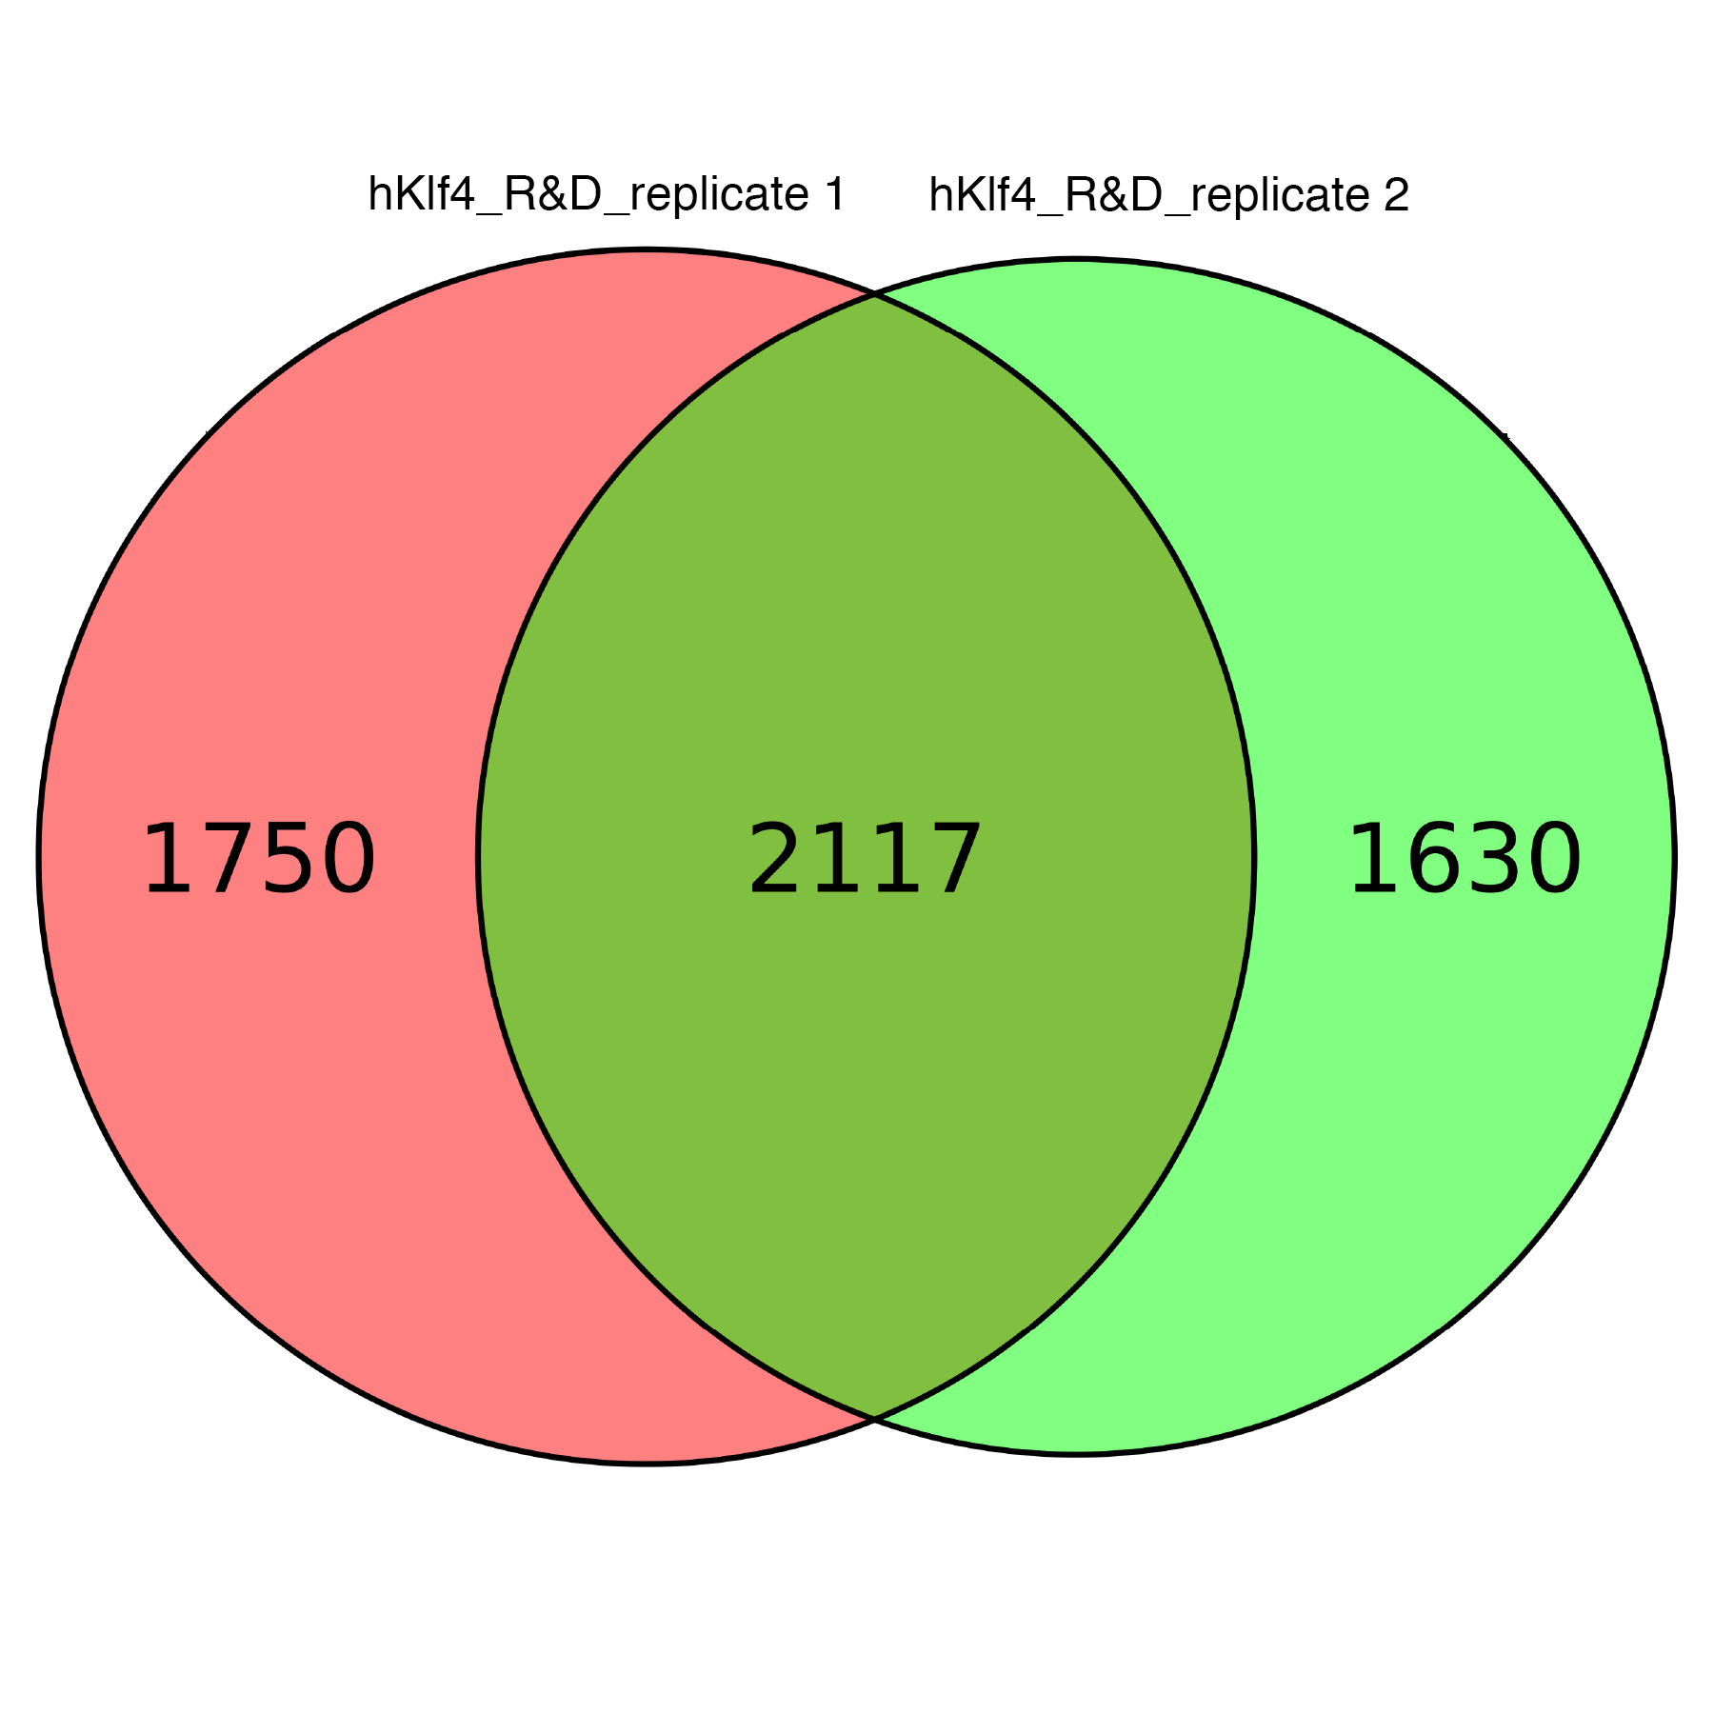

E-value: | 3.40E-177
Sites: | 332

ChIP-seq of klf4 replicate 2 (Human KLF4 Antibody, R&D systems, AF3640)
ChIP-seq aligned reads: | 25,237,682
HOMER same strand fold enrichment: | 1.2
HOMER diff strand fold enrichment: | 1.2
Motif 1 (1000 lowest p-value MACS peaks)
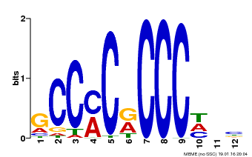

E-value: | 2.70E-147
Sites: | 305

Dnmt1, Dnmt3A and Dnmt3B triple knockout ES cell:

ChIP-seq of Oct4 replicate 1 (Human Oct‑3/4 Antibody, R&D systems, AF1759)
ChIP-seq aligned reads: | 54,482,167
HOMER same strand fold enrichment: | 1.2
HOMER diff strand fold enrichment: | 1.2
Motif 1 (1000 lowest p-value MACS peaks) |  |  |  | Motif 2 (1000 lowest p-value MACS peaks) |  |  |  |  |  | Motif 3 (1000 lowest p-value MACS peaks) |  |  |  |  |  | Motif 4 (1000 lowest p-value MACS peaks) |  |  | Motif 5 (1000 lowest p-value MACS peaks)
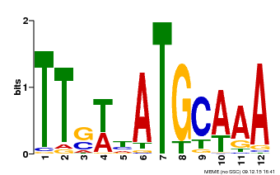
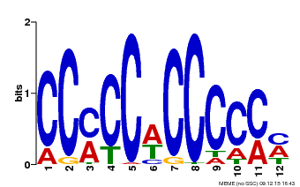
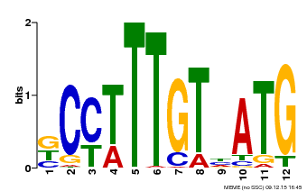
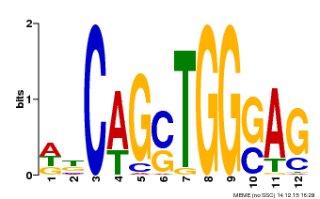
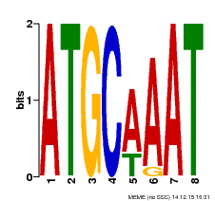

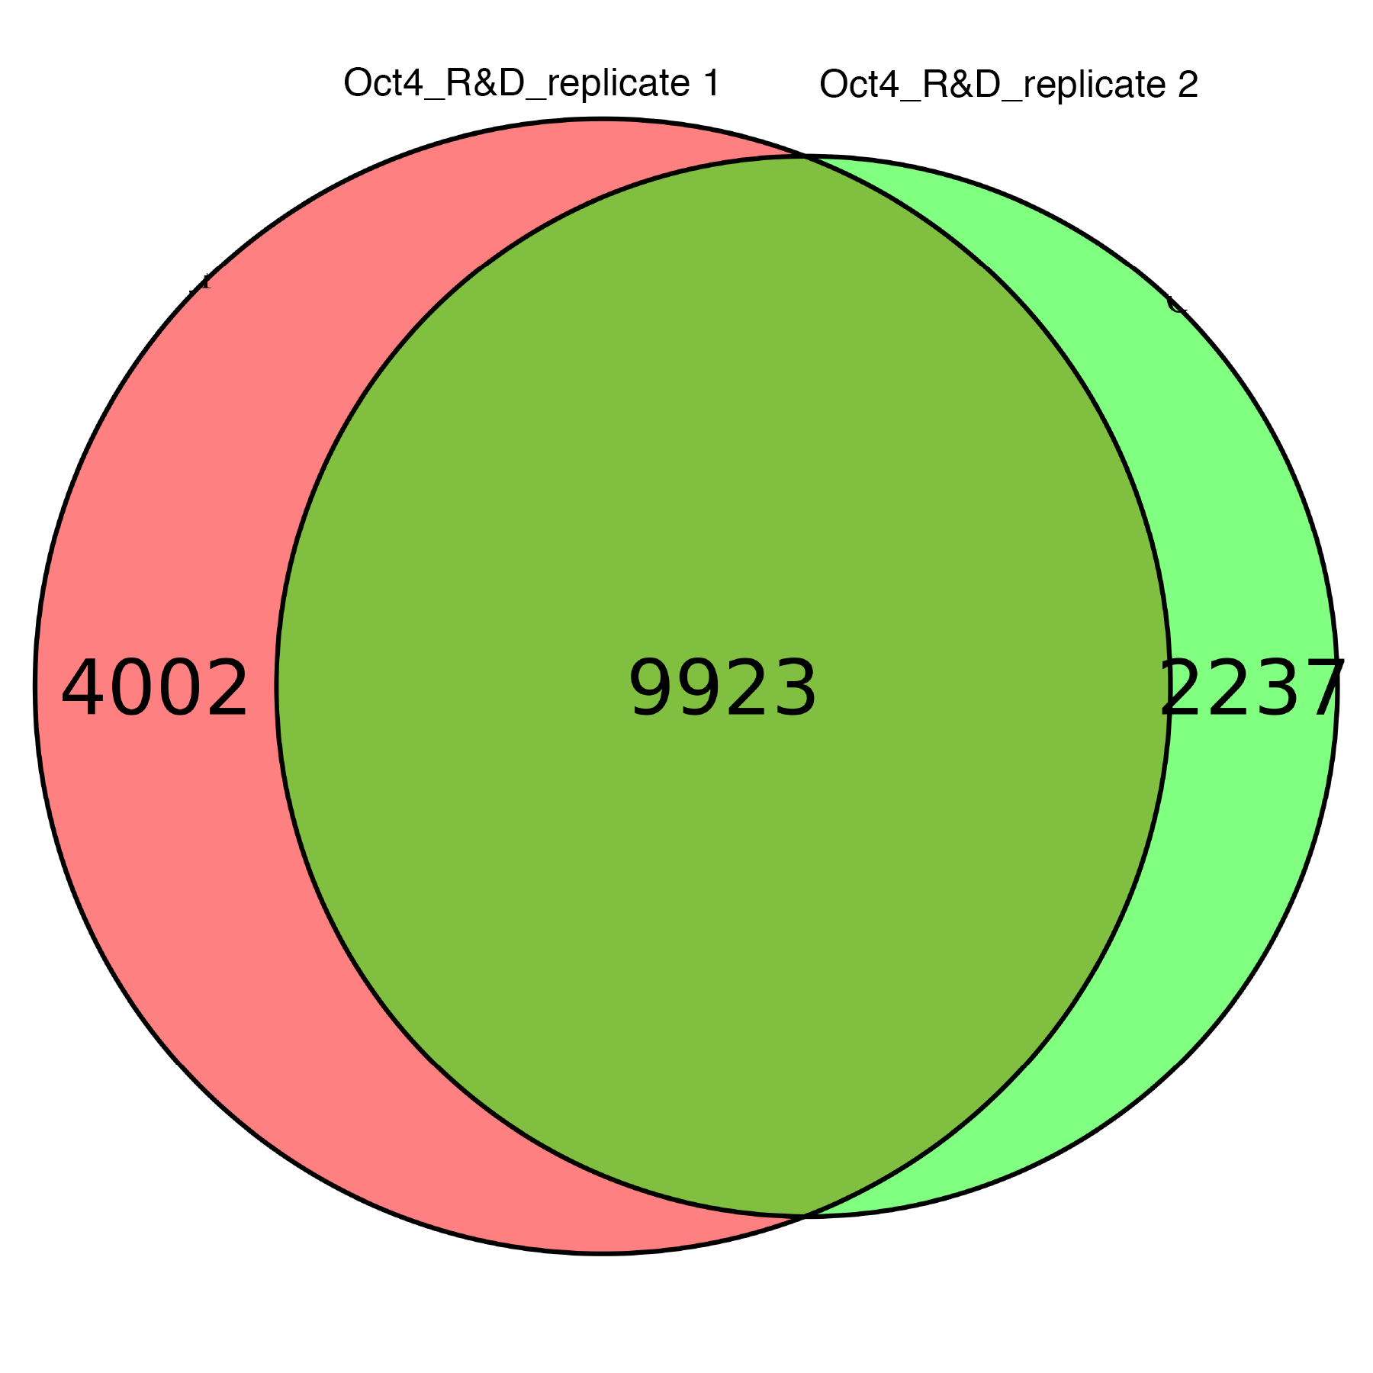

E-value: | 4.3E-551 |  |  | E-value: | 1.00E-26 |  |  |  |  | E-value: | 9.60E-10 |  |  |  |  | E-value: | 6.10E-06 |  | E-value: | 2.60E-01
Sites: | 492 |  |  | Sites: | 44 |  |  |  |  | Sites: | 55 |  |  |  |  | Sites: | 31 |  | Sites: | 33

ChIP-seq of Oct4 replicate 2 (Human Oct‑3/4 Antibody, R&D systems, AF1759)
ChIP-seq aligned reads: | 57,028,475
HOMER same strand fold enrichment: | 1.1
HOMER diff strand fold enrichment: | 1.1
Motif 1 (1000 lowest p-value MACS peaks) |  |  |  | Motif 2 (1000 lowest p-value MACS peaks) |  |  |  |  | Motif 3 (1000 lowest p-value MACS peaks) |  |  |  |  | Motif 4 (1000 lowest p-value MACS peaks) |  |  |  |  |  |  | Motif 5 (1000 lowest p-value MACS peaks)
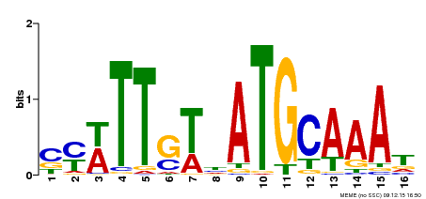
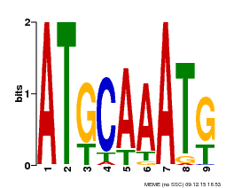
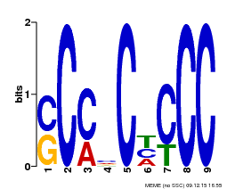
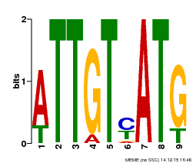

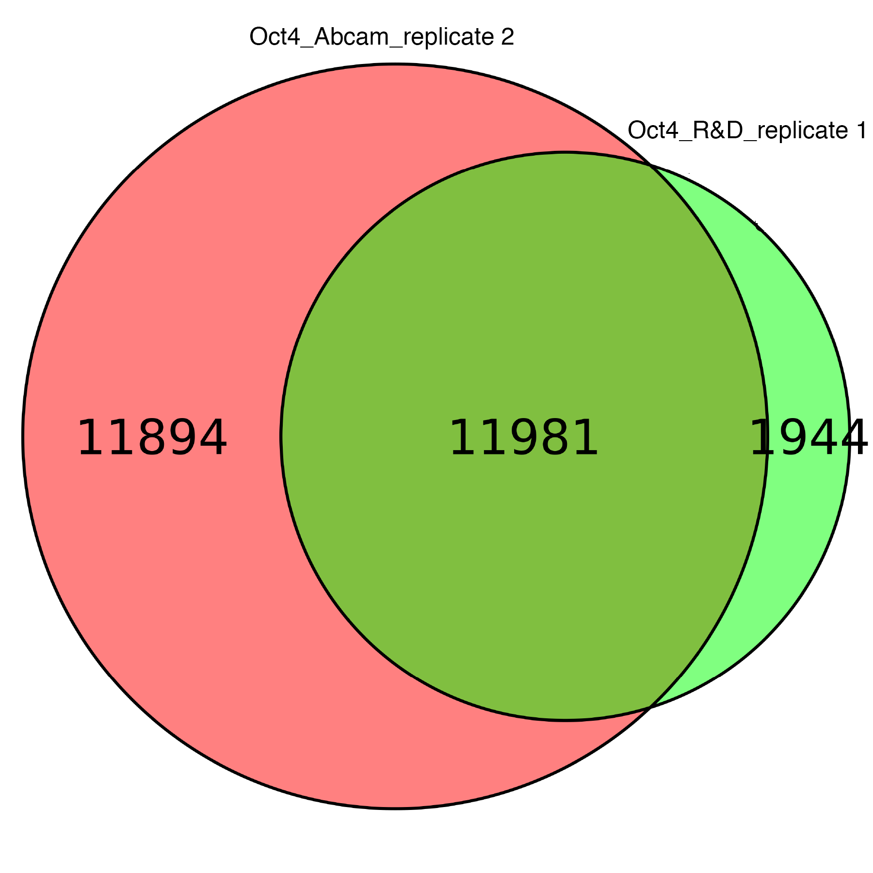
E-value: | 1.4E-556 |  |  | E-value: | 8.60E-22 |  |  |  | E-value: | 3.60E-16 |  |  |  | E-value: | 3.30E-09 |  |  |  |  |  | E-value: | 2.20E-03
Sites: | 380 |  |  | Sites: | 85 |  |  |  | Sites: | 70 |  |  |  | Sites: | 7 |  |  |  |  |  | Sites: | 41

ChIP-seq of Oct4 replicate 1 (Anti-Oct4 antibody, Abcam, ab19857)
ChIP-seq aligned reads: | 57,544,419
HOMER same strand fold enrichment: | 1.3
HOMER diff strand fold enrichment: | 1.3
Motif 1 (1000 lowest p-value MACS peaks) |  |  | Motif 2 (1000 lowest p-value MACS peaks) |  |  |  |  |  | Motif 3 (1000 lowest p-value MACS peaks)
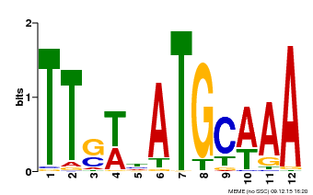
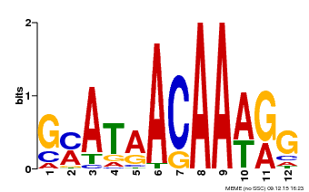
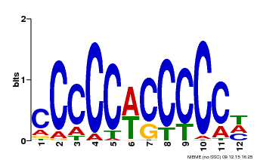

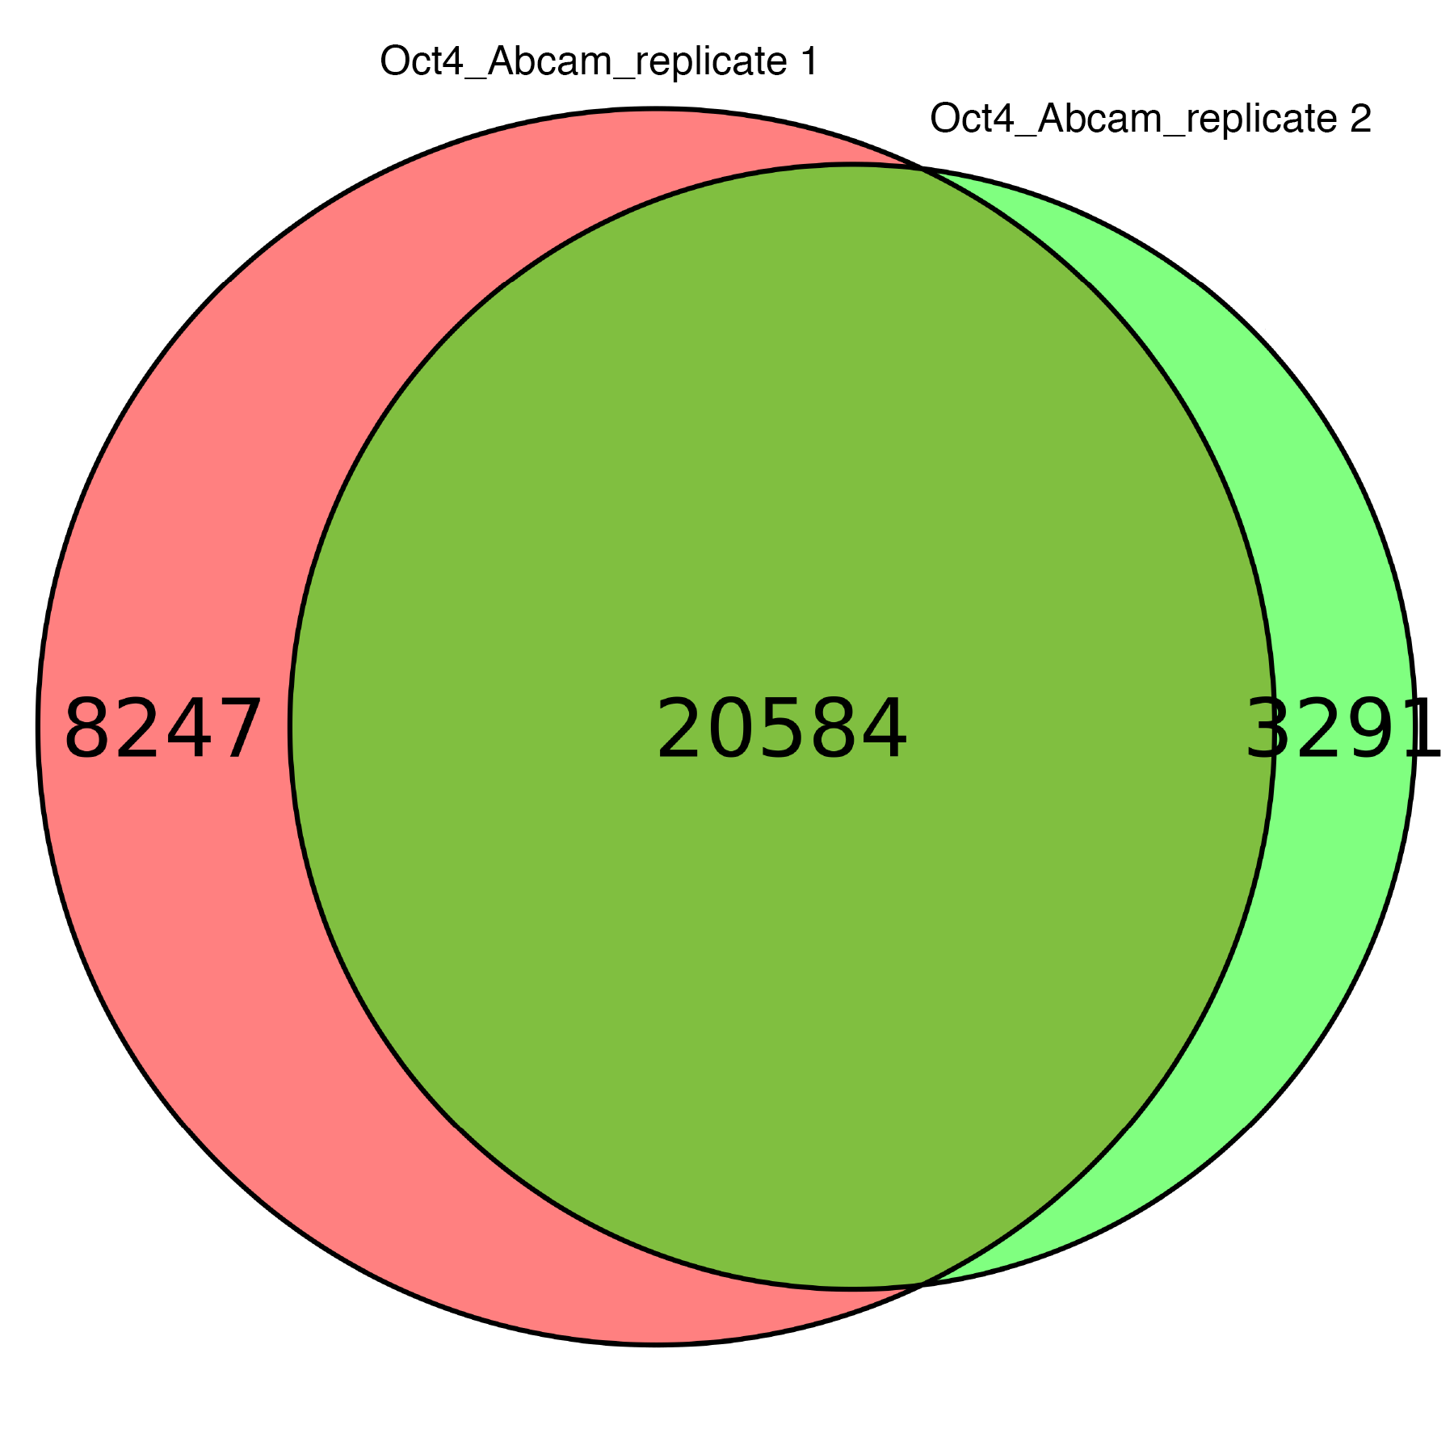
E-value: | 1.1E-373 |  | E-value: | 3.60E-66 |  |  |  |  | E-value: | 4.40E-14
Sites: | 354 |  | Sites: | 115 |  |  |  |  | Sites: | 8

ChIP-seq of Oct4 replicate 2 (Anti-Oct4 antibody, Abcam, ab19857)
ChIP-seq aligned reads: | 31,516,408
HOMER same strand fold enrichment: | 1.5
HOMER diff strand fold enrichment: | 1.5
Motif 1 (1000 lowest p-value MACS peaks) |  |  | Motif 2 (1000 lowest p-value MACS peaks) |  |  |  |  |  | Motif 3 (1000 lowest p-value MACS peaks)
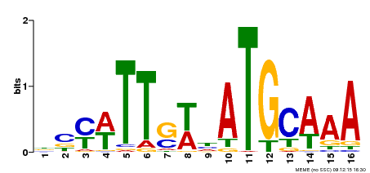
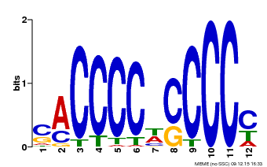
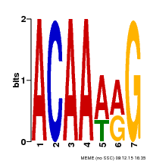

E-value: | 4.8E-427 |  | E-value: | 4.10E-20 |  |  |  |  | E-value: | 1.80E-10
Sites: | 385 |  | Sites: | 38 |  |  |  |  | Sites: | 96

ChIP-seq of Mycn replicate 1 (Anti-n-Myc antibody [NCM II 100], Abcam, ab16898)
ChIP-seq aligned reads: | 22,995,728
HOMER same strand fold enrichment: | 1.2
HOMER diff strand fold enrichment: | 1.2
Motif 1 (1000 lowest p-value MACS peaks)
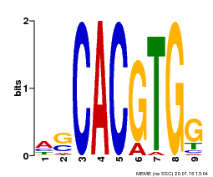

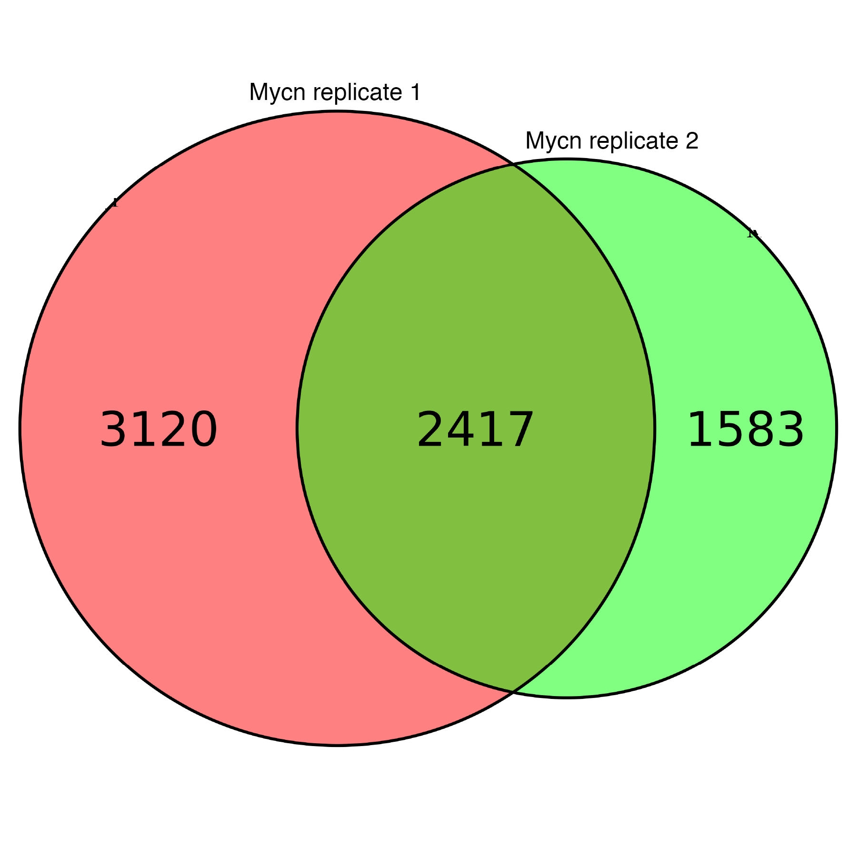

E-value: | 3.30E-120
Sites: | 211

ChIP-seq of Mycn replicate 2 (Anti-n-Myc antibody [NCM II 100], Abcam, ab16898)
ChIP-seq aligned reads: | 24,061,656
HOMER same strand fold enrichment: | 1.2
HOMER diff strand fold enrichment: | 1.2
Motif 1 (1000 lowest p-value MACS peaks)
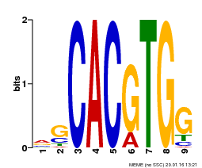

E-value: | 1.50E-127
Sites: | 217

ChIP-seq of Mycn (n-myc Antibody (NMYC-1), Thermo Scientific Fisher, MA1-16638)
No correct motif got enriched by MEME

ChIP-seq of klf4 replicate 1 (Mouse KLF4 Antibody, R&D systems, AF3158)
ChIP-seq aligned reads: | 67,429,238
HOMER same strand fold enrichment: | 1.3
HOMER diff strand fold enrichment: | 1.3
Motif 1 (1000 lowest p-value MACS peaks)
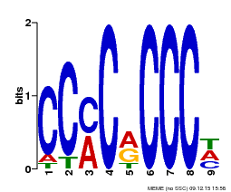

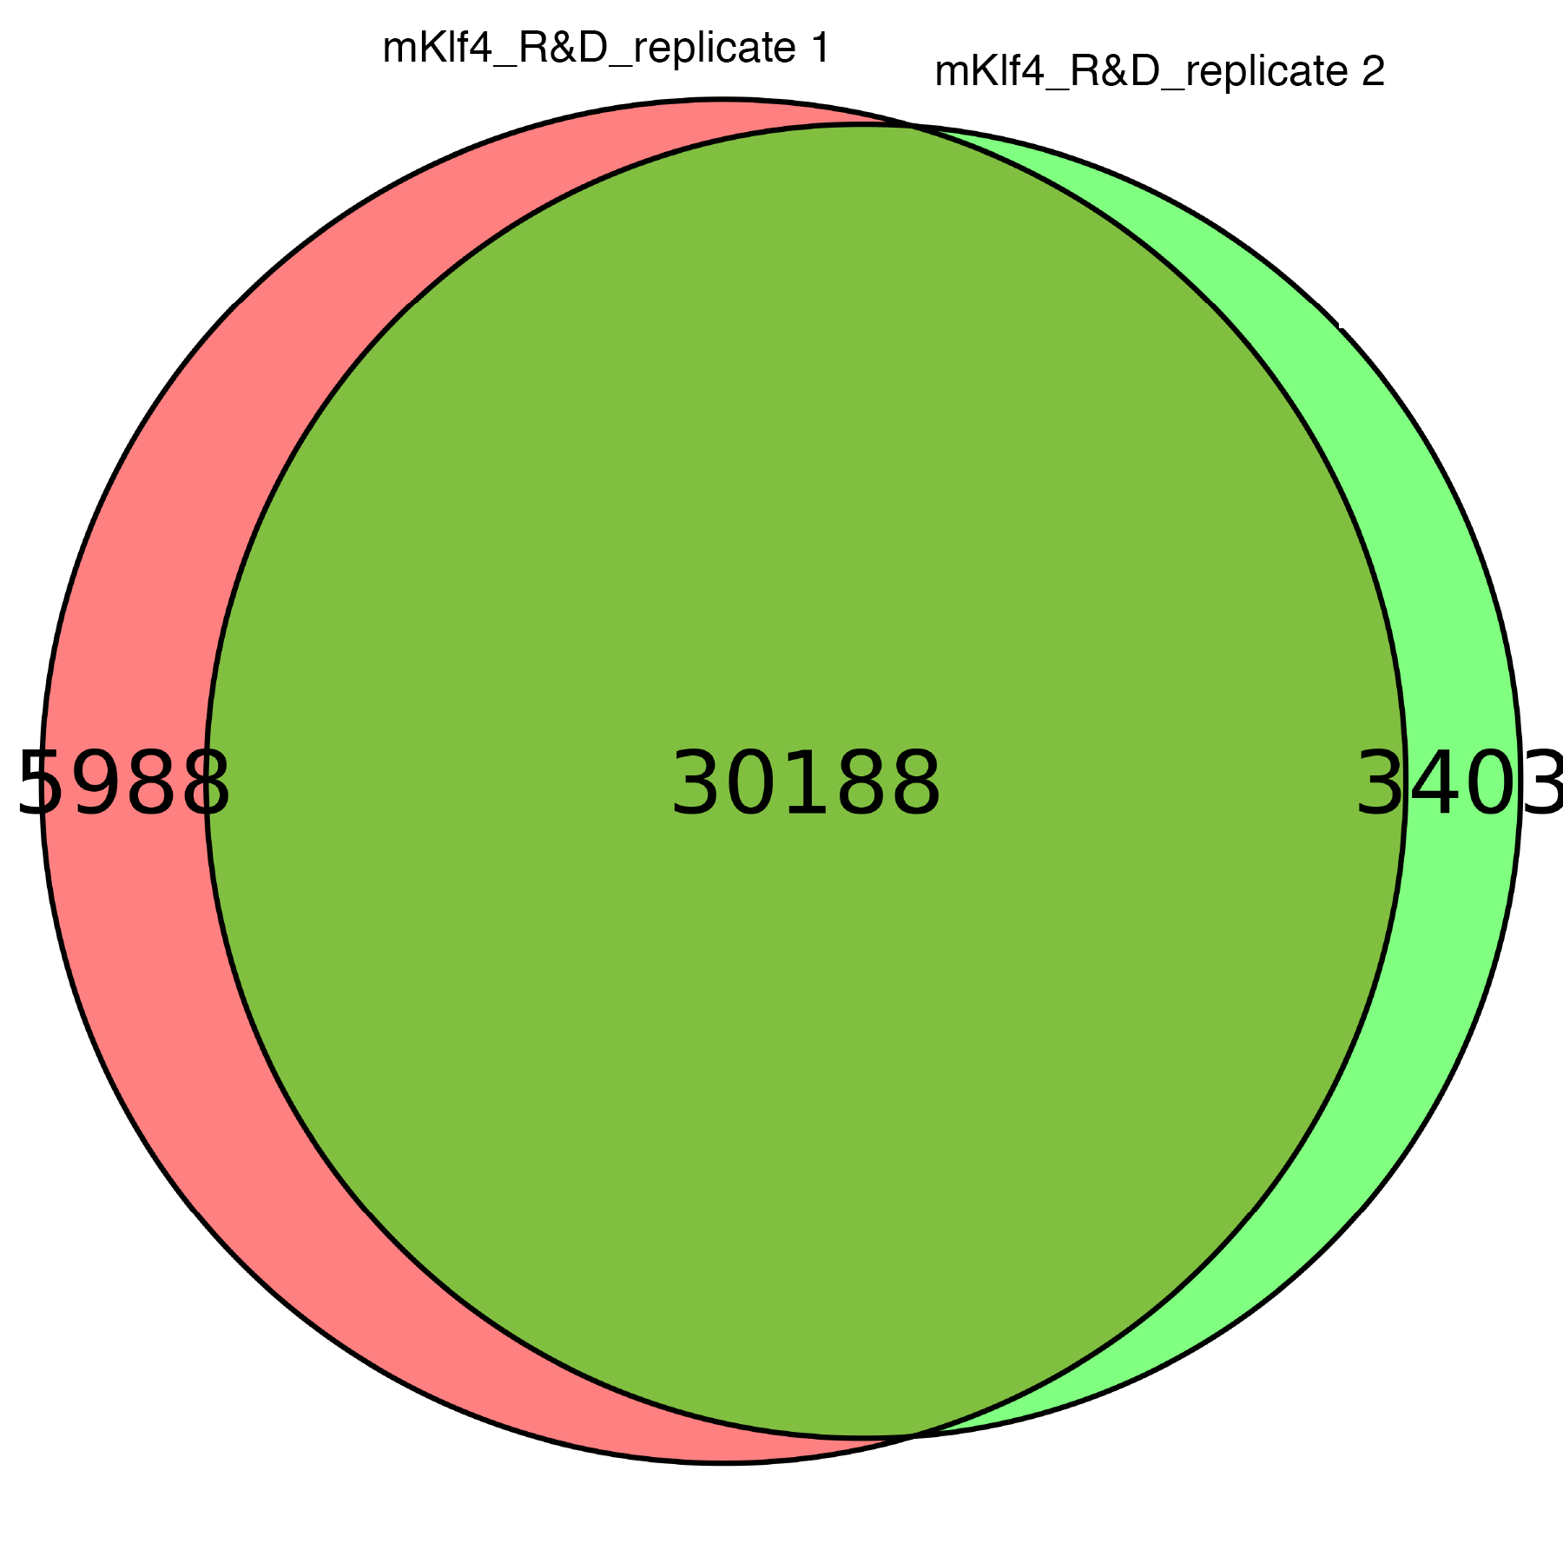

E-value: | 9.10E-259
Sites: | 367

ChIP-seq of klf4 replicate 2 (Mouse KLF4 Antibody, R&D systems, AF3158)
ChIP-seq aligned reads: | 49,073,716
HOMER same strand fold enrichment: | 1.4
HOMER diff strand fold enrichment: | 1.4
Motif 1 (1000 lowest p-value MACS peaks)
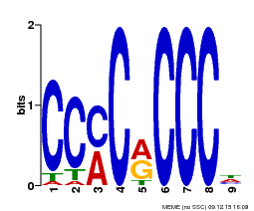

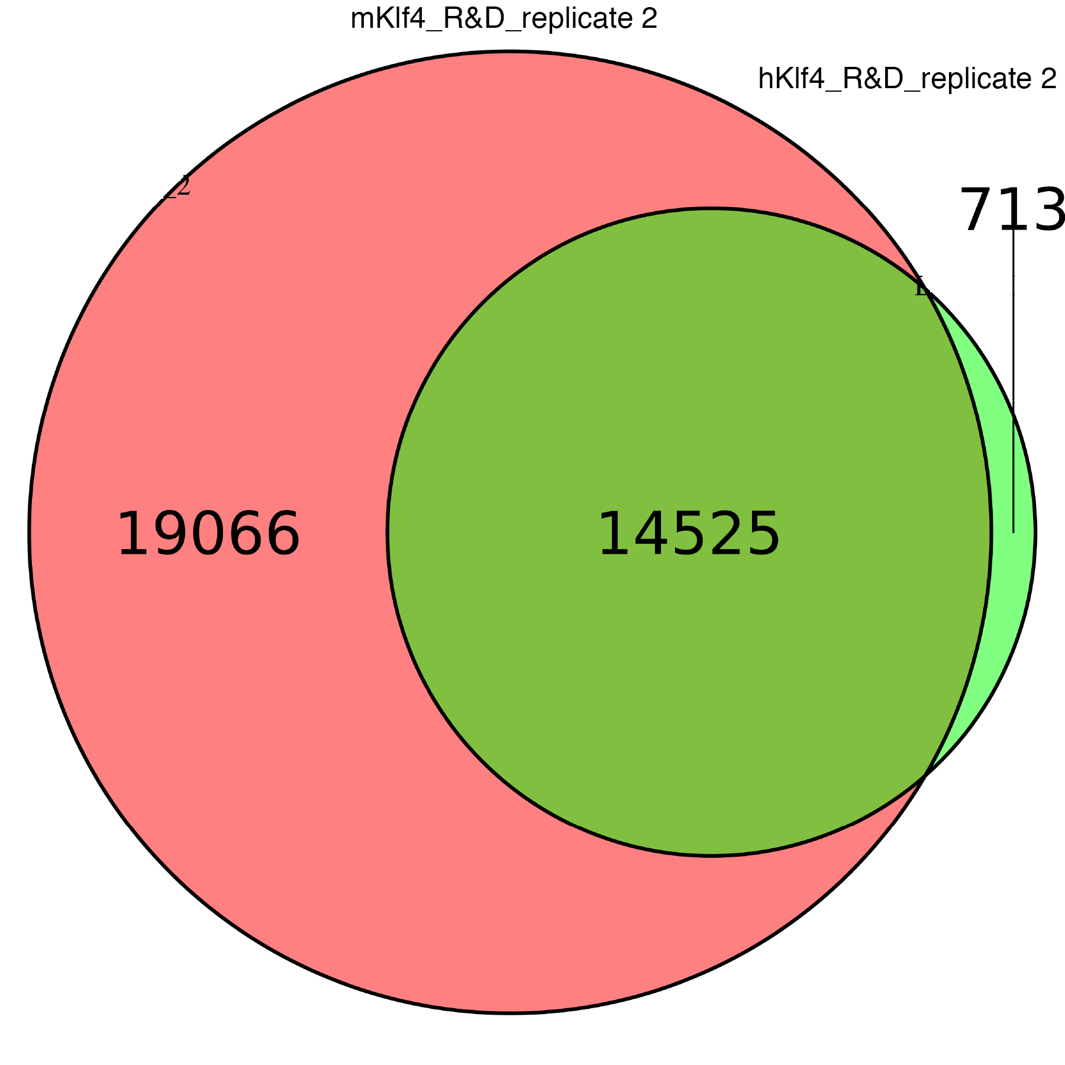

E-value: | 1.80E-211
Sites: | 372

ChIP-seq of klf4 replicate 1 (Human KLF4 Antibody, R&D systems, AF3640)
ChIP-seq aligned reads: | 40,191,285
HOMER same strand fold enrichment: | 1.2
HOMER same strand fold enrichment: | 1.2
Motif 1 (1000 lowest p-value MACS peaks)
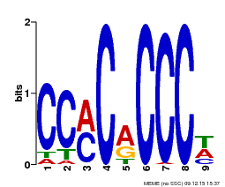

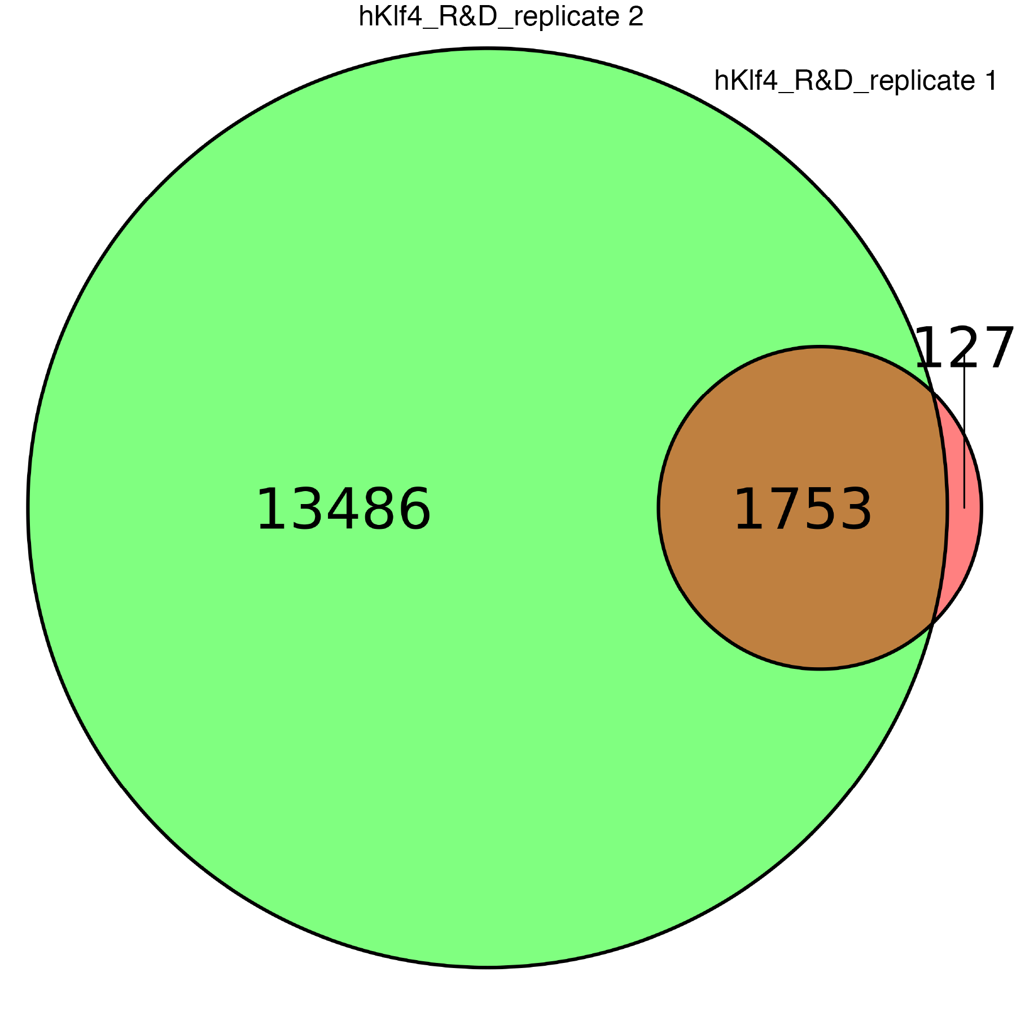

E-value: | 1.60E-136
Sites: | 289

ChIP-seq of klf4 replicate 2 (Human KLF4 Antibody, R&D systems, AF3640)
ChIP-seq aligned reads: | 29,039,688
HOMER same strand fold enrichment: | 1.2
HOMER same strand fold enrichment: | 1.3
Motif 1 (1000 lowest p-value MACS peaks)
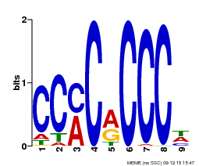

E-value: | 3.10E-185
Sites: | 353

Tet1-3 triple knockout ES cell:

ChIP-seq of Oct4 replicate 1 (Human Oct‑3/4 Antibody, R&D systems, AF1759)
ChIP-seq aligned reads: | 44,751,354
HOMER same strand fold enrichment: | 1.3
HOMER diff strand fold enrichment: | 1.3
Motif 1 (1000 lowest p-value MACS peaks) |  |  |  |  | Motif 2 (1000 lowest p-value MACS peaks) |  |  |  |  |  | Motif 3 (1000 lowest p-value MACS peaks)
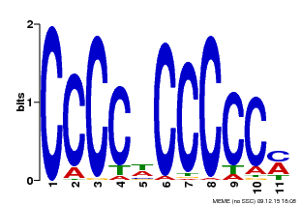



E-value: | 5.2E-639 |  |  |  | E-value: | 1.80E-38 |  |  |  |  | E-value: | 6.40E-12
Sites: | 425 |  |  |  | Sites: | 55 |  |  |  |  | Sites: | 29

ChIP-seq of Oct4 replicate 2 (Human Oct‑3/4 Antibody, R&D systems, AF1759)
ChIP-seq aligned reads: | 43,764,730
HOMER same strand fold enrichment: | 1.2
HOMER diff strand fold enrichment: | 1.3
Motif 1 (1000 lowest p-value MACS peaks) |  |  |  |  | Motif 2 (1000 lowest p-value MACS peaks) |  |  |  |  | Motif 3 (1000 lowest p-value MACS peaks) |  |  |  |  |  | Motif 4 (1000 lowest p-value MACS peaks) |  | Motif 5 (1000 lowest p-value MACS peaks)






E-value: | 3.7E-678 |  |  |  | E-value: | 8.70E-20 |  |  |  | E-value: | 1.60E-11 |  |  |  |  | E-value: | 5.40E-07 | E-value: | 2.00E-06
Sites: | 430 |  |  |  | Sites: | 104 |  |  |  | Sites: | 44 |  |  |  |  | Sites: | 44 | Sites: | 22

ChIP-seq of Oct4 (Anti-Oct4 antibody, Abcam, ab19857)
ChIP-seq aligned reads: | 48,405,308
HOMER same strand fold enrichment: | 1.1
HOMER diff strand fold enrichment: | 1.1
Motif 1 (1000 lowest p-value MACS peaks) |  |  |  |  | Motif 2 (1000 lowest p-value MACS peaks) |  |  |  |  |  |  |  | Motif 3 (1000 lowest p-value MACS peaks)

E-value: | 1.6E-324 |  |  |  | E-value: | 3.60E-73 |  |  |  |  |  |  | E-value: | 1.90E-32
Sites: | 319 |  |  |  | Sites: | 39 |  |  |  |  |  |  | Sites: | 57

ChIP-seq of Mycn replicate 1 (Anti-n-Myc antibody [NCM II 100], Abcam, ab16898)
ChIP-seq aligned reads: | 21,341,695
HOMER same strand fold enrichment: | 1.2
HOMER diff strand fold enrichment: | 1.2
Motif 1 (1000 lowest p-value MACS peaks)




E-value: | 9.50E-147
Sites: | 233

ChIP-seq of Mycn replicate 2 (Anti-n-Myc antibody [NCM II 100], Abcam, ab16898)
ChIP-seq aligned reads: | 22,470,365
HOMER same strand fold enrichment: | 1.2
HOMER diff strand fold enrichment: | 1.2
Motif 1 (1000 lowest p-value MACS peaks)


E-value: | 1.50E-148
Sites: | 239

ChIP-seq of Mycn (n-myc Antibody (NMYC-1), Thermo Scientific Fisher, MA1-16638)
No correct motif got enriched by MEME

ChIP-seq of klf4 replicate 1 (Mouse KLF4 Antibody, R&D systems, AF3158)
ChIP-seq aligned reads: | 67,008,368
HOMER same strand fold enrichment: | 1.1
HOMER diff strand fold enrichment: | 1.1
Motif 1 (1000 lowest p-value MACS peaks)




E-value: | 2.70E-224
Sites: | 375

ChIP-seq of klf4 replicate 2 (Mouse KLF4 Antibody, R&D systems, AF3158)
ChIP-seq aligned reads: | 41,458,610
HOMER same strand fold enrichment: | 1.3
HOMER diff strand fold enrichment: | 1.3
Motif 1 (1000 lowest p-value MACS peaks)




E-value: | 3.00E-206
Sites: | 431

ChIP-seq of klf4 replicate 1 (Human KLF4 Antibody, R&D systems, AF3640)
ChIP-seq aligned reads: | 33,755,950
HOMER same strand fold enrichment: | 1.3
HOMER diff strand fold enrichment: | 1.3
Motif 1 (1000 lowest p-value MACS peaks)




E-value: | 2.50E-177
Sites: | 345

ChIP-seq of klf4 replicate 2 (Human KLF4 Antibody, R&D systems, AF3640)
ChIP-seq aligned reads: | 72,063,123
HOMER same strand fold enrichment: | 1.1
HOMER diff strand fold enrichment: | 1.1
Motif 1 (1000 lowest p-value MACS peaks)


E-value: | 6.00E-122
Sites: | 332

Quality analysis for the ChIP data from GP5D cell:

ChIP-seq of CDX2 (Yan et al., Cell, 2013)
SELEX motif: | NRTCGTAAANNN
ChIP-seq aligned reads: | 10,409,629
HOMER same strand fold enrichment: | 1.9
HOMER diff strand fold enrichment: | 1.9
Motif 1 (1000 lowest p-value MACS peaks) |  |  |  | Motif 2 (1000 lowest p-value MACS peaks)


E-value: | 5.00E-80 |  |  | E-value: | 4.40E-07
Sites: | 241 |  |  | Sites: | 38

ChIP-seq of SP1 (Yan et al., Cell, 2013)
SELEX motif: | NWRGCCACGCCCMYN
ChIP-seq aligned reads: | 11,161,475
HOMER same strand fold enrichment: | 1.8
HOMER diff strand fold enrichment: | 1.8
Motif 1 (1000 lowest p-value MACS peaks) |  |  |  | Motif 2 (1000 lowest p-value MACS peaks)



E-value: | 1.50E-93 |  |  | E-value: | 4.40E-71
Sites: | 166 |  |  | Sites: | 166

ChIP-seq of SP2 (Yan et al., Cell, 2013)
SELEX motif: | NYWAGYCCCGCCCMCYN
ChIP-seq aligned reads: | 10,309,602
HOMER same strand fold enrichment: | 2.4
HOMER diff strand fold enrichment: | 2.4
Motif 1 (1000 lowest p-value MACS peaks) |  |  |  | Motif 2 (1000 lowest p-value MACS peaks)



E-value: | 5.30E-197 |  |  | E-value: | 1.40E-97
Sites: | 275 |  |  | Sites: | 251

ChIP-seq of KLF5 (Yan et al., Cell, 2013)
SELEX motif: | NMCACGCCCN
ChIP-seq aligned reads: | 16,914,796
HOMER same strand fold enrichment: | 1.8
HOMER diff strand fold enrichment: | 1.8
Motif 1 (1000 lowest p-value MACS peaks) |  |  |  | Motif 2 (1000 lowest p-value MACS peaks)


E-value: | 1.90E-92 |  |  | E-value: | 6.70E-26
Sites: | 243 |  |  | Sites: | 48

ChIP-seq of USF1 (Yan et al., Cell, 2013)
SELEX motif: | MNCACGTGAYN
ChIP-seq aligned reads: | 8,824,281
HOMER same strand fold enrichment: | 1.3
HOMER diff strand fold enrichment: | 1.3
Motif 1 (1000 lowest p-value MACS peaks) |  |  |  | Motif 2 (1000 lowest p-value MACS peaks)


E-value: | 1.9E-387 |  |  | E-value: | 1.60E-20
Sites: | 293 |  |  | Sites: | 74

ChIP-seq of USF2 (Yan et al., Cell, 2013)
SELEX motif: | MNCACGTGAYN
ChIP-seq aligned reads: | 12,214,844
HOMER same strand fold enrichment: | 1.3
HOMER diff strand fold enrichment: | 1.4
Motif 1 (1000 lowest p-value MACS peaks) |  |  |  |  |  |  | Motif 2 (1000 lowest p-value MACS peaks)

E-value: | 3.30E-137 |  |  |  |  |  | E-value: | 9.90E-28
Sites: | 104 |  |  |  |  |  | Sites: | 44

Quality analysis for the ChIP data from LoVo cell:

ChIP-exo of CEBPB (C/EBP β Antibody (C-19), Santa Cruz Biotechnology, SC-150X)
SELEX motif: | NRTTGCGYAAYN
Aligned reads: | 22,557,618
Motif 1 (1000 highest score Peakzilla peaks) |  |  |  | Motif 2 (1000 highest score Peakzilla peaks)




E-value: | 1.1E-915 |  |  | E-value: | 3e-07
Sites: | 663 |  |  | Sites: | 44

ChIP-seq of CEBPB (Yan et al., Cell, 2013)
SELEX motif: | NRTTGCGYAAYN
ChIP-seq aligned reads: | 12,849,307
HOMER same strand fold enrichment: | 1.4
HOMER diff strand fold enrichment: | 1.4
Motif 1 (1000 lowest p-value MACS peaks) |  |  |  | Motif 2 (1000 lowest p-value MACS peaks)


E-value: | 1.0E-377 |  |  | E-value: | 1.10E-25
Sites: | 370 |  |  | Sites: | 71

ChIP-seq of SP1 (Yan et al., Cell, 2013)
SELEX motif: | NWRGCCACGCCCMYN
ChIP-seq aligned reads: | 14,420,283
HOMER same strand fold enrichment: | 1.5
HOMER diff strand fold enrichment: | 1.5
Motif 1 (1000 lowest p-value MACS peaks) |  |  |  | Motif 2 (1000 lowest p-value MACS peaks)



E-value: | 5.50E-198 |  |  | E-value: | 4.10E-44
Sites: | 248 |  |  | Sites: | 157

ChIP-seq of SP2 (Yan et al., Cell, 2013)
SELEX motif: | NYWAGYCCCGCCCMCYN
ChIP-seq aligned reads: | 11,354,537
HOMER same strand fold enrichment: | 1.6
HOMER diff strand fold enrichment: | 1.5
Motif 1 (1000 lowest p-value MACS peaks) |  |  |  | Motif 2 (1000 lowest p-value MACS peaks)



E-value: | 6.50E-186 |  |  | E-value: | 7.70E-93
Sites: | 268 |  |  | Sites: | 162

ChIP-seq of EGR1 (Yan et al., Cell, 2013)
SELEX motif: | NMCGCCCACGCMN
ChIP-seq aligned reads: | 17,231,677
HOMER same strand fold enrichment: | 1.2
HOMER diff strand fold enrichment: | 1.2
Motif 1 (1000 lowest p-value MACS peaks) |  |  |  | Motif 2 (1000 lowest p-value MACS peaks)


E-value: | 7.40E-136 |  |  | E-value: | 4.20E-42
Sites: | 206 |  |  | Sites: | 110

ChIP-seq of KLF5 (Yan et al., Cell, 2013)
SELEX motif: | NMCACGCCCN
ChIP-seq aligned reads: | 14,937,421
HOMER same strand fold enrichment: | 1.9
HOMER diff strand fold enrichment: | 1.9
Motif 1 (1000 lowest p-value MACS peaks) |  |  |  | Motif 2 (1000 lowest p-value MACS peaks)




E-value: | 5.30E-216 |  |  | E-value: | 1.20E-13
Sites: | 528 |  |  | Sites: | 37

ChIP-exo of KLF5 (Katainen et al., Nature Genetics, 2015)
SELEX motif: | NMCACGCCCN
Aligned reads: | 79,434,280
Motif 1 (1000 highest score Peakzilla peaks) |  |  |  | Motif 2 (1000 highest score Peakzilla peaks)



E-value: | 2.3E-312 |  |  | E-value: | 1.40E-45
Sites: | 610 |  |  | Sites: | 108

ChIP-exo of MAX replicate 1 (Max Antibody, Cell Signaling Technology, 4732S)
SELEX motif: | RNCACGTGYN
Aligned reads: | 21,778,300
Motif 1 (1000 highest score Peakzilla peaks) |  |  |  | Motif 2 (1000 highest score Peakzilla peaks)





E-value: | 5.10E-279 |  |  | E-value: | 3.4e-07
Sites: | 363 |  |  | Sites: | 28

ChIP-exo of MAX replicate 2 (Max Antibody (C-17), Santa Cruz Biotechnology, sc-197)
SELEX motif: | RNCACGTGYN
Aligned reads: | 27,135,657
Motif 1 (1000 highest score Peakzilla peaks) |  |  |  | Motif 2 (1000 highest score Peakzilla peaks)



E-value: | 7.4E-451 |  |  | E-value: | 9.80E+00
Sites: | 567 |  |  | Sites: | 12

ChIP-seq of USF1 (Yan et al., Cell, 2013)
SELEX motif: | MNCACGTGAYN
ChIP-seq aligned reads: | 1,081,828
HOMER same strand fold enrichment: | 2.0
HOMER diff strand fold enrichment: | 1.9
Motif 1 (1000 lowest p-value MACS peaks) |  |  |  | Motif 2 (1000 lowest p-value MACS peaks)


E-value: | 5.1E-425 |  |  | E-value: | 1.10E-17
Sites: | 360 |  |  | Sites: | 14

ChIP-seq of ELF1 (Yan et al., Cell, 2013)
SELEX motif: | NACCCGGAAGTN
ChIP-seq aligned reads: | 17,173,378
HOMER same strand fold enrichment: | 1.1
HOMER diff strand fold enrichment: | 1.2
Motif 1 (1000 lowest p-value MACS peaks) |  |  | Motif 2 (1000 lowest p-value MACS peaks)


E-value: | 1.10E-77 |  | E-value: | 9.30E-35
Sites: | 229 |  | Sites: | 29

ChIP-seq of ELF2 (Yan et al., Cell, 2013)
SELEX motif: | NACCCGGAAGTN
ChIP-seq aligned reads: | 24,827,097
HOMER same strand fold enrichment: | 1.5
HOMER diff strand fold enrichment: | 1.5
Motif 1 (1000 lowest p-value MACS peaks) |  |  | Motif 2 (1000 lowest p-value MACS peaks)


E-value: | 3.90E-102 |  | E-value: | 2.70E-29
Sites: | 225 |  | Sites: | 46

ChIP-seq of CREB1 (Yan et al., Cell, 2013)
SELEX motif: | NRTGACGTCAYN
ChIP-seq aligned reads: | 14,853,866
HOMER same strand fold enrichment: | 1.5
HOMER diff strand fold enrichment: | 1.5
Motif 1 (1000 lowest p-value MACS peaks) |  |  |  | Motif 2 (1000 lowest p-value MACS peaks)


E-value: | 1.80E-73 |  |  | E-value: | 3.70E-13
Sites: | 104 |  |  | Sites: | 82

ChIP-seq of GMEB2 replicate 1 (Yan et al., Cell, 2013)
SELEX motif: | NYACGTANNNTACGTRN
ChIP-seq aligned reads: | 10,702,028
HOMER same strand fold enrichment: | 1.8
HOMER diff strand fold enrichment: | 1.9
Motif 1 (1000 lowest p-value MACS peaks) |  |  |  | Motif 2 (1000 lowest p-value MACS peaks)





E-value: | 6.60E-29 |  |  | E-value: | 9.10E-15
Sites: | 57 |  |  | Sites: | 20

ChIP-seq of GMEB2 replicate 2 (Yan et al., Cell, 2013)
SELEX motif: | NYACGTANNNTACGTRN
ChIP-seq aligned reads: | 9,558,516
HOMER same strand fold enrichment: | 2.0
HOMER diff strand fold enrichment: | 1.9
Motif 1 (1000 lowest p-value MACS peaks) |  |  |  |  |  |  | Motif 2 (1000 lowest p-value MACS peaks) |  |  |  |  |  | Motif 3 (1000 lowest p-value MACS peaks)


E-value: | 5.60E-36 |  |  |  |  |  | E-value: | 1.90E-23 |  |  |  |  | E-value: | 3.00E-13
Sites: | 20 |  |  |  |  |  | Sites: | 40 |  |  |  |  | Sites: | 41

Quality analysis for the ChIP data from VCaP cell:

ChIP-seq of HOXB13 (Huang et al., Nature Genetics, 2014)
ChIP-seq aligned reads: | 21,687,383
HOMER same strand fold enrichment: | 3.0
HOMER diff strand fold enrichment: | 3.0
Motif 1 (1000 lowest p-value MACS peaks) |  |  | Motif 2 (1000 lowest p-value MACS peaks)



E-value: | 8.60E-241 |  | E-value: | 4.10E-44
Sites: | 444 |  | Sites: | 116

Quality analysis for the ChIP data from LHSAR cell:

ChiP-seq of HOXB13 replicate 1 (HoxB13 Antibody (H-80), Santa Cruz Biotechnology, sc-66923 )
ChIP-seq aligned reads: | 33,055,004
HOMER same strand fold enrichment: | 3.1
HOMER diff strand fold enrichment: | 3.1
Motif 1 (1000 lowest p-value MACS peaks) |  |  | Motif 2 (1000 lowest p-value MACS peaks)




E-value: | 4.20E-40 |  | E-value: | 7.30E-02
Sites: | 191 |  | Sites: | 9

ChiP-seq of HOXB13 replicate 2 (HoxB13 Antibody (H-80), Santa Cruz Biotechnology, sc-66923 )
ChIP-seq aligned reads: | 48,345,888
HOMER same strand fold enrichment: | 3.0
HOMER diff strand fold enrichment: | 2.9
Motif 1 (1000 lowest p-value MACS peaks) |  |  | Motif 2 (1000 lowest p-value MACS peaks)



E-value: | 2.80E-34 |  | E-value: | 1.20E+00
Sites: | 232 |  | Sites: | 52

Section b

Cell line | TF | Source of ChIP data | Number of ChIP peaks | PWM used in MOODS matching | Number of MOODS matches in the genome | Number of MOODS matches within peak sites | Percentage of motif occupancy | Number of peaks with MOODS match | Number of peaks with MOODS match containing CpG | Percentage of peaks with MOODS match containing CpG | CpGs at peaks with MOODS match and WGBS coverage >=2 | CpGs at flanking sites with MOODS match and WGBS coverage >=2
GP5D cell | CDX2 | ChIP-seq peaks | 16055 | NRTCGTAAANNN | 41945 | 745 | 2% | 711 | 585 | 82% | 442 | 95
GP5D cell | CDX2 | ChIP-seq peaks | 16055 | NYAATAAAN | 286138 | 4812 | 2% | 4071 | 0 | 0% | 0 | 0
GP5D cell | KLF5 | ChIP-seq peaks | 9994 | KNMCACGCCCN | 300674 | 9057 | 3% | 4665 | 2988 | 64% | 701 | 390
GP5D cell | SP1 | ChIP-seq peaks | 8511 | NWRGCCACGCCCMYN | 300001 | 9502 | 3% | 4223 | 2470 | 58% | 707 | 471
GP5D cell | SP2 | ChIP-seq peaks | 3517 | NYWAGYCCCGCCCMCYN | 299999 | 1789 | 1% | 1030 | 688 | 67% | 162 | 45
GP5D cell | USF1 | ChIP-seq peaks | 5775 | MNCACGTGAYN | 233358 | 4749 | 2% | 2841 | 2841 | 100% | 1075 | 1415
GP5D cell | USF2 | ChIP-seq peaks | 2777 | MNCACGTGAYN | 233939 | 825 | 0% | 407 | 406 | 100% | 166 | 186
LoVo cell | CEBPB | Overlapping peaks from ChIP-seq and exo | 4235 | NRTTGCGYAAYN | 228440 | 2433 | 1% | 1472 | 800 | 54% | 720 | 442
LoVo cell | CREB1 | ChIP-seq peaks | 4701 | NRTGACGTCAYN | 137289 | 1958 | 1% | 746 | 361 | 48% | 265 | 98
LoVo cell | EGR1, first CG | ChIP-seq peaks | 11517 | NMCGCCCACGCMN | 300407 | 9564 | 3% | 4963 | 2188 | 44% | 1292 | 918
LoVo cell | EGR1, second CG | ChIP-seq peaks | 11517 | NMCGCCCACGCMN | 300407 | 9564 | 3% | 4963 | 1947 | 39% | 1187 | 760
LoVo cell | ELF1 | ChIP-seq peaks | 9677 | NACCCGGAAGTN | 300144 | 3366 | 1% | 2442 | 1771 | 73% | 1370 | 1264
LoVo cell | ELF2 | ChIP-seq peaks | 2349 | NACCCGGAAGTN | 292735 | 1784 | 1% | 1010 | 723 | 72% | 574 | 528
LoVo cell | GMEB2 | Overlapping peaks from two replicates | 7337 | TTACGTAA | 78741 | 539 | 1% | 294 | 294 | 100% | 238 | 149
LoVo cell | KLF5 | Overlapping peaks from ChIP-seq and exo | 5619 | NMCACGCCCN | 300674 | 725 | 0% | 618 | 453 | 73% | 216 | 252
LoVo cell | MAX | Overlapping peaks from two replicates | 1144 | RNCACGTGYN | 226107 | 587 | 0% | 487 | 487 | 100% | 362 | 683
LoVo cell | SP1 | ChIP-seq peaks | 1704 | NWRGCCACGCCCMYN | 300001 | 2706 | 1% | 1185 | 979 | 83% | 550 | 852
LoVo cell | SP2 | ChIP-seq peaks | 6244 | NYWAGYCCCGCCCMCYN | 299999 | 1896 | 1% | 1305 | 812 | 62% | 514 | 218
LoVo cell | USF1 | ChIP-seq peaks | 8238 | MNCACGTGAYN | 233358 | 5740 | 2% | 3555 | 3555 | 100% | 2683 | 5640
VCaP cell | HOXB13 | ChIP-seq peaks | 58462 | NCTCGTAAAAN | 67302 | 3197 | 5% | 1168 | 1107 | 95% | 816 | 262
VCaP cell | HOXB13 | ChIP-seq peaks | 58462 | NCCAATAAAAN | 298653 | 11242 | 4% | 1925 | 0 | 0% | 0 | 0
LHSAR-HOXB13 | HOXB13 | Overlapping peaks from two replicates | 154507 | NCTCGTAAAAN | 67302 | 6245 | 9% | 6001 | 5217 | 87% | 4552 | 1514
LHSAR-HOXB13 | HOXB13 | Overlapping peaks from two replicates | 154507 | NCCAATAAAAN | 298653 | 32153 | 11% | 28645 | 0 | 0% | 0 | 0
wild type ES cell | Klf4 | Overlapping peaks from two replicates | 3546 | NRCCMCGCCCN | 291431 | 5209 | 2% | 2411 | 1674 | 69% | 1196 | 2097
Tet TKO ES cell | Klf4 | Overlapping peaks from two replicates | 20160 | NRCCMCGCCCN | 291431 | 27617 | 9% | 13239 | 8871 | 67% | 6152 | 11047
Dnmt TKO ES cell | Klf4 | Overlapping peaks from two replicates | 14524 | NRCCMCGCCCN | 291431 | 17455 | 6% | 8914 | 6043 | 68% | 4777 | 8644
wild type ES cell | Oct4(Pou5f1) | Overlapping peaks from two replicates | 2318 | NTATGCGCATAN | 140443 | 463 | 0% | 168 | 139 | 83% | 127 | 93
Tet TKO ES cell | Oct4(Pou5f1) | Overlapping peaks from two replicates | 3538 | NTATGCGCATAN | 140443 | 696 | 0% | 285 | 247 | 87% | 224 | 174
Dnmt TKO ES cell | Oct4(Pou5f1) | Overlapping peaks from two replicates | 11981 | NTATGCGCATAN | 140443 | 1198 | 1% | 568 | 439 | 77% | 414 | 290
wild type ES cell | Oct4(Pou5f1) | Overlapping peaks from two replicates | 2318 | NWWTATGCTAATKARN | 316977 | 743 | 0% | 573 | 0 | 0% | 0 | 0
Tet TKO ES cell | Oct4(Pou5f1) | Overlapping peaks from two replicates | 3538 | NWWTATGCTAATKARN | 316977 | 910 | 0% | 714 | 0 | 0% | 0 | 0
Dnmt TKO ES cell | Oct4(Pou5f1) | Overlapping peaks from two replicates | 11981 | NWWTATGCTAATKARN | 316977 | 3127 | 1% | 2540 | 0 | 0% | 0 | 0
wild type ES cell | Mycn | Overlapping peaks from two replicates | 414 | NKCACGTGGN | 93828 | 222 | 0% | 157 | 157 | 100% | 132 | 150
Tet TKO ES cell | Mycn | Overlapping peaks from two replicates | 1483 | NKCACGTGGN | 93828 | 730 | 1% | 568 | 568 | 100% | 446 | 454
Dnmt TKO ES cell | Mycn | Overlapping peaks from two replicates | 2417 | NKCACGTGGN | 93828 | 1167 | 1% | 813 | 813 | 100% | 723 | 801

Section c: Summary of ATAC-seq experiment:
Experiment | Reads examined | Read duplicates | Percent duplicates | chrM reads aligned | Percent chrM reads | Reads aligned after duplicate remocal | Number of peaks
Wild type ES cell replicate1 | 57315289 | 20746875 | 0.361978023 | 5665019 | 0.098839578389 | 36568414 | 12541600%
Wild type ES cell replicate2 | 59050499 | 27662226 | 0.46845033435 | 5037580 | 0.085309693996 | 31388273 | 10161200%
Dnmt-TKO ES cell replicate1 | 74360818 | 24684972 | 0.3319620825 | 6655220 | 0.089499015463 | 49675846 | 11734200%
Dnmt-TKO ES cell replicate2 | 101660823 | 47761049 | 0.46980781377 | 6244322 | 0.061423091174 | 53899774 | 13068500%
Tet-TKO ES cell replicate1 | 66910302 | 21334155 | 0.31884708875 | 5513107 | 0.082395488216 | 45576147 | 11919600%
Tet-TKO ES cell replicate2 | 57338248 | 24875603 | 0.43383960738 | 5020695 | 0.087562755667 | 32462645 | 9066800%

