Bug_Report
BUG REPORT
BUG ID | BUG CATEGORY | MODULE NAME | DEFECT REPORTED DATE | DESCRIPTION | ENVIRONMENT | STEPS TO REPRODUCE | EXPECTED RESULT | ACTUAL RESULT | SNAPSHOT | SEVERITY | PRIORITY | ASSIGNED TO | STATUS | ENHANCEMENT
BID_001 | Complex | Entering password in the Registration Page creates confusion due to - Unknown Password policy information | 2021-04-08 | When a user try to register into the application, no registration policy information is provided. This could lead to confusion and multiple user-try to register. | Windows 8 / Chrome 89.0.4389.114 | Step 1: Open the browser and navigate to the URL - https://buggy.justtestit.org/ Step 2: After successful navigation, click on the Registration button on the top right panel Step 3: Once the registration panel opened, enter the registration information. Step 4: Click on the "Register" button Step5: Check if the same error is reproduced as the snapshot attached | All the password policy information such as accepted number of digits, symbols and alphanumeric characters | No password policy information is provided | 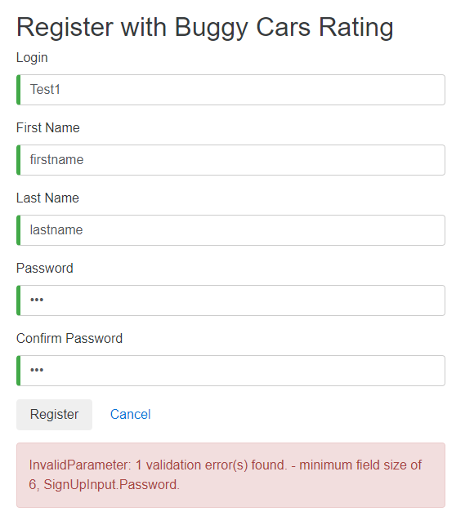 | Blocker | High |  | Open
BID_002 | Complex | Unknown error is displayed while updating the profile information | 2021-04-08 | When a registered user try to update the profile information, an unknown error is throwed. | Windows 8 / Chrome 89.0.4389.114 | Step 1: Open the browser and navigate to the URL - https://buggy.justtestit.org/ Step 2: After successful navigation, click on the Profile button on the top right panel Step 3: Once the Profile Update panel opened, enter the Profile information. Step 4: Click on the "Save" button Step5: Check if the "Unknown error" is reproduced as similar to the snapshot attached | Customer should be notified with the incorrect profile inputs, so that the customer is properly guided for successful profile update | No guide information is provided on the Profile update form. | 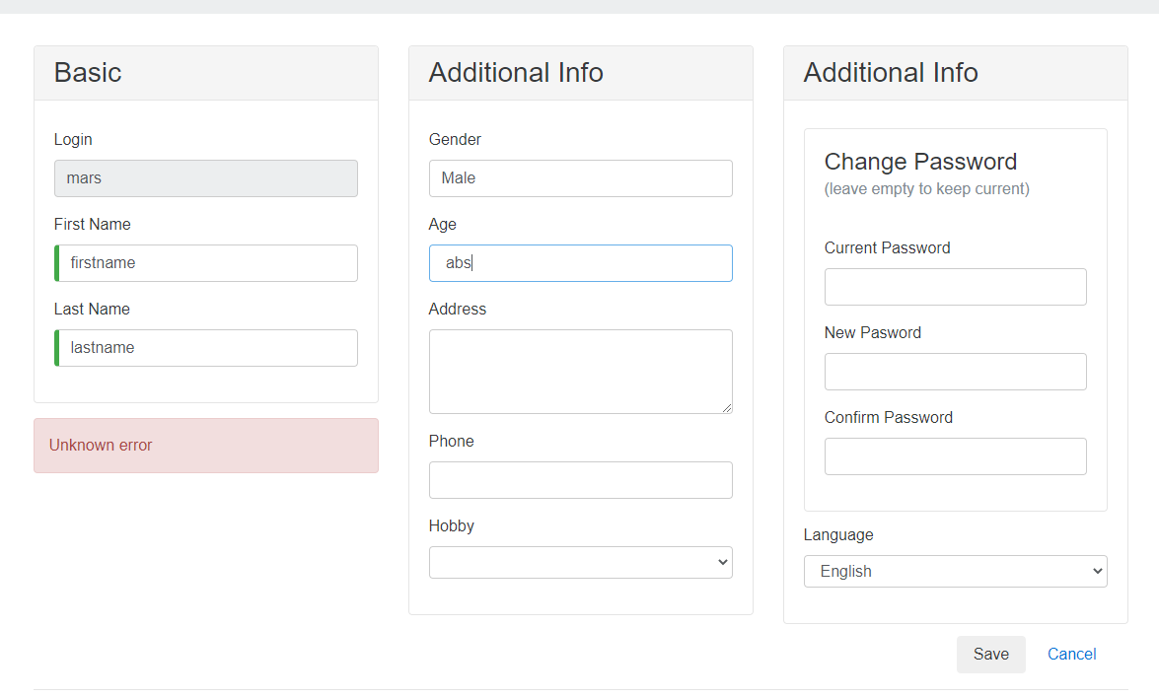 | Blocker | High |  | Open
BID_003 | Medium Priority | Age column accepts alphabets and special characters while updating the profile | 2021-04-08 | When a registered user try to update the profile information, the Age column accepts characters other than numeric values. And throws an unknown error instead of the Age information policy | Windows 8 / Chrome 89.0.4389.114 | Step 1: Open the browser and navigate to the URL - https://buggy.justtestit.org/ Step 2: After successful navigation, click on the Profile button on the top right panel Step 3: Once the Profile Update panel opened, enter the Age information. Step 4: Click on the "Save" button Step5: Check if the "Get a candy" error message is reproduced as similar to the snapshot attached | Customer should be notified with the incorrect profile inputs, so that the customer is properly guided for successful profile update | No guide information is provided on the Profile update form. | 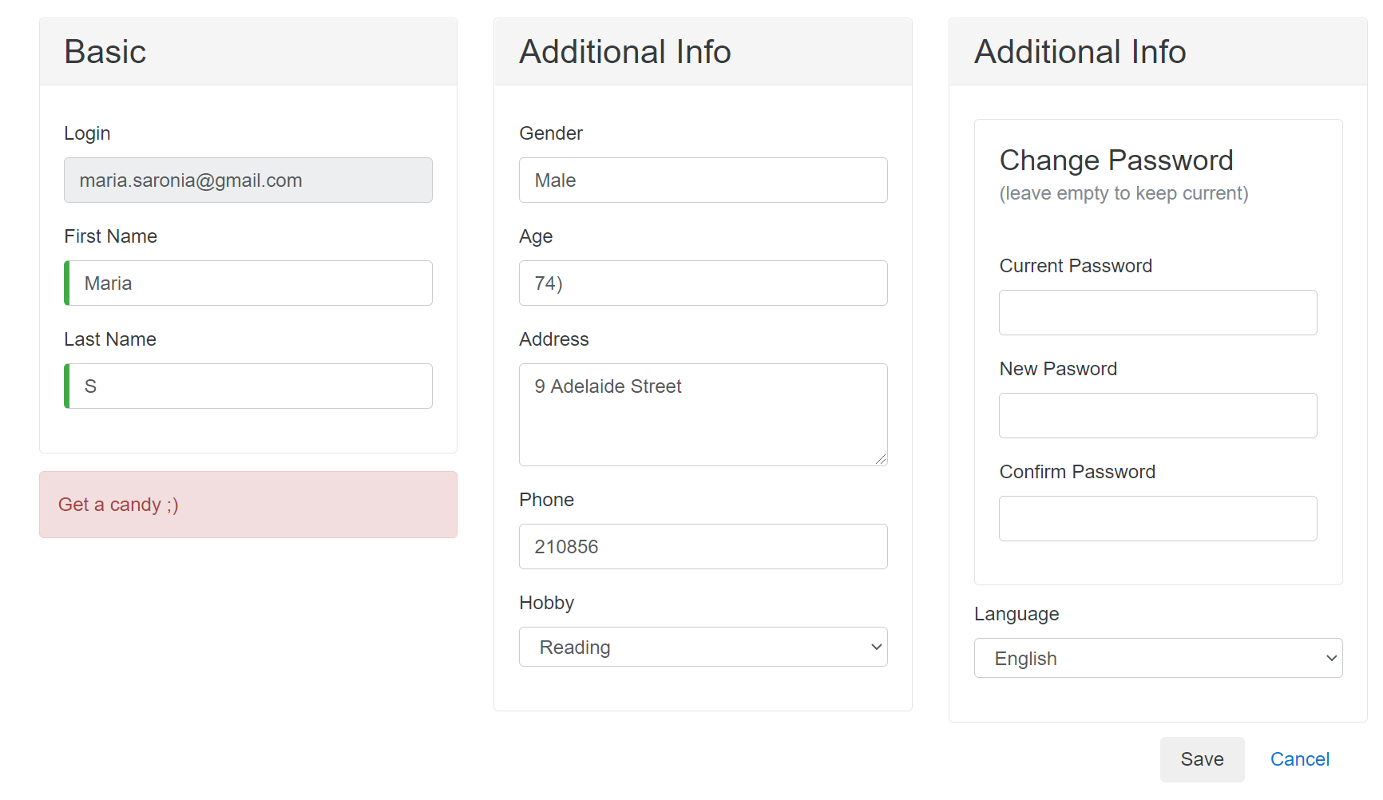 | Medium | Minor |  | Open
BID_004 | Medium Priority | No Home Page Navigation while the user is on the Popular make category page | 2021-04-08 | When the customer is on the Popular make category page, the use is not able to navigate to the home page. This is due to the Buggy Rating link on the top panel is broken. | Windows 8 / Chrome 89.0.4389.115 | Step 1: Open the browser and navigate to the URL - https://buggy.justtestit.org/ Step 2: After successful navigation, click on the Popular Make category from the middle panel Step 3: Now click on the Buggy Rating button on the top panel. Step 4: The link is broken and customer is not able to navigate to home page. | The user should be able to successfully navigate between pages. And Home page link needs to be enabled on all of the web page. | Broken Home page (Buggt Rating) link found. |  | Medium | Minor |  | Open

