Bug_Report
BUG REPORT
BUG ID | BUG CATEGORY | MODULE NAME | DEFECT REPORTED DATE | DESCRIPTION | ENVIRONMENT | STEPS TO REPRODUCE | EXPECTED RESULT | ACTUAL RESULT | SNAPSHOT | SEVERITY | PRIORITY | ASSIGNED TO | STATUS | ENHANCEMENT
BID_001 | Complex | Entering password in the Registration Page creates confusion due to - Unknown Password policy information | 2021-04-08 | When a user try to register into the application, no registration policy information is provided. This could lead to confusion and multiple user-try to register. | Windows 8 / Chrome 89.0.4389.114 | Step 1: Open the browser and navigate to the URL - https://buggy.justtestit.org/ Step 2: After successful navigation, click on the Registration button on the top right panel Step 3: Once the registration panel opened, enter the registration information. Step 4: Click on the "Register" button Step5: Check if the same error is reproduced as the snapshot attached | All the password policy information such as accepted number of digits, symbols and alphanumeric characters | No password policy information is provided | 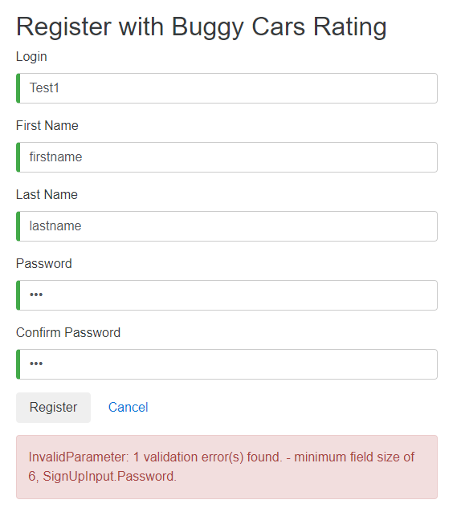 | High | High |  | Open | The user can get a better experince if the password policy information are provided as a tool tip near password field.
BID_002 | Complex | Unknown error is displayed while updating the profile information | 2021-04-08 | When a registered user try to update the profile information, an unknown error is throwed. | Windows 8 / Chrome 89.0.4389.114 | Step 1: Open the browser and navigate to the URL - https://buggy.justtestit.org/ Step 2: After successful navigation, click on the Profile button on the top right panel Step 3: Once the Profile Update panel opened, enter the Profile information. Step 4: Click on the "Save" button Step5: Check if the "Unknown error" is reproduced as similar to the snapshot attached | Customer should be notified with the incorrect profile inputs, so that the customer is properly guided for successful profile update | No guide information is provided on the Profile update form. | 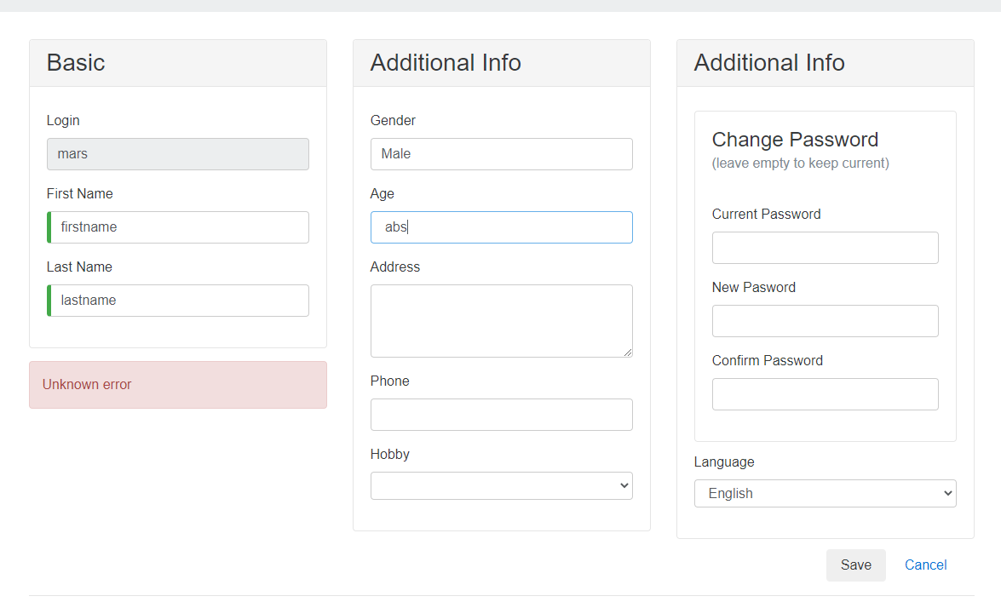 | High | High |  | Open | The error message can direct the customer to enter the right information on the right field. So providing a meaningful error message can create a good user-experience.
BID_003 | Medium Priority | Age column accepts alphabets and special characters while updating the profile | 2021-04-08 | When a registered user try to update the profile information, the Age column accepts characters other than numeric values. And throws an unknown error instead of the Age information policy | Windows 8 / Chrome 89.0.4389.114 | Step 1: Open the browser and navigate to the URL - https://buggy.justtestit.org/ Step 2: After successful navigation, click on the Profile button on the top right panel Step 3: Once the Profile Update panel opened, enter the Age information. Step 4: Click on the "Save" button Step5: Check if the "Get a candy" error message is reproduced as similar to the snapshot attached | Customer should be notified with the incorrect profile inputs, so that the customer is properly guided for successful profile update | No guide information is provided on the Profile update form. | 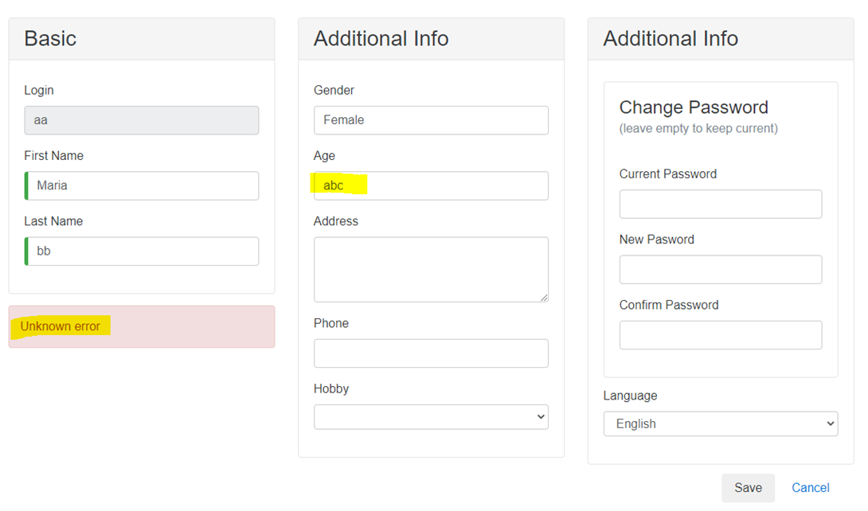 | Medium | Low |  | Open | The age field can have a disabled option for the alphabets and Special characters. This could avoid users to add the incorrect inputs.
OTHER BUGS
BID_004 | Medium Priority | No Home Page Navigation while the user is on the Popular make category page | 2021-04-08 | When the customer is on the Popular make category page, the use is not able to navigate to the home page. This is due to the Buggy Rating link on the top panel is broken. | Windows 8 / Chrome 89.0.4389.114 | Step 1: Open the browser and navigate to the URL - https://buggy.justtestit.org/ Step 2: After successful navigation, click on the Popular Make category from the middle panel Step 3: Now click on the Buggy Rating button on the top panel. Step 4: The link is broken and customer is not able to navigate to home page. | The user should be able to successfully navigate between pages. And Home page link needs to be enabled on all of the web page. | Broken Home page (Buggt Rating) link found. |  | Medium | Medium |  | Open | Broken links should be corrected and directed to the intended navigation page. This could avoid user wait times searching for other ways to navigate pages.
BID_005 | Medium Priority | After successful registration followed by login, the user kept on hold in the Registration page | 2021-04-09 | When the customer successfully register and followed with successful login. the user is not directed to the home page - Buggy Cars page | Windows 8 / Chrome 89.0.4389.114 | Step 1: Open the browser and navigate to the URL - https://buggy.justtestit.org/ Step 2: After successful navigation,Register with valid credentials Step 3: And login with valid credentials Step 4: After successful login check if the user kept on hold in registration page instead of the home page - Refer to the snapshot attached | The user should be successfully navigated/directed to the home page. | The user kept on hold in the Registration page | 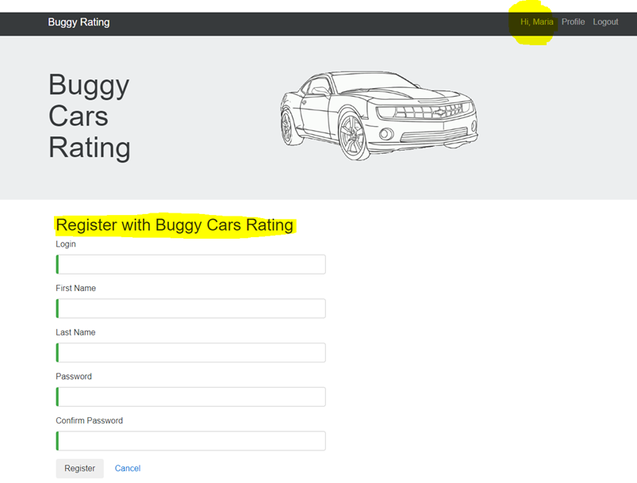 | Low | Low |  | Open | The application flow should be corrected and the user has to be guided throughout the application.
BID_006 | Less Priority | Exception code information are provided along with the error message | 2021-04-09 | When the customer enters incorrect password on the update profile page, the exception code information is provided along with the error message | Windows 8 / Chrome 89.0.4389.114 | Step 1: Open the browser and navigate to the URL - https://buggy.justtestit.org/ Step 2: After successful navigation,Register with valid credentials Step 3: And login with valid credentials Step 4: After successful login check, click on the profile and enter incorrect password. Step 5: Check if the error message is displayed as similar to the snapshot attached | The user should only get the error message | The user gets Exception code information along with the error message | 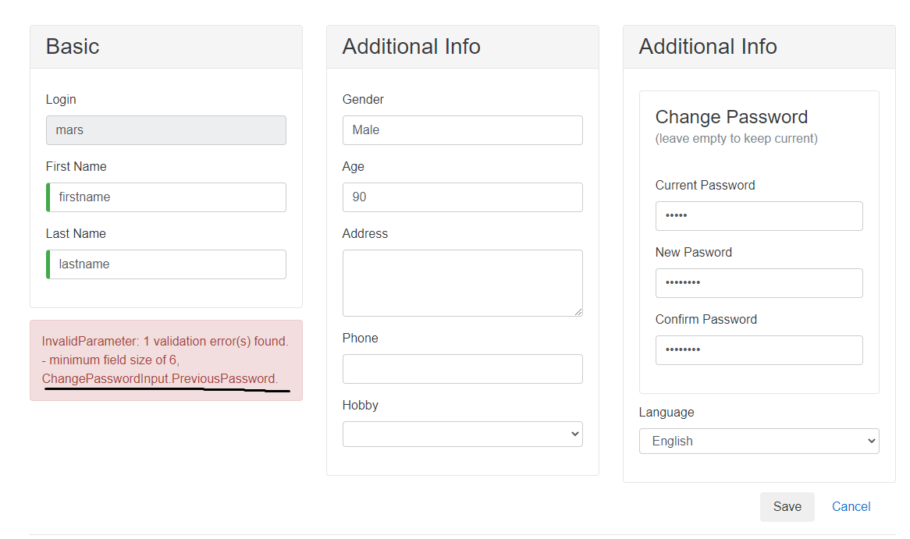 | Low | Low |  | Open | The error message has to eb corrected to avoid confusion

